Q5_Irrigation
 | Total
2022 | 1121720
2023 | 1128496
2024 | 1117908
2025 | 1144602
(blank)
 | Total
2022 | 1121720
2023 | 1128496
2024 | 1117908
2025 | 1144602
(blank)
Year | Sum of Irrigated_Area_Hectares
2022 | 1121720
2023 | 1128496
2024 | 1117908
2025 | 1144602
(blank)
Grand Total | 4512726

Q10_Dashboard
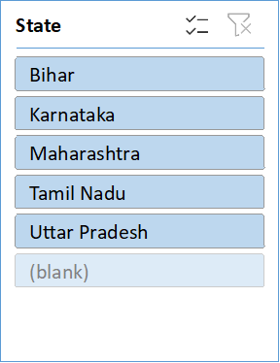
 |  | Rural India Development Indicators (2022-2025)

Total Villages Tracked |  |  | Avg National Electrification |  | Villages in Need of Water Funding
 | 9997 |  |  | 77.41993 |  | 0

 | Total
2022 | 1121720
2023 | 1128496
2024 | 1117908
2025 | 1144602
(blank)
 | Total
2022 | 1121720
2023 | 1128496
2024 | 1117908
2025 | 1144602
(blank)

