internal - Colors for BGC class
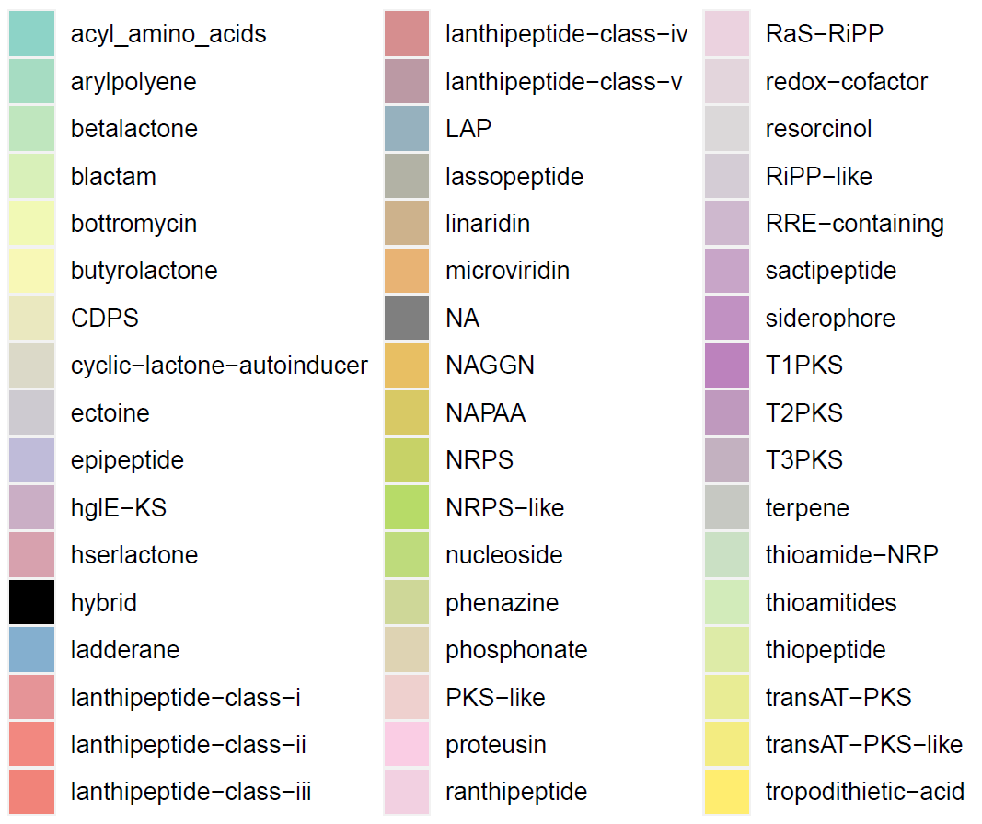
BGC | Hex Code
acyl_amino_acids | #8DD3C7
arylpolyene | #A6DCC2
betalactone | #BFE6BE
blactam | #D8F0B9
bottromycin | #F1F9B5
butyrolactone | #F8F8B6
CDPS | #EAE8BF
cyclic-lactone-autoinducer | #DBD9C8
ectoine | #CDCAD0
epipeptide | #BFBBD9
hglE-KS | #CAAEC5
hserlactone | #D7A1AE
hybrid | #000000
ladderane | #84AFCF
lanthipeptide-class-i | #E59497
lanthipeptide-class-ii | #F28880
lanthipeptide-class-iii | #F18379
lanthipeptide-class-iv | #D68E8F
lanthipeptide-class-v | #BB99A4
LAP | #96B1BE
lassopeptide | #B2B2A5
linaridin | #CDB28C
microviridin | #E8B374
NA | #F8B662
NAGGN | #E8BF63
NAPAA | #D8C965
NRPS | #C7D267
NRPS-like | #B7DB68
nucleoside | #BEDB7C
phenazine | #CED798
phosphonate | #DED3B3
PKS-like | #EED0CE
proteusin | #FACDE4
ranthipeptide | #F2D0E1
RaS-RiPP | #EBD2DF
redox-cofactor | #E3D5DC
resorcinol | #DBD8D9
RiPP-like | #D4CCD5
RRE-containing | #CEB8CE
sactipeptide | #C8A5C8
siderophore | #C191C2
T1PKS | #BC82BD
T2PKS | #BF99BE
T3PKS | #C3B1C0
terpene | #C6C8C2
thioamide-NRP | #CAE0C4
thioamitides | #D2EBBA
thiopeptide | #DDEBA7
transAT-PKS | #E8EC94
transAT-PKS-like | #F3EC81
tropodithietic-acid | #FFED6F

