Sales-info
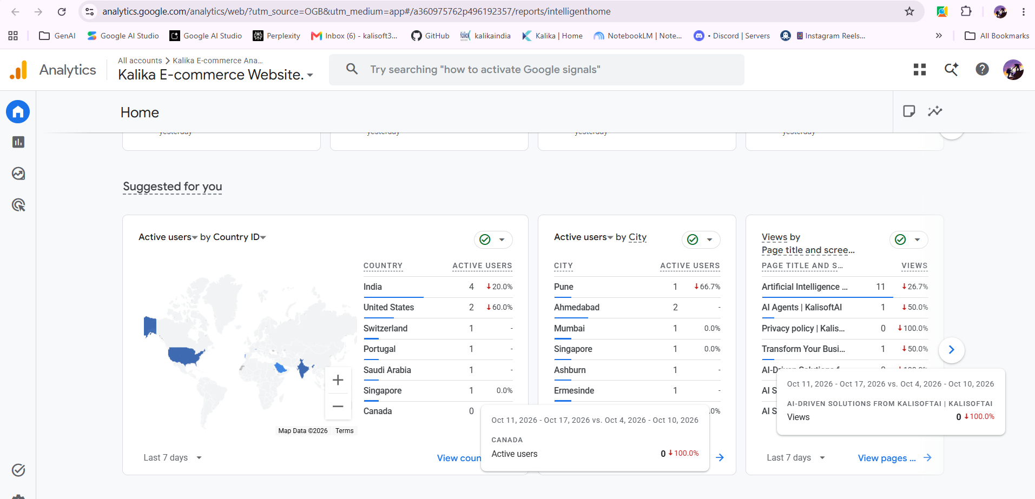
LinkedIN leads | Lesley’s profile |  |  |  | Sr. No. | Name | LinkedIn Profile | Company Website | Website Type | Phone Number | Email | Connected Since |  |  | prompt v1
Kea’s profile | linkedin.com/in/lesley-mncina-3bb9a822a |  |  |  | 1 | Kea Mokhongane | View Profile | sembly.dottie.co.za | Company | Not provided | iamkeadevs@gmail.com | 2026-10-11 |  |  | " create table with adding details 1) https://www.linkedin.com/company/vuma-pay/home/Lesley’s profile [linkedin.com/in/lesley-mncina-3bb9a822a](https://www.linkedin.com/in/lesley-mncina-3bb9a822a/) Website [evilletec.co.za](https://www.linkedin.com/safety/go/?url=https%3A%2F%2Fevilletec%2Eco%2Eza&urlhash=mqvF&mt=MPSIZ9XTySbFjTiAgWfvfQLcnm-7bFUUkFnNpTJCNKOBQSvhs2Gn2R2Kkg8VDL6BhnSEz3hzCqwcpKwVvVTleDNEbf_1&isSdui=true) (Personal) Phone 0815369280 (Mobile) Email [lesleywiseman5@gmail.com](mailto:lesleywiseman5@gmail.com) Connected since Oct 12, 2026 "
linkedin.com/in/kea-mokhongane-2b1019264 | Website |  |  |  | 2 | Lesley Mncina | View Profile | evilletec.co.za |  | 815369280 | lesleywiseman5@gmail.com | 2026-10-12 | https://workwhiz.co.za/ | Personal
Website | evilletec.co.za (Personal)
sembly.dottie.co.za (Company) | Phone
Email | 0815369280 (Mobile)
iamkeadevs@gmail.com | Email
Connected since | lesleywiseman5@gmail.com
 | Connected since |  |  |  |  | We see a need to help professionals and founders take back control of their time by building smart systems that work the way they do. Using AI tools, we design seamless workflows that bring order, focus, and structure into the everyday chaos of running a business. Our approach combines technology with a personal touch, making sure your setup feels natural, efficient, and built for how you think. The result is more clarity, less admin, and a smoother rhythm to how you work and lead. Availability Remote Pricing Starting at ZAR250.00/hr
 | 2026-10-12 |  |  |  |  |  |  |  |  | ZAR to USD: 250 ZAR = 15.16 USD (at a rate of 0.0606 USD per Rand).
 |  |  |  |  |  |  |  |  |  | ZAR to INR: 250 ZAR = 1,440.75 INR (at a rate of 5.763 INR per Rand).

Purpose or Intent of sales lead | Prompts
To connect to grow business in other regions like local like south and north of India and other countries with google analytics,linkedin profile and connection regions, targeted for regions outside India to grow business with intent to reach larger audience,with growing with different business usecases with packaging and other software integrated automation with human interventions, sops, other business workflow mutually works with purpose of business solutions with different approaches,

# ----------------------------------------
# Demographic details: Country
# Account: KalisoftAI
# Property: Commercial Ecommerce Tracking
# ----------------------------------------
#
# All Users
# Start date: 20260920
# End date: 20261017
Country | Active users | New users | Engaged sessions | Engagement rate | Engaged sessions per active user | Average engagement time per active user | Event count | Key events | User key event rate | Total revenue
United States | 124 | 125 | 36 | 0.288 | 0.29032258065 | 6.7258064516 | 556 | 0 | 0 | 0
India | 15 | 13 | 5 | 0.29411764706 | 0.33333333333 | 15.733333333 | 71 | 0 | 0 | 0
Germany | 3 | 3 | 0 | 0 | 0 | 0.33333333333 | 12 | 0 | 0 | 0
Singapore | 3 | 3 | 2 | 0.66666666667 | 0.66666666667 | 18 | 15 | 0 | 0 | 0
(not set) | 1 | 1 | 1 | 1 | 1 | 31 | 6 | 0 | 0 | 0

# ----------------------------------------
# Demographic details: Town/City
# Account: KalisoftAI
# Property: Commercial Ecommerce Tracking
# ----------------------------------------
#
# All Users
# Start date: 20260920
# End date: 20261017
Town/City | Active users | New users | Engaged sessions | Engagement rate | Engaged sessions per active user | Average engagement time per active user | Event count | Key events | User key event rate | Total revenue
Ashburn | 35 | 35 | 0 | 0 | 0 | 0 | 107 | 0 | 0 | 0
San Jose | 17 | 17 | 10 | 0.58823529412 | 0.58823529412 | 16.352941176 | 100 | 0 | 0 | 0
(not set) | 14 | 14 | 10 | 0.71428571429 | 0.71428571429 | 13 | 75 | 0 | 0 | 0
Des Moines | 13 | 14 | 9 | 0.64285714286 | 0.69230769231 | 16 | 82 | 0 | 0 | 0
Flint Hill | 13 | 13 | 6 | 0.46153846154 | 0.46153846154 | 11.923076923 | 65 | 0 | 0 | 0
Los Angeles | 12 | 12 | 0 | 0 | 0 | 0 | 45 | 0 | 0 | 0
Hyderabad | 10 | 10 | 2 | 0.2 | 0.2 | 0 | 35 | 0 | 0 | 0
New York | 9 | 9 | 0 | 0 | 0 | 0 | 36 | 0 | 0 | 0
Moses Lake | 4 | 4 | 2 | 0.5 | 0.5 | 10.5 | 23 | 0 | 0 | 0
San Francisco | 4 | 4 | 0 | 0 | 0 | 0 | 14 | 0 | 0 | 0
Pune | 3 | 2 | 2 | 0.4 | 0.66666666667 | 77.333333333 | 28 | 0 | 0 | 0
Singapore | 3 | 3 | 2 | 0.66666666667 | 0.66666666667 | 18 | 15 | 0 | 0 | 0
Gutersloh | 2 | 2 | 0 | 0 | 0 | 0 | 7 | 0 | 0 | 0
Manassas | 2 | 2 | 0 | 0 | 0 | 0 | 7 | 0 | 0 | 0
Ambala Cantt | 1 | 1 | 0 | 0 | 0 | 0 | 4 | 0 | 0 | 0
Frankfurt am Main | 1 | 1 | 0 | 0 | 0 | 1 | 5 | 0 | 0 | 0
Hialeah Gardens | 1 | 1 | 0 | 0 | 0 | 0 | 4 | 0 | 0 | 0
Las Vegas Valley | 1 | 1 | 0 | 0 | 0 | 0 | 4 | 0 | 0 | 0
Pimpri-Chinchwad | 1 | 0 | 1 | 1 | 1 | 4 | 4 | 0 | 0 | 0

