Count Validation
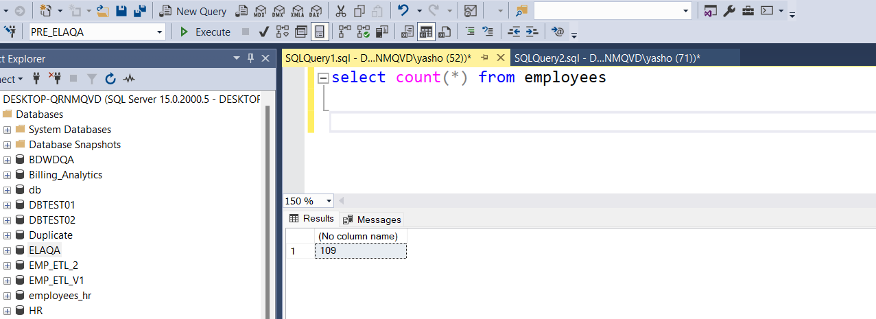
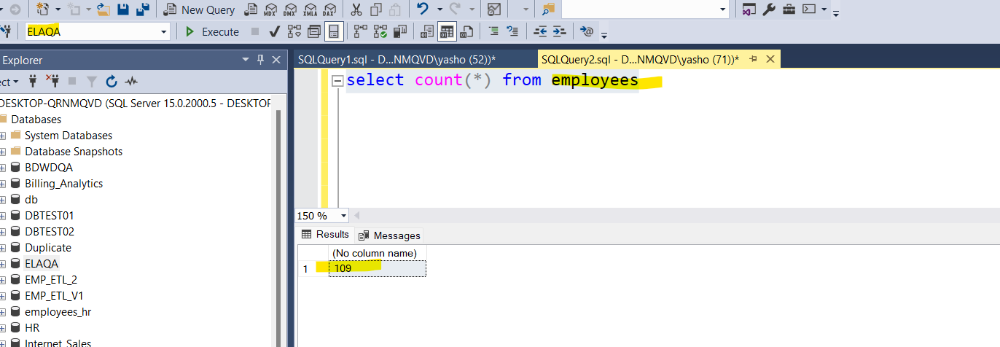
Overall Staus | Pass

 | Source_Db | PRE_ELAQA |  | TGT_DB | ELAQA
 | Source_table | Employees |  | Source Table | Employees
 | Count | 109 |  | Count | 109

 |  |  | select count(*) from employees
 | select count(*) from employees

null value validation
