Pass 1 - 120 Images
Row # | Rating ID | Image (run embed script locally) | Brief (EN) | Industry | Brand Name | Required Objects | Colour Attributes | Spatial Constraints | Required Text | Style Descriptors | Language | Overall (1-5) | Objects (1-5) | Spatial (1-5) | Colour (1-5) | Typography (1-5) | Notes | Timestamp
1 | R1-001 | 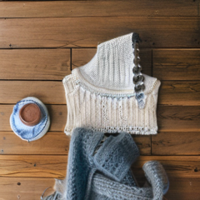 | Flat lay of a gray wool sweater placed above a white knit scarf on a light wooden surface, RIVE label visible, soft natural lighting | fashion_apparel | RIVE | ["wool sweater", "knit scarf"] | {"wool sweater": "gray", "knit scarf": "white"} | ["wool sweater above knit scarf"] | ["RIVE"] | ["flat lay", "wooden surface", "soft lighting"] | FR | 4 | 2 | 1 | 4 | 1 |  | 06/09/2026 (8:30 AM)
2 | R1-002 | 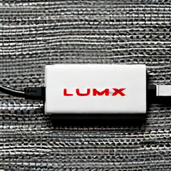 | Minimalist product photography of a white rectangular power bank with a red USB cable coiled below it on a light gray surface, LUMIX on power bank, clean composition | tech_product | LUMIX | ["power bank", "USB cable"] | {"power bank": "white", "USB cable": "red"} | ["USB cable below power bank"] | ["LUMIX"] | ["minimalist", "gray background", "clean composition"] | FR | 3 | 2 | 2 | 3 | 2 |  | 06/09/2026 (8:30 AM)
3 | R1-003 | 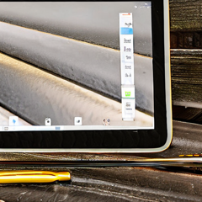 | Overhead product photography of a white tablet with a gold stylus pen to its right on a marble surface, PRISM on tablet bezel, clean composition | tech_product | PRISM | ["tablet", "stylus pen"] | {"tablet": "white", "stylus pen": "gold"} | ["stylus pen right of tablet"] | ["PRISM"] | ["overhead shot", "marble surface", "clean composition"] | DE | 1 | 2 | 1 | 2 | 1 |  | 06/09/2026 (8:30 AM)
4 | R1-004 | 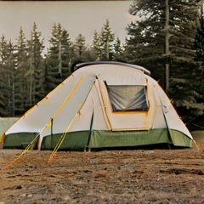 | Product photography of a beige campervan placed to the left of a green camping tent on a grassy outdoor surface, ALPHA on van side, golden hour lighting | automotive | ALPHA | ["campervan", "camping tent"] | {"campervan": "beige", "camping tent": "green"} | ["campervan left of camping tent"] | ["ALPHA"] | ["product photography", "outdoor setting", "golden hour"] | FR | 2 | 2 | 1 | 2 | 1 |  | 06/09/2026 (8:30 AM)
5 | R1-005 | 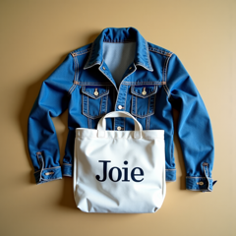 | Flat lay of a blue denim jacket placed above a white canvas tote bag on a light gray surface, JOIE on tote bag, natural lighting | fashion_apparel | JOIE | ["denim jacket", "tote bag"] | {"denim jacket": "blue", "tote bag": "white"} | ["denim jacket above tote bag"] | ["JOIE"] | ["flat lay", "gray background", "natural lighting"] | DE | 4 | 5 | 4 | 3 | 5 |  | 06/09/2026 (8:30 AM)
6 | R1-006 | 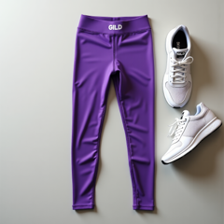 | Lifestyle flat lay of purple gym leggings placed to the right of white sports shoes on a clean gym floor, GILD logo on leggings waistband, bright studio lighting | fashion_apparel | GILD | ["gym leggings", "sports shoes"] | {"gym leggings": "purple", "sports shoes": "white"} | ["gym leggings right of sports shoes"] | ["GILD"] | ["flat lay", "white background", "bright lighting"] | FR | 3 | 5 | 2 | 4 | 3 |  | 06/09/2026 (8:30 AM)
7 | R1-007 | 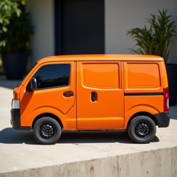 | Product photography of an orange pickup truck placed to the left of a black metal toolbox on a concrete surface, KINETIC on truck door, outdoor natural lighting | automotive | KINETIC | ["pickup truck", "toolbox"] | {"pickup truck": "orange", "toolbox": "black"} | ["pickup truck left of toolbox"] | ["KINETIC"] | ["product photography", "concrete surface", "outdoor lighting"] | FR | 2 | 2 | 2 | 2 | 2 |  | 06/09/2026 (8:30 AM)
8 | R1-008 | 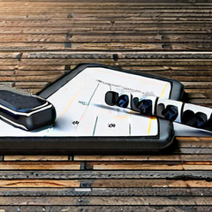 | Lifestyle product shot of a black fitness tracker placed to the left of a white smartphone on a marble surface, ZETA logo on tracker display, overhead lighting | tech_product | ZETA | ["fitness tracker", "smartphone"] | {"fitness tracker": "black", "smartphone": "white"} | ["fitness tracker left of smartphone"] | ["ZETA"] | ["lifestyle photography", "marble surface", "overhead lighting"] | DE | 1 | 1 | 1 | 1 | 1 |  | 06/09/2026 (8:30 AM)
9 | R1-009 | 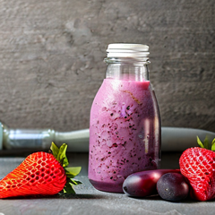 | Product photography of a purple smoothie bottle placed to the left of fresh red berries on a white surface, XTRA label on bottle, vibrant natural lighting | food_beverage | XTRA | ["smoothie bottle", "berries"] | {"smoothie bottle": "purple", "berries": "red"} | ["smoothie bottle left of berries"] | ["XTRA"] | ["product photography", "white background", "vibrant lighting"] | FR | 3 | 3 | 3 | 2 | 1 |  | 06/09/2026 (8:30 AM)
10 | R1-010 | 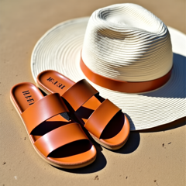 | Summer lifestyle flat lay of tan leather sandals placed to the right of a white straw beach hat on a sandy surface, HAZE logo on sandal strap, bright natural lighting | fashion_apparel | HAZE | ["leather sandals", "straw beach hat"] | {"leather sandals": "tan", "straw beach hat": "white"} | ["leather sandals right of straw beach hat"] | ["HAZE"] | ["flat lay", "sandy surface", "natural lighting"] | ES | 4 | 4 | 1 | 5 | 2 |  | 06/09/2026 (8:30 AM)
11 | R1-011 | 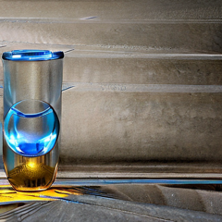 | Product photography of a blue soda can placed to the left of a silver ice bucket on a dark bar surface, QUENCH logo on can front, cool atmospheric lighting | food_beverage | QUENCH | ["soda can", "ice bucket"] | {"soda can": "blue", "ice bucket": "silver"} | ["soda can left of ice bucket"] | ["QUENCH"] | ["product photography", "dark background", "cool lighting"] | DE | 1 | 1 | 1 | 1 | 1 |  | 06/09/2026 (8:30 AM)
12 | R1-012 | 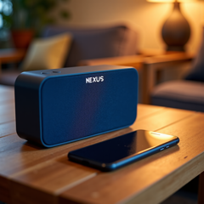 | Lifestyle product shot of a blue Bluetooth speaker with a black smartphone leaning to its right on a wooden table, NEXUS on speaker body, warm lighting | tech_product | NEXUS | ["bluetooth speaker", "smartphone"] | {"bluetooth speaker": "blue", "smartphone": "black"} | ["smartphone right of bluetooth speaker"] | ["NEXUS"] | ["lifestyle photography", "wooden surface", "warm lighting"] | FR | 5 | 5 | 5 | 5 | 4 |  | 06/09/2026 (8:30 AM)
13 | R1-013 | 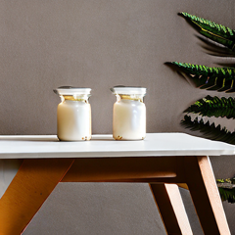 | Lifestyle product shot of a white oat milk carton placed to the right of a brown ceramic bowl filled with granola on a wooden table, FERN on carton front, warm morning lighting | food_beverage | FERN | ["oat milk carton", "ceramic bowl"] | {"oat milk carton": "white", "ceramic bowl": "brown"} | ["oat milk carton right of ceramic bowl"] | ["FERN"] | ["lifestyle photography", "wooden surface", "warm lighting"] | DE | 2 | 1 | 1 | 2 | 1 |  | 06/09/2026 (8:30 AM)
14 | R1-014 | 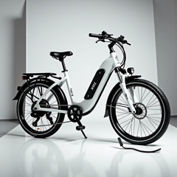 | Product photography of a white electric bicycle placed to the left of a black charging cable on a clean white studio floor, XCEL on bicycle frame, clean studio lighting | automotive | XCEL | ["electric bicycle", "charging cable"] | {"electric bicycle": "white", "charging cable": "black"} | ["electric bicycle left of charging cable"] | ["XCEL"] | ["product photography", "white background", "studio lighting"] | DE | 3 | 3 | 3 | 2 | 1 |  | 06/09/2026 (8:30 AM)
15 | R1-015 | 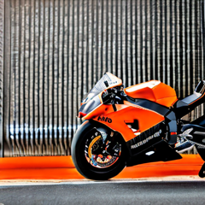 | Product photography of an orange superbike placed to the right of a black racing track cone on a gray track surface, LANCE on bike fairing, dramatic race lighting | automotive | LANCE | ["superbike", "track cone"] | {"superbike": "orange", "track cone": "black"} | ["superbike right of track cone"] | ["LANCE"] | ["product photography", "race track", "dramatic lighting"] | ES | 3 | 3 | 3 | 4 | 2 |  | 06/09/2026 (8:30 AM)
16 | R1-016 | 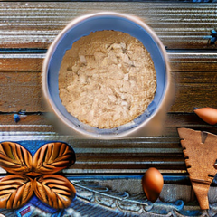 | Flat lay of a brown almond butter jar placed above slices of white bread on a light blue surface, BRISK on jar label, morning lifestyle lighting | food_beverage | BRISK | ["almond butter jar", "bread"] | {"almond butter jar": "brown", "bread": "white"} | ["almond butter jar above bread"] | ["BRISK"] | ["flat lay", "light blue background", "morning lighting"] | ES | 1 | 1 | 1 | 1 | 1 |  | 06/09/2026 (8:30 AM)
17 | R1-017 | 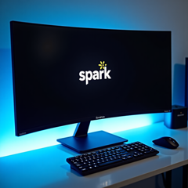 | Studio product shot of a black curved monitor with a silver keyboard placed below it on a glass desk, SPARK logo on monitor bezel, blue ambient lighting | tech_product | SPARK | ["curved monitor", "keyboard"] | {"curved monitor": "black", "keyboard": "silver"} | ["keyboard below curved monitor"] | ["SPARK"] | ["product photography", "glass surface", "blue lighting"] | ES | 4 | 4 | 3 | 2 | 5 |  | 06/09/2026 (8:30 AM)
18 | R1-018 | 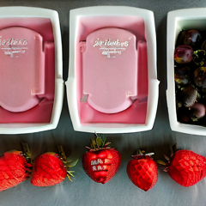 | Product flat lay of a white yogurt container placed to the left of red strawberries on a pink pastel surface, GLOW on container, soft morning light | food_beverage | GLOW | ["yogurt container", "strawberries"] | {"yogurt container": "white", "strawberries": "red"} | ["yogurt container left of strawberries"] | ["GLOW"] | ["flat lay", "pink background", "soft lighting"] | DE | 1 | 1 | 1 | 1 | 1 |  | 06/09/2026 (8:30 AM)
19 | R1-019 | 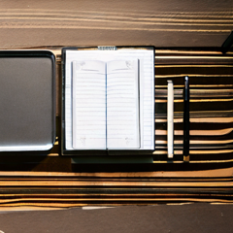 | Lifestyle flat lay of a white hardcover journal placed to the left of a black pen on a marble desk surface, RYNTH on journal cover, warm natural lighting | lifestyle_wellness | RYNTH | ["journal", "pen"] | {"journal": "white", "pen": "black"} | ["journal left of pen"] | ["RYNTH"] | ["flat lay", "marble surface", "natural lighting"] | ES | 4 | 4 | 4 | 4 | 1 |  | 06/09/2026 (8:30 AM)
20 | R1-020 | 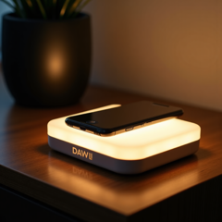 | Product photography of a white wireless charging pad with a black smartphone placed on top of it on a wooden nightstand, DAWN on charging pad, warm morning light | tech_product | DAWN | ["wireless charging pad", "smartphone"] | {"wireless charging pad": "white", "smartphone": "black"} | ["smartphone above wireless charging pad"] | ["DAWN"] | ["lifestyle photography", "wooden surface", "warm lighting"] | ES | 5 | 5 | 5 | 5 | 3 |  | 06/09/2026 (8:30 AM)
21 | R1-021 | 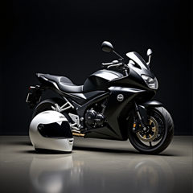 | Product photography of a black motorcycle placed to the left of a white full-face helmet on a dark studio floor, HELIX logo on motorcycle tank, dramatic studio lighting | automotive | HELIX | ["motorcycle", "helmet"] | {"motorcycle": "black", "helmet": "white"} | ["motorcycle left of helmet"] | ["HELIX"] | ["product photography", "dark background", "dramatic lighting"] | FR | 4 | 5 | 1 | 4 | 1 |  | 06/09/2026 (8:30 AM)
22 | R1-022 | 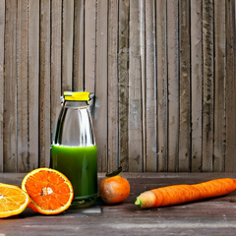 | Product photography of a green cold press juice bottle placed below fresh orange carrots on a white wooden surface, JUVO label on bottle, bright natural lighting | food_beverage | JUVO | ["juice bottle", "carrots"] | {"juice bottle": "green", "carrots": "orange"} | ["juice bottle below carrots"] | ["JUVO"] | ["product photography", "white wood surface", "natural lighting"] | FR | 3 | 4 | 1 | 2 | 1 |  | 06/09/2026 (8:30 AM)
23 | R1-023 | 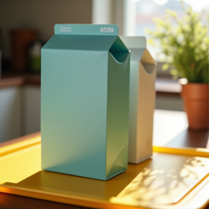 | Product photography of a yellow cereal box placed to the left of a white milk carton on a bright kitchen counter, BLOOM on box front, morning light | food_beverage | BLOOM | ["cereal box", "milk carton"] | {"cereal box": "yellow", "milk carton": "white"} | ["cereal box left of milk carton"] | ["BLOOM"] | ["product photography", "kitchen setting", "morning light"] | DE | 2 | 4 | 3 | 1 | 1 |  | 06/09/2026 (8:30 AM)
24 | R1-024 | 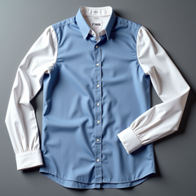 | Flat lay product shot of a navy blue silk tie placed below a white dress shirt on a gray surface, FINN woven on tie label, professional editorial lighting | fashion_apparel | FINN | ["silk tie", "dress shirt"] | {"silk tie": "navy", "dress shirt": "white"} | ["silk tie below dress shirt"] | ["FINN"] | ["flat lay", "gray background", "professional lighting"] | FR | 1 | 1 | 1 | 1 | 1 |  | 06/09/2026 (8:30 AM)
25 | R1-025 | 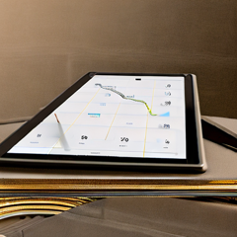 | Overhead product photography of a white tablet with a gold stylus pen to its right on a marble surface, PRISM on tablet bezel, clean composition | tech_product | PRISM | ["tablet", "stylus pen"] | {"tablet": "white", "stylus pen": "gold"} | ["stylus pen right of tablet"] | ["PRISM"] | ["overhead shot", "marble surface", "clean composition"] | FR | 3 | 3 | 1 | 3 | 1 |  | 06/09/2026 (8:30 AM)
26 | R1-026 | 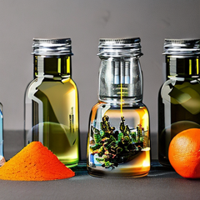 | Product photography of a small yellow glass shot bottle placed above a fresh orange turmeric root on a white surface, HERBA label on bottle, clean studio lighting | food_beverage | HERBA | ["shot bottle", "turmeric root"] | {"shot bottle": "yellow", "turmeric root": "orange"} | ["shot bottle above turmeric root"] | ["HERBA"] | ["product photography", "white background", "studio lighting"] | DE | 2 | 2 | 2 | 2 | 1 |  | 06/09/2026 (8:30 AM)
27 | R1-027 | 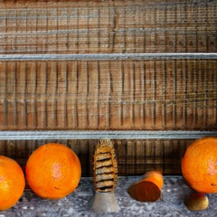 | Product photography of an orange juice pouch placed to the right of a brown wooden straw on a white surface, AMBER on pouch, natural bright lighting | food_beverage | AMBER | ["juice pouch", "wooden straw"] | {"juice pouch": "orange", "wooden straw": "brown"} | ["juice pouch right of wooden straw"] | ["AMBER"] | ["product photography", "white background", "natural lighting"] | DE | 1 | 1 | 1 | 1 | 1 |  | 06/09/2026 (8:30 AM)
28 | R1-028 | 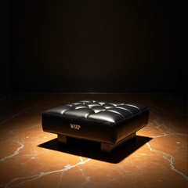 | Luxury product photography of a black sedan placed above a gold key fob on a dark marble showroom floor, WARP on sedan hood, dramatic editorial lighting | automotive | WARP | ["sedan", "key fob"] | {"sedan": "black", "key fob": "gold"} | ["sedan above key fob"] | ["WARP"] | ["luxury editorial", "dark marble", "dramatic lighting"] | ES | 1 | 1 | 1 | 1 | 1 |  | 06/09/2026 (8:30 AM)
29 | R1-029 | 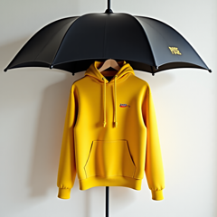 | Lifestyle product shot of a yellow raincoat hung above a black umbrella against a white wall, POISE label on raincoat, clean editorial lighting | fashion_apparel | POISE | ["raincoat", "umbrella"] | {"raincoat": "yellow", "umbrella": "black"} | ["raincoat above umbrella"] | ["POISE"] | ["lifestyle photography", "white wall", "editorial"] | FR | 4 | 5 | 2 | 5 | 2 |  | 06/09/2026 (8:30 AM)
30 | R1-030 | 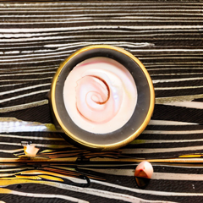 | Beauty product photography of a white face cream jar placed above pink flowers on a marble surface, AURA on jar lid, soft natural lighting | lifestyle_wellness | AURA | ["face cream jar", "flowers"] | {"face cream jar": "white", "flowers": "pink"} | ["face cream jar above flowers"] | ["AURA"] | ["beauty photography", "marble surface", "soft lighting"] | ES | 3 | 3 | 2 | 2 | 1 |  | 06/09/2026 (8:30 AM)
31 | R1-031 | 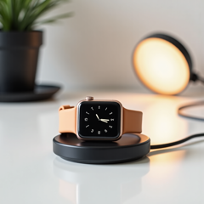 | Product photography of a silver smartwatch placed to the left of a black wireless charger on a clean white surface, ZYRA on watch face, minimalist studio lighting | tech_product | ZYRA | ["smartwatch", "wireless charger"] | {"smartwatch": "silver", "wireless charger": "black"} | ["smartwatch left of wireless charger"] | ["ZYRA"] | ["product photography", "minimalist", "white background", "studio lighting"] | DE | 3 | 4 | 1 | 2 | 1 |  | 06/09/2026 (8:30 AM)
32 | R1-032 | 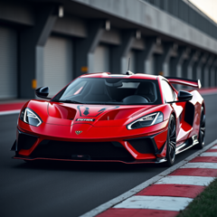 | Dramatic product shot of a red racing car placed to the left of a black and white checkered flag on a racing track, RACER logo on car hood, dramatic race lighting | automotive | RACER | ["racing car", "checkered flag"] | {"racing car": "red", "checkered flag": "black"} | ["racing car left of checkered flag"] | ["RACER"] | ["product photography", "race track", "dramatic lighting"] | FR | 4 | 5 | 4 | 4 | 2 |  | 06/09/2026 (8:30 AM)
33 | R1-033 | 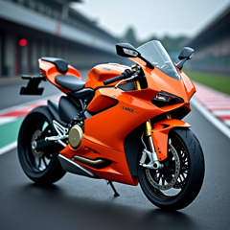 | Product photography of an orange superbike placed to the right of a black racing track cone on a gray track surface, LANCE on bike fairing, dramatic race lighting | automotive | LANCE | ["superbike", "track cone"] | {"superbike": "orange", "track cone": "black"} | ["superbike right of track cone"] | ["LANCE"] | ["product photography", "race track", "dramatic lighting"] | DE | 4 | 3 | 1 | 4 | 1 |  | 06/09/2026 (8:30 AM)
34 | R1-034 | 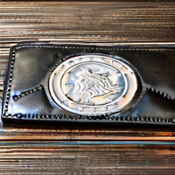 | Product photography of a black leather wallet placed below silver coins on a dark marble surface, BRIM embossed on wallet front, luxury editorial lighting | fashion_apparel | BRIM | ["leather wallet", "coins"] | {"leather wallet": "black", "coins": "silver"} | ["leather wallet below coins"] | ["BRIM"] | ["luxury editorial", "dark marble", "dramatic lighting"] | ES | 1 | 1 | 1 | 1 | 1 |  | 06/09/2026 (8:30 AM)
35 | R1-035 | 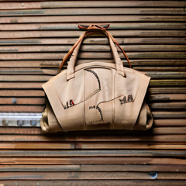 | Product photography of a brown leather tote bag placed to the left of a red silk scarf on a beige linen surface, KEEN embossed on bag, soft warm lighting | fashion_apparel | KEEN | ["leather tote bag", "silk scarf"] | {"leather tote bag": "brown", "silk scarf": "red"} | ["leather tote bag left of silk scarf"] | ["KEEN"] | ["product photography", "linen surface", "warm lighting"] | FR | 2 | 2 | 1 | 2 | 1 |  | 06/09/2026 (8:30 AM)
36 | R1-036 | 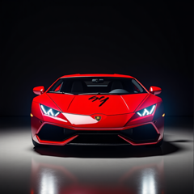 | Automotive product photography of a red sports car placed to the left of a white racing helmet on a dark studio floor, TORQ logo on car hood, dramatic studio lighting | automotive | TORQ | ["sports car", "racing helmet"] | {"sports car": "red", "racing helmet": "white"} | ["sports car left of racing helmet"] | ["TORQ"] | ["product photography", "dark background", "dramatic lighting"] | ES | 3 | 3 | 2 | 4 | 1 |  | 06/09/2026 (8:30 AM)
37 | R1-037 | 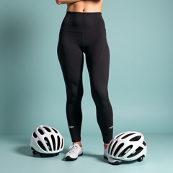 | Product photography of black cycling shorts placed to the right of a white cycling helmet on a light gray surface, AEON logo on helmet side, clean studio shot | fashion_apparel | AEON | ["cycling shorts", "cycling helmet"] | {"cycling shorts": "black", "cycling helmet": "white"} | ["cycling shorts right of cycling helmet"] | ["AEON"] | ["product photography", "gray background", "studio lighting"] | DE | 3 | 4 | 1 | 4 | 1 |  | 06/09/2026 (8:30 AM)
38 | R1-038 | 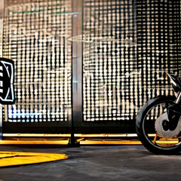 | Product photography of a black motorcycle placed to the left of a white full-face helmet on a dark studio floor, HELIX logo on motorcycle tank, dramatic studio lighting | automotive | HELIX | ["motorcycle", "helmet"] | {"motorcycle": "black", "helmet": "white"} | ["motorcycle left of helmet"] | ["HELIX"] | ["product photography", "dark background", "dramatic lighting"] | FR | 1 | 1 | 1 | 1 | 1 |  | 06/09/2026 (8:30 AM)
39 | R1-039 | 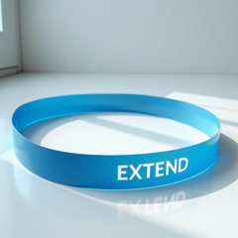 | Product flat lay of a blue stretching strap placed below a purple yoga mat on a white studio floor, EXTEND on strap, bright clean lighting | lifestyle_wellness | EXTEND | ["stretching strap", "yoga mat"] | {"stretching strap": "blue", "yoga mat": "purple"} | ["stretching strap below yoga mat"] | ["EXTEND"] | ["flat lay", "white background", "bright lighting"] | ES | 3 | 3 | 1 | 2 | 5 |  | 06/09/2026 (8:30 AM)
40 | R1-040 | 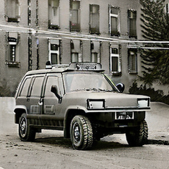 | Product photography of a green armored SUV with a black radio antenna placed to its right on a gray surface, VANTIS on hood, dramatic studio lighting | automotive | VANTIS | ["armored SUV", "radio antenna"] | {"armored SUV": "green", "radio antenna": "black"} | ["radio antenna right of armored SUV"] | ["VANTIS"] | ["product photography", "gray surface", "dramatic lighting"] | DE | 3 | 3 | 1 | 1 | 1 |  | 06/09/2026 (8:30 AM)
41 | R1-041 | 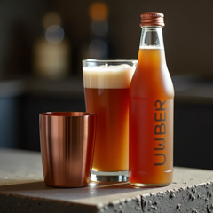 | Product photography of a brown cold brew coffee bottle placed to the left of a silver metal straw on a dark concrete surface, UMBER label on bottle, moody lighting | food_beverage | UMBER | ["cold brew coffee bottle", "metal straw"] | {"cold brew coffee bottle": "brown", "metal straw": "silver"} | ["cold brew coffee bottle left of metal straw"] | ["UMBER"] | ["product photography", "dark background", "moody lighting"] | DE | 3 | 3 | 1 | 3 | 3 |  | 06/09/2026 (8:30 AM)
42 | R1-042 | 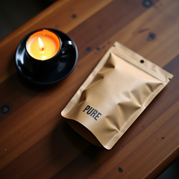 | Flat lay of a brown kraft coffee bag placed above a black espresso cup on a wooden table, PURE on bag front, warm cafe lighting | food_beverage | PURE | ["coffee bag", "espresso cup"] | {"coffee bag": "brown", "espresso cup": "black"} | ["coffee bag above espresso cup"] | ["PURE"] | ["flat lay", "wooden surface", "warm lighting"] | DE | 4 | 3 | 2 | 4 | 5 |  | 06/09/2026 (8:30 AM)
43 | R1-043 | 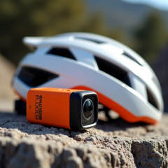 | Action product shot of an orange action camera placed to the left of a white cycling helmet on a rocky surface, PHASE on camera body, outdoor lighting | tech_product | PHASE | ["action camera", "cycling helmet"] | {"action camera": "orange", "cycling helmet": "white"} | ["action camera left of cycling helmet"] | ["PHASE"] | ["product photography", "outdoor setting", "natural lighting"] | FR | 4 | 5 | 3 | 5 | 3 |  | 06/09/2026 (8:30 AM)
44 | R1-044 |  | Lifestyle product shot of an open silver laptop with a white ceramic coffee mug to its right on a dark wood desk, MIRAX logo on laptop screen, morning light | tech_product | MIRAX | ["laptop", "coffee mug"] | {"laptop": "silver", "coffee mug": "white"} | ["coffee mug right of laptop"] | ["MIRAX"] | ["lifestyle photography", "dark wood surface", "morning light"] | DE | 5 | 5 | 5 | 5 | 4 |  | 06/09/2026 (8:30 AM)
45 | R1-045 | 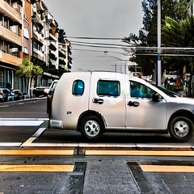 | Product photography of a silver compact city car placed to the left of a white parking sign on a city street, MOTION logo on car hood, bright urban lighting | automotive | MOTION | ["city car", "parking sign"] | {"city car": "silver", "parking sign": "white"} | ["city car left of parking sign"] | ["MOTION"] | ["product photography", "urban setting", "bright lighting"] | ES | 3 | 2 | 1 | 3 | 1 |  | 06/09/2026 (8:30 AM)
46 | R1-046 | 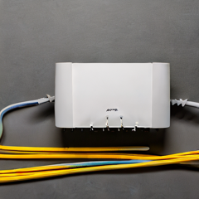 | Product photography of a white WiFi router with a yellow ethernet cable placed below it on a gray surface, FUSE on router top, clean studio shot | tech_product | FUSE | ["WiFi router", "ethernet cable"] | {"WiFi router": "white", "ethernet cable": "yellow"} | ["ethernet cable below WiFi router"] | ["FUSE"] | ["product photography", "gray background", "studio lighting"] | ES | 3 | 3 | 1 | 4 | 1 |  | 06/09/2026 (8:30 AM)
47 | R1-047 | 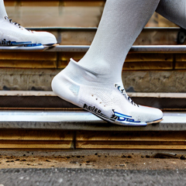 | Product photography of blue running shoes placed to the left of white athletic socks on a gray concrete surface, INKE logo on shoe heel, lifestyle lighting | fashion_apparel | INKE | ["running shoes", "athletic socks"] | {"running shoes": "blue", "athletic socks": "white"} | ["running shoes left of athletic socks"] | ["INKE"] | ["lifestyle photography", "concrete surface", "natural lighting"] | DE | 1 | 1 | 1 | 1 | 1 |  | 06/09/2026 (8:30 AM)
48 | R1-048 | 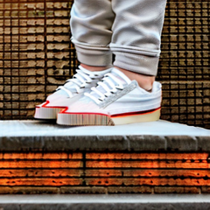 | Lifestyle product shot of a white canvas sneaker placed above a red skateboard on a concrete surface, LACE logo on sneaker side, urban natural lighting | fashion_apparel | LACE | ["canvas sneaker", "skateboard"] | {"canvas sneaker": "white", "skateboard": "red"} | ["canvas sneaker above skateboard"] | ["LACE"] | ["lifestyle photography", "concrete surface", "urban lighting"] | ES | 2 | 1 | 1 | 2 | 1 |  | 06/09/2026 (8:30 AM)
49 | R1-049 | 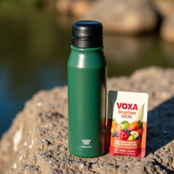 | Lifestyle product shot of a green thermos placed to the left of a brown trail mix bag on a rocky outdoor surface, VOXA on thermos, outdoor natural lighting | lifestyle_wellness | VOXA | ["thermos", "trail mix bag"] | {"thermos": "green", "trail mix bag": "brown"} | ["thermos left of trail mix bag"] | ["VOXA"] | ["lifestyle photography", "rocky surface", "outdoor lighting"] | FR | 5 | 5 | 5 | 5 | 5 |  | 06/09/2026 (8:30 AM)
50 | R1-050 | 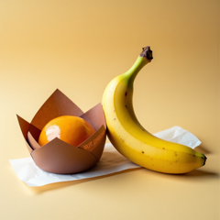 | Product flat lay of a brown paper-wrapped granola bar placed to the left of a ripe yellow banana on a white surface, TEMPO on wrapper, bright studio lighting | food_beverage | TEMPO | ["granola bar", "banana"] | {"granola bar": "brown", "banana": "yellow"} | ["granola bar left of banana"] | ["TEMPO"] | ["flat lay", "white background", "bright lighting"] | DE | 4 | 4 | 5 | 4 | 1 |  | 06/09/2026 (8:30 AM)
51 | R1-051 | 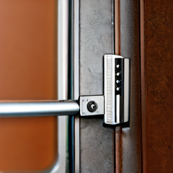 | Product photography of a black smart lock device mounted above a silver door handle on a white door, NYRIC logo on lock display, clean editorial shot | tech_product | NYRIC | ["smart lock", "door handle"] | {"smart lock": "black", "door handle": "silver"} | ["smart lock above door handle"] | ["NYRIC"] | ["product photography", "white door", "editorial"] | FR | 3 | 2 | 2 | 3 | 1 |  | 06/09/2026 (8:30 AM)
52 | R1-052 |  | Product flat lay of a blue foam roller placed above a purple yoga mat on a clean white floor, ALIGN embossed on roller, bright studio lighting | lifestyle_wellness | ALIGN | ["foam roller", "yoga mat"] | {"foam roller": "blue", "yoga mat": "purple"} | ["foam roller above yoga mat"] | ["ALIGN"] | ["flat lay", "white background", "bright lighting"] | DE | 4 | 4 | 4 | 3 | 2 |  | 06/09/2026 (8:30 AM)
53 | R1-053 |  | Flat lay product shot of black athletic shorts placed below white running sneakers on a gray gym floor, XARA logo on shorts waistband, bright studio lighting | fashion_apparel | XARA | ["athletic shorts", "sneakers"] | {"athletic shorts": "black", "sneakers": "white"} | ["athletic shorts below sneakers"] | ["XARA"] | ["flat lay", "gray background", "bright lighting"] | DE | 1 | 1 | 1 | 1 | 1 |  | 06/09/2026 (8:30 AM)
54 | R1-054 |  | Product flat lay of a white yogurt container placed to the left of red strawberries on a pink pastel surface, GLOW on container, soft morning light | food_beverage | GLOW | ["yogurt container", "strawberries"] | {"yogurt container": "white", "strawberries": "red"} | ["yogurt container left of strawberries"] | ["GLOW"] | ["flat lay", "pink background", "soft lighting"] | FR | 5 | 5 | 1 | 5 | 5 |  | 06/09/2026 (8:30 AM)
55 | R1-055 |  | Flat lay of a brown almond butter jar placed above slices of white bread on a light blue surface, BRISK on jar label, morning lifestyle lighting | food_beverage | BRISK | ["almond butter jar", "bread"] | {"almond butter jar": "brown", "bread": "white"} | ["almond butter jar above bread"] | ["BRISK"] | ["flat lay", "light blue background", "morning lighting"] | DE | 1 | 1 | 1 | 1 | 1 |  | 06/09/2026 (8:30 AM)
56 | R1-056 |  | Product photography of a green wine bottle placed to the right of a bunch of purple grapes on white marble, FRESH label on bottle, elegant natural lighting | food_beverage | FRESH | ["wine bottle", "grapes"] | {"wine bottle": "green", "grapes": "purple"} | ["wine bottle right of grapes"] | ["FRESH"] | ["product photography", "marble surface", "elegant lighting"] | ES | 4 | 5 | 5 | 5 | 1 |  | 06/09/2026 (8:30 AM)
57 | R1-057 |  | Fashion editorial product shot of a beige trench coat hung below a black umbrella against a white wall, ZOLA label on coat, clean editorial lighting | fashion_apparel | ZOLA | ["trench coat", "umbrella"] | {"trench coat": "beige", "umbrella": "black"} | ["trench coat below umbrella"] | ["ZOLA"] | ["editorial photography", "white wall", "clean lighting"] | DE | 1 | 1 | 1 | 1 | 1 |  | 06/09/2026 (8:30 AM)
58 | R1-058 |  | Lifestyle product shot of a white sunscreen bottle placed to the left of an orange beach towel on a sandy surface, SHIELD on bottle, bright summer lighting | lifestyle_wellness | SHIELD | ["sunscreen bottle", "beach towel"] | {"sunscreen bottle": "white", "beach towel": "orange"} | ["sunscreen bottle left of beach towel"] | ["SHIELD"] | ["lifestyle photography", "sandy surface", "summer lighting"] | FR | 3 | 3 | 1 | 2 | 1 |  | 06/09/2026 (8:30 AM)
59 | R1-059 |  | Product photography of a tall green glass olive oil bottle placed above a white garlic bulb on a marble surface, SWAY label on bottle, soft natural light | food_beverage | SWAY | ["olive oil bottle", "garlic bulb"] | {"olive oil bottle": "green", "garlic bulb": "white"} | ["olive oil bottle above garlic bulb"] | ["SWAY"] | ["product photography", "marble surface", "soft lighting"] | FR | 4 | 4 | 4 | 4 | 1 |  | 06/09/2026 (8:30 AM)
60 | R1-060 |  | Product photography of a black leather jacket hanging on a brown wooden hanger against a white wall, LUXE label on jacket, soft editorial lighting | fashion_apparel | LUXE | ["leather jacket", "wooden hanger"] | {"leather jacket": "black", "wooden hanger": "brown"} | ["leather jacket above wooden hanger"] | ["LUXE"] | ["editorial photography", "white background", "soft lighting"] | FR | 5 | 5 | 5 | 5 | 4 |  | 06/09/2026 (8:30 AM)
61 | R1-061 |  | Lifestyle product shot of an open silver laptop with a white ceramic coffee mug to its right on a dark wood desk, MIRAX logo on laptop screen, morning light | tech_product | MIRAX | ["laptop", "coffee mug"] | {"laptop": "silver", "coffee mug": "white"} | ["coffee mug right of laptop"] | ["MIRAX"] | ["lifestyle photography", "dark wood surface", "morning light"] | ES | 2 | 2 | 1 | 2 | 1 |  | 06/09/2026 (16:00 PM)
62 | R1-062 |  | Flat lay product shot of a pink sports bra placed above a purple yoga mat on a white floor surface, MAUVE label on bra tag, bright studio lighting | fashion_apparel | MAUVE | ["sports bra", "yoga mat"] | {"sports bra": "pink", "yoga mat": "purple"} | ["sports bra above yoga mat"] | ["MAUVE"] | ["flat lay", "white background", "bright lighting"] | DE | 1 | 1 | 1 | 1 | 4 |  | 06/09/2026 (16:00 PM)
63 | R1-063 |  | Lifestyle product shot of a white canvas sneaker placed above a red skateboard on a concrete surface, LACE logo on sneaker side, urban natural lighting | fashion_apparel | LACE | ["canvas sneaker", "skateboard"] | {"canvas sneaker": "white", "skateboard": "red"} | ["canvas sneaker above skateboard"] | ["LACE"] | ["lifestyle photography", "concrete surface", "urban lighting"] | DE | 3 | 2 | 1 | 3 | 1 |  | 06/09/2026 (16:00 PM)
64 | R1-064 |  | Flat lay product shot of a pink sports bra placed above a purple yoga mat on a white floor surface, MAUVE label on bra tag, bright studio lighting | fashion_apparel | MAUVE | ["sports bra", "yoga mat"] | {"sports bra": "pink", "yoga mat": "purple"} | ["sports bra above yoga mat"] | ["MAUVE"] | ["flat lay", "white background", "bright lighting"] | ES | 1 | 1 | 1 | 1 | 1 |  | 06/09/2026 (16:00 PM)
65 | R1-065 |  | Product photography of a dark brown chocolate bar partially wrapped in a gold foil wrapper on a black marble surface, ZEAL on wrapper, luxury editorial lighting | food_beverage | ZEAL | ["chocolate bar", "wrapper"] | {"chocolate bar": "brown", "wrapper": "gold"} | ["chocolate bar above wrapper"] | ["ZEAL"] | ["product photography", "black marble", "luxury editorial"] | ES | 5 | 5 | 5 | 5 | 5 |  | 06/09/2026 (16:00 PM)
66 | R1-066 |  | Flat lay of a blue denim jacket placed above a white canvas tote bag on a light gray surface, JOIE on tote bag, natural lighting | fashion_apparel | JOIE | ["denim jacket", "tote bag"] | {"denim jacket": "blue", "tote bag": "white"} | ["denim jacket above tote bag"] | ["JOIE"] | ["flat lay", "gray background", "natural lighting"] | DE | 2 | 2 | 1 | 2 | 1 |  | 06/09/2026 (16:00 PM)
67 | R1-067 |  | Product photography of a yellow school bus placed to the right of a red stop sign on a gray road surface, EAGLE on bus side, bright natural lighting | automotive | EAGLE | ["school bus", "stop sign"] | {"school bus": "yellow", "stop sign": "red"} | ["school bus right of stop sign"] | ["EAGLE"] | ["product photography", "gray road", "bright lighting"] | DE | 1 | 1 | 1 | 1 | 1 |  | 06/09/2026 (16:00 PM)
68 | R1-068 |  | Product photography of a brown cold brew coffee bottle placed to the left of a silver metal straw on a dark concrete surface, UMBER label on bottle, moody lighting | food_beverage | UMBER | ["cold brew coffee bottle", "metal straw"] | {"cold brew coffee bottle": "brown", "metal straw": "silver"} | ["cold brew coffee bottle left of metal straw"] | ["UMBER"] | ["product photography", "dark background", "moody lighting"] | ES | 2 | 2 | 1 | 2 | 1 |  | 06/09/2026 (16:00 PM)
69 | R1-069 |  | Retro product shot of a blue vintage car placed to the left of a silver fuel pump on a concrete surface, BRAVO on car hood, warm vintage lighting | automotive | BRAVO | ["vintage car", "fuel pump"] | {"vintage car": "blue", "fuel pump": "silver"} | ["vintage car left of fuel pump"] | ["BRAVO"] | ["product photography", "concrete surface", "vintage lighting"] | DE | 3 | 3 | 2 | 3 | 3 |  | 06/09/2026 (16:00 PM)
70 | R1-070 |  | Lifestyle product shot of a purple meditation cushion placed to the left of a white candle on a bamboo wood floor, CALM on cushion side, soft ambient lighting | lifestyle_wellness | CALM | ["meditation cushion", "candle"] | {"meditation cushion": "purple", "candle": "white"} | ["meditation cushion left of candle"] | ["CALM"] | ["lifestyle photography", "bamboo surface", "soft lighting"] | DE | 1 | 1 | 1 | 1 | 1 |  | 06/09/2026 (16:00 PM)
71 | R1-071 |  | Product photography of a black sports hatchback with a silver roof rack mounted above on a white studio floor, TORVEX on car door, dramatic studio lighting | automotive | TORVEX | ["sports hatchback", "roof rack"] | {"sports hatchback": "black", "roof rack": "silver"} | ["roof rack above sports hatchback"] | ["TORVEX"] | ["product photography", "white background", "dramatic lighting"] | DE | 2 | 2 | 1 | 2 | 1 |  | 06/09/2026 (16:00 PM)
72 | R1-072 |  | Product photography of a black quadcopter drone placed to the left of a gray remote control on a white surface, VORTA logo on drone body, clean studio shot | tech_product | VORTA | ["drone", "remote control"] | {"drone": "black", "remote control": "gray"} | ["drone left of remote control"] | ["VORTA"] | ["product photography", "white background", "studio lighting"] | ES | 5 | 5 | 1 | 5 | 2 |  | 06/09/2026 (16:00 PM)
73 | R1-073 |  | Product photography of a red winter jacket placed below black leather gloves on a white background, WOVEN label on jacket zip, cozy winter lighting | fashion_apparel | WOVEN | ["winter jacket", "leather gloves"] | {"winter jacket": "red", "leather gloves": "black"} | ["winter jacket below leather gloves"] | ["WOVEN"] | ["product photography", "white background", "soft lighting"] | DE | 1 | 1 | 1 | 1 | 1 |  | 06/09/2026 (16:00 PM)
74 | R1-074 |  | Product photography of a green hybrid car placed to the left of a navy solar panel on a clean studio surface, QUEST on car hood, clean white studio background | automotive | QUEST | ["hybrid car", "solar panel"] | {"hybrid car": "green", "solar panel": "navy"} | ["hybrid car left of solar panel"] | ["QUEST"] | ["product photography", "white background", "clean lighting"] | FR | 2 | 2 | 1 | 2 | 1 |  | 06/09/2026 (16:00 PM)
75 | R1-075 |  | Product flat lay of a brown paper-wrapped granola bar placed to the left of a ripe yellow banana on a white surface, TEMPO on wrapper, bright studio lighting | food_beverage | TEMPO | ["granola bar", "banana"] | {"granola bar": "brown", "banana": "yellow"} | ["granola bar left of banana"] | ["TEMPO"] | ["flat lay", "white background", "bright lighting"] | ES | 2 | 2 | 1 | 3 | 5 |  | 06/09/2026 (16:00 PM)
76 | R1-076 |  | Lifestyle product shot of a green thermos placed to the left of a brown trail mix bag on a rocky outdoor surface, VOXA on thermos, outdoor natural lighting | lifestyle_wellness | VOXA | ["thermos", "trail mix bag"] | {"thermos": "green", "trail mix bag": "brown"} | ["thermos left of trail mix bag"] | ["VOXA"] | ["lifestyle photography", "rocky surface", "outdoor lighting"] | ES | 1 | 1 | 1 | 1 | 1 |  | 06/09/2026 (16:00 PM)
77 | R1-077 |  | Product photography of brown tortoiseshell sunglasses placed above a black leather glasses case on a white background, HAVEN on case, clean studio shot | fashion_apparel | HAVEN | ["sunglasses", "glasses case"] | {"sunglasses": "brown", "glasses case": "black"} | ["sunglasses above glasses case"] | ["HAVEN"] | ["product photography", "white background", "clean lighting"] | FR | 1 | 1 | 1 | 1 | 1 |  | 06/09/2026 (16:00 PM)
78 | R1-078 |  | Product photography of a white portable projector placed above a black remote control on a dark wood surface, AXON logo on projector body, studio lighting | tech_product | AXON | ["portable projector", "remote control"] | {"portable projector": "white", "remote control": "black"} | ["portable projector above remote control"] | ["AXON"] | ["product photography", "dark wood surface", "studio lighting"] | FR | 3 | 3 | 2 | 3 | 2 |  | 06/09/2026 (16:00 PM)
79 | R1-079 |  | Minimalist product photography of a white rectangular power bank with a red USB cable coiled below it on a light gray surface, LUMIX on power bank, clean composition | tech_product | LUMIX | ["power bank", "USB cable"] | {"power bank": "white", "USB cable": "red"} | ["USB cable below power bank"] | ["LUMIX"] | ["minimalist", "gray background", "clean composition"] | ES | 3 | 3 | 1 | 3 | 1 |  | 06/09/2026 (16:00 PM)
80 | R1-080 |  | Product photography of a red winter jacket placed below black leather gloves on a white background, WOVEN label on jacket zip, cozy winter lighting | fashion_apparel | WOVEN | ["winter jacket", "leather gloves"] | {"winter jacket": "red", "leather gloves": "black"} | ["winter jacket below leather gloves"] | ["WOVEN"] | ["product photography", "white background", "soft lighting"] | FR | 1 | 1 | 1 | 1 | 1 |  | 06/09/2026 (16:00 PM)
81 | R1-081 |  | Product photography of a white supplement bottle with orange capsules placed to its right on a clean white surface, REVIVE on bottle label, studio lighting | lifestyle_wellness | REVIVE | ["supplement bottle", "capsules"] | {"supplement bottle": "white", "capsules": "orange"} | ["capsules right of supplement bottle"] | ["REVIVE"] | ["product photography", "white background", "studio lighting"] | ES | 1 | 1 | 1 | 1 | 1 |  | 06/09/2026 (16:00 PM)
82 | R1-082 |  | Studio product shot of a black webcam mounted above a white monitor on a desk, OPUS logo on webcam body, clean office setup | tech_product | OPUS | ["webcam", "monitor"] | {"webcam": "black", "monitor": "white"} | ["webcam above monitor"] | ["OPUS"] | ["product photography", "office setting", "clean composition"] | FR | 4 | 4 | 4 | 3 | 2 |  | 06/09/2026 (16:00 PM)
83 | R1-083 |  | Beauty product photography of a white ice roller placed to the left of a gold face serum bottle on a white marble surface, CHILL on roller handle, cool clean lighting | lifestyle_wellness | CHILL | ["ice roller", "face serum bottle"] | {"ice roller": "white", "face serum bottle": "gold"} | ["ice roller left of face serum bottle"] | ["CHILL"] | ["beauty photography", "marble surface", "clean lighting"] | ES | 5 | 5 | 5 | 5 | 3 |  | 06/09/2026 (16:00 PM)
84 | R1-084 |  | Product photography of a green wine bottle placed to the right of a bunch of purple grapes on white marble, FRESH label on bottle, elegant natural lighting | food_beverage | FRESH | ["wine bottle", "grapes"] | {"wine bottle": "green", "grapes": "purple"} | ["wine bottle right of grapes"] | ["FRESH"] | ["product photography", "marble surface", "elegant lighting"] | FR | 3 | 3 | 1 | 3 | 1 |  | 06/09/2026 (16:00 PM)
85 | R1-085 |  | Product photography of a red round cookie tin placed to the right of a white glass of milk on a wooden kitchen surface, PETAL on tin lid, warm kitchen lighting | food_beverage | PETAL | ["cookie tin", "glass of milk"] | {"cookie tin": "red", "glass of milk": "white"} | ["glass of milk left of cookie tin"] | ["PETAL"] | ["product photography", "kitchen setting", "warm lighting"] | ES | 1 | 1 | 1 | 1 | 1 |  | 06/09/2026 (16:00 PM)
86 | R1-086 |  | Product photography of a white electric car with a green charging cable placed to its left on a clean studio floor, RUSH logo on car door, clean white background | automotive | RUSH | ["electric car", "charging cable"] | {"electric car": "white", "charging cable": "green"} | ["charging cable left of electric car"] | ["RUSH"] | ["product photography", "white background", "clean lighting"] | FR | 1 | 1 | 1 | 1 | 1 |  | 06/09/2026 (16:00 PM)
87 | R1-087 |  | Product photography of a black sports hatchback with a silver roof rack mounted above on a white studio floor, TORVEX on car door, dramatic studio lighting | automotive | TORVEX | ["sports hatchback", "roof rack"] | {"sports hatchback": "black", "roof rack": "silver"} | ["roof rack above sports hatchback"] | ["TORVEX"] | ["product photography", "white background", "dramatic lighting"] | FR | 1 | 1 | 1 | 1 | 1 |  | 06/09/2026 (16:00 PM)
88 | R1-088 |  | Lifestyle flat lay of a white hardcover journal placed to the left of a black pen on a marble desk surface, RYNTH on journal cover, warm natural lighting | lifestyle_wellness | RYNTH | ["journal", "pen"] | {"journal": "white", "pen": "black"} | ["journal left of pen"] | ["RYNTH"] | ["flat lay", "marble surface", "natural lighting"] | FR | 2 | 5 | 3 | 2 | 1 |  | 06/09/2026 (16:00 PM)
89 | R1-089 |  | Product photography of a silver smartwatch placed to the left of a black wireless charger on a clean white surface, ZYRA on watch face, minimalist studio lighting | tech_product | ZYRA | ["smartwatch", "wireless charger"] | {"smartwatch": "silver", "wireless charger": "black"} | ["smartwatch left of wireless charger"] | ["ZYRA"] | ["product photography", "minimalist", "white background", "studio lighting"] | ES | 5 | 5 | 1 | 3 | 5 |  | 06/09/2026 (16:00 PM)
90 | R1-090 |  | Lifestyle product shot of a black ceramic incense holder placed to the right of brown wooden meditation beads on a bamboo surface, SERENE on holder base, warm ambient lighting | lifestyle_wellness | SERENE | ["incense holder", "meditation beads"] | {"incense holder": "black", "meditation beads": "brown"} | ["incense holder right of meditation beads"] | ["SERENE"] | ["lifestyle photography", "bamboo surface", "warm lighting"] | FR | 1 | 1 | 1 | 1 | 1 |  | 06/09/2026 (16:00 PM)
91 | R1-091 |  | Overhead product shot of a yellow ceramic smoothie bowl placed above a silver spoon on a white marble surface, VIVID on bowl side, bright natural lighting | lifestyle_wellness | VIVID | ["smoothie bowl", "spoon"] | {"smoothie bowl": "yellow", "spoon": "silver"} | ["smoothie bowl above spoon"] | ["VIVID"] | ["overhead shot", "marble surface", "bright lighting"] | FR | 2 | 2 | 1 | 3 | 1 |  | 06/09/2026 (16:00 PM)
92 | R1-092 |  | Flat lay fashion shot of a gray knit beanie hat placed below a navy jacket on a white surface, CORD tag on beanie, clean natural lighting | fashion_apparel | CORD | ["beanie hat", "jacket"] | {"beanie hat": "gray", "jacket": "navy"} | ["beanie hat below jacket"] | ["CORD"] | ["flat lay", "white background", "natural lighting"] | DE | 2 | 2 | 2 | 2 | 1 |  | 06/09/2026 (16:00 PM)
93 | R1-093 |  | Lifestyle shot of a white cylindrical smart speaker placed to the left of a black digital clock on a white nightstand, QUBIT logo on speaker top, soft ambient lighting | tech_product | QUBIT | ["smart speaker", "digital clock"] | {"smart speaker": "white", "digital clock": "black"} | ["smart speaker left of digital clock"] | ["QUBIT"] | ["lifestyle photography", "soft lighting", "white background"] | ES | 4 | 4 | 1 | 4 | 1 |  | 06/09/2026 (16:00 PM)
94 | R1-094 |  | Product photography of a black mechanical keyboard with a red wireless mouse to its right on a dark desk mat, SYNTH logo on keyboard space bar, gaming aesthetic | tech_product | SYNTH | ["mechanical keyboard", "wireless mouse"] | {"mechanical keyboard": "black", "wireless mouse": "red"} | ["wireless mouse right of mechanical keyboard"] | ["SYNTH"] | ["product photography", "gaming aesthetic", "dark background"] | FR | 1 | 2 | 1 | 1 | 1 |  | 06/09/2026 (16:00 PM)
95 | R1-095 |  | Product photography of a white supplement bottle with orange capsules placed to its right on a clean white surface, REVIVE on bottle label, studio lighting | lifestyle_wellness | REVIVE | ["supplement bottle", "capsules"] | {"supplement bottle": "white", "capsules": "orange"} | ["capsules right of supplement bottle"] | ["REVIVE"] | ["product photography", "white background", "studio lighting"] | FR | 5 | 5 | 5 | 5 | 5 |  | 06/09/2026 (16:00 PM)
96 | R1-096 |  | Product photography of an amber honey jar placed above a slice of brown toast on a wooden breakfast board, WARM on jar lid, cozy morning lighting | food_beverage | WARM | ["honey jar", "toast"] | {"honey jar": "amber", "toast": "brown"} | ["honey jar above toast"] | ["WARM"] | ["product photography", "wooden surface", "warm lighting"] | ES | 5 | 5 | 2 | 5 | 2 |  | 06/09/2026 (16:00 PM)
97 | R1-097 |  | Product photography of a brown leather tote bag placed to the left of a red silk scarf on a beige linen surface, KEEN embossed on bag, soft warm lighting | fashion_apparel | KEEN | ["leather tote bag", "silk scarf"] | {"leather tote bag": "brown", "silk scarf": "red"} | ["leather tote bag left of silk scarf"] | ["KEEN"] | ["product photography", "linen surface", "warm lighting"] | DE | 4 | 3 | 1 | 4 | 1 |  | 06/09/2026 (16:00 PM)
98 | R1-098 |  | Product flat lay of an orange swimsuit placed to the left of a white sunscreen bottle on a turquoise surface, SILK label on bottle, bright summery lighting | fashion_apparel | SILK | ["swimsuit", "sunscreen bottle"] | {"swimsuit": "orange", "sunscreen bottle": "white"} | ["swimsuit left of sunscreen bottle"] | ["SILK"] | ["flat lay", "turquoise background", "bright lighting"] | DE | 3 | 3 | 1 | 3 | 3 |  | 06/09/2026 (16:00 PM)
99 | R1-099 |  | Product photography of a yellow convertible car placed above a silver car key on a dark showroom floor, PULSE on car door, dramatic showroom lighting | automotive | PULSE | ["convertible car", "car key"] | {"convertible car": "yellow", "car key": "silver"} | ["convertible car above car key"] | ["PULSE"] | ["product photography", "dark showroom", "dramatic lighting"] | ES | 1 | 1 | 1 | 1 | 1 |  | 06/09/2026 (16:00 PM)
100 | R1-100 |  | Flat lay product shot of a pink sports bra placed above a purple yoga mat on a white floor surface, MAUVE label on bra tag, bright studio lighting | fashion_apparel | MAUVE | ["sports bra", "yoga mat"] | {"sports bra": "pink", "yoga mat": "purple"} | ["sports bra above yoga mat"] | ["MAUVE"] | ["flat lay", "white background", "bright lighting"] | DE | 2 | 2 | 1 | 2 | 1 |  | 06/09/2026 (16:00 PM)
101 | R1-101 |  | Product flat lay of a brown paper-wrapped granola bar placed to the left of a ripe yellow banana on a white surface, TEMPO on wrapper, bright studio lighting | food_beverage | TEMPO | ["granola bar", "banana"] | {"granola bar": "brown", "banana": "yellow"} | ["granola bar left of banana"] | ["TEMPO"] | ["flat lay", "white background", "bright lighting"] | FR | 1 | 1 | 1 | 1 | 1 |  | 06/09/2026 (16:00 PM)
102 | R1-102 |  | Clean product photography of a silver portable SSD with a blue USB cable placed to its right on a white surface, CREST on SSD body, minimalist style | tech_product | CREST | ["portable SSD", "USB cable"] | {"portable SSD": "silver", "USB cable": "blue"} | ["USB cable right of portable SSD"] | ["CREST"] | ["product photography", "white background", "minimalist"] | DE | 5 | 5 | 5 | 5 | 3 |  | 06/09/2026 (16:00 PM)
103 | R1-103 |  | Product photography of a purple smoothie bottle placed to the left of fresh red berries on a white surface, XTRA label on bottle, vibrant natural lighting | food_beverage | XTRA | ["smoothie bottle", "berries"] | {"smoothie bottle": "purple", "berries": "red"} | ["smoothie bottle left of berries"] | ["XTRA"] | ["product photography", "white background", "vibrant lighting"] | DE | 4 | 4 | 2 | 4 | 1 |  | 06/09/2026 (16:00 PM)
104 | R1-104 |  | Product photography of a white supplement bottle with orange capsules placed to its right on a clean white surface, REVIVE on bottle label, studio lighting | lifestyle_wellness | REVIVE | ["supplement bottle", "capsules"] | {"supplement bottle": "white", "capsules": "orange"} | ["capsules right of supplement bottle"] | ["REVIVE"] | ["product photography", "white background", "studio lighting"] | DE | 5 | 5 | 5 | 5 | 5 |  | 06/09/2026 (16:00 PM)
105 | R1-105 |  | Product photography of a blue water bottle placed above a bunch of fresh green mint sprigs on a white marble surface, DRIP label on bottle, fresh bright lighting | food_beverage | DRIP | ["water bottle", "mint sprigs"] | {"water bottle": "blue", "mint sprigs": "green"} | ["water bottle above mint sprigs"] | ["DRIP"] | ["product photography", "marble surface", "bright lighting"] | ES | 4 | 5 | 4 | 4 | 1 |  | 06/09/2026 (16:00 PM)
106 | R1-106 |  | Product photography of a yellow cereal box placed to the left of a white milk carton on a bright kitchen counter, BLOOM on box front, morning light | food_beverage | BLOOM | ["cereal box", "milk carton"] | {"cereal box": "yellow", "milk carton": "white"} | ["cereal box left of milk carton"] | ["BLOOM"] | ["product photography", "kitchen setting", "morning light"] | ES | 1 | 1 | 1 | 1 | 1 |  | 06/09/2026 (16:00 PM)
107 | R1-107 |  | Product shot of a black gaming headset placed on a white headphone stand on a dark surface, XENON logo on ear cup, dramatic side lighting | tech_product | XENON | ["gaming headset", "headphone stand"] | {"gaming headset": "black", "headphone stand": "white"} | ["gaming headset above headphone stand"] | ["XENON"] | ["product photography", "dark background", "side lighting"] | ES | 1 | 1 | 1 | 1 | 1 |  | 06/09/2026 (16:00 PM)
108 | R1-108 |  | Studio product photography of a black DSLR camera with a silver camera lens placed to its right on a white pedestal, KOVAL engraved on lens barrel, professional lighting | tech_product | KOVAL | ["camera", "camera lens"] | {"camera": "black", "camera lens": "silver"} | ["camera lens right of camera"] | ["KOVAL"] | ["studio photography", "white background", "professional lighting"] | ES | 4 | 4 | 1 | 3 | 2 |  | 06/09/2026 (16:00 PM)
109 | R1-109 |  | Studio product shot of a black curved monitor with a silver keyboard placed below it on a glass desk, SPARK logo on monitor bezel, blue ambient lighting | tech_product | SPARK | ["curved monitor", "keyboard"] | {"curved monitor": "black", "keyboard": "silver"} | ["keyboard below curved monitor"] | ["SPARK"] | ["product photography", "glass surface", "blue lighting"] | FR | 3 | 4 | 4 | 2 | 3 |  | 06/09/2026 (16:00 PM)
110 | R1-110 |  | Product photography of a white sneaker placed above its red shoebox on a clean white surface, MODE logo on shoe tongue, studio lighting | fashion_apparel | MODE | ["sneaker", "shoebox"] | {"sneaker": "white", "shoebox": "red"} | ["sneaker above shoebox"] | ["MODE"] | ["product photography", "white background", "studio lighting"] | ES | 4 | 5 | 5 | 3 | 1 |  | 06/09/2026 (16:00 PM)
111 | R1-111 |  | Product photography of a white electric car with a green charging cable placed to its left on a clean studio floor, RUSH logo on car door, clean white background | automotive | RUSH | ["electric car", "charging cable"] | {"electric car": "white", "charging cable": "green"} | ["charging cable left of electric car"] | ["RUSH"] | ["product photography", "white background", "clean lighting"] | ES | 4 | 4 | 4 | 2 | 1 |  | 06/09/2026 (16:00 PM)
112 | R1-112 |  | Product photography of a red round cookie tin placed to the right of a white glass of milk on a wooden kitchen surface, PETAL on tin lid, warm kitchen lighting | food_beverage | PETAL | ["cookie tin", "glass of milk"] | {"cookie tin": "red", "glass of milk": "white"} | ["glass of milk left of cookie tin"] | ["PETAL"] | ["product photography", "kitchen setting", "warm lighting"] | ES | 2 | 2 | 1 | 2 | 5 |  | 06/09/2026 (16:00 PM)
113 | R1-113 |  | Product photography of a yellow school bus placed to the right of a red stop sign on a gray road surface, EAGLE on bus side, bright natural lighting | automotive | EAGLE | ["school bus", "stop sign"] | {"school bus": "yellow", "stop sign": "red"} | ["school bus right of stop sign"] | ["EAGLE"] | ["product photography", "gray road", "bright lighting"] | DE | 5 | 3 | 1 | 3 | 1 |  | 06/09/2026 (16:00 PM)
114 | R1-114 |  | Product photography of a gray all-terrain vehicle placed to the right of silver snow chains on a white snowy surface, HOUND on vehicle door, cold winter lighting | automotive | HOUND | ["all-terrain vehicle", "snow chains"] | {"all-terrain vehicle": "gray", "snow chains": "silver"} | ["all-terrain vehicle right of snow chains"] | ["HOUND"] | ["product photography", "snowy surface", "cold lighting"] | FR | 3 | 3 | 1 | 3 | 2 |  | 06/09/2026 (16:00 PM)
115 | R1-115 |  | Flat lay of a brown almond butter jar placed above slices of white bread on a light blue surface, BRISK on jar label, morning lifestyle lighting | food_beverage | BRISK | ["almond butter jar", "bread"] | {"almond butter jar": "brown", "bread": "white"} | ["almond butter jar above bread"] | ["BRISK"] | ["flat lay", "light blue background", "morning lighting"] | FR | 3 | 2 | 3 | 3 | 1 |  | 06/09/2026 (16:00 PM)
116 | R1-116 |  | Studio product shot of a black webcam mounted above a white monitor on a desk, OPUS logo on webcam body, clean office setup | tech_product | OPUS | ["webcam", "monitor"] | {"webcam": "black", "monitor": "white"} | ["webcam above monitor"] | ["OPUS"] | ["product photography", "office setting", "clean composition"] | ES | 3 | 5 | 1 | 3 | 4 |  | 06/09/2026 (16:00 PM)
117 | R1-117 |  | Product photography of a black mechanical keyboard with a red wireless mouse to its right on a dark desk mat, SYNTH logo on keyboard space bar, gaming aesthetic | tech_product | SYNTH | ["mechanical keyboard", "wireless mouse"] | {"mechanical keyboard": "black", "wireless mouse": "red"} | ["wireless mouse right of mechanical keyboard"] | ["SYNTH"] | ["product photography", "gaming aesthetic", "dark background"] | DE | 2 | 2 | 1 | 2 | 2 |  | 06/09/2026 (16:00 PM)
118 | R1-118 |  | Product photography of a white portable projector placed above a black remote control on a dark wood surface, AXON logo on projector body, studio lighting | tech_product | AXON | ["portable projector", "remote control"] | {"portable projector": "white", "remote control": "black"} | ["portable projector above remote control"] | ["AXON"] | ["product photography", "dark wood surface", "studio lighting"] | ES | 2 | 2 | 1 | 3 | 1 |  | 06/09/2026 (16:00 PM)
119 | R1-119 |  | Flat lay of a brown almond butter jar placed above slices of white bread on a light blue surface, BRISK on jar label, morning lifestyle lighting | food_beverage | BRISK | ["almond butter jar", "bread"] | {"almond butter jar": "brown", "bread": "white"} | ["almond butter jar above bread"] | ["BRISK"] | ["flat lay", "light blue background", "morning lighting"] | FR | 1 | 1 | 1 | 1 | 1 |  | 06/09/2026 (16:00 PM)
120 | R1-120 |  | Flat lay of a brown kraft coffee bag placed above a black espresso cup on a wooden table, PURE on bag front, warm cafe lighting | food_beverage | PURE | ["coffee bag", "espresso cup"] | {"coffee bag": "brown", "espresso cup": "black"} | ["coffee bag above espresso cup"] | ["PURE"] | ["flat lay", "wooden surface", "warm lighting"] | ES | 5 | 5 | 3 | 5 | 4 |  | 06/09/2026 (16:00 PM)

