Sheet2
Description | Screenshot
Installing the feed without error | 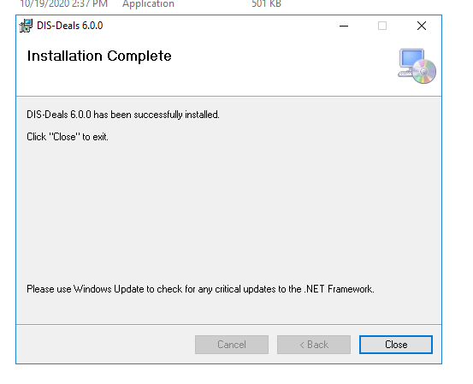

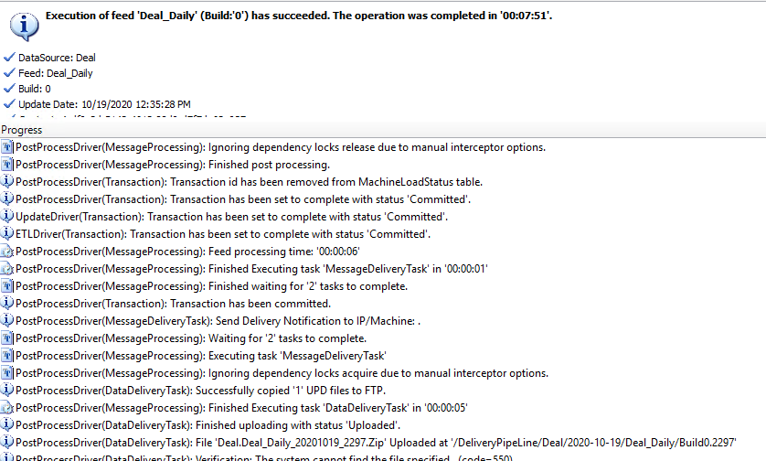
Deal_Daily

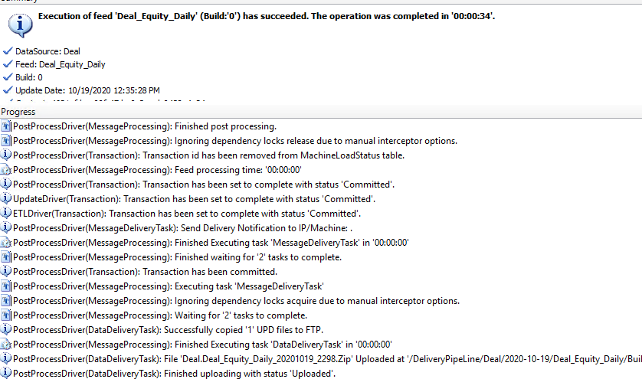
Deal_Equity

Dependency check

AUD Count old setup(Deal_Equity)

New setup(Deal_Equity)

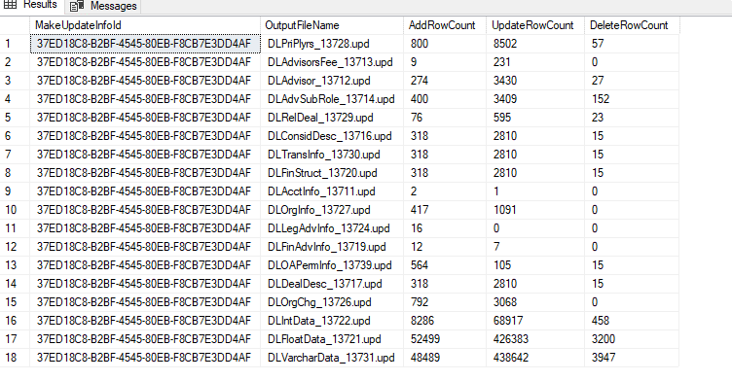
AUD Count old setup(Deal_Daily)

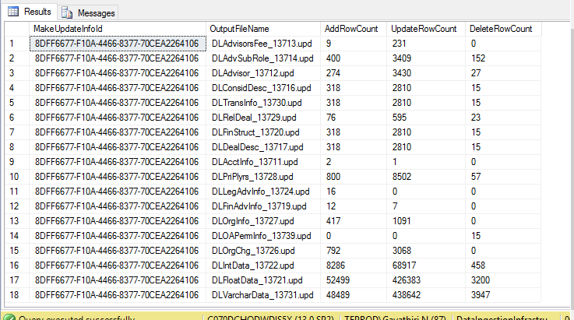
New setup(Deal_Daily)

