Sheet1
LICFlagCheck

LicFlag = 16
select Issue_Type, * from tmp_All_Equity where MASTER_DEAL_NO = '1412640097'
select * from DLEqTransdata where TransactionId = '1412640097'

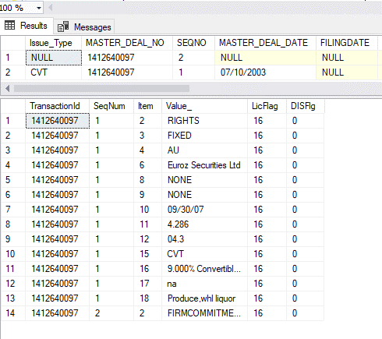

LicFLag = 32

select Issue_Type,MASTER_DEAL_TYPE, * from tmp_All_Equity where MASTER_DEAL_NO = '1302860034'
select * from DLEqInstrInfo where TransactionId = '1302860034'

LicFlag = 64

select Issue_Type,MASTER_DEAL_TYPE, * from tmp_All_Equity where MASTER_DEAL_NO = '2625536009'
select LicFLag, * from DLEqTransInfo where TransactionId = '2625536009'

DLPermInfo LicFlag = 64

select Issue_Type,MASTER_DEAL_TYPE, * from tmp_All_Equity where MASTER_DEAL_NO = '2140886009' and SEQNO = 1
select LicFLag, * from DLPermInfo where TransactionId = '2140886009'

DISFlagCheck

select * from tmp_Equity_deleted_ni where MASTER_DEAL_NO = '0605374114'
select DISFlg , * from DLEqInstrInfo where TransactionId = '0605374114'
select DISFlg , * from DLEqTransdata where TransactionId = '0605374114'
select DISFlg , * from DLEqTransInfo where TransactionId = '0605374114'

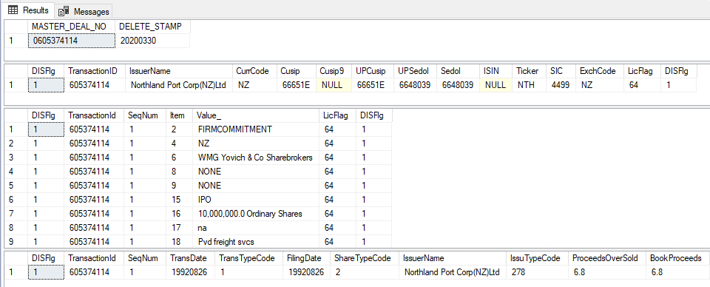

Checking whether Data is populating in respective columns

Data from the file
2824134007~1~11/27/2015~~~Kuntarahoitus Oyj~Exchangeable Bd~Y~4.1~4.1~4.1~~-~~~LIVE~Priv.~~~12/17/15~BESTEFFORTS~BOOKBLDG~Eur~EUROMARKET~~~~~~~-~-~89124E~-~Not Applicable~~Not Syndicated~Yes~-~NONE~NONE~06/17/16~0.508~00.3~~~-~CVT~100.000~na~-~-~FN~6.200% Exchangeable Bd due '16~na~Pvd financial svcs~6289~-~GOVAGY~~~~~~-~~89124E~NONE~~~ECD'

DLeqTransData
select * from DLEqTransdata where TransactionId = '2824134007'
select * from tmp_All_Equity where MASTER_DEAL_NO = '2824134007'
select * from DLEqItem

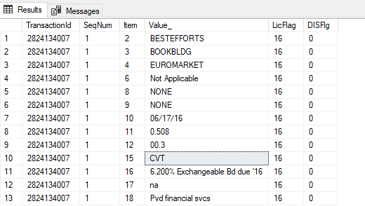

DLEqInstrInfo
select * from DLEqInstrInfo where TransactionId = '2824134007'

DLEqTransInfo
select * from DLEqTransInfo where TransactionId = '2824134007'

DLPermInfo

DataFrom the file
003515736034~1~5000039833~4295880988~5060002506~5000039833~-

select * from DLPermInfo where TransactionId = '003515736034'

