Sheet1
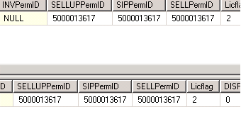
LICFlag check

select * from tmp_custom_delta4 where TNATIONCODE = 'US'

select LicFlag,* from DLOAPermInfo where TRANSACTIONID = 21555020
select TNATIONCODE, * from tmp_custom_delta4 where MASTER_DEAL_NO = 21555020

select * from tmp_custom_delta4 where TNATIONCODE <> 'US'

select LicFlag,* from DLOAPermInfo where TRANSACTIONID = 25564040
select TNATIONCODE, * from tmp_custom_delta4 where MASTER_DEAL_NO = 25564040

DISFLag Check

select * from tmp_deleted where MASTER_DEAL_NO = '0025461040'
select DISFlg,* from DLOAPermInfo where TRANSACTIONID = 0025461040

Updating data in ma_all_org_ID

Before Updating

select * from Deal..DLOAPermInfo where TRANSACTIONID = 22437040
select * from Deal_Update..DLOAPermInfo where TRANSACTIONID = 22437040

After Updating | Column Name - T_OA_PermID,INVIP_OA_PermID

Checking whether Data is populating in respective columns

Data from the file
0110272040~1~4295894740~4295894740~4295894740~4295894740~4295894740~4295894740~~~~5000013617~5000013617~5000013617

TransactionID-0110272040
SeqNum-1
TargetPermID-4295894740
AcqPermID-4295894740
TIPPermID-4295894740
AIPPermID-4295894740
TUPPermID-4295894740
AUPPermID-4295894740
INVIPPermID~
INVUPPermID~
INVPermID~
SellUPermID-5000013617
SIPPermID-5000013617
SelLPermID-5000013617

select * from DLOAPermInfo where TransactionID = 0110272040
select * from Deal_Update..DLOAPermInfo where TransactionID = 0110272040

