BUG REPORT
Bug Report

Bug ID | Test Case ID | Priority | Severity | Title | Steps to reproduce | Expected result | Actual result | Comments
1 | TC1-3 | Low | Low | The "Optimize Your Time Now!" text button is incorrect | 1. Open application; 2. Scroll down; | It should say "Optimize Your Time Now!" signup button | The word to button is spelled wrong "Organize Your Time Now"
2 | TC1-5 | Low | Low | The Terms of Service page is not loading | 1. Open application; 2. Scroll down; 3. Click on "Terms of Service page"; | Must indicate ownership and protection of intellectual property. | User is navigated to Home page
3 | TC2-2 | Low | Low | Last name is does't apear on the form | 1. Open application; 2. Click on Optimize Your Time Now button by default the Register form is loaded; | It contains "First name, Middle name, Last name, Username, Pasword, Repeat password" | The second "Middle name" field appears twice
4 | TC2-3 | Low | Low | Checkbox for agreeing link "terms" is not loading | 1. Open application; 2. Click on Optimize Your Time Now button by default the Register form is loaded; 3. Down the checkbox for agree | A link to the terms of service page (the word "terms" is highlighted and clickable) | The word "terms" is not highlighted and can't to click.
5 | TC3-7 | Medium | Medium | The button "Login" - "Forgot Password" is not loading | 1. Open application; 2. Click on Optimize Your Time Now button; 3. Click button "Login"; 4. Click "Forgot Password " | Leads to a password reset page where the password can be reset via a verified email. | The button "Forgot Paswoord" is not working
6 |  | Medium | Medium | The button "Login" - "Register" is not loading | 1. Open application; 2. Click on Optimize Your Time Now button; 3. Click button "Login"; 4. Click "Register" | Leads to a registration hyperlink "Register" | The button "Register" is not working
7 |  | Medium | Critical | The user cannot edit their profile | 1. Open application; 2. Click on Optimize Your Time Now button; 3. Click button "Login"; 4. The user has logged in; 5. From the Navbar, top-right Profile Icon; 6. Select "My profile"; 7. Click "Edit Profile Info"; | 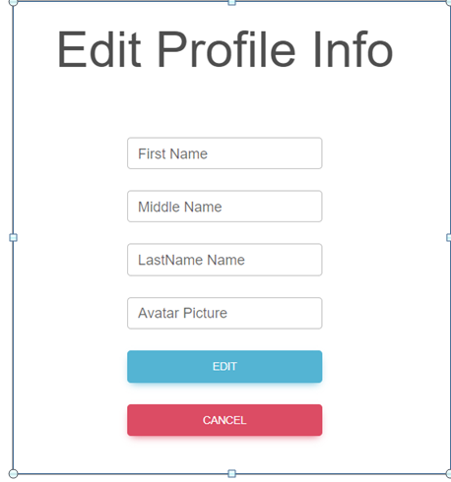 A new page for changing user profile is loading: | The button "Edit Profile info" is not working
8 |  | High | High | The user cannot edit his profile picture | 1. Open application; 2. Click on Optimize Your Time Now button; 3. Click button "Login"; 4. The user has logged in; 5. From the Navbar, top-right Profile Icon; 6. Select "My profile"; 7. Choose a picture from Avatar Picture | The Avatar picture field should be a file upload field | The avatar picture field is now an input field for text

