Normalidade_Histogramas_QQplots
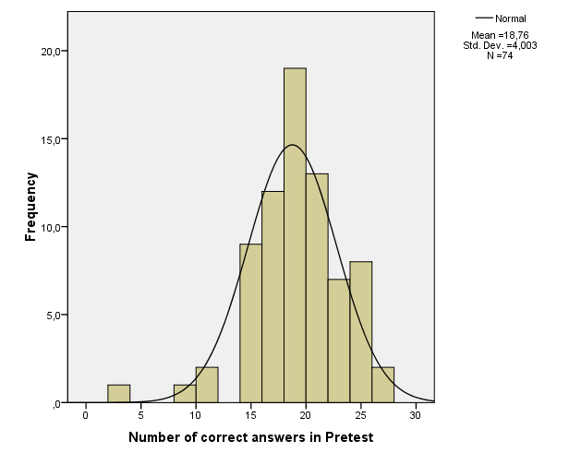
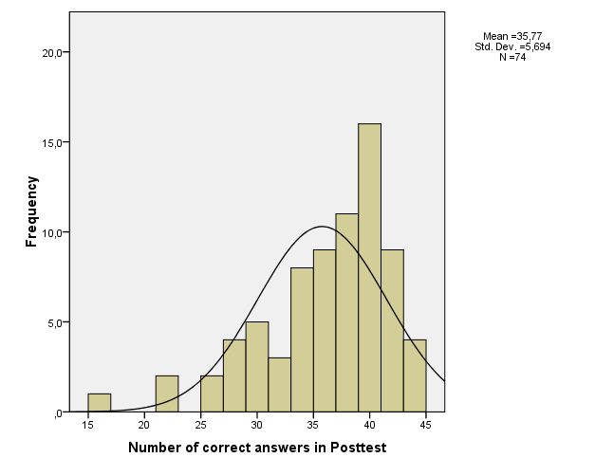
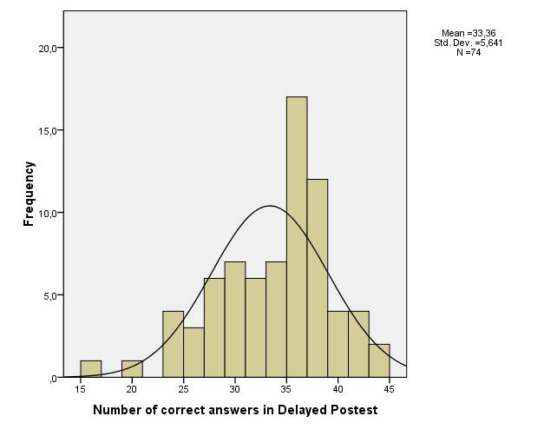
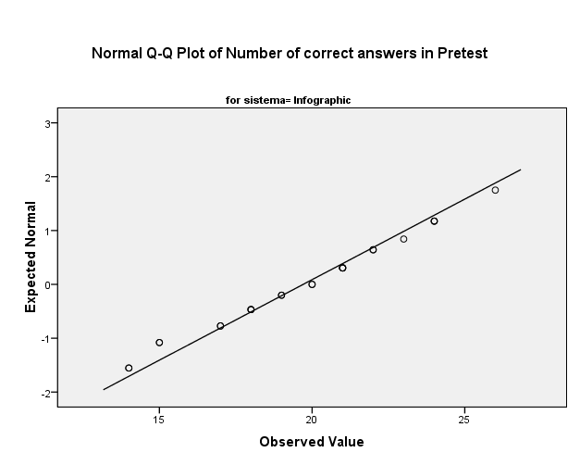
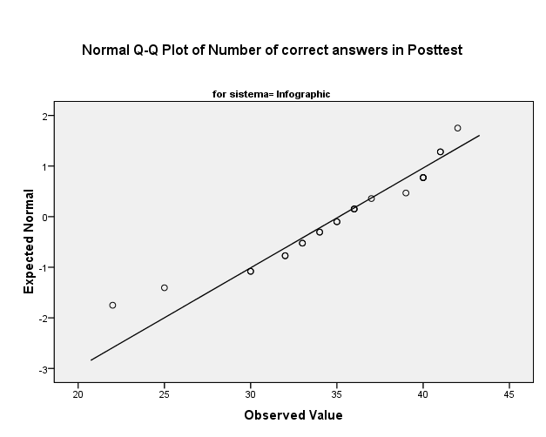
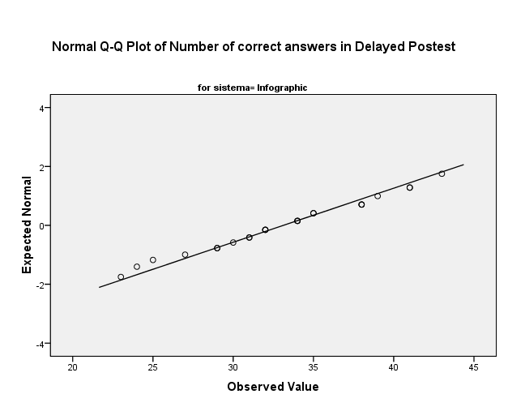
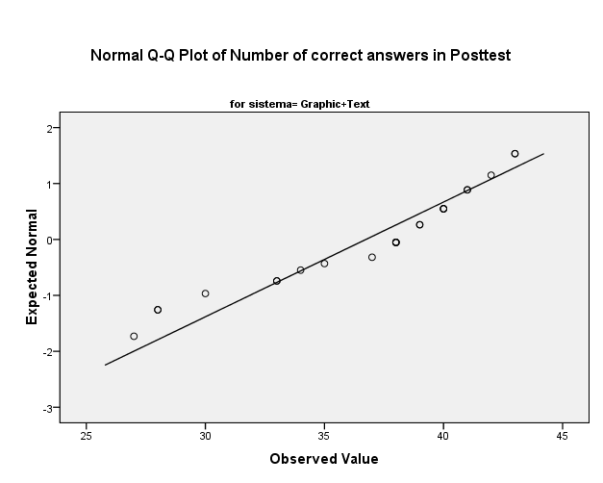
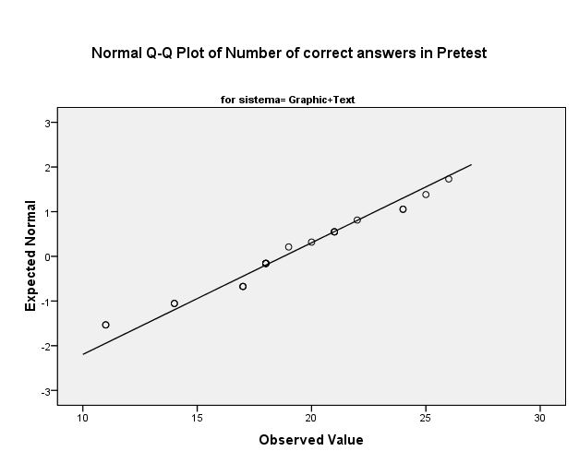
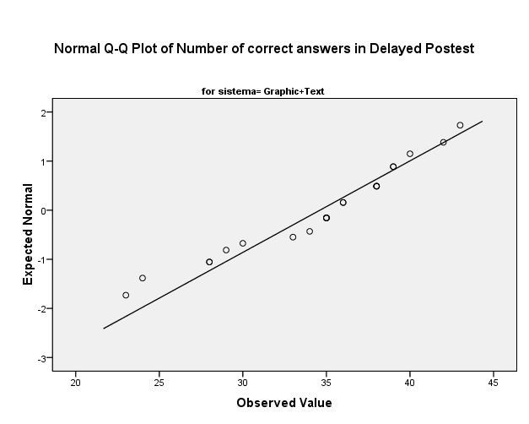
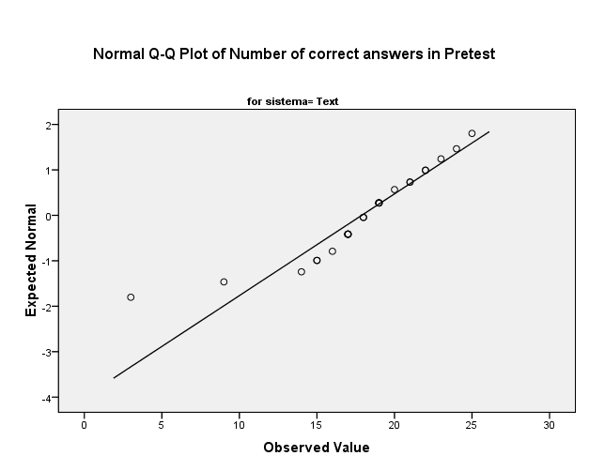
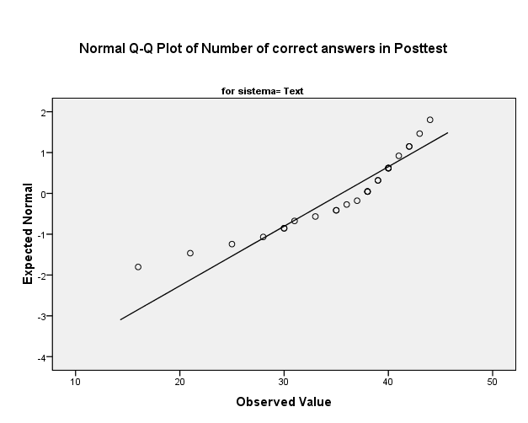
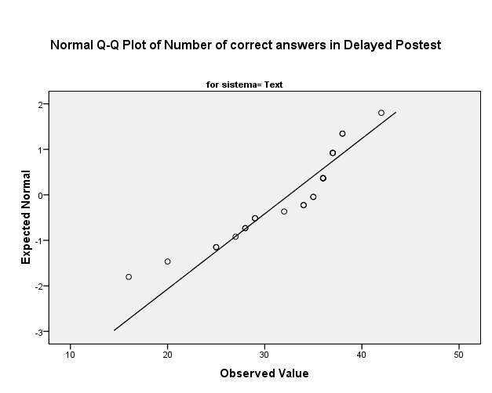
 |  |  |  |  |  |  |  | H0: distribuição normal
Tests of Normality |  |  |  |  |  |  |  | H1: não normal
 | Learning Material | Kolmogorov-Smirnova |  |  | Shapiro-Wilk |  |  | p > 0,05 aceita a nula
 |  | Statistic | df | Sig. | Statistic | df | Sig.
Number of correct answers in Pretest | Infographic | 0.109 | 24 | ,200* | 0.967 | 24 | 0.590 | If the Sig. value of the Shapiro-Wilk Test is greater than 0.05, the data is normal. If it is below 0.05, the data significantly deviate from a normal distribution.
 | Graphic+Text | 0.154 | 23 | 0.167 | 0.955 | 23 | 0.368
 | Text | 0.199 | 27 | 0.008 | 0.881 | 27 | 0.005
Number of correct answers in Posttest | Infographic | 0.124 | 24 | ,200* | 0.928 | 24 | 0.088
 | Graphic+Text | 0.211 | 23 | 0.009 | 0.905 | 23 | 0.032
 | Text | 0.197 | 27 | 0.009 | 0.878 | 27 | 0.004
Number of correct answers in Delayed Postest | Infographic | 0.106 | 24 | ,200* | 0.975 | 24 | 0.797
 | Graphic+Text | 0.181 | 23 | 0.048 | 0.938 | 23 | 0.160
 | Text | 0.226 | 27 | 0.001 | 0.879 | 27 | 0.005
Average seconds in material | Infographic | 0.171 | 24 | 0.067 | 0.951 | 24 | 0.290
 | Graphic+Text | 0.143 | 23 | ,200* | 0.966 | 23 | 0.589
 | Text | 0.104 | 27 | ,200* | 0.978 | 27 | 0.817

Outliers_Boxplots
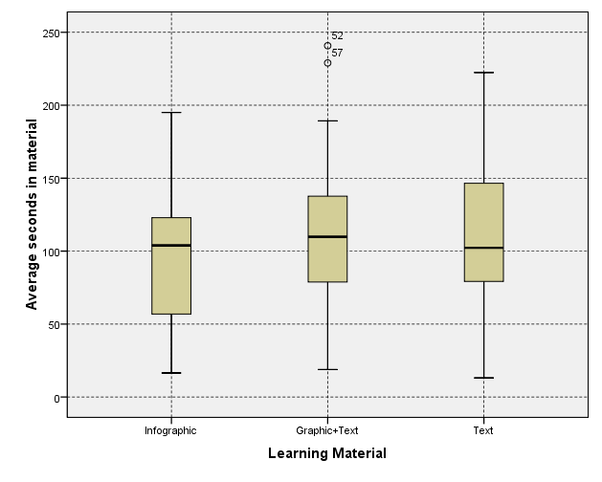
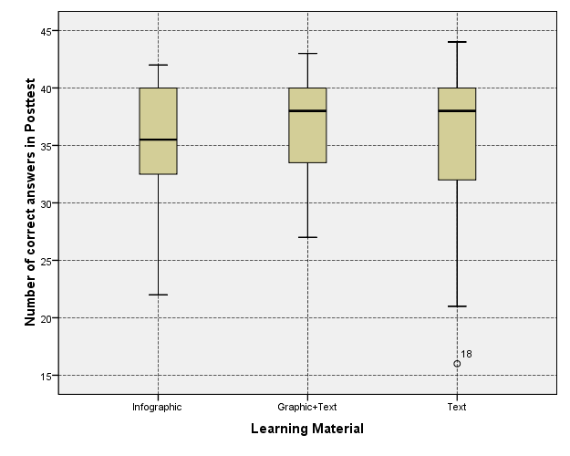
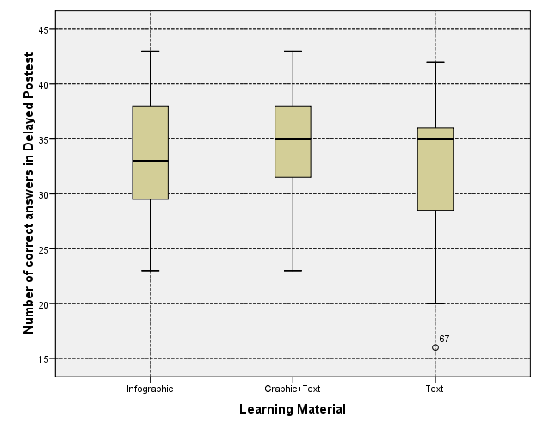
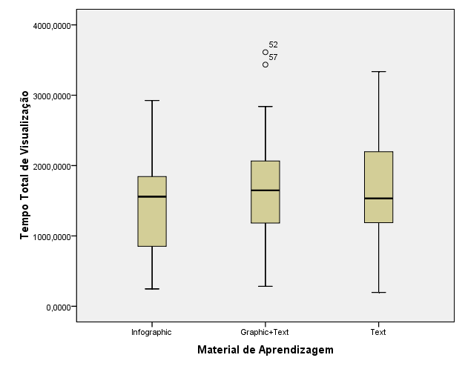
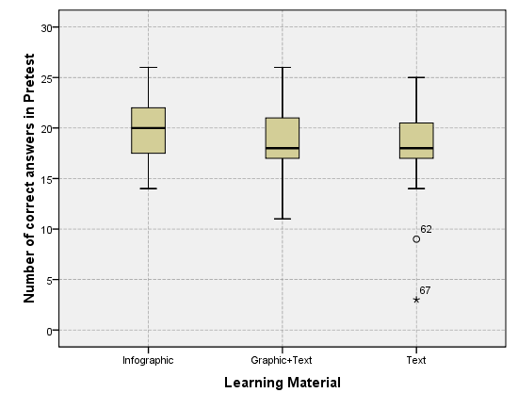
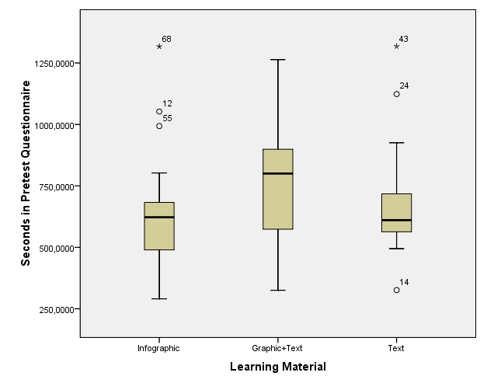
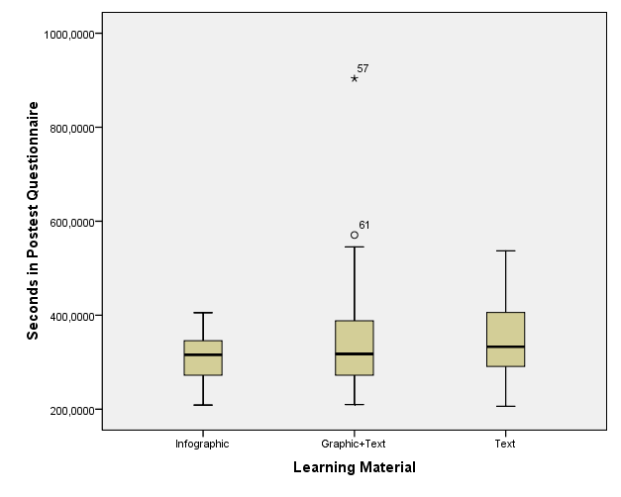
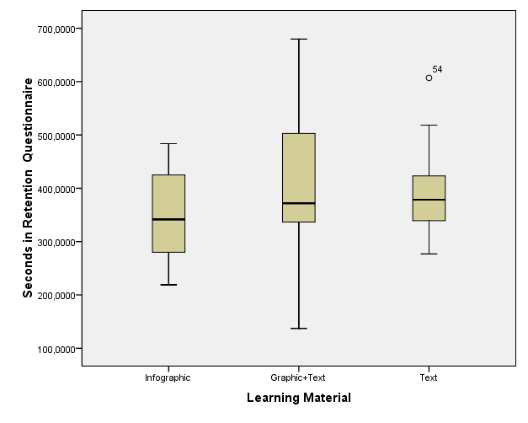
ID | idade | sexo | visver | sistema | preteste | posteste | retenção
18 | 18 | male | visual | text | 19 | 16 | 20 | Esses alunos são outliers quanto a numero de acertos mas não tem nada de anormal em relação ao tempo que gastaram, logo não foram considerados ameaças para os dados.
62 | 18 | female | verbal | text | 9 | 33 | 27
67 | 21 | male | verbal | text | 3 | 21 | 16

Desc_Complexidade
Apenas para os dados referentes ao grupo que utilizou infográficos como material de aprendizagem.
 | Descriptives |  |  |  |  |  | Descriptives |  |  |  |  |  | Descriptives |  |  |  |  |  | Descriptives |  |  |  |  |  | Descriptives |  |  |  |  |  | Descriptives
 |  | Complexidade do Infográfico |  |  | Statistic | Std. Error |  | Complexidade do Infográfico |  |  | Statistic | Std. Error |  | Complexidade do Infográfico |  |  | Statistic | Std. Error |  | Complexidade do Infográfico |  |  | Statistic | Std. Error |  | Complexidade do Infográfico |  |  | Statistic | Std. Error |  | Complexidade do Infográfico |  |  | Statistic | Std. Error
 | Acertos na Fase A | Baixa | Mean |  | 5.750 | 0.387 | Acertos na Fase B | Baixa | Mean |  | 13.167 | 0.197 | Acertos na Fase C | Baixa | Mean |  | 12.250 | 0.352 | Aprendizado Imediato (B-A) | Baixa | Mean |  | 7.417 | 0.399 | Perda (B-C) | Baixa | Mean |  | 0.917 | 0.232 | Retenção (C-A) | Baixa | Mean |  | 6.500 | 0.458
 |  |  | 95% Confidence Interval for Mean | Lower Bound | 4.950 |  |  |  | 95% Confidence Interval for Mean | Lower Bound | 12.760 |  |  |  | 95% Confidence Interval for Mean | Lower Bound | 11.521 |  |  |  | 95% Confidence Interval for Mean | Lower Bound | 6.591 |  |  |  | 95% Confidence Interval for Mean | Lower Bound | 0.436 |  |  |  | 95% Confidence Interval for Mean | Lower Bound | 5.552
 |  |  |  | Upper Bound | 6.550 |  |  |  |  | Upper Bound | 13.573 |  |  |  |  | Upper Bound | 12.979 |  |  |  |  | Upper Bound | 8.242 |  |  |  |  | Upper Bound | 1.398 |  |  |  |  | Upper Bound | 7.448
 |  |  | 5% Trimmed Mean |  | 5.731 |  |  |  | 5% Trimmed Mean |  | 13.278 |  |  |  | 5% Trimmed Mean |  | 12.417 |  |  |  | 5% Trimmed Mean |  | 7.454 |  |  |  | 5% Trimmed Mean |  | 0.907 |  |  |  | 5% Trimmed Mean |  | 6.546
 |  |  | Median |  | 5.500 |  |  |  | Median |  | 13.000 |  |  |  | Median |  | 12.000 |  |  |  | Median |  | 7.000 |  |  |  | Median |  | 1.000 |  |  |  | Median |  | 6.500
 |  |  | Variance |  | 3.587 |  |  |  | Variance |  | 0.928 |  |  |  | Variance |  | 2.978 |  |  |  | Variance |  | 3.819 |  |  |  | Variance |  | 1.297 |  |  |  | Variance |  | 5.043
 |  |  | Std. Deviation |  | 1.894 |  |  |  | Std. Deviation |  | 0.963 |  |  |  | Std. Deviation |  | 1.726 |  |  |  | Std. Deviation |  | 1.954 |  |  |  | Std. Deviation |  | 1.139 |  |  |  | Std. Deviation |  | 2.246
 |  |  | Minimum |  | 3.000 |  |  |  | Minimum |  | 10.000 |  |  |  | Minimum |  | 7.000 |  |  |  | Minimum |  | 4.000 |  |  |  | Minimum |  | -1.000 |  |  |  | Minimum |  | 2.000
 |  |  | Maximum |  | 9.000 |  |  |  | Maximum |  | 14.000 |  |  |  | Maximum |  | 14.000 |  |  |  | Maximum |  | 10.000 |  |  |  | Maximum |  | 3.000 |  |  |  | Maximum |  | 10.000
 |  |  | Range |  | 6.000 |  |  |  | Range |  | 4.000 |  |  |  | Range |  | 7.000 |  |  |  | Range |  | 6.000 |  |  |  | Range |  | 4.000 |  |  |  | Range |  | 8.000
 |  |  | Interquartile Range |  | 3.750 |  |  |  | Interquartile Range |  | 1.000 |  |  |  | Interquartile Range |  | 2.000 |  |  |  | Interquartile Range |  | 3.750 |  |  |  | Interquartile Range |  | 2.000 |  |  |  | Interquartile Range |  | 3.000
 |  |  | Skewness |  | 0.058 | 0.472 |  |  | Skewness |  | -1.634 | 0.472 |  |  | Skewness |  | -1.308 | 0.472 |  |  | Skewness |  | 0.079 | 0.472 |  |  | Skewness |  | 0.176 | 0.472 |  |  | Skewness |  | -0.188 | 0.472
 |  |  | Kurtosis |  | -1.376 | 0.918 |  |  | Kurtosis |  | 3.847 | 0.918 |  |  | Kurtosis |  | 2.332 | 0.918 |  |  | Kurtosis |  | -1.333 | 0.918 |  |  | Kurtosis |  | -0.798 | 0.918 |  |  | Kurtosis |  | -0.903 | 0.918
 |  | Média | Mean |  | 7.958 | 0.237 |  | Média | Mean |  | 11.167 | 0.428 |  | Média | Mean |  | 10.792 | 0.450 |  | Média | Mean |  | 3.208 | 0.446 |  | Média | Mean |  | 0.375 | 0.207 |  | Média | Mean |  | 2.833 | 0.449
 |  |  | 95% Confidence Interval for Mean | Lower Bound | 7.468 |  |  |  | 95% Confidence Interval for Mean | Lower Bound | 10.280 |  |  |  | 95% Confidence Interval for Mean | Lower Bound | 9.860 |  |  |  | 95% Confidence Interval for Mean | Lower Bound | 2.285 |  |  |  | 95% Confidence Interval for Mean | Lower Bound | -0.053 |  |  |  | 95% Confidence Interval for Mean | Lower Bound | 1.904
 |  |  |  | Upper Bound | 8.448 |  |  |  |  | Upper Bound | 12.053 |  |  |  |  | Upper Bound | 11.723 |  |  |  |  | Upper Bound | 4.132 |  |  |  |  | Upper Bound | 0.803 |  |  |  |  | Upper Bound | 3.762
 |  |  | 5% Trimmed Mean |  | 8.000 |  |  |  | 5% Trimmed Mean |  | 11.231 |  |  |  | 5% Trimmed Mean |  | 10.759 |  |  |  | 5% Trimmed Mean |  | 3.250 |  |  |  | 5% Trimmed Mean |  | 0.361 |  |  |  | 5% Trimmed Mean |  | 2.907
 |  |  | Median |  | 8.000 |  |  |  | Median |  | 11.000 |  |  |  | Median |  | 11.000 |  |  |  | Median |  | 3.000 |  |  |  | Median |  | 0.000 |  |  |  | Median |  | 3.000
 |  |  | Variance |  | 1.346 |  |  |  | Variance |  | 4.406 |  |  |  | Variance |  | 4.868 |  |  |  | Variance |  | 4.781 |  |  |  | Variance |  | 1.027 |  |  |  | Variance |  | 4.841
 |  |  | Std. Deviation |  | 1.160 |  |  |  | Std. Deviation |  | 2.099 |  |  |  | Std. Deviation |  | 2.206 |  |  |  | Std. Deviation |  | 2.187 |  |  |  | Std. Deviation |  | 1.013 |  |  |  | Std. Deviation |  | 2.200
 |  |  | Minimum |  | 5.000 |  |  |  | Minimum |  | 7.000 |  |  |  | Minimum |  | 7.000 |  |  |  | Minimum |  | -2.000 |  |  |  | Minimum |  | -1.000 |  |  |  | Minimum |  | -2.000
 |  |  | Maximum |  | 10.000 |  |  |  | Maximum |  | 14.000 |  |  |  | Maximum |  | 15.000 |  |  |  | Maximum |  | 8.000 |  |  |  | Maximum |  | 2.000 |  |  |  | Maximum |  | 6.000
 |  |  | Range |  | 5.000 |  |  |  | Range |  | 7.000 |  |  |  | Range |  | 8.000 |  |  |  | Range |  | 10.000 |  |  |  | Range |  | 3.000 |  |  |  | Range |  | 8.000
 |  |  | Interquartile Range |  | 2.000 |  |  |  | Interquartile Range |  | 3.750 |  |  |  | Interquartile Range |  | 3.000 |  |  |  | Interquartile Range |  | 3.000 |  |  |  | Interquartile Range |  | 1.000 |  |  |  | Interquartile Range |  | 3.500
 |  |  | Skewness |  | -0.459 | 0.472 |  |  | Skewness |  | -0.332 | 0.472 |  |  | Skewness |  | 0.288 | 0.472 |  |  | Skewness |  | -0.453 | 0.472 |  |  | Skewness |  | 0.235 | 0.472 |  |  | Skewness |  | -0.357 | 0.472
 |  |  | Kurtosis |  | 0.808 | 0.918 |  |  | Kurtosis |  | -1.002 | 0.918 |  |  | Kurtosis |  | -0.532 | 0.918 |  |  | Kurtosis |  | 0.828 | 0.918 |  |  | Kurtosis |  | -0.927 | 0.918 |  |  | Kurtosis |  | -0.563 | 0.918
 |  | Alta | Mean |  | 6.000 | 0.376 |  | Alta | Mean |  | 10.792 | 0.558 |  | Alta | Mean |  | 10.083 | 0.551 |  | Alta | Mean |  | 4.792 | 0.643 |  | Alta | Mean |  | 0.708 | 0.397 |  | Alta | Mean |  | 4.083 | 0.580
 |  |  | 95% Confidence Interval for Mean | Lower Bound | 5.222 |  |  |  | 95% Confidence Interval for Mean | Lower Bound | 9.637 |  |  |  | 95% Confidence Interval for Mean | Lower Bound | 8.943 |  |  |  | 95% Confidence Interval for Mean | Lower Bound | 3.462 |  |  |  | 95% Confidence Interval for Mean | Lower Bound | -0.113 |  |  |  | 95% Confidence Interval for Mean | Lower Bound | 2.883
 |  |  |  | Upper Bound | 6.778 |  |  |  |  | Upper Bound | 11.946 |  |  |  |  | Upper Bound | 11.224 |  |  |  |  | Upper Bound | 6.121 |  |  |  |  | Upper Bound | 1.529 |  |  |  |  | Upper Bound | 5.284
 |  |  | 5% Trimmed Mean |  | 5.954 |  |  |  | 5% Trimmed Mean |  | 10.981 |  |  |  | 5% Trimmed Mean |  | 10.148 |  |  |  | 5% Trimmed Mean |  | 4.981 |  |  |  | 5% Trimmed Mean |  | 0.759 |  |  |  | 5% Trimmed Mean |  | 4.139
 |  |  | Median |  | 6.000 |  |  |  | Median |  | 11.000 |  |  |  | Median |  | 10.000 |  |  |  | Median |  | 5.000 |  |  |  | Median |  | 0.000 |  |  |  | Median |  | 4.000
 |  |  | Variance |  | 3.391 |  |  |  | Variance |  | 7.476 |  |  |  | Variance |  | 7.297 |  |  |  | Variance |  | 9.911 |  |  |  | Variance |  | 3.781 |  |  |  | Variance |  | 8.080
 |  |  | Std. Deviation |  | 1.842 |  |  |  | Std. Deviation |  | 2.734 |  |  |  | Std. Deviation |  | 2.701 |  |  |  | Std. Deviation |  | 3.148 |  |  |  | Std. Deviation |  | 1.944 |  |  |  | Std. Deviation |  | 2.842
 |  |  | Minimum |  | 2.000 |  |  |  | Minimum |  | 4.000 |  |  |  | Minimum |  | 5.000 |  |  |  | Minimum |  | -3.000 |  |  |  | Minimum |  | -5.000 |  |  |  | Minimum |  | -2.000
 |  |  | Maximum |  | 11.000 |  |  |  | Maximum |  | 14.000 |  |  |  | Maximum |  | 14.000 |  |  |  | Maximum |  | 9.000 |  |  |  | Maximum |  | 5.000 |  |  |  | Maximum |  | 9.000
 |  |  | Range |  | 9.000 |  |  |  | Range |  | 10.000 |  |  |  | Range |  | 9.000 |  |  |  | Range |  | 12.000 |  |  |  | Range |  | 10.000 |  |  |  | Range |  | 11.000
 |  |  | Interquartile Range |  | 1.750 |  |  |  | Interquartile Range |  | 3.000 |  |  |  | Interquartile Range |  | 4.750 |  |  |  | Interquartile Range |  | 5.000 |  |  |  | Interquartile Range |  | 1.750 |  |  |  | Interquartile Range |  | 4.750
 |  |  | Skewness |  | 0.638 | 0.472 |  |  | Skewness |  | -0.917 | 0.472 |  |  | Skewness |  | -0.082 | 0.472 |  |  | Skewness |  | -0.794 | 0.472 |  |  | Skewness |  | -0.363 | 0.472 |  |  | Skewness |  | -0.092 | 0.472
 |  |  | Kurtosis |  | 2.132 | 0.918 |  |  | Kurtosis |  | 0.713 | 0.918 |  |  | Kurtosis |  | -0.669 | 0.918 |  |  | Kurtosis |  | 0.675 | 0.918 |  |  | Kurtosis |  | 2.880 | 0.918 |  |  | Kurtosis |  | -0.445 | 0.918
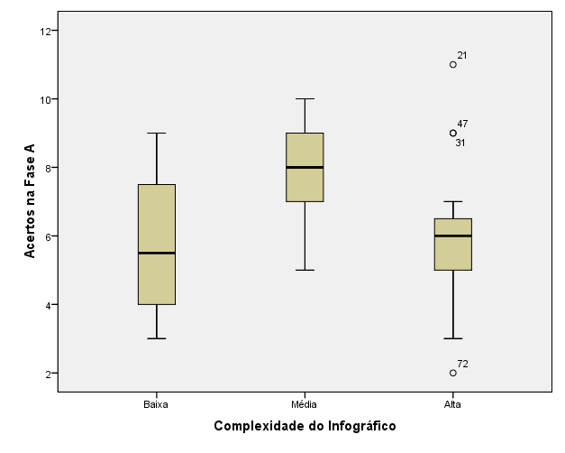
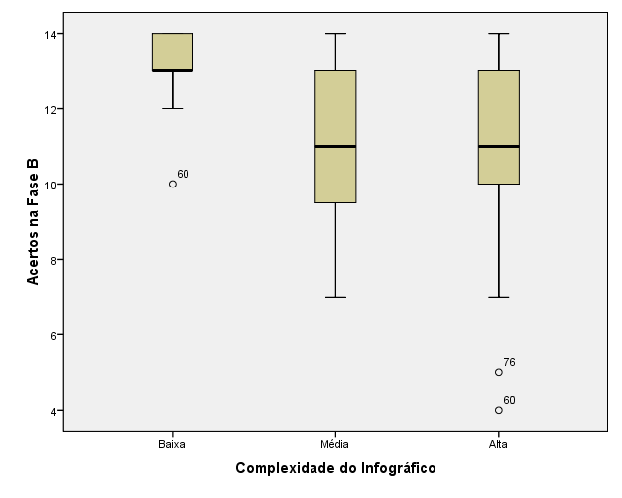
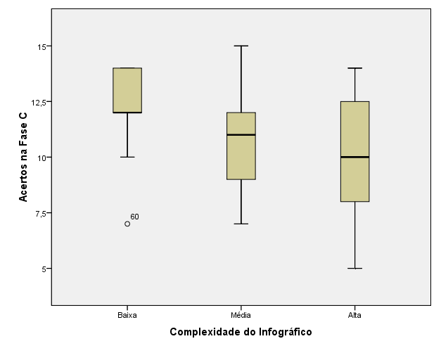
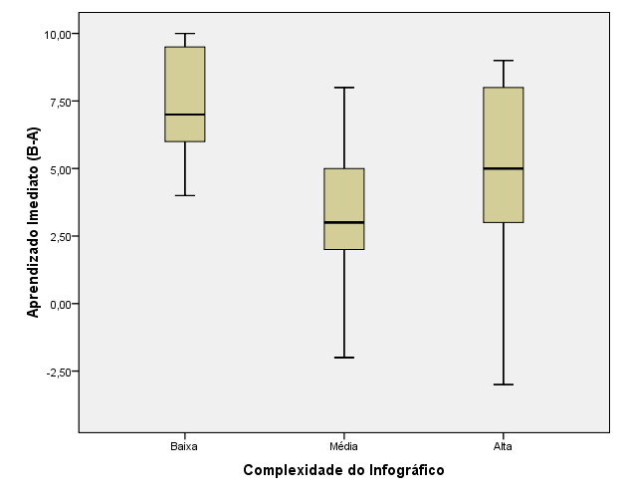
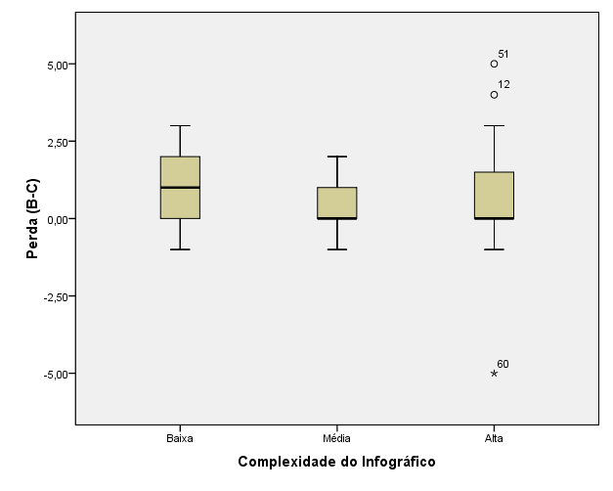
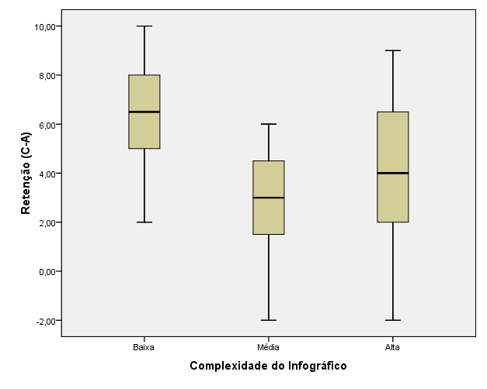

gerado a partir de DadosInfograficos2

Desc_Satisfação_Boxplots
 |  |  |  |  |  |  | Apenas para alunos visuais |  |  |  |  |  |  |  | Apenas para alunos verbais
 | Descriptives |  |  |  |  |  | Descriptives |  |  |  |  |  |  |  | Descriptives
 |  | Material de Aprendizagem |  |  | Statistic | Std. Error | Visual or Verbal |  | Material de Aprendizagem |  |  | Statistic | Std. Error |  | Visual or Verbal |  | Material de Aprendizagem |  |  | Statistic | Std. Error
 | Média da Satisfação | Infographic | Mean |  | 5.422 | 0.39137 | Visual | Média da Satisfação | Infographic | Mean |  | 5.238 | 0.36797 |  | Verbal | Média da Satisfação | Infographic | Mean |  | 5.976 | 1.16432
 |  |  | 95% Confidence Interval for Mean | Lower Bound | 4.613 |  |  |  |  | 95% Confidence Interval for Mean | Lower Bound | 4.462 |  |  |  |  |  | 95% Confidence Interval for Mean | Lower Bound | 2.983
 |  |  |  | Upper Bound | 6.232 |  |  |  |  |  | Upper Bound | 6.014 |  |  |  |  |  |  | Upper Bound | 8.969
 |  |  | 5% Trimmed Mean |  | 5.469 |  |  |  |  | 5% Trimmed Mean |  | 5.264 |  |  |  |  |  | 5% Trimmed Mean |  | 6.084
 |  |  | Median |  | 5.429 |  |  |  |  | Median |  | 5.286 |  |  |  |  |  | Median |  | 6.570
 |  |  | Variance |  | 3.676 |  |  |  |  | Variance |  | 2.437 |  |  |  |  |  | Variance |  | 8.134
 |  |  | Std. Deviation |  | 1.917 |  |  |  |  | Std. Deviation |  | 1.561 |  |  |  |  |  | Std. Deviation |  | 2.852
 |  |  | Minimum |  | 1.000 |  |  |  |  | Minimum |  | 2.000 |  |  |  |  |  | Minimum |  | 1.000
 |  |  | Maximum |  | 9.000 |  |  |  |  | Maximum |  | 8.000 |  |  |  |  |  | Maximum |  | 9.000
 |  |  | Range |  | 8.000 |  |  |  |  | Range |  | 6.000 |  |  |  |  |  | Range |  | 8.000
 |  |  | Interquartile Range |  | 2.680 |  |  |  |  | Interquartile Range |  | 2.321 |  |  |  |  |  | Interquartile Range |  | 4.464
 |  |  | Skewness |  | -0.398 | 0.472 |  |  |  | Skewness |  | -0.288 | 0.536 |  |  |  |  | Skewness |  | -1.140 | 0.845
 |  |  | Kurtosis |  | 0.161 | 0.918 |  |  |  | Kurtosis |  | -0.185 | 1.038 |  |  |  |  | Kurtosis |  | 1.337 | 1.741
 |  | Graphic+Text | Mean |  | 5.926 | 0.33564 |  |  | Graphic+Text | Mean |  | 6.091 | 0.50094 |  |  |  | Graphic+Text | Mean |  | 5.775 | 0.46730
 |  |  | 95% Confidence Interval for Mean | Lower Bound | 5.230 |  |  |  |  | 95% Confidence Interval for Mean | Lower Bound | 4.975 |  |  |  |  |  | 95% Confidence Interval for Mean | Lower Bound | 4.746
 |  |  |  | Upper Bound | 6.622 |  |  |  |  |  | Upper Bound | 7.207 |  |  |  |  |  |  | Upper Bound | 6.803
 |  |  | 5% Trimmed Mean |  | 5.964 |  |  |  |  | 5% Trimmed Mean |  | 6.149 |  |  |  |  |  | 5% Trimmed Mean |  | 5.789
 |  |  | Median |  | 6.143 |  |  |  |  | Median |  | 6.143 |  |  |  |  |  | Median |  | 5.429
 |  |  | Variance |  | 2.591 |  |  |  |  | Variance |  | 2.760 |  |  |  |  |  | Variance |  | 2.620
 |  |  | Std. Deviation |  | 1.610 |  |  |  |  | Std. Deviation |  | 1.661 |  |  |  |  |  | Std. Deviation |  | 1.619
 |  |  | Minimum |  | 2.143 |  |  |  |  | Minimum |  | 2.143 |  |  |  |  |  | Minimum |  | 3.286
 |  |  | Maximum |  | 9.000 |  |  |  |  | Maximum |  | 9.000 |  |  |  |  |  | Maximum |  | 8.000
 |  |  | Range |  | 6.857 |  |  |  |  | Range |  | 6.857 |  |  |  |  |  | Range |  | 4.714
 |  |  | Interquartile Range |  | 2.000 |  |  |  |  | Interquartile Range |  | 1.286 |  |  |  |  |  | Interquartile Range |  | 3.285
 |  |  | Skewness |  | -0.329 | 0.481 |  |  |  | Skewness |  | -0.981 | 0.661 |  |  |  |  | Skewness |  | 0.224 | 0.637
 |  |  | Kurtosis |  | 0.254 | 0.935 |  |  |  | Kurtosis |  | 3.468 | 1.279 |  |  |  |  | Kurtosis |  | -1.260 | 1.232
 |  | Text | Mean |  | 4.794 | 0.37005 |  |  | Text | Mean |  | 4.614 | 0.47815 |  |  |  | Text | Mean |  | 5.101 | 0.60044
 |  |  | 95% Confidence Interval for Mean | Lower Bound | 4.034 |  |  |  |  | 95% Confidence Interval for Mean | Lower Bound | 3.600 |  |  |  |  |  | 95% Confidence Interval for Mean | Lower Bound | 3.743
 |  |  |  | Upper Bound | 5.555 |  |  |  |  |  | Upper Bound | 5.627 |  |  |  |  |  |  | Upper Bound | 6.460
 |  |  | 5% Trimmed Mean |  | 4.787 |  |  |  |  | 5% Trimmed Mean |  | 4.579 |  |  |  |  |  | 5% Trimmed Mean |  | 5.112
 |  |  | Median |  | 5.000 |  |  |  |  | Median |  | 4.429 |  |  |  |  |  | Median |  | 5.215
 |  |  | Variance |  | 3.697 |  |  |  |  | Variance |  | 3.887 |  |  |  |  |  | Variance |  | 3.605
 |  |  | Std. Deviation |  | 1.923 |  |  |  |  | Std. Deviation |  | 1.971 |  |  |  |  |  | Std. Deviation |  | 1.899
 |  |  | Minimum |  | 1.143 |  |  |  |  | Minimum |  | 1.143 |  |  |  |  |  | Minimum |  | 2.290
 |  |  | Maximum |  | 8.714 |  |  |  |  | Maximum |  | 8.714 |  |  |  |  |  | Maximum |  | 7.714
 |  |  | Range |  | 7.571 |  |  |  |  | Range |  | 7.571 |  |  |  |  |  | Range |  | 5.424
 |  |  | Interquartile Range |  | 2.431 |  |  |  |  | Interquartile Range |  | 2.355 |  |  |  |  |  | Interquartile Range |  | 3.573
 |  |  | Skewness |  | -0.016 | 0.448 |  |  |  | Skewness |  | 0.118 | 0.550 |  |  |  |  | Skewness |  | -0.242 | 0.687
 |  |  | Kurtosis |  | -0.477 | 0.872 |  |  |  | Kurtosis |  | 0.060 | 1.063 |  |  |  |  | Kurtosis |  | -1.055 | 1.334

 |  |  |  |  |  |  |  |  |  |  | Case Processing Summary
 |  |  |  |  |  |  |  |  |  |  | Visual or Verbal |  | Material de Aprendizagem | Cases
 |  |  |  |  |  |  |  |  |  |  |  |  |  | Valid |  | Missing |  | Total
 |  |  |  |  |  |  |  |  |  |  |  |  |  | N | Percent | N | Percent | N | Percent
 |  |  |  |  |  |  |  |  |  |  | Visual | Média da Satisfação | Infographic | 18 | 100.0% | 0 | 0.0% | 18 | 100.0%
 |  |  |  |  |  |  |  |  |  |  |  |  | Graphic+Text | 11 | 100.0% | 0 | 0.0% | 11 | 100.0%
 |  |  |  |  |  |  |  |  |  |  |  |  | Text | 17 | 100.0% | 0 | 0.0% | 17 | 100.0%
 |  |  |  |  |  |  |  |  |  |  | Verbal | Média da Satisfação | Infographic | 6 | 100.0% | 0 | 0.0% | 6 | 100.0%
 |  |  |  |  |  |  |  |  |  |  |  |  | Graphic+Text | 12 | 100.0% | 0 | 0.0% | 12 | 100.0%
 |  |  |  |  |  |  |  |  |  |  |  |  | Text | 10 | 100.0% | 0 | 0.0% | 10 | 100.0%

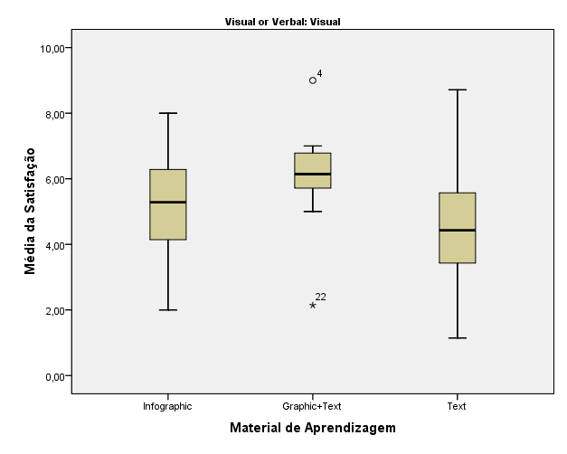
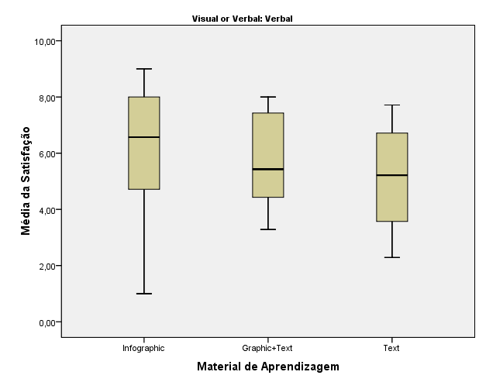
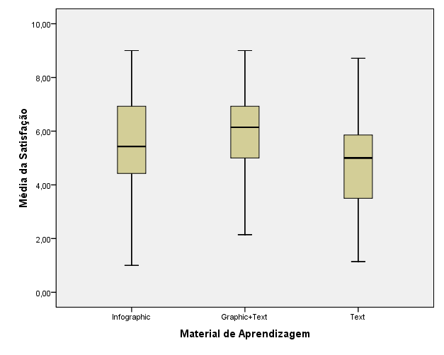

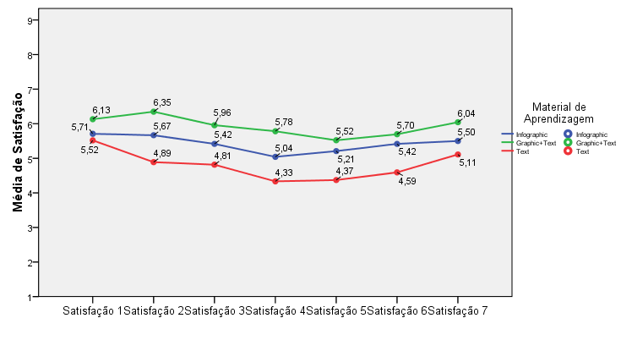

em Descritivo2.spv

