Acknowledgment
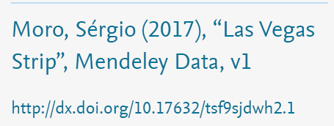

<<Modified for educational purpose>>

