Guide
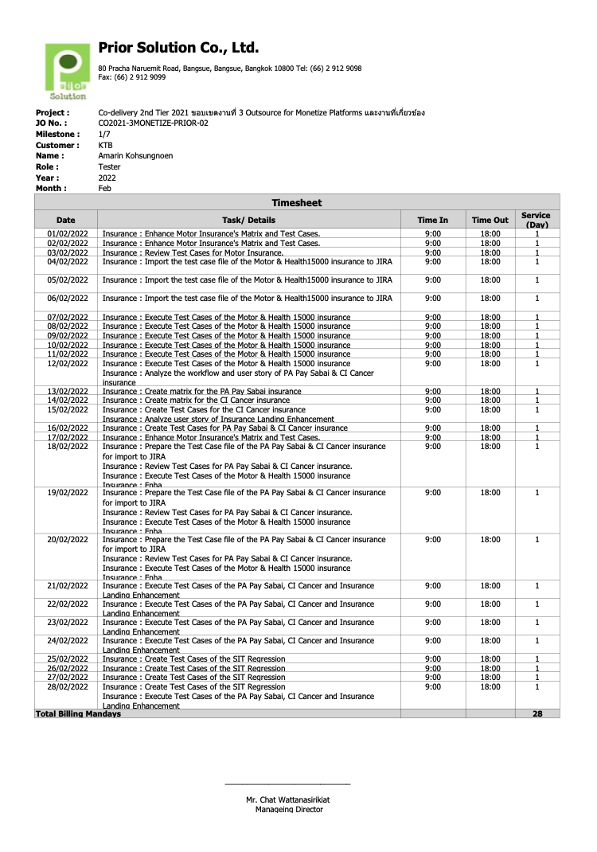

Font 40pt

09:00 / 14:00
hh:mm
14:00 / 18:00
hh:mm
0.5/1

Format mm/dd/yyyy

Font 40pt
ระวังเรือ่งตัวอักษรขาด ระยะห่างบรรทัด. Save to PDF และตรวจทุกครั้ง

Resource Burndown
 | Prior Solution Co., Ltd. 80 Pracha Naruemit Road, Bangsue, Bangsue, Bangkok 10800 Tel: (66) 2 912 9098 Fax: (66) 2 912 9099

_____________________________
Mr. Chat Wattanasirikiat
Manageing Director

