DW
 | Q | A
11 | Consider the orders with type “Partner order”. Separately for mean of transport and trimester, analyze: the average delivery time, the average number of deliveries per time slot (the average number of deliveries made in an hour), assign a rank to the trimesters based on decreasing number of kilometers run on average in a minute, separately by mean of transport. | WHERE orderType=`Partner order' GROUP BY transport, trimester Sum(time)/sum(#delivaris), sum(#deliveries)/count (DISTINKT timeSlot) Rank() over (order by sum(#kilometers)/sum(time) DES partition by transport) | 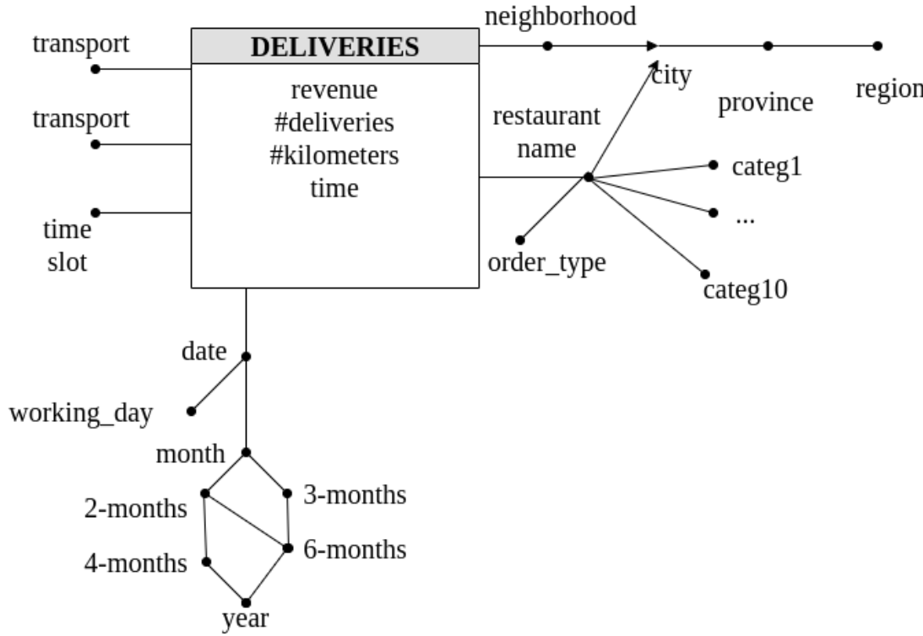
 | Consider the restaurants which have “pizza” among the associated categories. Carry out the analysis separately for payment method, delivery city and month. لازمه در هر کوئری این گزاره رو بذاریم توی پارتیزشن؟ Analyze: the cumulative monthly revenue from the beginning of each trimester, the average revenue per delivery, the percentage of revenue with respect to the total revenue considering all the payment methods | where r.pizza=true group by paymentMethod, deliveryCity, Month sum(sum(revenue) over (partition by trimaster, paymentM, dCity order by month ROWS UNBOUNDED PRECEDING), sum(revenue)/sum(#deliveries) 100*sum(revenue)/sum(sum(revenue) over (partition by month, dCity) | DELIVERIES (RId, NId, DId, paymentMethod, transport, timeSlot, revenue, #deliveries, #kilometers, time) Restaurant (RId, LId, orderType, name, categ1, categ2, ..., categ10) Location (LId, city, province, region) Date(DId, date, month, 2-months, trimester, 4-months, 6-months, year, workingDay) Neighborhood(NId, neighborhood, LId)
10 | Separately for each purchase mode and for each purchase month, analyze: the average daily revenue, the cumulative revenue from the beginning of the year, the percentage of tickets related to the considered purchase mode over the total number of tickets of the month | group by purchasemode, pmonth, pyear; sum(revenue)/coun(DISTINCT pdate) sum(sum(revenue)) over (partiotion by pyear, purchasemode ROWS UNBOUNDED PRECIDING) 100*sum(numTickets)/ sum(sum(numTickets)) over (partiotion by pmonth) | 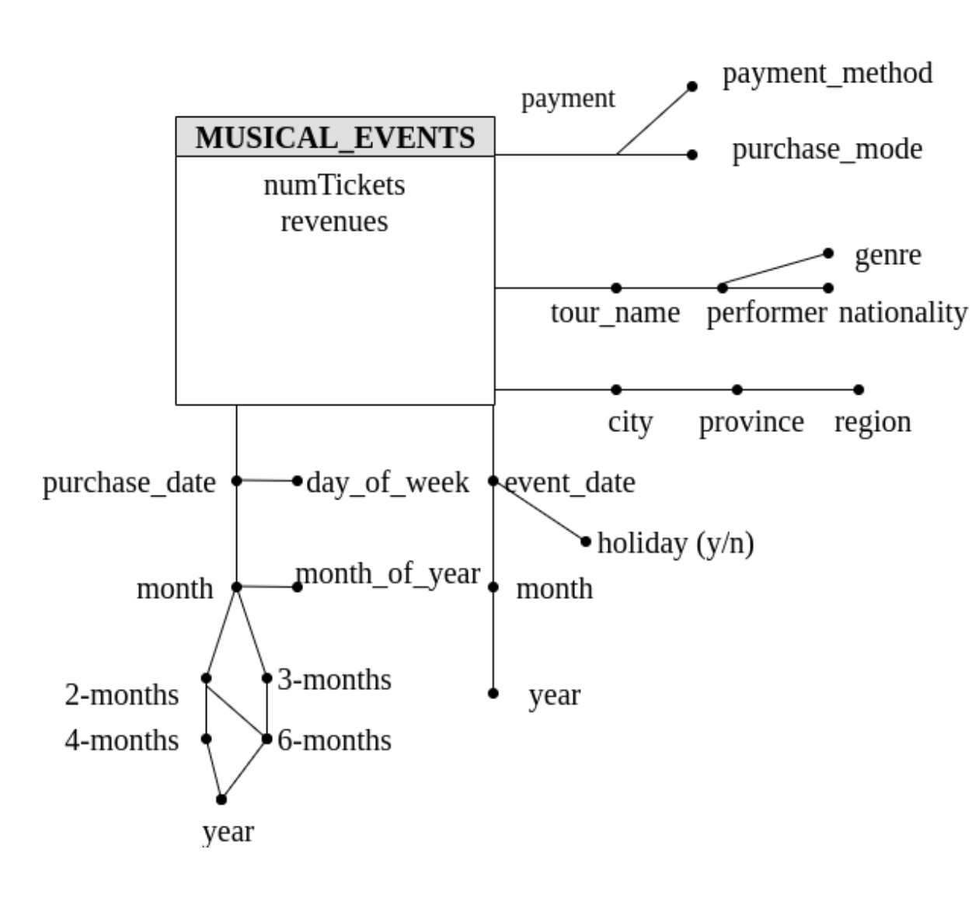
 | Considering the events that took place in 2017, separately for each singer/band nationality and for each city, analyze: the average revenue for a ticket, the percentage of revenue over the total revenue for the corresponding region | where eyear=2007 group by nationality, City, region sum(revenue)/sum(numTickets) 100*sum(revenue)/ sum(sum(revenue)) over (partition by nationality, region) | MUSICALEVENTS (MEId, ELId, PDId, EDId, TId, PId, numTickets, revenue) EVENTLOCATION (ELId, city, province, region) PURCHASEDATE (PDId, pdate, pmonth, monthofyear, 2m, 3m, 4m, 6m, pyear) EVENTDATE (EDId, edate, emonth, eyear, holiday) TOUR (TId, tname, performer, nationality, rock, pop, ..., jazz) PAYMENT (PId, purchasemode, paymentmethod)
9 | Consider beers distributed in packs with the format: 6 bottles. Separately for production month and factory analyze: the cumulative monthly number of produced liters from the beginning of the year, the monthly percentage of liters produced with respect to the total annual liters for the considered factory, assign a rank to the factories according to the total number of produced liters in decreasing order, separately for each production month. | where packFormat=6 group by pmonth, fid, year sum(sum(#liters)) over (partition by pyear, fid order by pmonth ROWS UNBOUNDED PRECEDING), 100*sum(#liters)/ sum(sum(#liters)) over (partition by pyear, fid), Rank() over (partition by pmonth order by sum(#liters) DESC) | 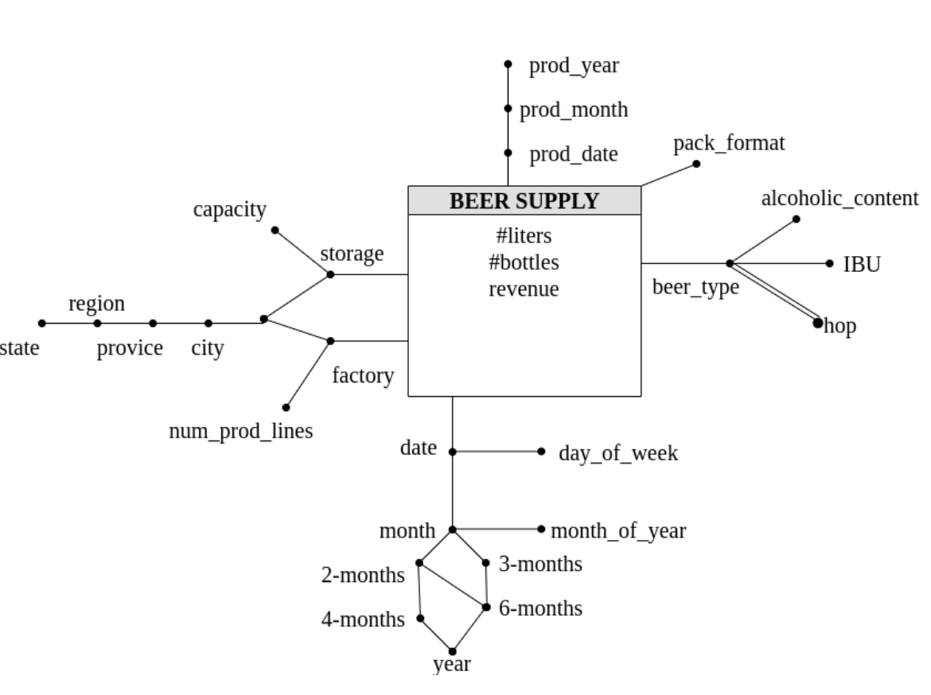
 | Consider beers produced in 2018. Run the analysis separately for beer type, storage and month of arrival at the storage. Analyze: the average revenue for a bottle, the average daily (consider the day of arrival at the storage) number of produced bottles, the percentage of bottles of the considered beer type with respect to the total considering all the beer types. | where pyear=2018 group by beertype, sid, smonth sum(revenue)/sum(#bottles), sum(#bottles)/ count(DISTINCT sdate) 100*sum(#bottles) / sum(sum(#bottles) over (partition by sid, smonth) | BEERSUPPLY (TProdId, TSupId, FId, SId, BId, packFormat, #liters, #bottles, revenue) PRODUCTIONTIME (TProdId, pdate, pmonth, pyear) SUPPLYTIME (TSupId, sdate, smonth, s2m, s3m, s4m, s6m, syear, smoy, sdow) LOCATION (LId, city, province, region, state) FACTORY(FId, factory, numproductionlines, LId) STORAGE(SId, storage, capacity, LId) BEER(BId, beertype, alcoholiccontent, ibu) HOP(HId, hoptype) BEERHOP(BId,HId)
8 | Consider only private repositories. Separately for month and repository name, analyze: the number of commits made on average in a day, the number of commits made on average in a branch, the monthly cumulative number of commits from the beginning of the year. | where private=true group by month, repositoryName, year sum(#commit)/count (DISTINCT date) sum(#commit)/count (DISTINCT bid) sum(sum(#commits)) over (partition by repositoryName, year order by month ROWS UNBOUNDED PRECEDING) | 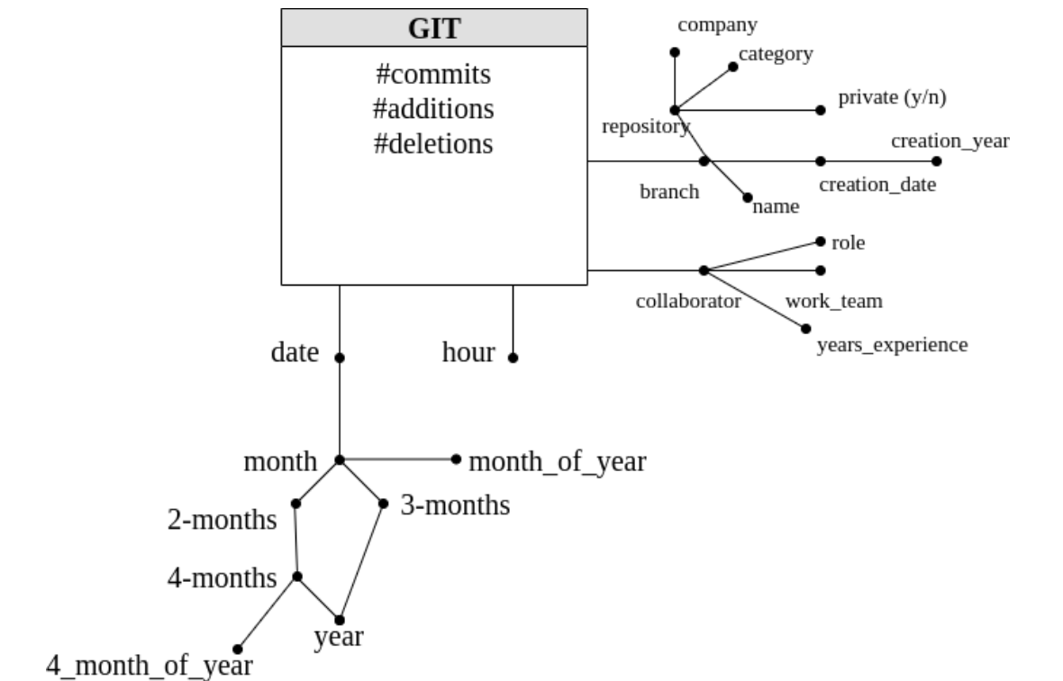
8 | Consider data related to repositories which include the ‘Scala’ language. Separately for branch and work team, analyze: the ratio between the number of additions and the number of deletions, the percentage of additions with respect to the total of the repository the branch belongs to, assign a rank to work teams based on the ratio between the number of additions and the number of deletions, separately for each branch. | where scala_language=true group by bid, workteam, branchname, repositoryname sum(#additions)/ sum(#delation) {100*}sum(#additions)/ sum(sum(#additions)) over (partition by repository, workteam) rank() over (partition by bid order by sum(#additions)/sum(deletions)) | GIT (BId, TId, CId, hour, #commits, #additions, #deletions) BRANCH (BId, branchname, creationdate, creationyear, repositoryname, company, visibility, category, scala, python, java, ...) TIME (TId, date, month, bimester, 4-months, trimester, year, monthofyear, 4- monthsofyear) COLLABORATOR (CId, role, yearsexperience, workteam)
7 | Consider the rentals payed with credit card. Separately for each month, client type, province of the client’s domicile, analyze: the average number of kilometers for rental, the cumulative number of kilometers from the beginning of the year, the average daily kilometers. | where paymentMode='credit card' group by month, clientType, clientprovince, year sum(#kilometers)/sum(rental) sum(sum(#kilometers)) over (partition by year, clientType, clientprovince order by month ROWD UNBOUNDED PRECEDING) sum(#kilometers)/ coun(DISTINCT date) | 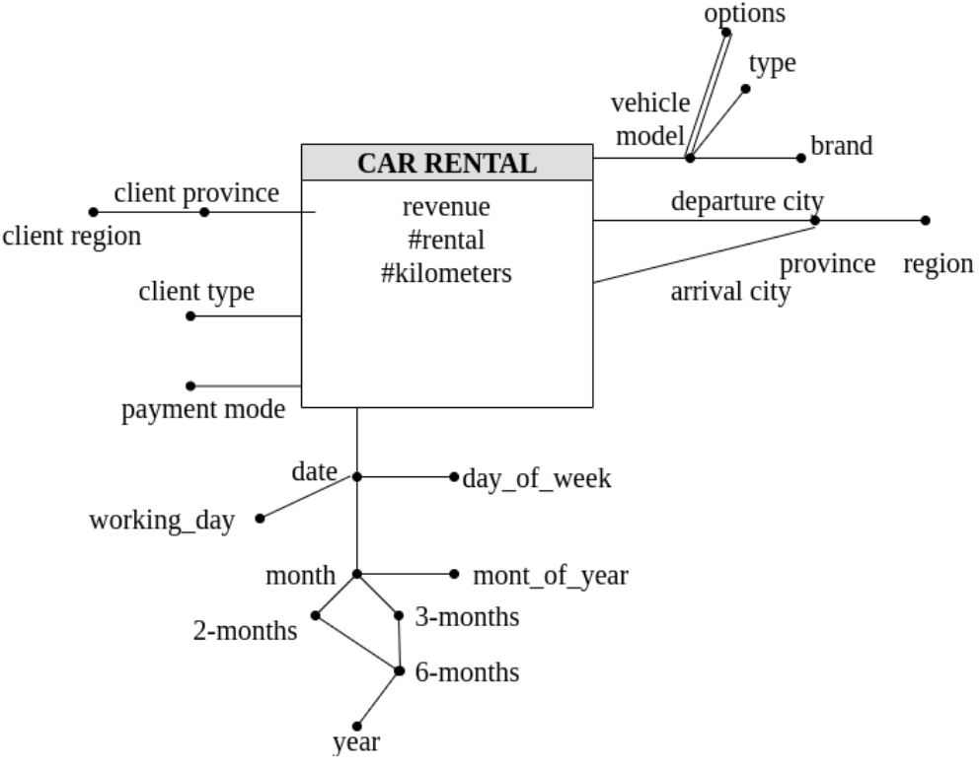
7 | Consider the rentals of “truck” vehicle type. Separately for each rental start month and for each departure province, analyze: the average revenue per kilometer, the percentage of revenue over the total revenue of the year, the percentage of revenue over the total revenue for the corresponding departure region | where v.type='trunk' group by month, d.province, d.region sum(revenue)/sum(#kilometers) 100*sum(revenue) / sum(sum(revenue) over (partition by year, d.province) 100*sum(revenue) / sum(sum(revenue) over (partition by month, d.region) | CarRental (ArrId, DepId, VId, CId, RTId, paymentMode, #rental, #kilometers, revenue) LOCATION (LId, city, province, region) VEHICLE (VId, model, type, brand) OPTIONS (OId, name) VEHICLEOPTIONS (VId, OId) RENTALTIME (RTId, date, month, monthOfYear, 2m, 3m, 6m, year, dayOfWeek, workingDay) CLIENTPROFILE (CId, clientType, clientProvince, clientRegion)
4 | In 2004, including only the properties in cities where universities are present, select the average monthly rent cost for each city and month and the average monthly rent cost since the beginning of the year for each city and month. | where year=2004 AND university=’y’ select sum(topPrice)/sum(numProperties), (sum(sum(topPrice))/sum(sum(numberProperties))) over (partition by city order by month ROWS UNBOUNDED PRECEDING) group by city, month | PROPERTIES (monthID, weekID, typeID, roomsID, furnitureID, locationID, numProperties, totPrice, totSurface) FAVORITES (yearID, seasonID, typeID, roomsID, furnitureID, locationID, surfaceRangeID, priceRangeID, numUsers, numProperties)
4 | InSeptember2004, including only the properties in the province of Turin, select the total number of free properties for each city and week, the ratio of the total number of free properties for each city and week and the total number of free properties for the same week. Give a rank according to the total number of free properties (rank 1st the highest number). Sort the data according to the rank. | where year=2004 AND province='Turin' select sum(numProperties), sum(numProperties)/(sum(sum(numProperties)) over (partition by week) rank() over (order by sum(numProperties) DESC) as Position group by City, week order by position; | 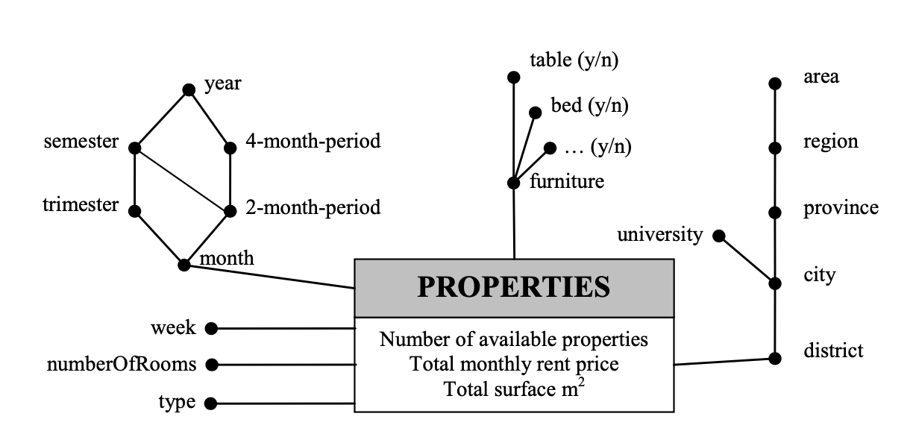 WEEK (weekID, week) MONTH (monthID, month, 2m-period, trimester, 4m-period, semester, year) TYPE (typeID, type) ROOMS (roomsID, numberOfRooms) FURNITURE (furnitureID, table, bed, ...) LOCATION (locationID, district, city, university, province, region, area) SEASON (seasonID, season) YEAR (yearID, year) PRICE_RANGE (priceID, priceMin, priceMax) SURFACE_RANGE (surfaceID, surfaceMin, surfaceMax)
4 | In summer 2005, including only the attics with bed, fridge, and table in Rome, for each city area (district) and for each range of the monthly rent price, select the average number of users per each property who have added the property in their favorite list, and select the average number of users per each property of the city area who have added the property in their favorite list. Order the results according to the city area and the average number of users. | where year=2005 AND season=’summer’ AND bed='y' AND fidge='y' AND table='y' AND city='Rome' group by district, surfaceMin, surfaceMax sum(numUsers) / sum(numProperties) as avgInterestedUsers sum(sum(numUsers))/ sum(sum(numProperties)) over (partition by district) order by district, avgInterestedUsers;
4 | Including only the properties with bed and table in cities where universities are present, select the average monthly rent cost per property for each city, month, and year, select the average monthly rent cost per square meter for each city, month, and year, select the average monthly rent cost per property of the city since the beginning of the year for each city, month, and year. | where bed='y' AND table='y' AND university='y' group by city, month, year sum(topPrice)/ sum(numProperties) sum(topPrice)/ sum(topSquer) sum(sum(topPrice))/ sum(sum(numProperties)) over (partition by city,year order by month ROWS UNBOUNDED PRECEDING) ?? why should we put year in partition by cluse? and not in order by cluse? | 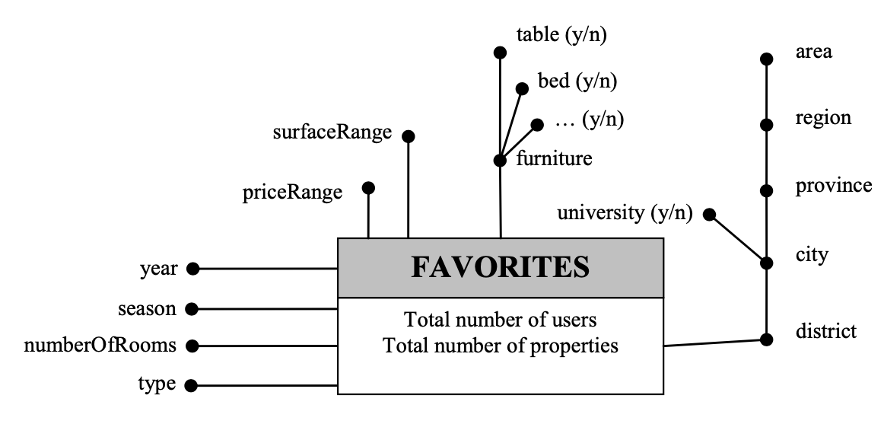
4 | Including only the properties in Piedmont (region), in September, October, and November 2004, select for each city the average monthly rent cost per property and the average monthly rent cost per property of the province in which the city is located. | where region='Piemont', month>=9/2004 AND month<=11/2004 AND year=2004 group by City sum(topPrice))/ sum(numProperties) sum(sum(topPrice))/ sum(sum(numProperties)) over (partition by province)
4 | In 2004, including only the properties with bed and table in cities where universities are present, select the average monthly rent cost per property for each city and month, and the average monthly rent cost per square meter for each city and month. | where year=2004 AND bed='y' AND table='y' AND university='y' group by city, month sum(topPrice) / sum(numProperties) sum(topPrice) / sum(topSquare)
3 | In the first trimester of 2003,regarding the store houses in Turin, select the total value of the products stored in each storehouse at any given date, and select the average daily total value of the products in each storehouse during the previous week (including the current date). | where year=2003 AND trimaster=1 AND city='Turin' group by storehouseID, storehouse, date sum(sum(totValue)) AVG(sum(totValue) over ( partition by storehouseID order by date range between interval '6' day preceding and the current row) | SURFACE (storehouseID, timeID, m2free, m2tot) PRODUCTS (storehouseID, timeID, typeID, totNumber, totValue) TIME (timeID, date, month, trimester, 4month-period, semester, year) TYPES (typeID, type, category) STOREHOUSES (storehouseID, storehouse, city, province, region)
3 | In 2004, for each city and date, select the percentage of daily free surface of the storehouses. Give a rank to the results (rank 1 is the lowest percentage). | 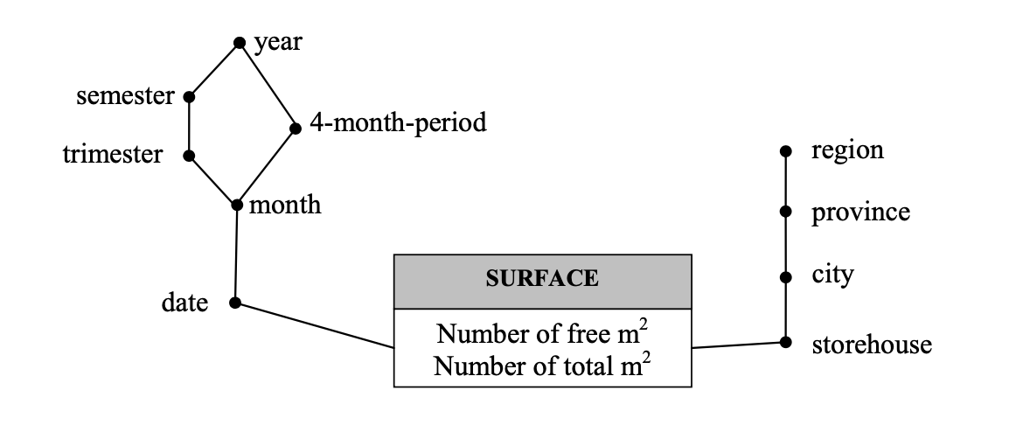 where year=2004 group by city, date, 100*sum(m2free)/sum(m2total) rank() over (sum(m2free)/sum(m2total) ASC)
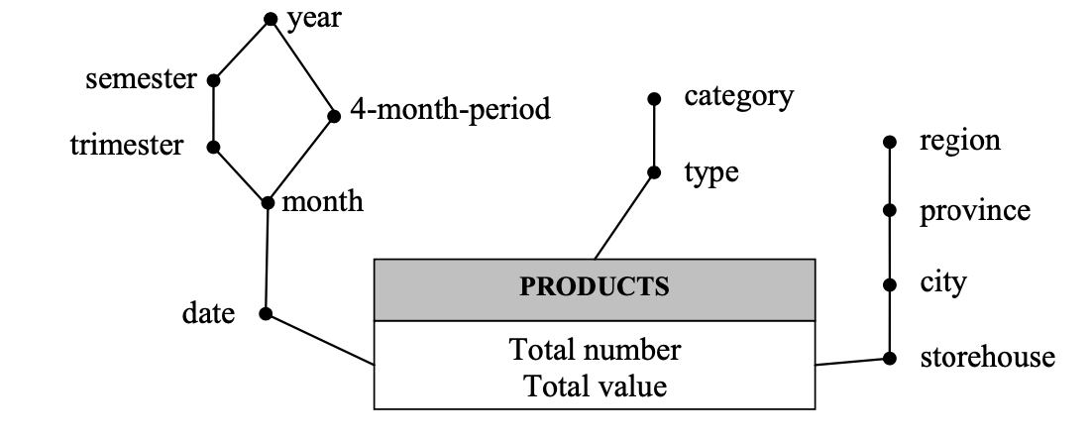
3 | In the first 6months of 2004, select the percentage of free surface for each storehouse and date. | where month>=1/2004 AND month<=6/2004 group by storehouseID, date, storehouse 100*m2free/m2total
3 | In 2003, select the average daily total value of products for each storehouse and month. | where year=2003 group by storehouseID, month, storehouse sum(totValue)/ count(DISTONCT date)
3 | In2003, select the average daily totalvalue of products for each region. | where year=2003 group by region sum(totValue)/ count(DISTONCT region)
3 | In 2004, select the average percentage of daily free surface for each month and region. | where year=2003 group by region, month, date AVG(100*sum(m2free)/sum(m2total)) over (partition by region, month)
2 | In 2005, for each state and month, analyze the portion of rooms which are reserved, free, and unavailable. | where year=2005 group by state, month round(100*sum(reserved)/ sum(total),2), round(SUM(free)*100/SUM(total),2) as Free, round(SUM(unavailable)*100/SUM(total),2) as Unavailable | FEATURES (Features_id, features, shower, refrigerator, whirpool, satellite_TV) TIME (Time_id, day, month, holiday, day_of_week, year) HOTEL (Hotel_id,hotel_name, category, provice, region, state) ROOMS (Features_id, Time_id, Hotel_id, total,free, reserved, unavailable,income)
2 | In 2005, for each state, analyze the portion of rooms which are reserved. Associate a rank to each state according to the portion of reserved rooms for that state in 2005 with respect to all the rooms for that state. The state with the highest ratio of reserved rooms in 2005 must rank first. | where year=2005 group by state round(100*sum(reserved)/sum(total),2) as Reserved Rank() over (order by sum(reserved)/sum(total) DESC) as RankState
2 | In 2005, for each state and month, analyze the income of 4-star hotels and the cumulative income of 4-star hotels. | where year=2005, category='4-star' group by state, month sum(income), sum(sum(income) over (partition by state order by month ROWS UNBOUNDED PRECEDING) as CumIncome
2 | For each state and year, analyze the total income of public holidays. | where holiday = 'y' group by year, state sum(income) ORDER BY year, state
2 | In 2005, for each hotel, analyze the total income of the rooms with satellite TV and whirlpool bath.

