VEDA Sets
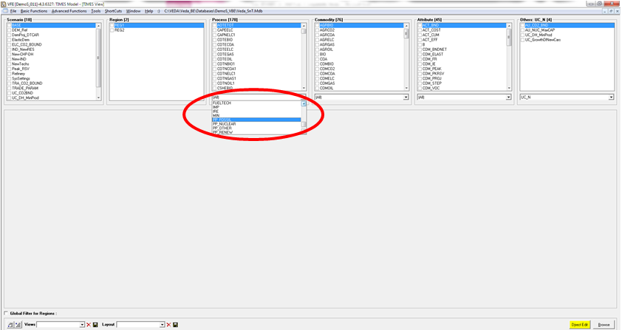
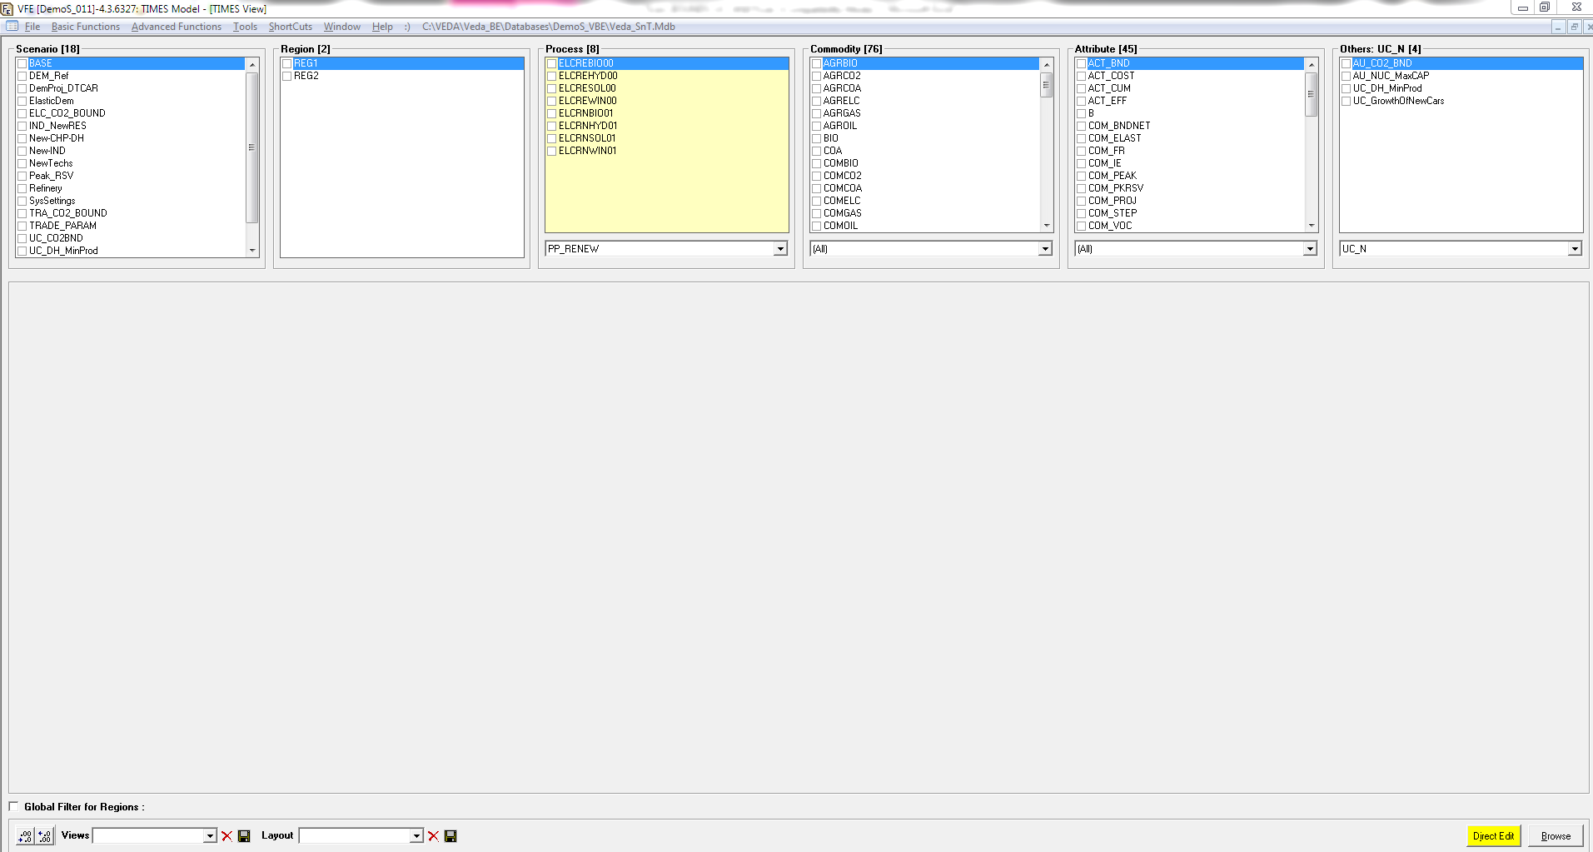
VEDA-BE Sets
It is possible to create group of commodities and technologies (SETS) in VEDA-BE using filter and ruls
These sets generally are used to build output tables but it is possible to link the VEDA-BE database with a VEDA-FE model to use sets in VEDA templates

The first step is link the VEDA-BE databse with a VEDA-FE database
1. Click on Veda_SnT.MDB as shown in the next picture | 2. In the Options window click VEDA-BE Databse and select the path where your VEDA-BE datase is stored
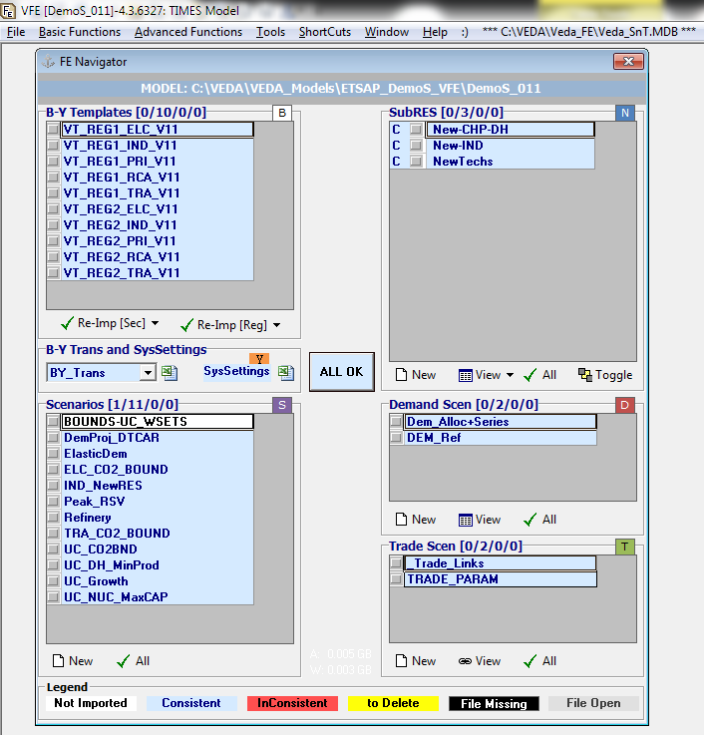
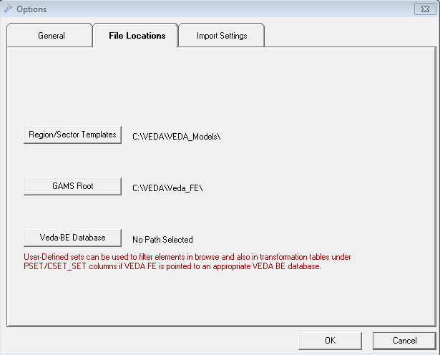
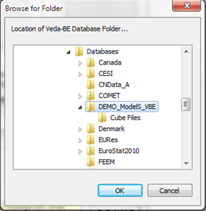

Now in VEDA-FE it is possible to use VEDA-BE sets to browse the model or in scenario templates
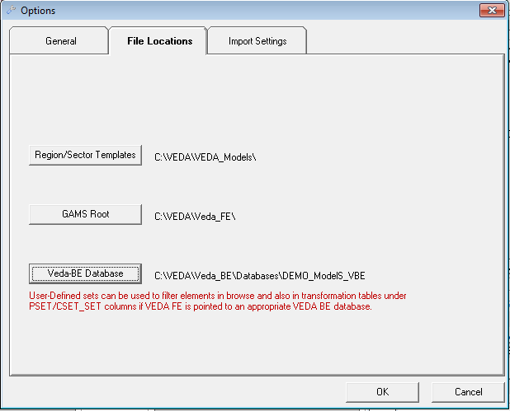
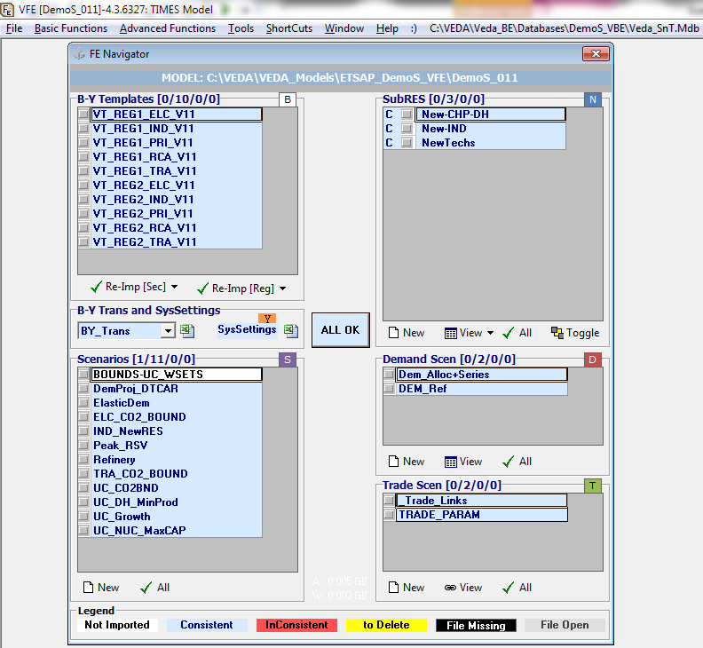

3. VEDA-FE browse and sets use

UC_Set
UC - Each Region/Period
 | ~UC_Sets: R_E: AllRegions
 | ~UC_Sets: T_E:
 |  |  |  |  |  |  |  |  | ~UC_T: UC_COMPRD
 | UC_N | Pset_Set | Pset_PN | Pset_CI | Pset_CO | Cset_CN | Attribute | Year | LimType | UC_FLO | REG1 | REG2 | UC_RHSRTS | UC_RHSRTS~0 | UC_Desc
 | UC_RNW-PP_LOW | PP_RENEW |  |  |  | ELC |  | 2020 | LO | 1 | -10% | -10% | 0 | 15 | Minimum renewable power plants penetration
 |  | PP_RENEW |  |  |  | ELC |  | 2050 | LO | 1 | -20% | -15%

Build a user constraint that specifcy the minimum renewable power plants penetration. The set of renewable technologies is selected using PSet_Set PP_RNW built in VEDA-BE and now available for VEDA-FE templates.

