Sheet1
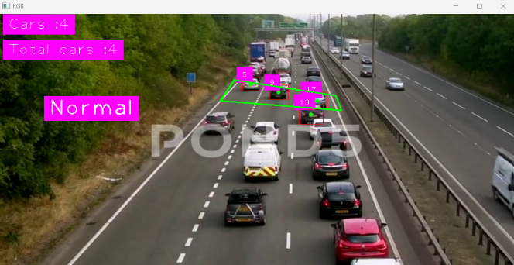
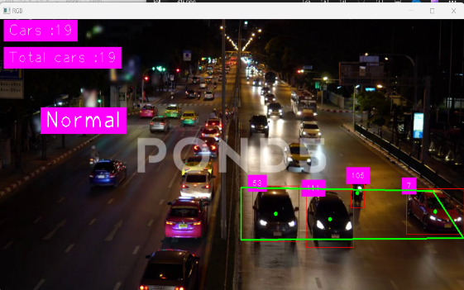
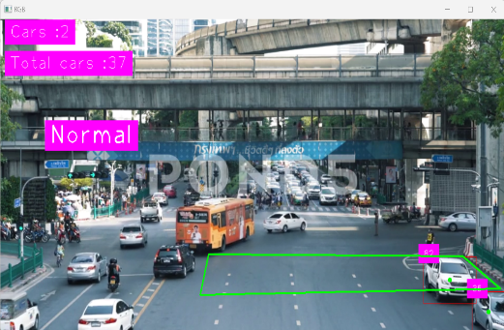
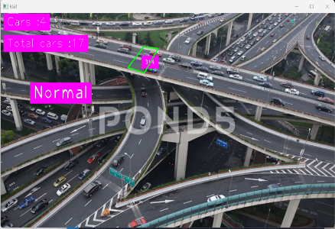
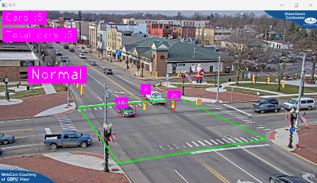
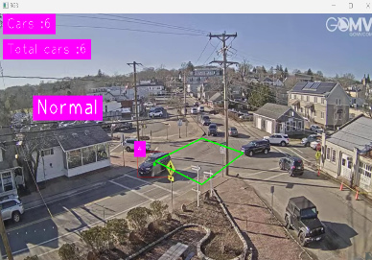
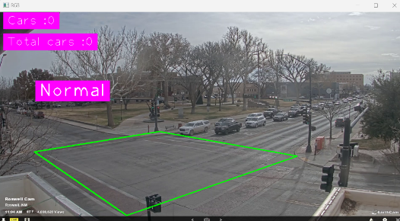
Video name | Satus | 10s | 20s | 30s | 40s | 60s | 90s | Link | Detect model ( car flow ) | >=20s | >=40s | >=60s | Total Cars | 15 | 17 | 18 | 19 | 21 | 22 | 23
10 | Medium | 20 | 40 | 39
11 | Crowed | 19 | 22 | 31 |  |  |  | https://www.istockphoto.com/vi/video/giao-th%C3%B4ng-t%E1%BB%AB-tr%C3%AAn-cao-gm473013017-20732079
12 | Medium | 18 | 27 | 33 |  |  |  | https://www.istockphoto.com/vi/video/%C4%91%E1%BA%A1i-l%E1%BB%99-paulista-b%E1%BA%ADn-r%E1%BB%99n-giao-th%C3%B4ng-gm476719522-66869141
13 | Deserted | 4 | 7 |  |  |  |  | https://www.videezy.com/transportation/48430-motorway-with-cars-passing-by | Normal | 8 |  |  | 8
14 | Crowed | 13 | 20 | 26 | 35 |  |  | https://www.pond5.com/fr/stock-footage/item/49899899-morayfield-australia-may-2-flash-flooding-causes-heavy-m1-tr | Crowed | 37 | 16 |  | 55
15 | Crowed | 6 | 10 | 14 | 18 | 27 | 39 | https://www.istockphoto.com/vi/video/saara-%E1%BB%9F-rio-de-janeiro-gm900570366-248454342 | Crowed | 18 | 33 |  | 52
16 | Medium | 13 | 18 |  |  |  |  | https://www.pond5.com/stock-footage/item/244680815-slow-motion-traffic-passes-speed-camera-use-sign-4k
17 | Crowed | 13 | 16 |  |  |  |  | https://www.pond5.com/fr/stock-footage/item/106466822-crossroads-traffic-jam-night-time-busy-car-traffic-crowded-s | Crowed | 30 |  |  | 30
18 | Crowed | 16 | 27 | 44 |  |  |  | https://www.pond5.com/fr/stock-footage/item/106198137-busy-traffic-street-many-cars-moving-city-road-crossroads |  | 35 | 2 |  | 37
19 | Crowed | 12 | 18 |  |  |  |  | https://www.pond5.com/fr/stock-footage/item/11292392-shanghai-aerial-view-elevated-freeway-cars-traffic-jam-conge |  | 13 | 16 |  | 30
20 | Crowed |  |  |  |  |  |  | https://www.pond5.com/fr/stock-footage/item/48781140-traffic-drives-through-busy-street-rush-hour-hyderabad-city |  | 150 |  |  | 150
21 | Medium | 10 | 15 | 25 | 30 | 43 |  | https://www.youtube.com/watch?v=ByED80IKdIU |  | 20 | 24 | 43 | 104
22 | Medium | 5 | 7 | 11 | 12 | 20 |  | https://www.youtube.com/watch?v=CHd0z44hTQc |  | 12 | 13 | 6 | 44
23 | Medium | 10 | 20 | 27 | 35 | 41 |  | https://www.earthcam.com/usa/newmexico/roswell/?cam=roswell |  | 133 |  |  | 133
24 | Medium | 7 | 10 | 13 | 18 | 26 |  | https://www.earthcam.com/usa/kentucky/scottsville/?cam=scottsville
25 | Medium | 8 | 16 | 19 | 20 | 20 |  | https://www.youtube.com/watch?v=B0YjuKbVZ5w

1 | 11 | 22 | 26 | 31
2 | 2 | 8 | 19
3 | 3 | 17 | 26 | 30
4 | 10 | 18 | 26 | 33 |  | 40
5
6
7 | 2 | 6 | 16 | 21 |  |  |  | Normal | 19 |  |  | 29
8 | 3 | 18 | 40 | 53
9 |  | 16 | 29 | 36

