Bug Report
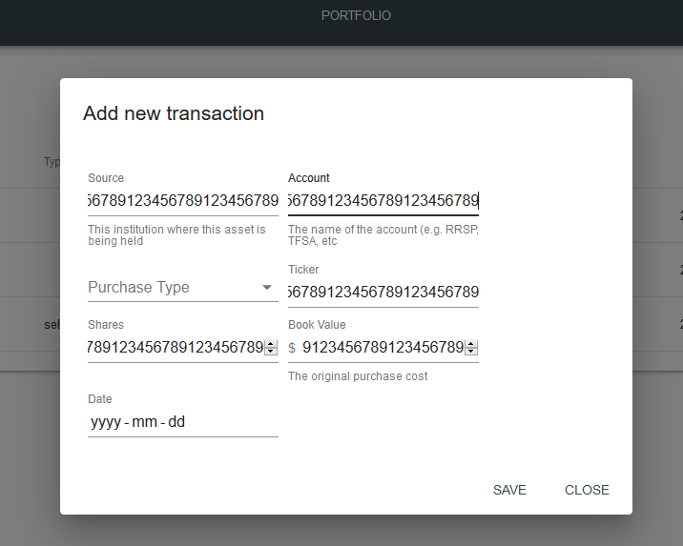
Category | Label | Value
Bug ID | ID number | #127
 | Name | The maximum number of characters is not defined for all the fieldse to add new item to my cart
 | Reporter | Krutika Raj
 | Submit Date | 2016-03-04
Bug overview | Summary | The maximum number of characters is not defined for all the fieldse to add new item to my cart | Made by Gary Gaspar
 | URL | http://entaxy-staging.s3-website.ca-central-1.amazonaws.com | https://getmarker.io
 | Screenshot
Environment | Platform | Macintosh
 | Operating System | OS X 10.12.0
 | Browser | Chrome 53
Bug details | Steps to reproduce | Go to Portfolio-> Transactions->Add a transaction Add value 1234567892345667891231456789 for all the fields (Source, account, Shares, Ticker, Book value).
 | Expected result | All the fields should have a pre-defined maximum character length
 | Actual result | There is no maximum character length defined for the fields in the transaction page (Source, account, Shares, Ticker, Book value)
 | Description
Bug tracking | Severity | Major
 | Assigned to | /
 | Priority | High
Notes | Notes | /

