Dashboard
Breast Cancer Diagnostic Dataset — Clean Exploratory Dashboard

Uploaded workbook audit: 568 records. Radius bands are descriptive size buckets, not clinical risk categories.

Total records |  |  | Malignant diagnoses | Malignant share | Missing Area Mean
568 |  |  | 211 | 37.1% | 1

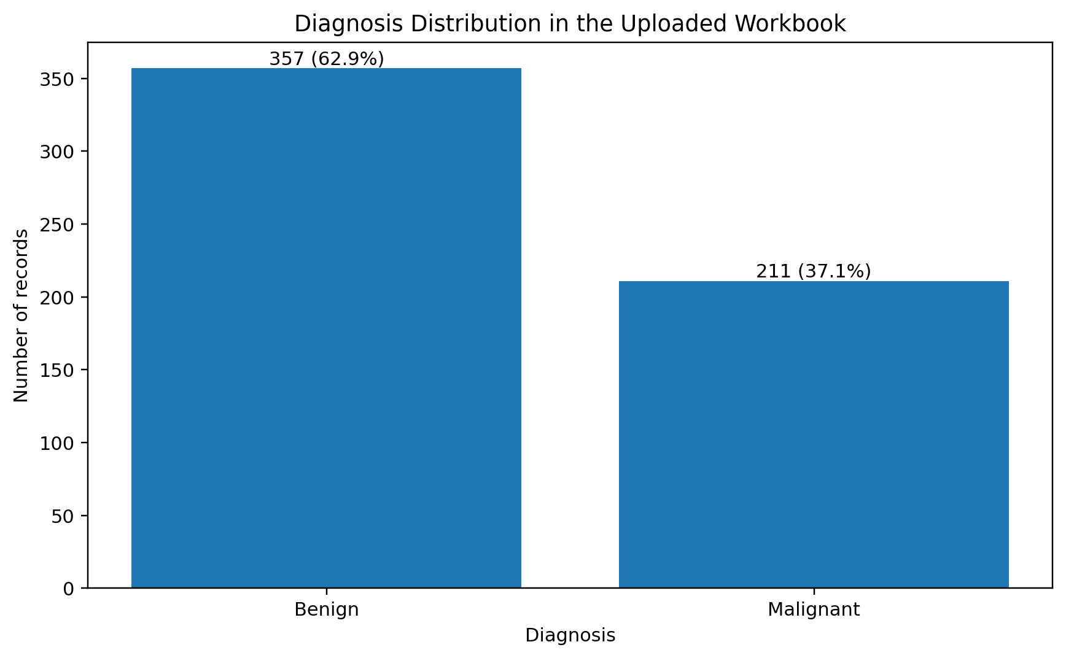
Diagnosis distribution
Diagnosis | Count | Share
Benign | 357 | 62.9%
Malignant | 211 | 37.1%

Radius-band distribution by diagnosis
Radius Band | Benign | Malignant | Total
Low | 162 | 6 | 168
Medium | 142 | 26 | 168
High | 53 | 179 | 232

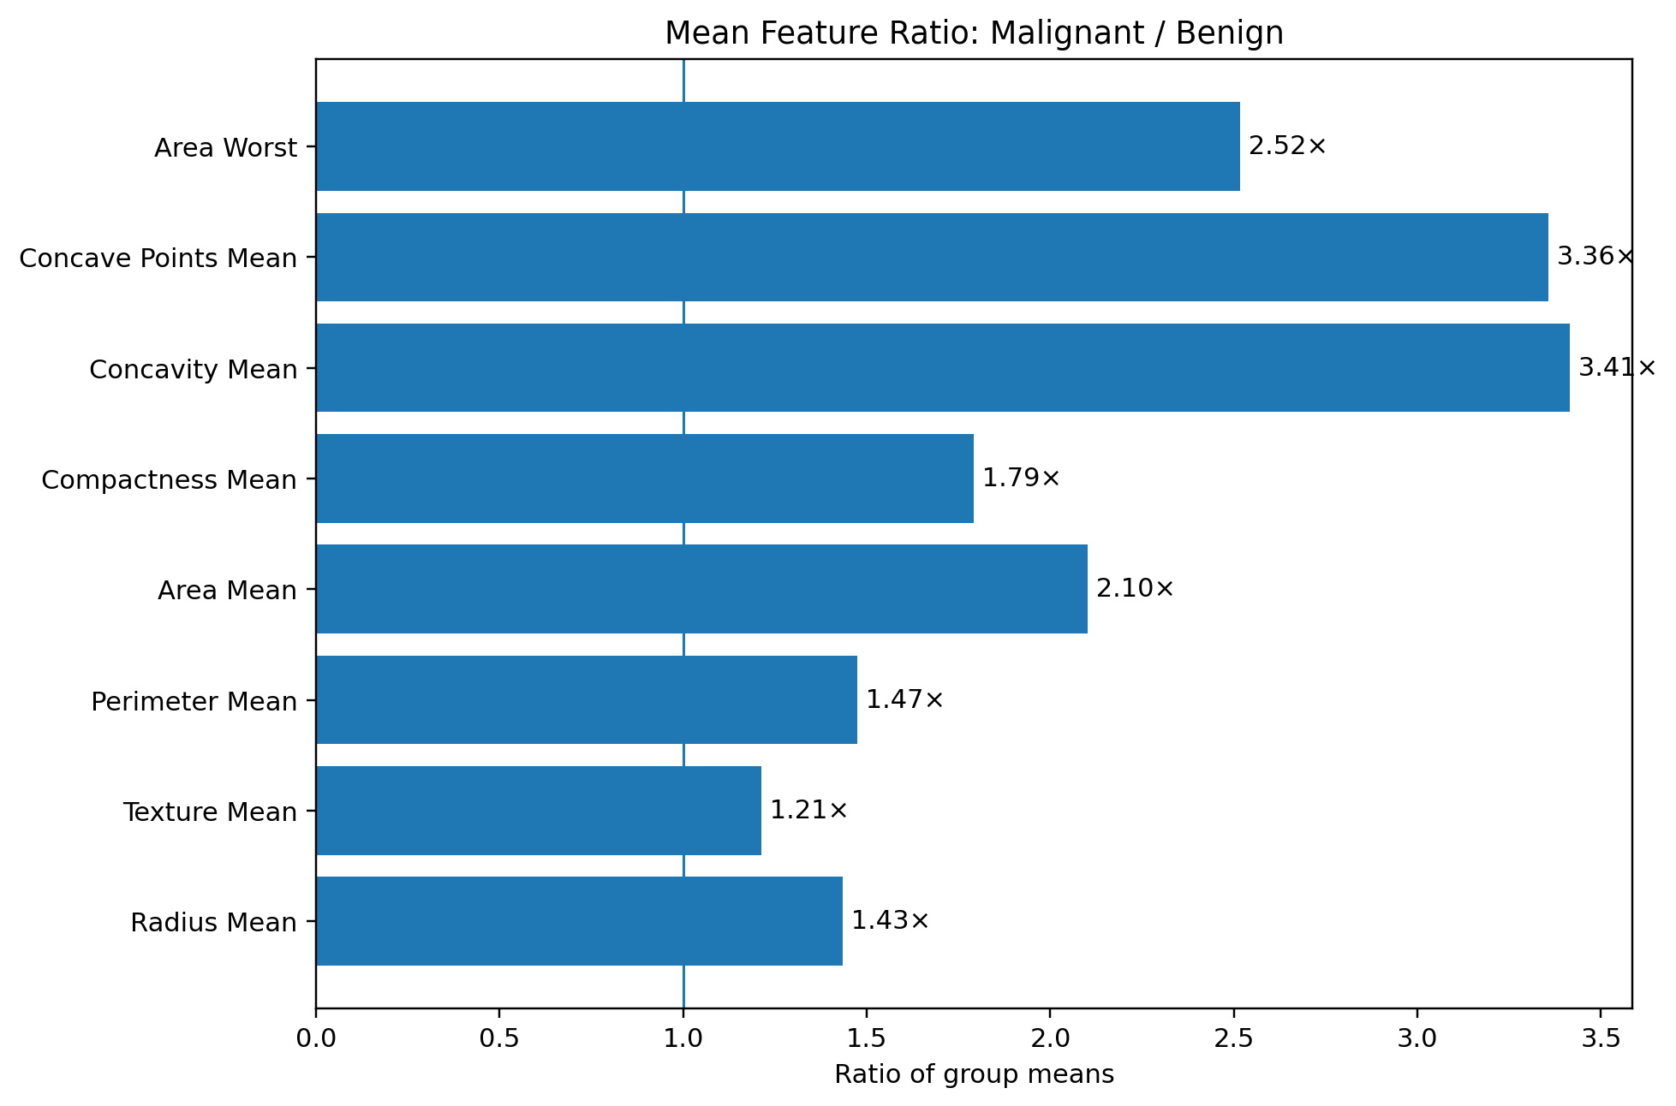
Selected mean feature comparison
Feature | Benign mean | Malignant mean | M/B ratio
Radius Mean | 12.175 | 17.460 | 1.4340923747
Perimeter Mean | 78.285 | 115.330 | 1.4732057893
Area Mean | 465.624 | 978.269 | 2.1009846224
Compactness Mean | 0.081 | 0.145 | 1.7904407582
Concavity Mean | 0.047 | 0.160 | 3.4140815722
Concave Points Mean | 0.026 | 0.088 | 3.3567432353
Area Worst | 563.803 | 1419.458 | 2.5176515552

Interpretation note: the analysis is descriptive and educational. It does not provide diagnosis, prognosis or clinical risk prediction. The uploaded workbook contains 568 records, not 569, and one Area Mean value is missing.

Feature_Analysis
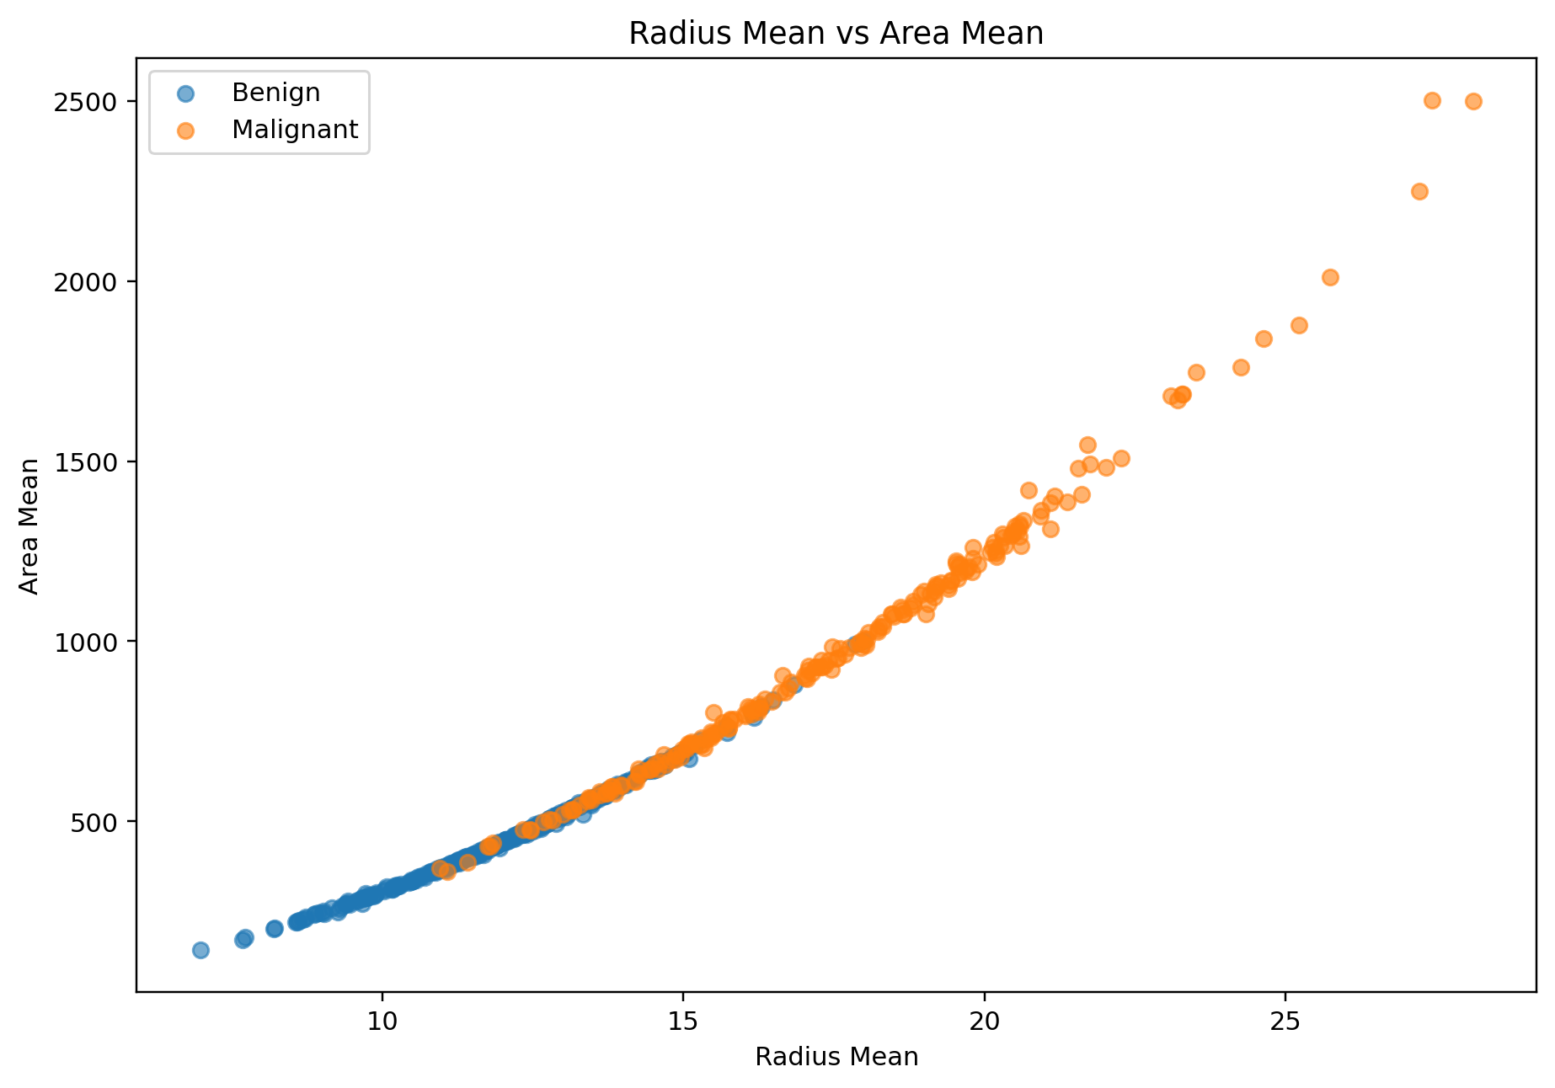
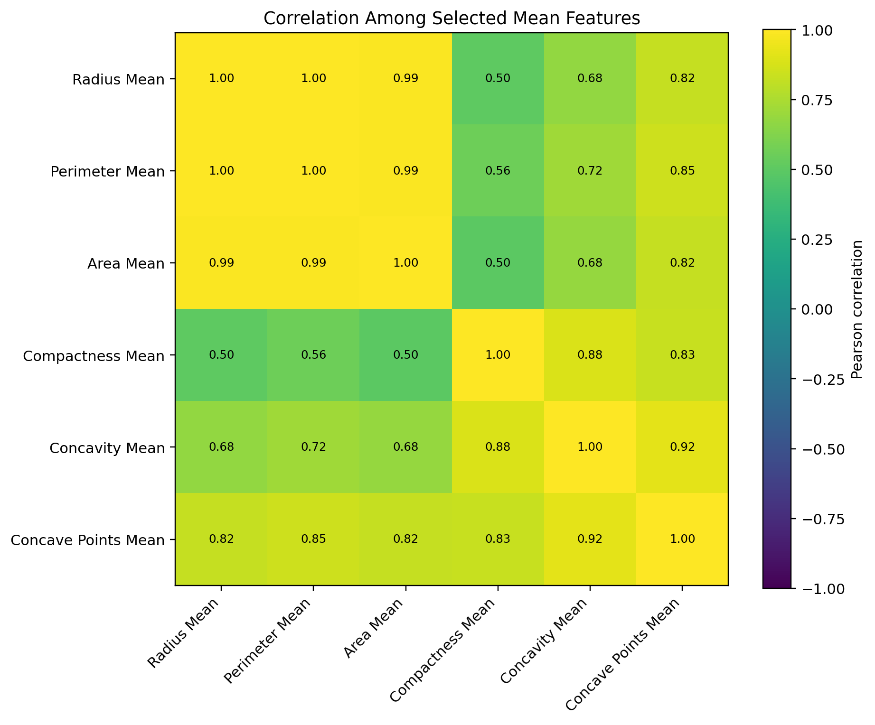
Feature Analysis

Feature | Benign Mean | Malignant Mean | Malignant / Benign | Correlation matrix — selected mean features
Radius Mean | 12.175 | 17.460 | 1.4340923747 | Feature | Radius Mean | Perimeter Mean | Area Mean | Compactness Mean | Concavity Mean | Concave Points Mean
Texture Mean | 17.875 | 21.658 | 1.2116355512 | Radius Mean | 1.000 | 0.998 | 0.988 | 0.505 | 0.676 | 0.822
Perimeter Mean | 78.285 | 115.330 | 1.4732057893 | Perimeter Mean | 0.998 | 1.000 | 0.987 | 0.556 | 0.715 | 0.851
Area Mean | 465.624 | 978.269 | 2.1009846224 | Area Mean | 0.988 | 0.987 | 1.000 | 0.496 | 0.685 | 0.823
Compactness Mean | 0.081 | 0.145 | 1.7904407582 | Compactness Mean | 0.505 | 0.556 | 0.496 | 1.000 | 0.883 | 0.831
Concavity Mean | 0.047 | 0.160 | 3.4140815722 | Concavity Mean | 0.676 | 0.715 | 0.685 | 0.883 | 1.000 | 0.921
Concave Points Mean | 0.026 | 0.088 | 3.3567432353 | Concave Points Mean | 0.822 | 0.851 | 0.823 | 0.831 | 0.921 | 1.000
Area Worst | 563.803 | 1419.458 | 2.5176515552

