Sheet1
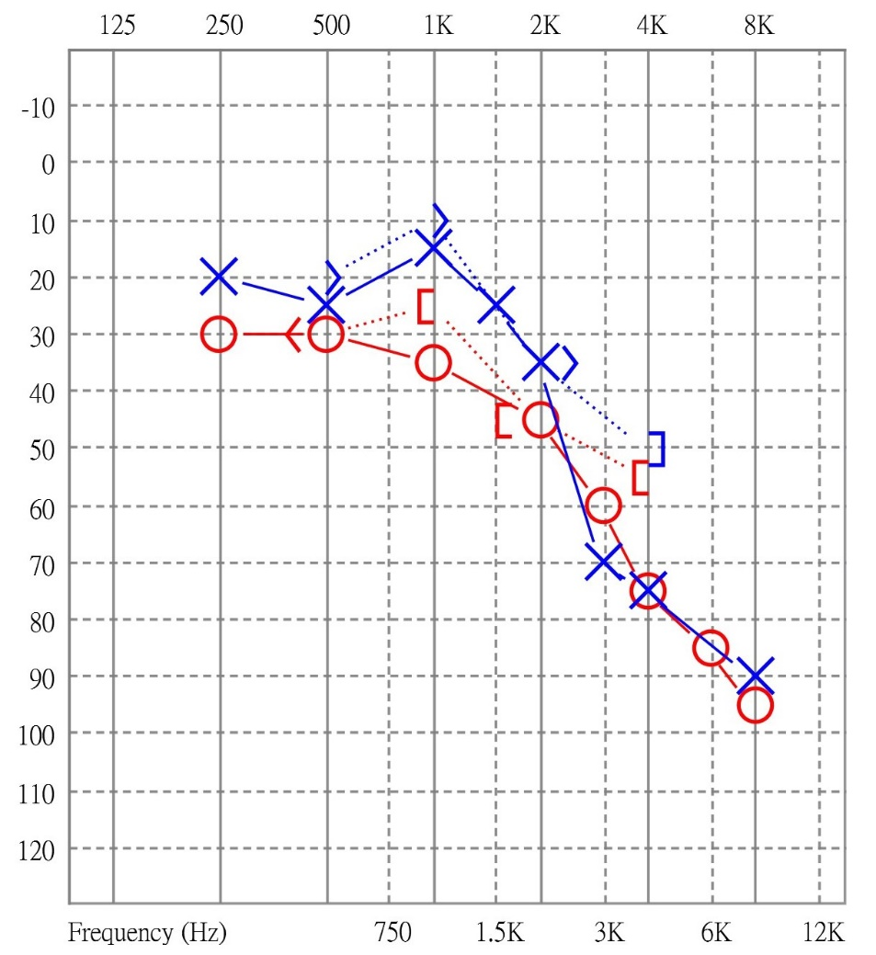
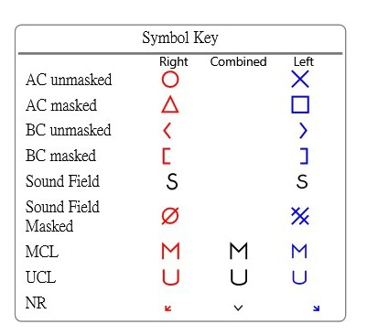
Name
ID |  |  |  |  |  |  | Variable explanation |  |  | Legend and variable combination
Point | Hz | Laterality | Level | Conduction | Masked | overwhelm |  | category | variable
1 | 0 | 0 | 20 | 1 | 0 | 0 | Hz | 0 | 250 |  |  | Symbol | Laterality | Conduction | Masked
2 | 0 | 1 | 30 | 1 | 0 | 0 |  | 1 | 500 |  | AC unmasked | ○/ X | 1 / 0 | 1 | 0
3 | 1 | 0 | 20 | 0 | 0 | 0 |  | 2 | 750 |  | AC masked | △/□ | 1 / 0 | 1 | 1
4 | 1 | 0 | 25 | 1 | 0 | 0 |  | 3 | 1000 |  | BC unmasked | < / > | 1 / 0 | 0 | 0
5 | 1 | 1 | 30 | 1 | 0 | 0 |  | 4 | 1500 |  | BC masked | [ / ] | 1 / 0 | 0 | 1
6 | 1 | 1 | 30 | 0 | 0 | 0 |  | 5 | 2000
7 | 3 | 0 | 10 | 0 | 0 | 0 |  | 6 | 3000
8 | 3 | 0 | 15 | 1 | 0 | 0 |  | 7 | 4000
9 | 3 | 1 | 25 | 0 | 1 | 0 |  | 8 | 6000
10 | 3 | 1 | 35 | 1 | 0 | 0 |  | 9 | 8000
11 | 4 | 0 | 25 | 1 | 0 | 0 | Laterality | 0 | left
12 | 5 | 0 | 35 | 0 | 0 | 0 |  | 1 | right
13 | 5 | 0 | 35 | 1 | 0 | 0 | Conduction | 0 | Bone Conduction
14 | 5 | 1 | 45 | 0 | 1 | 0 |  | 1 | Air Conduction
15 | 5 | 1 | 45 | 1 | 0 | 0 | Masked | 0 | unmasked
16 | 6 | 1 | 60 | 1 | 0 | 0 |  | 1 | masked
17 | 6 | 0 | 70 | 1 | 0 | 0 | overwhelm | 0 | no-arrow
18 | 7 | 0 | 50 | 0 | 1 | 0 |  | 1 | arrow
19 | 7 | 1 | 55 | 0 | 1 | 0
20 | 7 | 0 | 75 | 1 | 0 | 0
21 | 7 | 1 | 75 | 1 | 0 | 0
22 | 8 | 1 | 85 | 1 | 0 | 0
23 | 9 | 0 | 90 | 1 | 0 | 0
24 | 9 | 1 | 95 | 1 | 0 | 0

