Bibliography
Topic | Date | Comments | Author | Images | Link
Four Bar Knees Study | 23.01.24 | This paper studies the effect of replacing pin joint knees with four-bar knees. Here you can find 1) Four bar mechanism analysis 2) Stiffness reduction phenomenom due to four bar singular point 3) Reaction force reduction due to stiffness reduction 4) Efficiency increament due to smaller slope descending capability | Aikaterini Smyrli | 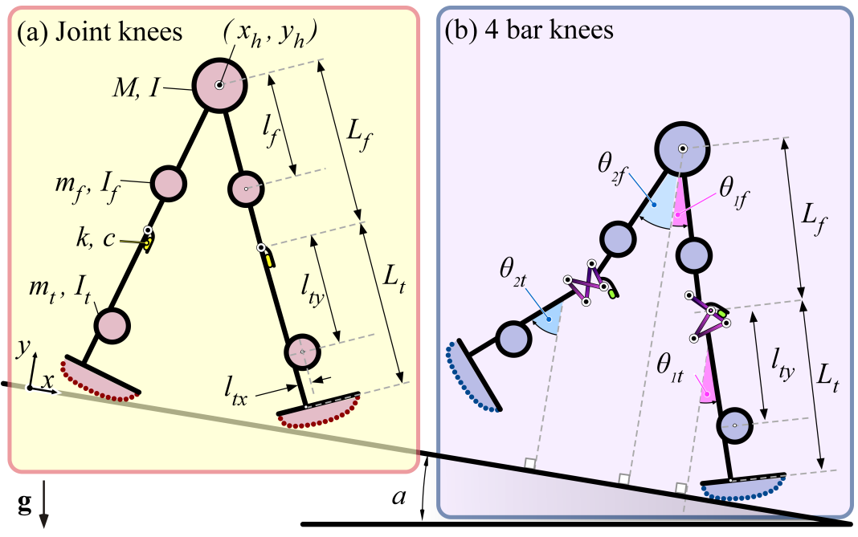 | IROS22.pdf
Four Bar Knees Study | 22.01.24 | This paper studies the passive biped walker with knees and biomimetic. Here you can find: 1) Model description and viscoelastic kneecap stop model 2) The fact that foot shape affects the direction of the moments acting on the joint 3) Differential algebraic equation of the model 4) Design investigation of robot parameters | Aikaterini Smyrli | 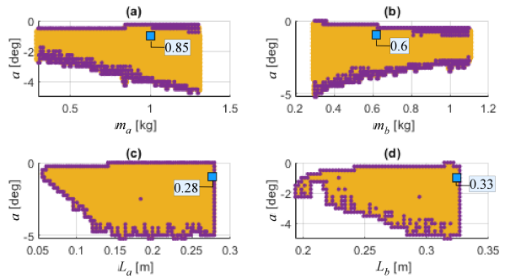 | icra22.pdf
Optimal foot shape study | 22.01.24 | This paper introduces a methodology for arbitary foot shape generation in the passive walking dynamics 1) Calculation of algebraic constraint vector and constraint Jacobian matrix for arbitary foot shape 2) Explanation of the only one differentiation constraint vector for algebraic equation solution 3) Methodology for foot shape selection based on human-like ankle trajectory | Aikaterini Smyrli | 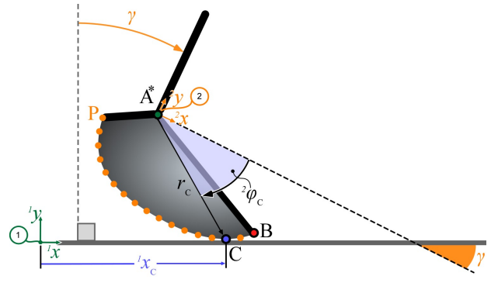 | ICRA20a.pdf
Biped robot conscept | 22.01.22 | In the biped walking model is completely investigated. Here you can find 1) Walking phases and events description 2) Model structure and the parameters 3) Gait function definition 4) Gait stability definition 5) Nominal model for opimal stability 6) Effect of the parameter variations and conclutions | Aikaterini Smyrli | 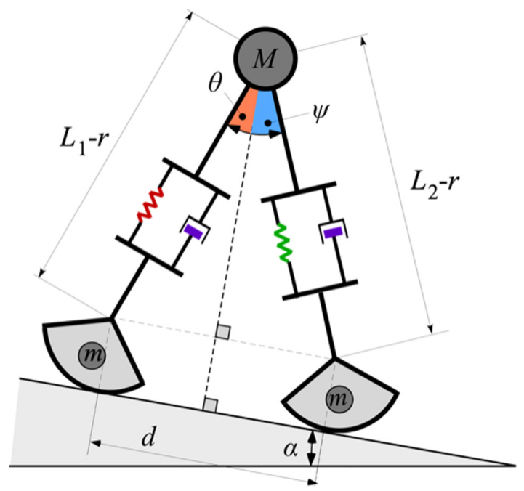 | JBE21.pdf
Biped robot conscept | 22.01.25 | In this thesis you can find: 1) Insertion of constraints using lagrange multipliers 2) Parameterization analisys + analysis of the parameters effect 3) Introduction to poincare illustration 4) Model equations 5) Phase alteration conditions 6) Control of the robot and fully actuated model based system in order to determine wich of the DoFs are important to have actuation 7) Insertion non linear p-v terms in the control | Aikaterini Smyrli | 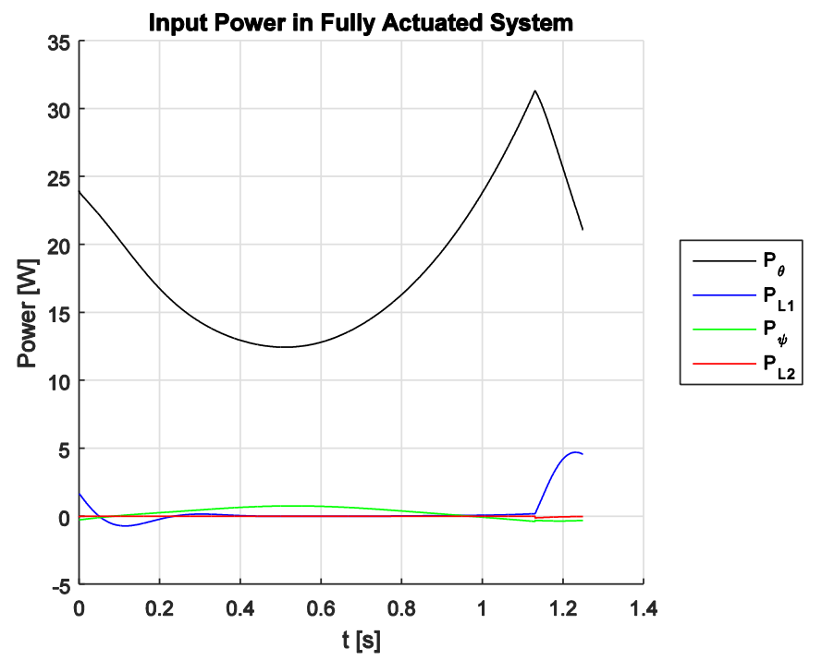 | Smyrli_thesis_final.pdf
Biped robot manufacturing | 22.01.25 | In this thesis you can find 1) Dimension scaling analysis 2) Contact modeling, Friction modeling (stribeck model etc.), Stress and dynamic loading theory 3) Adams modeling theory 4) Design specifications and design methods 5) Loading profiles extraction 6) Robastness study (k,b, μ, L deviations) of the model using Adams 7) Manufacturing methods and subsystem validation 8) Experimental setup description | Vasileiou Christos | 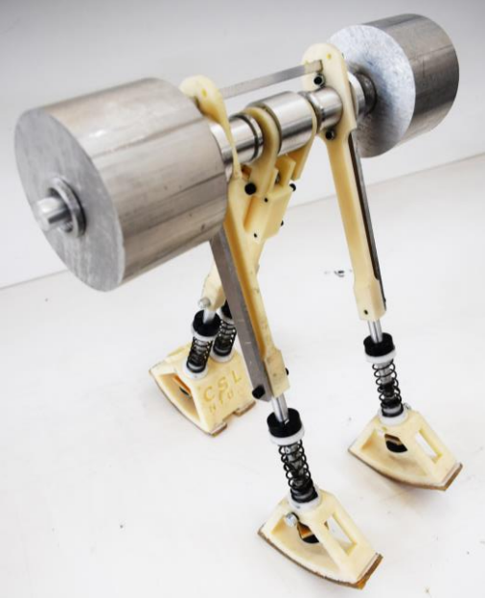 | Vasileiou_Thesis_2019.pdf
3D Biped with knees and arms | 22.01.26 | In this paper you can find: 1) Use of arms to negate yaw induced by leg swinging. 2) Lateral - swinging arms to stabilize side-to-side lean. 3) Collisional indeterminacy rejection using hinged arcs (Soft heel design) (This design can be modified for our application using as spring - rubber) | Collins, Ruina | 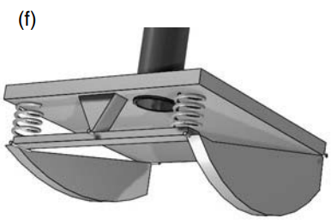 | CollinsRuinaPassiveLegsKnees.pdf
2D Design with hip and knees | 22.01.27 | In this book you can find: 1) The testing no knees machine. (Intresting that the foot shapes are connected with screws 2) Foot design with switch (Allows to the controller to adapt ot the actual step time by resgistering the exact instant of heel strike 3) We notice rectangular cross section in order the cables to pass through them 4) Insertion of actuator requirment (the actuators should not interfer with the passie swinging motion of the legs 5) McKibben muscle implementation (for Mike construction) 6) Introduces bisecting hip mechanim using auxiliary axle connected with the legs with one straight and one cross-over chain. 7) In general here the use of knees seems to be only in order to avoid ----- with the ground 8) CO2 flow throught the pneumatic system is a slow first order system with time constant ~ 0.25s 9) The experiment is near to the simulation. First knee strike occures and then hill strike. 10) Observation that the knees of the outer legs bend less than predcted by the simulation due to friction and dumping 11) In order to measure stability they measure the velocity just before the heel strike. This eliminates the transient oscilations due to the hill strike 12) Insertion of robustness study versus steps (They can be modeled as temporal increament of the slope) 13) Max CoT = 0.32 14) In this book you can also find information about Denise robot | Martijn Wisse | 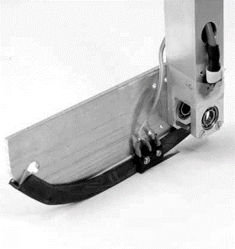 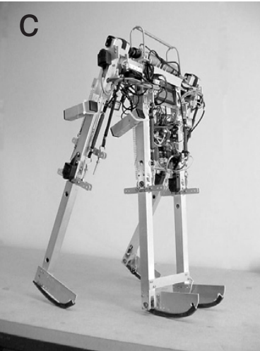 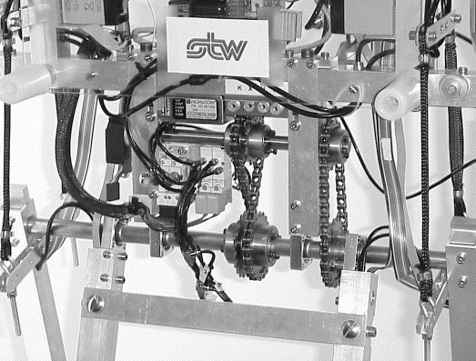 | WisseBookMikeDesign.pdf
Biped with knees | 22.02.03 | In this thesis you can find: 1) Conservative walking explanation. Smaller polygon of support leads considerable motion constrain. As a result they have high energy consumption. Comparison with dynamic stability. (Allows the system to have the ground projection of center of mass to leave the support polygon as long as it re-stabilizes again before falling over 2) Explanation of passive dynamic walking 3) Uses parameter estimation of a robot build to match the kneed walker 4) Explanation of online learning controller of Tedrake (Reinforcement learning) ( The control policy is approximated by gradient descent method. Desired behavior is stable motion in the frontal plane) 5) 1:5 Lower vs Uper leg mass in order the swing leg to bend the knee as it swings 6) Uses global stability analysis: Basin of attraction 7) Use of square aluminum tube for the upper leg. Use of Garolite for the lower legs 8) Knee locking methods study. 9) Insertion of switches in order to activate - deactivate the knee lock 10) Use of cameras as motion sensors for the passive robot. Data parsing using matlab and noise filtering 11) Parameters estimation using linear least-squares estimator (LLSE) method 12) Indentification of problems such as, Mismatch in the position of the outer feet, Delayed knee lock, Hyper - extension of the leg. | Vanessa F. Hsu Chen | 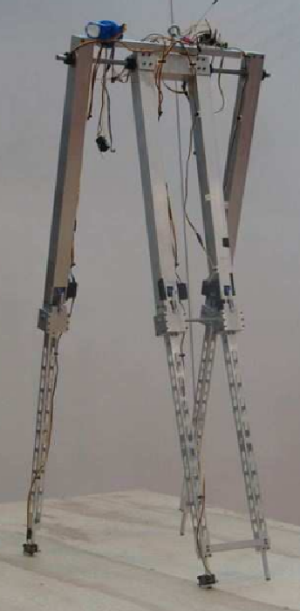 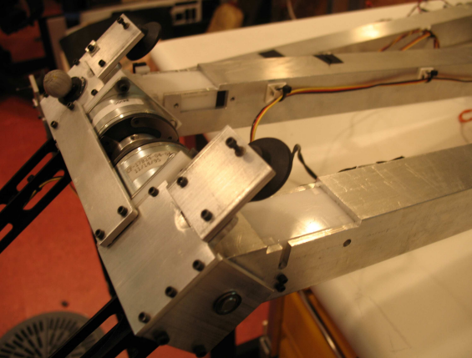 | VanessaFHsuChenThesis.pdf
 | 22.02.03 | In this thesis you can find: 1) Luigi's upper thigs are divided into cap and body. Use of abs for implementation 2) Pattela and shank into one peace. | Philip Hatzitheodorou

