Φύλλο1
Topic | Date | Comments | Author | Images | Link
Four Bar Knees Study | 23.01.24 | This paper studies the effect of replacing pin joint knees with four-bar knees. Here you can find 1) Four bar mechanism analysis 2) Stiffness reduction phenomenom due to four bar singular point 3) Reaction force reduction due to stiffness reduction 4) Efficiency increament due to smaller slope descending capability | Aikaterini Smyrli | 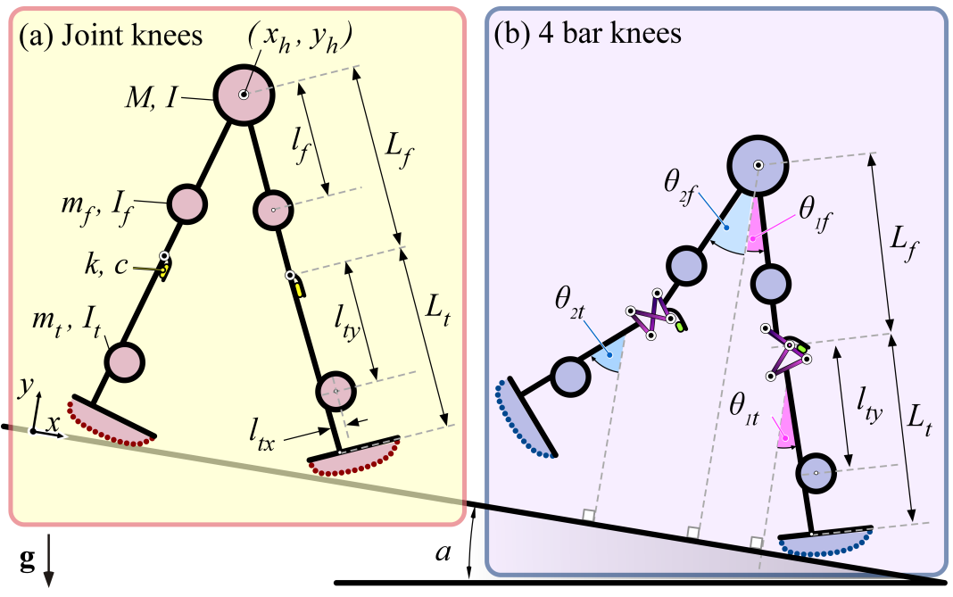 | IROS22.pdf
Four Bar Knees Study | 22.01.24 | This paper studies the passive biped walker with knees and biomimetic. Here you can find: 1) Model description and viscoelastic kneecap stop model 2) The fact that foot shape affects the direction of the moments acting on the joint 3) Differential algebraic equation of the model 4) Design investigation of robot parameters | Aikaterini Smyrli | 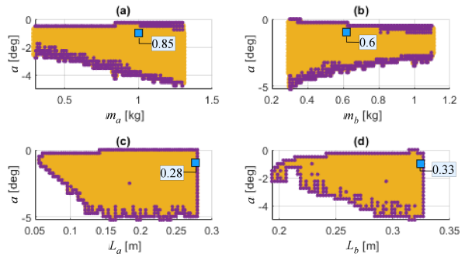 | icra22.pdf
Optimal foot shape study | 22.01.24 | This paper introduces a methodology for arbitary foot shape generation in the passive walking dynamics 1) Calculation of algebraic constraint vector and constraint Jacobian matrix for arbitary foot shape 2) Explanation of the only one differentiation constraint vector for algebraic equation solution 3) Methodology for foot shape selection based on human-like ankle trajectory | Aikaterini Smyrli | 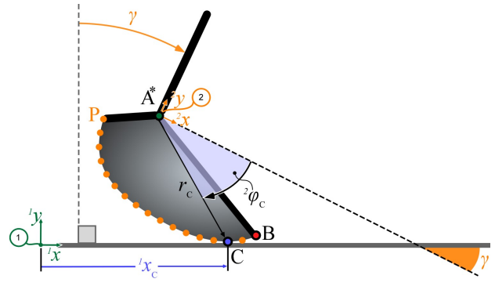 | ICRA20a.pdf
 | 22.01.22 | In the biped walking model is completely investigated. Here you can find 1) Walking phases and events description 2) Model structure and the parameters 3) Gait function definition 4) Gait stability definition 5) Nominal model for opimal stability 6) Effect of the parameter variations and conclutions | Aikaterini Smyrli | 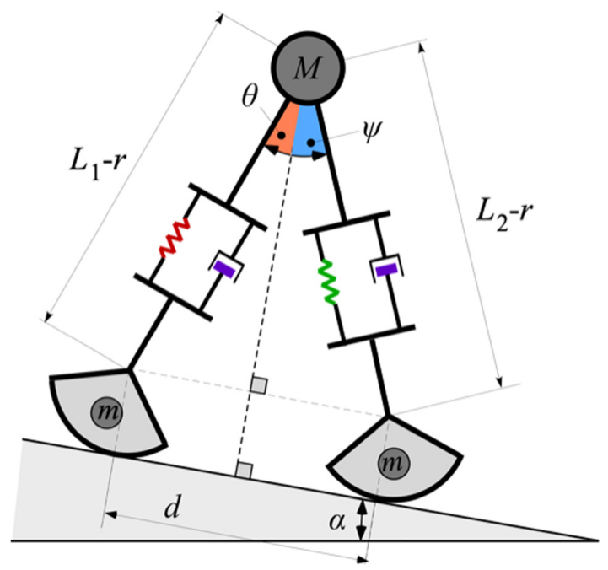 | JBE21.pdf

 |  |  | `

