GemNet Detailed Test Cases
Test Case ID | Test Case Description | Preconditions | Test Steps | Test Data | Expected Result | Actual Result | Status | Remarks
REG-001 | Verify registration page loads with all required fields | User not logged in | 1.Open site 2.Click register | N/A | Form displayed correctly | Form Visible | Pass
REG-002 | Verify user can register with valid data | User on form | 1.Enter valid data 2.Submit | Role:Buyer ,FIrstname : Veeroda, Lastname :lakshani, Email:iit21016@std.uwu.ac.lk, pw:Veeroda123, Phone number:+94701418312, DOB: 2005.07.28, Address:galigamuwa, NIC: 200171203934 | Registration successful and continue to face verification | registerd and face verification started | Pass
REG-003 | Verify email validation works | Form open | 1.Enter invalid email 2.Submit | iit21089gmail.com | Error message shown | No error message shown | Fail
REG-004 | Verify password strength validation | Form open | 1.Enter weak password | 123 | Error shown | Error shown: Password should contain */@# characters and 8 -12 length | Pass
REG-005 | Verify face capture required | Form open | 1.Skip face capture | N/A | Validation error | Error shown | Pass
REG-006 | Verify face capture required | Form open | 1.turn on camera UI and Take face capture | captured image of the face | face verification complete and add NIC images | face verification complete | Pass
REG-007 | Verify NIC upload required | Form open | 1.Skip NIC upload 2.Submit | No NIC | Validation error | error occured | Pass
REG-008 | Verify NIC upload required | Form open | 1.Add NIC 2.submit | image of NIC(Front side) | Verification processing and after that successful verification | verification completed | Pass | 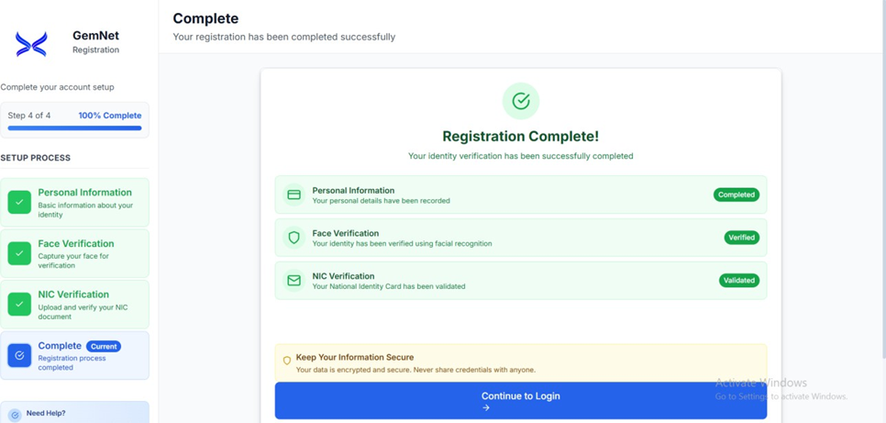
REG-009 | Verify mismatch face & NIC triggers verification | Form open | 1.Upload different NIC 2.Capture face | Mismatch | Admin review required | directed registratiion request to the admin review (with uploaded NIC images and registration details) | Pass
REG-010 | Verify successful login after registration | User registered | 1.Login | ( Buyer Account) emai: iit21001@std.uwu.ac.lk , PW Pasindu123 | User redirected to dashboard | User logged in and directed | Pass | 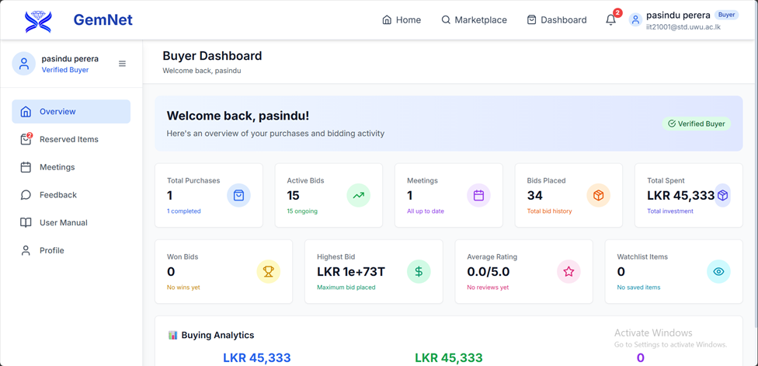
REG-011 | Verify successful login after registration | User registered | 1.Login | (Seller Account) emai: iit21017@std.uwu.ac.lk , PW Dinushi123 | User redirected to dashboard | User logged in and directed | Pass | 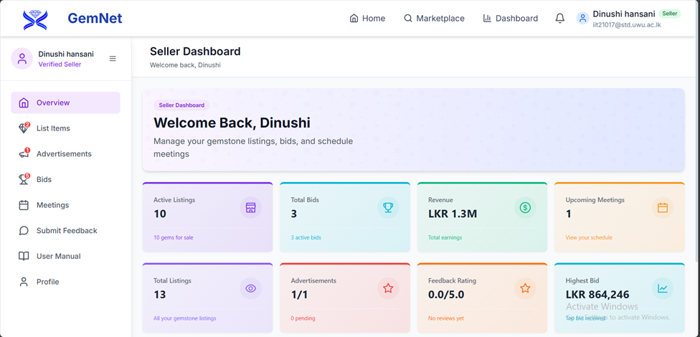
REG-012 | Verify successful login after registration | User registered | 1.Login | (Admin Account) emai: iit21062@std.uwu.ac.lk , PW Mallika123 | User redirected to dashboard | User logged in and directed | Pass | 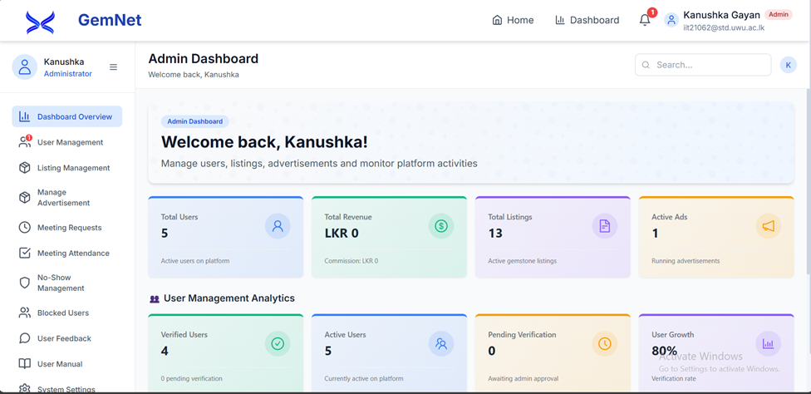
REG-013 | verification failed | verification incompleted | check unverified user list on admin dashboard | N/A | unverified user visible with registration details(personal information+ identity images) | unverified user visible with registration details(personal information+ identity images) | Pass | 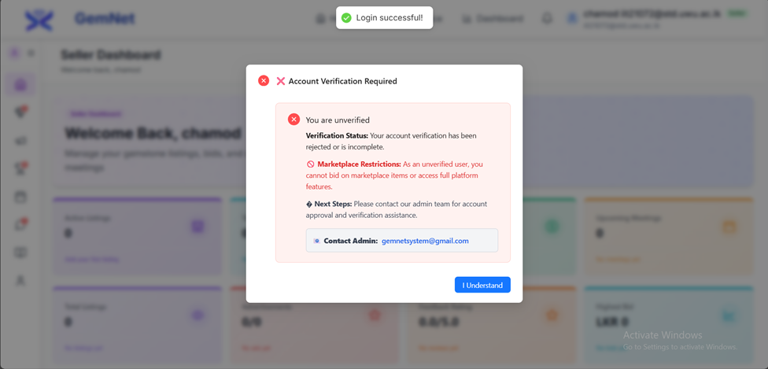
REG-014 | verify unverified users details by admin | user unverified | check usermanegement section on admin dashboard | review unverification user request | personal information + identity information of the unverified user | personal information + identity information of the unverified user review and accepted by manually | Pass | 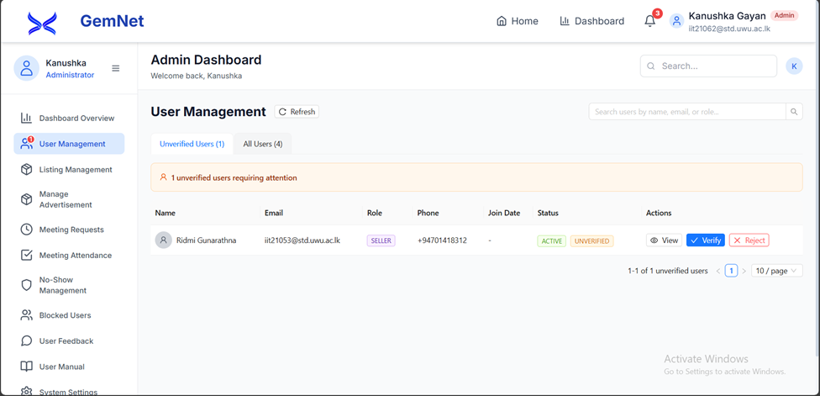 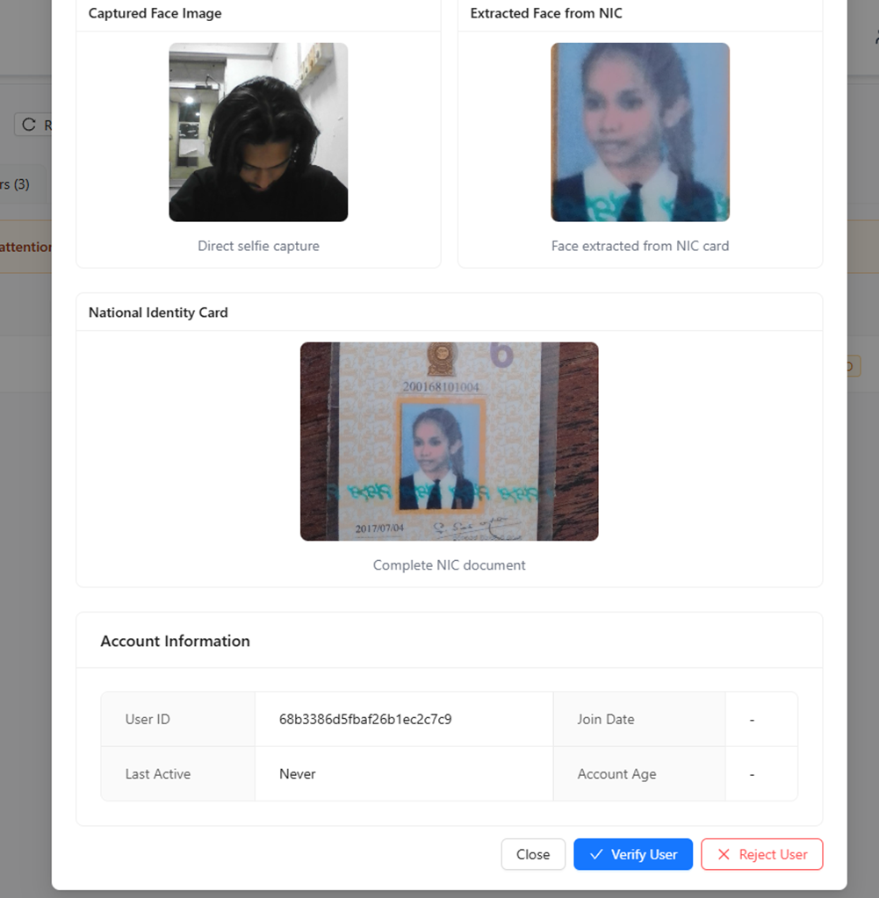

MC-001 | Verify marketplace loads with listings | System running | 1.Open marketplace | N/A | Listings displayed | listing displayed | Pass | 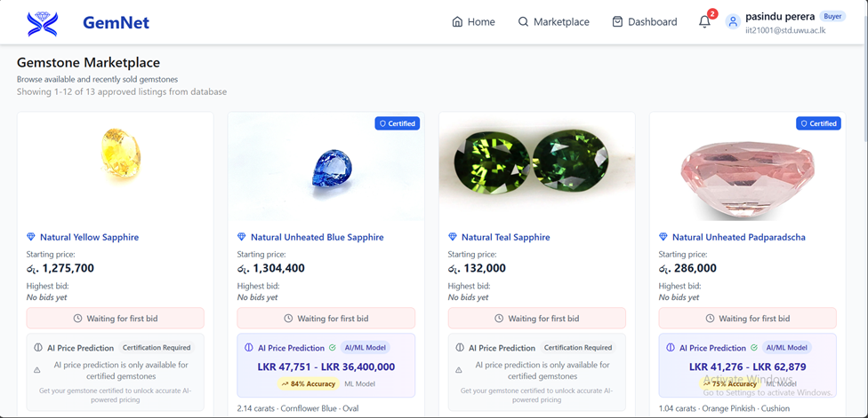
MC-002 | Verify certified gem shows prediction | Marketplace open | 1.Open certified gem | Natural Blue Sapphire | Prediction shown | Predicted value shown (Rs. 47751 - 3640000) | Pass | 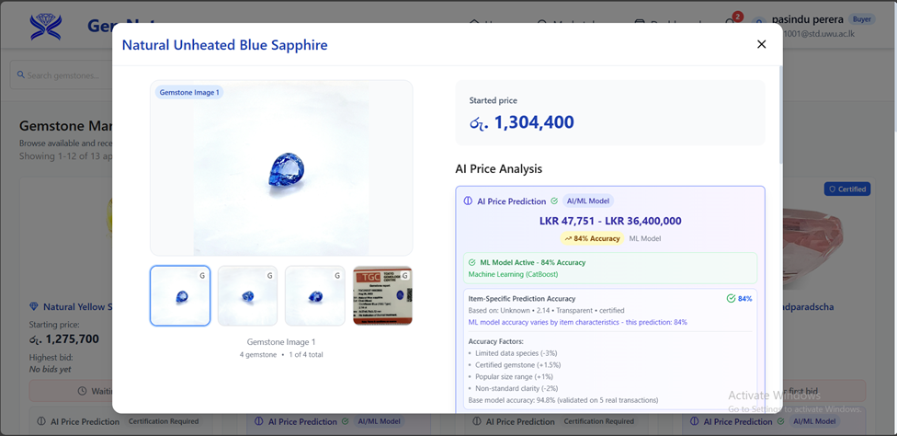
MC-003 | Verify non-certified gem hides prediction | Marketplace open | 1.Open non-certified gem | Natural Pink Sappire | No prediction | No prediction range, Only market price | 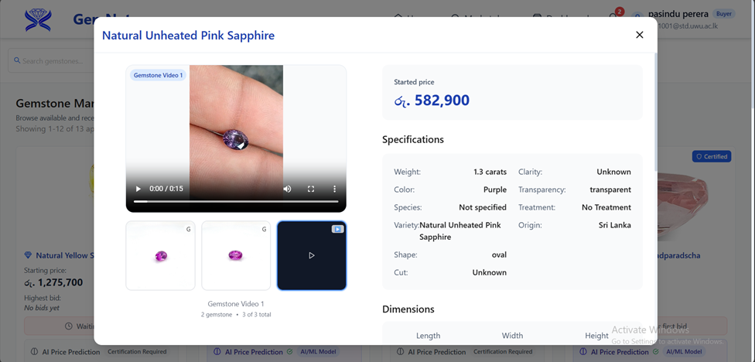 Pass
MC-004 | Verify gem details page shows images | Marketplace open | 1.Open item | Gem | Images visible | images visible | Pass
MC-005 | Verify filtering works | Marketplace open | 1.Apply filter | gemtype: blue sapphire | Filtered results shown | Only blue sapphire shown | Pass
MC-006 | verify featured gemstones | home page open | check homepage featured gemstone section | N/A | featured section visible | featured section visible | Pass | 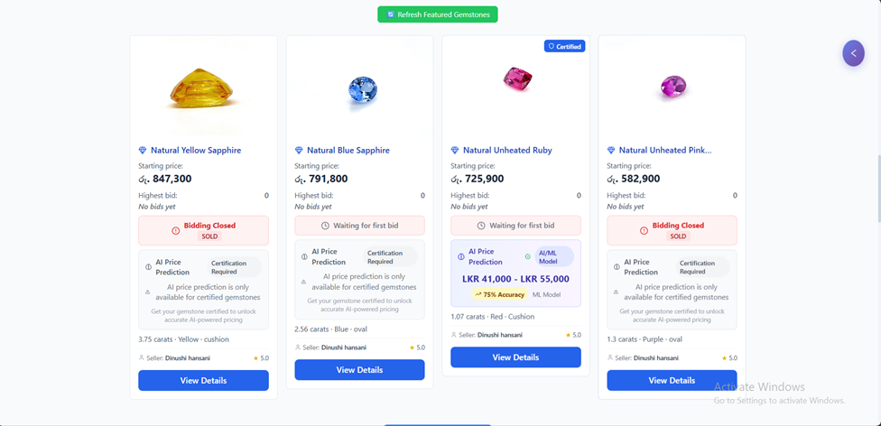
BID-001 | Verify guest cannot place bid | Not logged in | 1.Click bid | N/A | Login prompt
BID-002 | Verify valid bid accepted | Logged in | 1.Place higher bid | Rs. 594558 | Bid accepted | bid placed successfully | Pass | 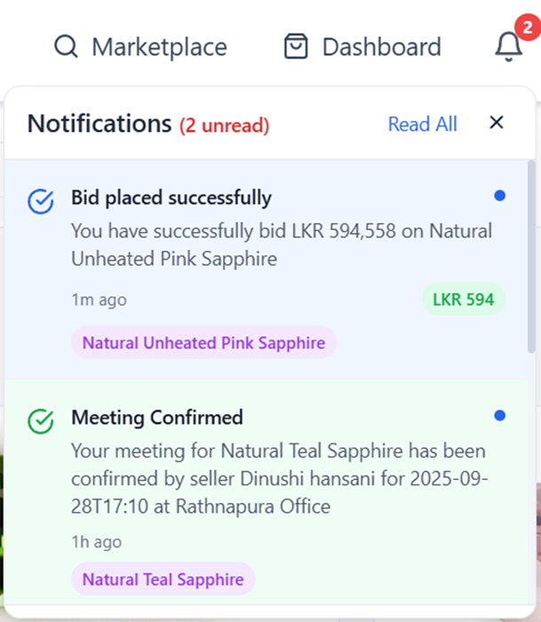
BID-003 | Verify lower bid rejected | Logged in | 1.Place lower bid | Rs. 40000 | Error shown | cannot bid below the last bid price | Pass
BID-004 | Verify countdown timer starts | Bid placed | 1.Observe timer | N/A | Timer active | countdown starts | Pass | 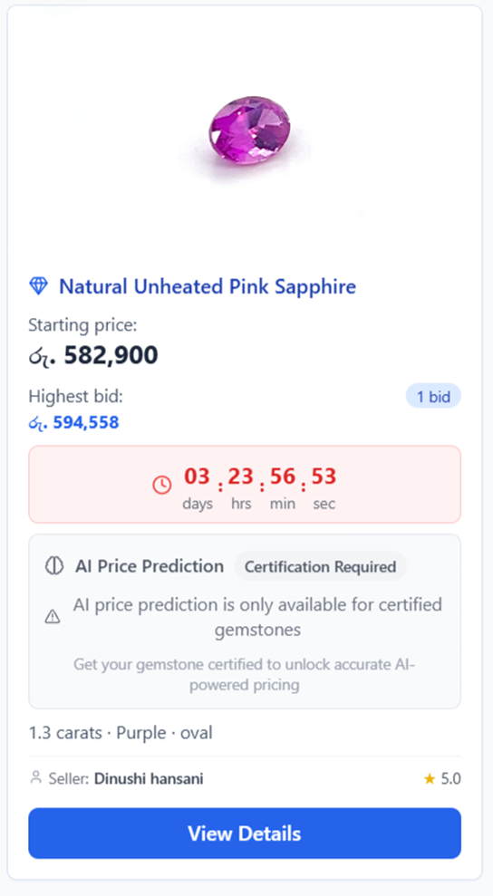
BID-005 | Verify winner after countdown | Active bids | 1.Wait expiry | N/A | Highest bidder wins | Countdown stops, Bidding closed, highers bid won the item | Pass | 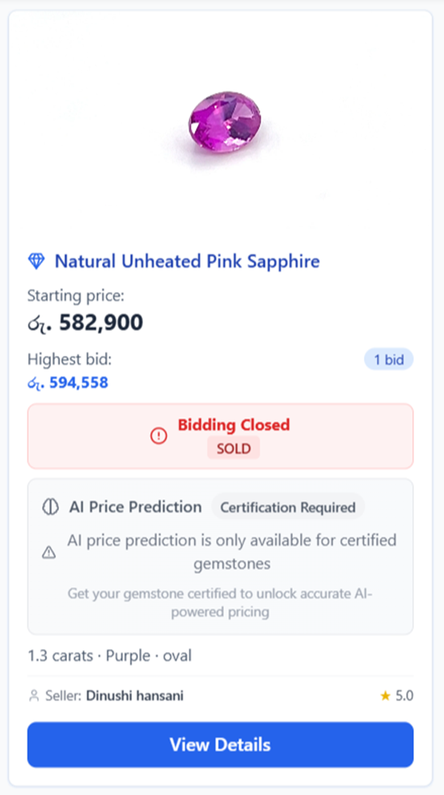
BID-006 | Verify notification regarding won items | Bid closed | 1.wait for notification | N/A | Receive notification | Notification received to the both seller and buyer | Pass | 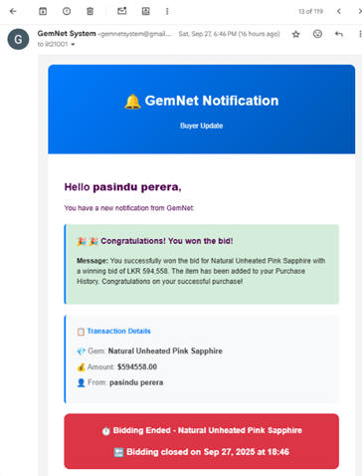 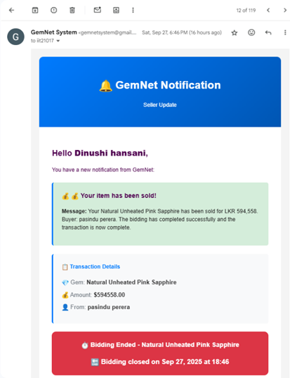
BID-007 | unverified user cannot bid | user unverified | apply bids from unverified account | apply bid | error message displayed | error message displayed | Pass | 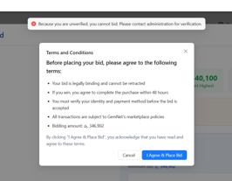
SCH-001 | Verify meeting request submission | User won bid | 1.Schedule meeting | Preferred Date:2025/01/10, Time:03.00pm, Meeting Type:physical, Location: rathnapura, Additional notes | Request sent | request send successfuly |  | 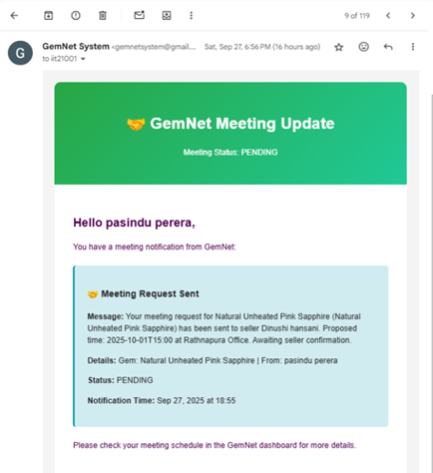
SCH-002 | Verify seller receives request | Meeting sent | 1.Check dashboard | N/A | Notification visible | visible | Pass | 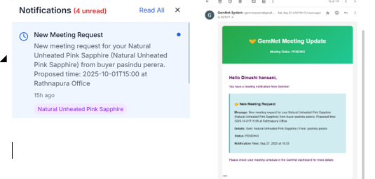
SCH-003 | Verify seller can accept meeting | Request pending | 1.Accept | N/A | Status updated | status updated | Pass | 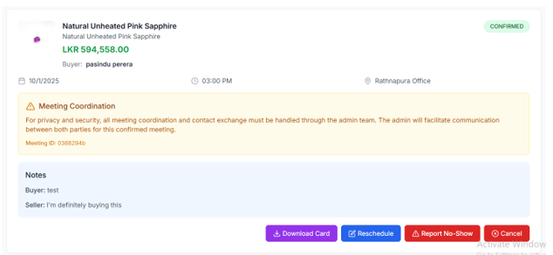
SCH-004 | Verify buyer can see confirmed notification | meeting accepted by seller | Check buyer notification | N/A | notification visible | Notification received | Pass | 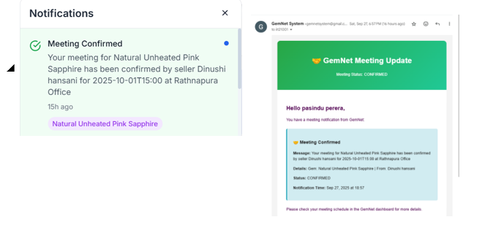
SCH-005 | Verify the Meeting card downloaded | meeting accepted by seller | check downloads on the browser | N/A | meeting card downloaded | downloaded | Pass | 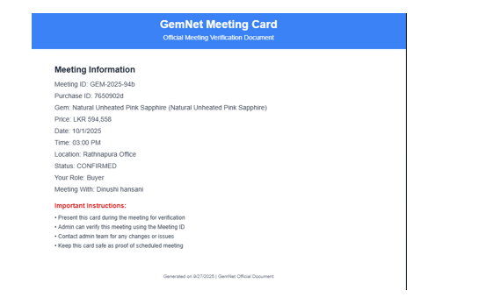

SCH-005 | Verify admin sees meetings | Meeting accepted | 1.Check admin panel | N/A | Meeting listed | meeting visible | Pass | 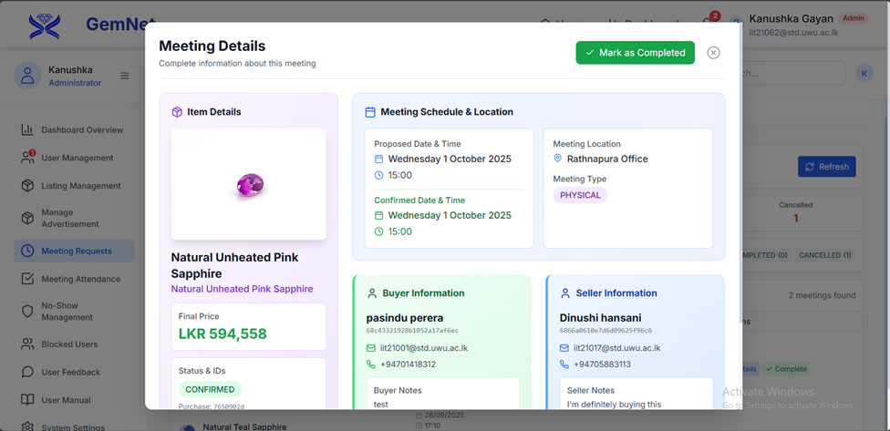
SCH-006 | Verify conflict detection | Existing meeting | 1.Schedule same time | Same time added | Conflict error | same time cannot select ( it takes littele bit of time to schedule meeting, then asme time cannot accept it) | Pass
SCH-007 | Verify meeting updates | Existing meeting | 1.update time and date | date and time set to next day | meeting date and time updated, seller and buyer and admin notified | meeting date and time updated, seller and buyer and admin notified | Pass
SCH-008 | verify updates if cannot participate to a meeeting | meeting scheduled | add not participate message | fill the small form with not participating reason | request successfuly send and notified to the admin , seller and buyer | request successfuly send and notified to the admin , seller and buyer | Pass | 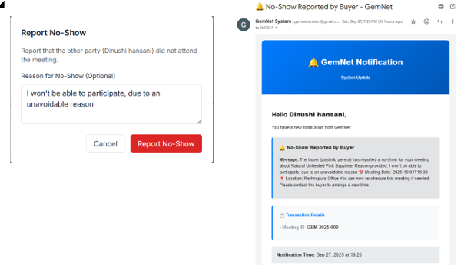
SCH-009 | verify not participation reason accepted or not | not participation reported | accept not participation request | N/A | not participation success | not participation success | Pass | 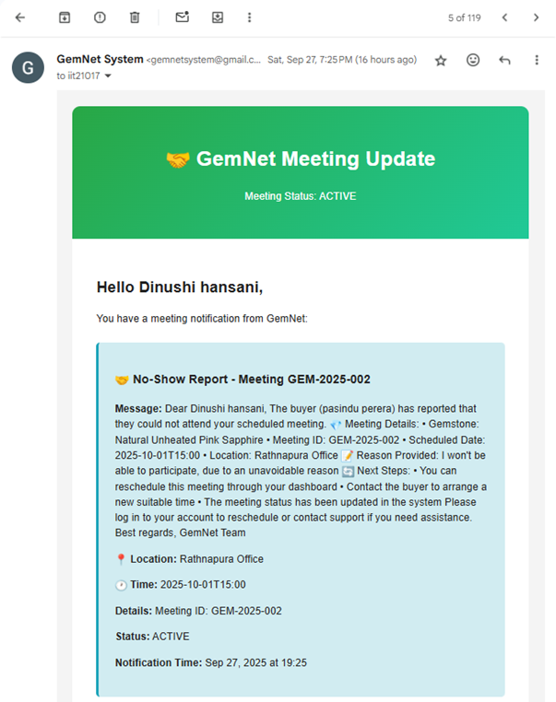
SCH-010 | admin updates meeting attendance at the meeting date | meeeeting scheduled | check meeting dashboard for upcoming meetings (by admin) | N/A | available to mark attend or unattend | mark attend or unattend | Pass | 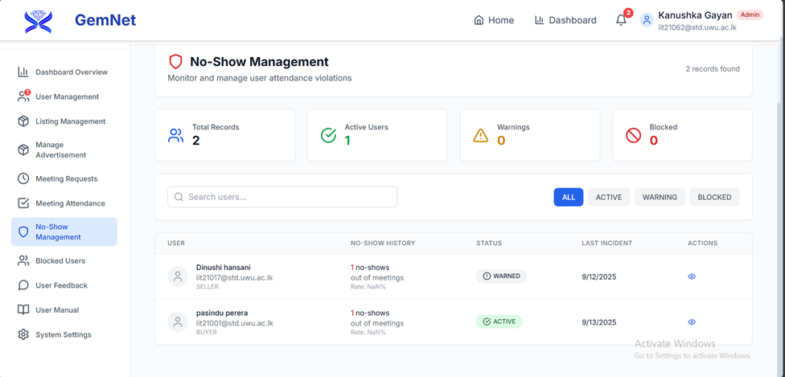
SCH-011 | verify user who not participated two times for the meeting, need to receive warnign message while login in | not participated two times for previous meetings | see users section by admin | N\A | warning message displayed | warning message displayed | 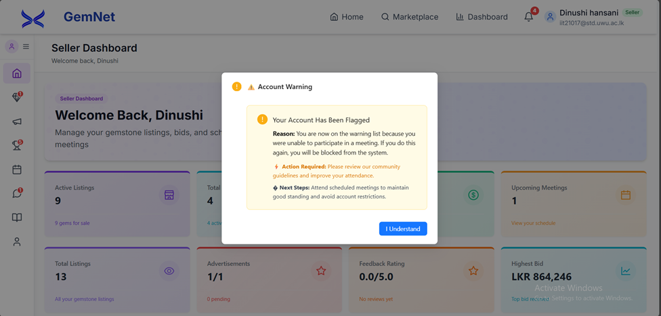 Pass
SCH-012 | verify user who not participated three times for the meeting, need to receive 'user blocked' message while login in | not participated 3 times for previous meetings | see users section by admin | N\A | blocked message displayed | blocked message displayed | Pass | 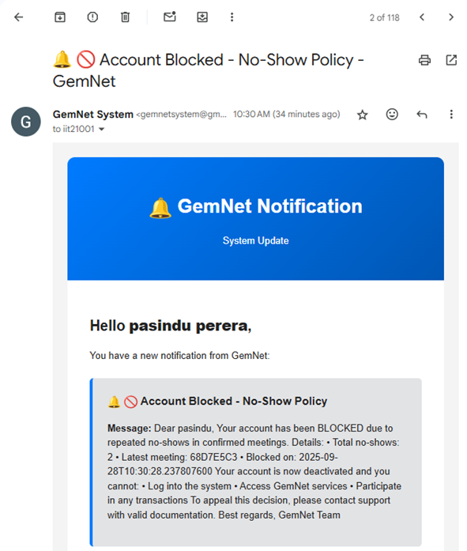
LIST-001 | Verify seller can create listing | Seller logged in | 1.Add listing | Basic Information Name: Natural Unheated Pink Sapphire Started Price: රු. 582,900 Variety: Natural Unheated Pink Sapphire Origin: Sri Lanka Specifications Weight: 1.3 carats] Color: Purple Shape: Oval Cut: Unknown Clarity: Unknown Transparency: Transparent Treatment: No Treatment Species: Not specified | Listing pending | listing pending | Pass
LIST-002 | Verify admin approval required | Listing exists | 1.Admin review | N/A | Listing approved | , after approved by admin, added to the marketplace | Pass
LIST-003 | Verify listing visible after approval | Approved listing | 1.Open marketplace | N/A | Listing visible | visible | Pass
LIST-004 | Verify seller can edit listing | Listing exists | 1.Edit | Updated data | Changes saved | edit didind works | Fail
LIST-005 | Verify seller can delete listing | Listing exists | 1.Delete | N/A | Listing removed | delete successfully | Pass
ADV-001 | Verify ad submission | Seller logged in | 1.Submit ad | Ad data | Pending approval | add submited, pending for admin review | Pass
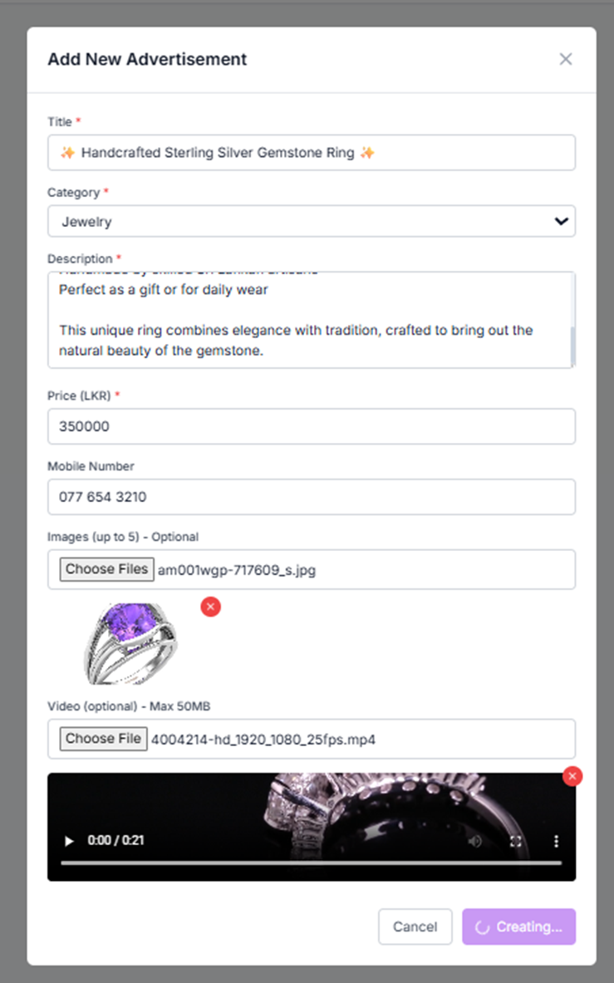
ADV-002 | Verify admin approval of ads | Ad submitted | 1.Approve | N/A | Ad visible | Title: ✨ Handcrafted Sterling Silver Gemstone Ring ✨ Category: Jewelry Price (LKR): 350,000 Contact Number: 077 654 3210 Description "Perfect as a gift or for daily wear" "This unique ring combines elegance with tradition, crafted to bring out the natural beauty of the gemstone." (Note: The first line is partially cut off but mentions "handcrafted by skilled Sri Lankan artisans".) Image File: am001wgp-717609_s.jpg Video File: 4004214-hd_1920_1080_25fps.mp4 Video Length: 0:21 seconds | Pass
ADV-003 | Verify ad displayed homepage | Ad approved | 1.Open homepage | N/A | Ad visible | add visible | Pass | 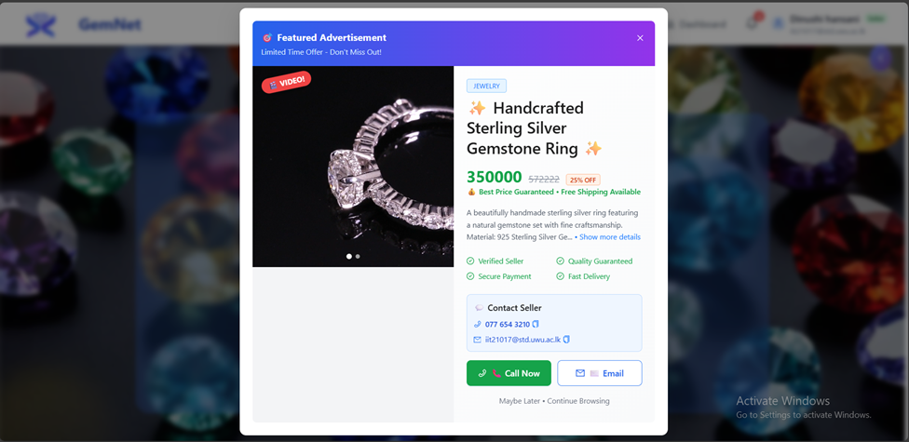
PP-003 | Verify missing fields validation | Logged in | 1.Submit incomplete | Missing data | Validation error | Validation error | Pass

