Graphs
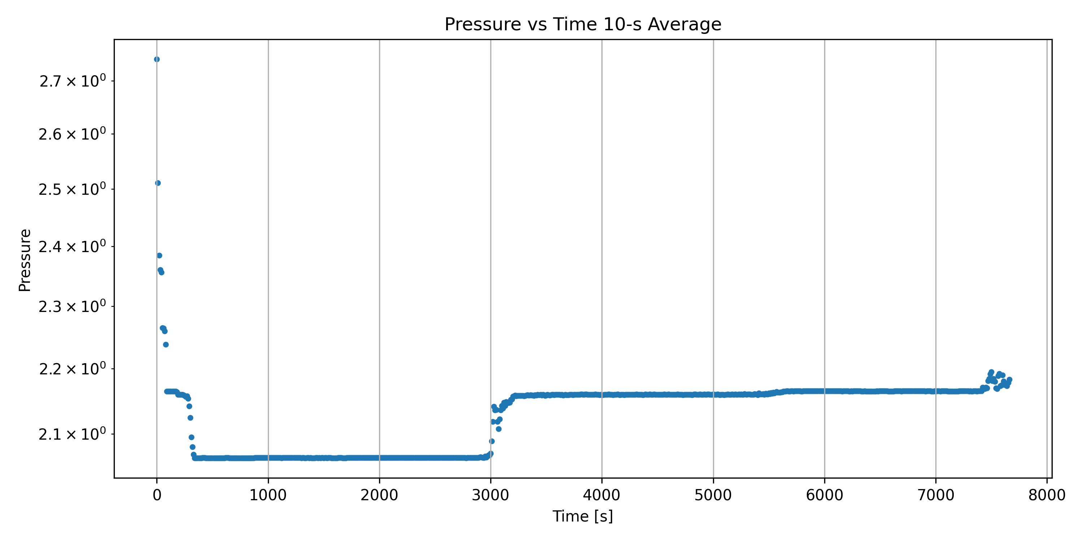
Leak Rate vs Time 10-s Average
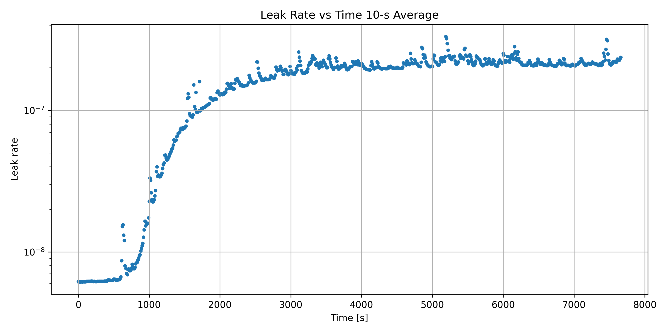

Pressure vs Time 10-s Average

