2
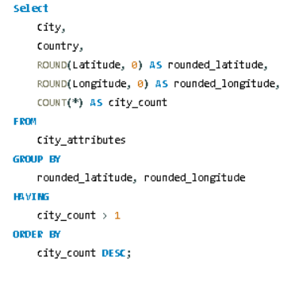
2. Can you identify any clusters of cities with similar latitude and longitude values? What factors might explain these clusters?

3
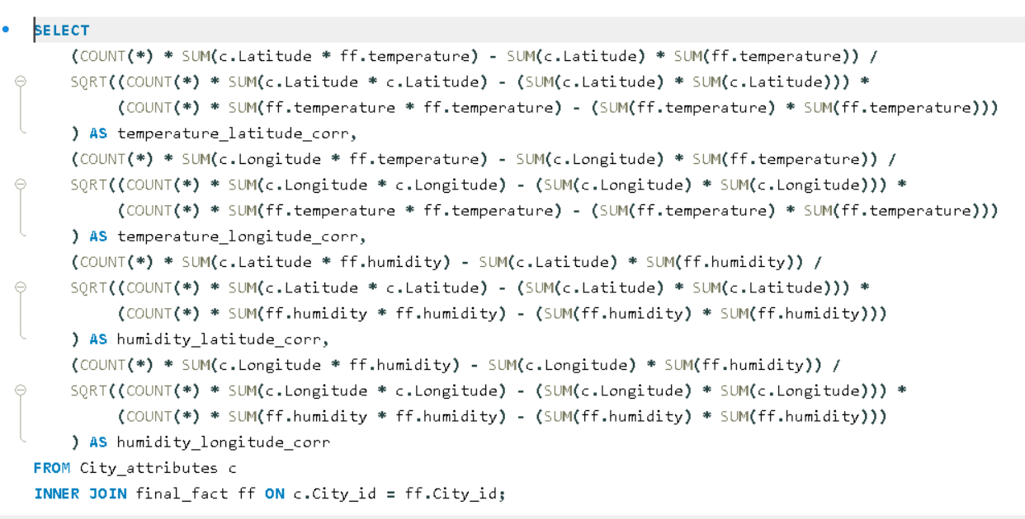
3. Are there any correlations between a city's geographical location (latitude and longitude) and its weather attributes, such as temperature or humidity?

4
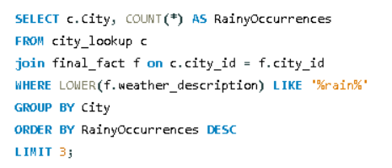
4 Identify the top three cities with the most frequent occurrence of rainy weather based on weather descriptions. What are the seasonal patterns?

5
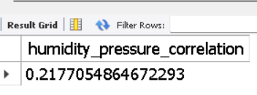
5. Is there a correlation between humidity levels and air pressure? How might this relationship affect weather conditions?

6
 | 6. Explore the impact of wind direction on temperature for coastal cities. Are there noticeable patterns?
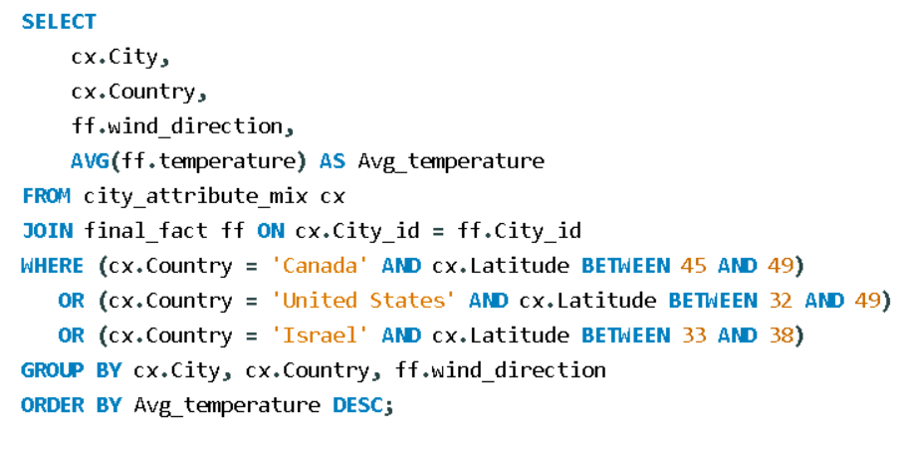

 |  |  |  | City | (All)

City | Country | wind_direction | Avg_temperature | Row Labels | Average of Avg_temperature
Phoenix | United States | 252 | 302.742246 | United States | 295.42573089
Phoenix | United States | 246 | 302.65947387 | Israel | 294.61338583
Phoenix | United States | 261 | 302.36370728
Phoenix | United States | 240 | 302.15553274
Phoenix | United States | 230 | 302.15082064
Phoenix | United States | 220 | 301.80080227
Phoenix | United States | 257 | 301.49393915
Phoenix | United States | 244 | 301.49025819
Phoenix | United States | 223 | 301.48557533
Phoenix | United States | 266 | 301.46125895
Phoenix | United States | 238 | 301.45044163
Phoenix | United States | 210 | 301.43647224
Phoenix | United States | 298 | 301.43561428
Phoenix | United States | 247 | 301.34806284
Phoenix | United States | 200 | 301.30800568
Phoenix | United States | 254 | 301.11524143
Phoenix | United States | 190 | 301.0328862
Phoenix | United States | 229 | 300.76196773
Las Vegas | United States | 107 | 300.70229979
Phoenix | United States | 249 | 300.65379299
Phoenix | United States | 270 | 300.54737767
Phoenix | United States | 180 | 300.54041703
Phoenix | United States | 170 | 300.52965547
Phoenix | United States | 150 | 300.48700401
Phoenix | United States | 245 | 300.4413472
Phoenix | United States | 140 | 300.40169113
Las Vegas | United States | 105 | 300.38002355
Phoenix | United States | 228 | 300.35084841
Las Vegas | United States | 140 | 300.35066063
Phoenix | United States | 222 | 300.34267296
Phoenix | United States | 275 | 300.34039022
Phoenix | United States | 233 | 300.2898839
Phoenix | United States | 232 | 300.24807818
Phoenix | United States | 278 | 300.2386844
Phoenix | United States | 207 | 300.23255932
Phoenix | United States | 272 | 300.16020176
Las Vegas | United States | 108 | 300.09973525
Las Vegas | United States | 160 | 300.01965746
Phoenix | United States | 271 | 300.01371204
Nahariyya | Israel | 310 | 299.94154894
Phoenix | United States | 248 | 299.93078711
Phoenix | United States | 258 | 299.85697932
Phoenix | United States | 259 | 299.82368081
Phoenix | United States | 269 | 299.81254274
Phoenix | United States | 250 | 299.81160407
Nahariyya | Israel | 300 | 299.76528335
Las Vegas | United States | 96 | 299.73099853
Nahariyya | Israel | 320 | 299.69474336
Phoenix | United States | 268 | 299.66400078
Las Vegas | United States | 118 | 299.65131854
Phoenix | United States | 234 | 299.64622232
Las Vegas | United States | 111 | 299.63303504
Phoenix | United States | 215 | 299.62440388
Phoenix | United States | 242 | 299.62370176
Phoenix | United States | 241 | 299.61751692
Phoenix | United States | 130 | 299.60849761
Las Vegas | United States | 116 | 299.57342998
Las Vegas | United States | 150 | 299.52771279
Phoenix | United States | 262 | 299.5002173
Phoenix | United States | 227 | 299.45141348
Phoenix | United States | 160 | 299.42113308
Phoenix | United States | 253 | 299.41101844
Las Vegas | United States | 98 | 299.34169411
Phoenix | United States | 217 | 299.31241519
Phoenix | United States | 235 | 299.28047073
Phoenix | United States | 151 | 299.18108874
Phoenix | United States | 239 | 299.16252479
Phoenix | United States | 276 | 299.14816907
Las Vegas | United States | 130 | 299.14504957
Phoenix | United States | 206 | 299.13888359
Phoenix | United States | 213 | 299.10831267
Las Vegas | United States | 115 | 299.06475174
Phoenix | United States | 224 | 299.03294014
Las Vegas | United States | 103 | 299.01448995
Las Vegas | United States | 93 | 298.91472467
Phoenix | United States | 243 | 298.88913624
Phoenix | United States | 256 | 298.85541576
Phoenix | United States | 221 | 298.83556266
Las Vegas | United States | 185 | 298.82994266
Phoenix | United States | 226 | 298.82595443
Phoenix | United States | 260 | 298.77603637
Las Vegas | United States | 109 | 298.74602374
Phoenix | United States | 157 | 298.70284607
Las Vegas | United States | 117 | 298.678258
Phoenix | United States | 263 | 298.66219758
Phoenix | United States | 264 | 298.6543873
Phoenix | United States | 237 | 298.63918245
Phoenix | United States | 118 | 298.61346846
Las Vegas | United States | 170 | 298.60771818
Phoenix | United States | 192 | 298.60680849
Phoenix | United States | 116 | 298.58873538
Dallas | United States | 155 | 298.58694821
San Francisco | United States |  | 298.57
Phoenix | United States | 265 | 298.50701143
Las Vegas | United States | 139 | 298.50563194
Phoenix | United States | 342 | 298.44988635
Las Vegas | United States | 99 | 298.4443573
Phoenix | United States | 225 | 298.43868304
Las Vegas | United States | 120 | 298.40674324
Las Vegas | United States | 180 | 298.39324291
Phoenix | United States | 120 | 298.3451342
Nahariyya | Israel | 330 | 298.34503136
Phoenix | United States | 216 | 298.31900373
Phoenix | United States | 273 | 298.29602019
Nahariyya | Israel | 290 | 298.2460918
Phoenix | United States | 164 | 298.23661405
Phoenix | United States | 128 | 298.17148518
Dallas | United States | 202 | 298.10393051
Phoenix | United States | 287 | 298.06899312
Phoenix | United States | 196 | 298.04320938
Phoenix | United States | 175 | 298.01463431
Phoenix | United States | 135 | 298.00439206
Phoenix | United States | 255 | 297.96712793
Phoenix | United States | 211 | 297.94741502
Phoenix | United States | 182 | 297.93876398
Las Vegas | United States | 101 | 297.934344
Phoenix | United States | 231 | 297.90508366
Phoenix | United States | 286 | 297.89286286
Las Vegas | United States | 113 | 297.86510377
Phoenix | United States | 178 | 297.83090663
Las Vegas | United States | 200 | 297.79824717
Las Vegas | United States | 102 | 297.79637374
Phoenix | United States | 219 | 297.77471915
Phoenix | United States | 251 | 297.74542295
Phoenix | United States | 147 | 297.74539102
Dallas | United States | 222 | 297.7358316
Las Vegas | United States | 190 | 297.72735497
Nahariyya | Israel | 280 | 297.71492516
Las Vegas | United States | 110 | 297.70919272
Phoenix | United States | 171 | 297.6398921
Los Angeles | United States | 231 | 297.5982591
Phoenix | United States | 313 | 297.59452814
Phoenix | United States | 110 | 297.5889375
Phoenix | United States | 199 | 297.57350971
Phoenix | United States | 288 | 297.57190267
Phoenix | United States | 208 | 297.57157684
Phoenix | United States | 166 | 297.56847524
Phoenix | United States | 214 | 297.53176154
Las Vegas | United States | 112 | 297.5255266
Phoenix | United States | 236 | 297.50286447
Phoenix | United States | 318 | 297.4938363
Phoenix | United States | 167 | 297.46837986
Phoenix | United States | 212 | 297.44773638
Las Vegas | United States | 119 | 297.40825963
Phoenix | United States | 280 | 297.39917651
Dallas | United States | 154 | 297.39103781
Phoenix | United States | 161 | 297.38785297
Phoenix | United States | 153 | 297.3625202
Las Vegas | United States | 210 | 297.35767606
Phoenix | United States | 293 | 297.3452923
Phoenix | United States | 152 | 297.3414169
Las Vegas | United States | 106 | 297.3202293
Nahariyya | Israel | 350 | 297.29241842
Phoenix | United States | 267 | 297.29145332
Phoenix | United States | 203 | 297.25103173
Nahariyya | Israel | 360 | 297.25075472
Phoenix | United States | 295 | 297.22817536
Las Vegas | United States | 230 | 297.20070506
Phoenix | United States | 139 | 297.19171379
Nahariyya | Israel | 336 | 297.19099375
Phoenix | United States | 156 | 297.19046607
Phoenix | United States | 127 | 297.18828654
Phoenix | United States | 290 | 297.16384153
Phoenix | United States | 209 | 297.13454505
Dallas | United States | 220 | 297.12058446
Phoenix | United States | 119 | 297.11917169
Nahariyya | Israel | 340 | 297.11658654
Dallas | United States | 315 | 297.11002408
Phoenix | United States | 117 | 297.0911567
Phoenix | United States | 292 | 297.07615167
Dallas | United States | 200 | 297.03379084
Las Vegas | United States | 100 | 297.01978388
Phoenix | United States | 205 | 297.01399333
Phoenix | United States | 129 | 296.98884766
Phoenix | United States | 100 | 296.98625368
Las Vegas | United States | 148 | 296.97001863
Las Vegas | United States | 127 | 296.94975795
Phoenix | United States | 299 | 296.94456938
Las Vegas | United States | 78 | 296.91865909
Phoenix | United States | 218 | 296.90947008
Phoenix | United States | 197 | 296.90829317
Las Vegas | United States | 220 | 296.90185802
Las Vegas | United States | 146 | 296.90036771
Phoenix | United States | 194 | 296.89540499
Phoenix | United States | 274 | 296.87814131
Las Vegas | United States | 88 | 296.85460408
Dallas | United States | 173 | 296.84671678
Las Vegas | United States | 79 | 296.84351891
Nahariyya | Israel | 10 | 296.83776008
Phoenix | United States | 188 | 296.82854066
Phoenix | United States | 202 | 296.82596159
Phoenix | United States | 109 | 296.82207457
Dallas | United States | 189 | 296.75523756
Phoenix | United States | 165 | 296.74250825
Las Vegas | United States | 95 | 296.73102116
Las Vegas | United States | 92 | 296.72698198
Las Vegas | United States | 152 | 296.72497421
Phoenix | United States | 307 | 296.72333497
Dallas | United States | 203 | 296.7087655
Las Vegas | United States | 114 | 296.70721707
Phoenix | United States | 198 | 296.67228175
Phoenix | United States | 168 | 296.66735503
Las Vegas | United States | 126 | 296.6526902
Phoenix | United States | 111 | 296.62110073
Phoenix | United States | 136 | 296.62033412
Las Vegas | United States | 157 | 296.61982643
Phoenix | United States | 177 | 296.61739606
Las Vegas | United States | 97 | 296.60615692
Nashville | United States | 192 | 296.58577671
Dallas | United States | 166 | 296.57883102
Phoenix | United States | 124 | 296.57074331
Nahariyya | Israel | 356 | 296.57023392
Phoenix | United States | 112 | 296.52484137
Phoenix | United States | 99 | 296.48162584
Dallas | United States | 214 | 296.47026693
Nahariyya | Israel | 260 | 296.45926763
Phoenix | United States | 148 | 296.4552562
Phoenix | United States | 183 | 296.44579264
Phoenix | United States | 179 | 296.44431472
Atlanta | United States | 236 | 296.434157
Phoenix | United States | 277 | 296.41999316
Phoenix | United States | 284 | 296.41796006
Dallas | United States | 210 | 296.41690309
Las Vegas | United States | 164 | 296.4136204
San Diego | United States | 266 | 296.41247665
Phoenix | United States | 173 | 296.40076906
Nahariyya | Israel | 250 | 296.40042251
Las Vegas | United States | 76 | 296.39995994
Las Vegas | United States | 134 | 296.39955826
Phoenix | United States | 195 | 296.39889297
Phoenix | United States | 358 | 296.3892955
Las Vegas | United States | 174 | 296.384863
Las Vegas | United States | 145 | 296.37313448
Las Vegas | United States | 159 | 296.36365563
Nahariyya | Israel | 357 | 296.35997093
Phoenix | United States | 326 | 296.35840369
Las Vegas | United States | 69 | 296.35534788
Dallas | United States | 139 | 296.34472729
Dallas | United States | 158 | 296.33718355
Dallas | United States | 190 | 296.3361984
Nahariyya | Israel | 335 | 296.33239307
Los Angeles | United States | 260 | 296.32260727
Phoenix | United States | 113 | 296.3142264
Dallas | United States | 167 | 296.30376569
Phoenix | United States | 279 | 296.29988247
Phoenix | United States | 169 | 296.29851289
Kansas City | United States | 217 | 296.29792628
Albuquerque | United States | 127 | 296.29150071
Dallas | United States | 153 | 296.2580991
Phoenix | United States | 181 | 296.24180833
Phoenix | United States | 282 | 296.23152378
Phoenix | United States | 1 | 296.2280249
Phoenix | United States | 155 | 296.22742272
Phoenix | United States | 126 | 296.21129487
Dallas | United States | 151 | 296.19159533
Los Angeles | United States | 302 | 296.18975927
Dallas | United States | 175 | 296.18361231
Phoenix | United States | 174 | 296.17785183
Nahariyya | Israel | 331 | 296.16439087
Phoenix | United States | 300 | 296.15712239
Dallas | United States | 191 | 296.15519911
Nahariyya | Israel | 305 | 296.1473549
Phoenix | United States | 301 | 296.14571778
Dallas | United States | 165 | 296.14472124
Las Vegas | United States | 158 | 296.12268736
Dallas | United States | 230 | 296.1196863
Phoenix | United States | 90 | 296.09779522
Dallas | United States | 141 | 296.09273224
Dallas | United States | 180 | 296.08859084
Phoenix | United States | 306 | 296.08079168
Dallas | United States | 193 | 296.08065818
Dallas | United States | 184 | 296.07746912
Dallas | United States | 181 | 296.07085952
Dallas | United States | 195 | 296.06915133
Nahariyya | Israel | 270 | 296.06785298
Dallas | United States | 177 | 296.05617445
Dallas | United States | 221 | 296.05185114
Las Vegas | United States | 240 | 296.03828168
Phoenix | United States | 349 | 296.03149954
Phoenix | United States | 172 | 296.00089248
Las Vegas | United States | 135 | 295.99939274
Las Vegas | United States | 137 | 295.99097853
Dallas | United States | 112 | 295.96973104
Las Vegas | United States | 250 | 295.9681128
Phoenix | United States | 101 | 295.96365319
Dallas | United States | 206 | 295.92890924
Las Vegas | United States | 142 | 295.90968138
Las Vegas | United States | 171 | 295.90185902
Los Angeles | United States | 208 | 295.89926571
Charlotte | United States | 247 | 295.88654973
Nahariyya | Israel | 170 | 295.88595355
Phoenix | United States | 291 | 295.85675983
Dallas | United States | 207 | 295.85558258
Dallas | United States | 240 | 295.85296642
Phoenix | United States | 81 | 295.84921808
Phoenix | United States | 143 | 295.84878563
Las Vegas | United States | 132 | 295.83827002
Nahariyya | Israel | 317 | 295.83765674
Las Vegas | United States | 131 | 295.81907157
Phoenix | United States | 149 | 295.78620331
Phoenix | United States | 356 | 295.750988
Dallas | United States | 199 | 295.75084105
Dallas | United States | 187 | 295.74146027
Dallas | United States | 174 | 295.74087507
Dallas | United States | 196 | 295.73984266
Dallas | United States | 197 | 295.73859869
Nahariyya | Israel | 337 | 295.73176482
Nahariyya | Israel | 347 | 295.72489158
Dallas | United States | 117 | 295.72296583
Phoenix | United States | 294 | 295.70660334
Los Angeles | United States | 211 | 295.69919832
Dallas | United States | 163 | 295.69644122
Phoenix | United States | 163 | 295.67944586
Los Angeles | United States | 247 | 295.67778958
Los Angeles | United States | 229 | 295.67302788
Dallas | United States | 170 | 295.6728389
Los Angeles | United States | 250 | 295.66808198
Phoenix | United States | 142 | 295.65788318
Los Angeles | United States | 218 | 295.64735052
Nahariyya | Israel | 50 | 295.63984538
Phoenix | United States | 281 | 295.62870808
Las Vegas | United States | 71 | 295.62602729
Nahariyya | Israel | 180 | 295.613292
Dallas | United States | 205 | 295.6128834
Phoenix | United States | 158 | 295.60156234
Los Angeles | United States | 233 | 295.59234283
Dallas | United States | 171 | 295.59166948
Phoenix | United States | 304 | 295.58519048
Atlanta | United States | 8 | 295.58069745
Las Vegas | United States | 153 | 295.57440891
Nahariyya | Israel | 314 | 295.57290995
Dallas | United States | 188 | 295.54445386
Las Vegas | United States | 70 | 295.53253527
Nahariyya | Israel | 355 | 295.52714951
Nahariyya | Israel | 2 | 295.52622719
Dallas | United States | 176 | 295.52266026
Nahariyya | Israel | 349 | 295.52022746
Las Vegas | United States | 187 | 295.49096067
Phoenix | United States | 86 | 295.47211692
Dallas | United States | 133 | 295.47194548
Phoenix | United States | 154 | 295.46245459
Las Vegas | United States | 91 | 295.46132084
Phoenix | United States | 133 | 295.45996302
Phoenix | United States | 114 | 295.45647807
Los Angeles | United States | 212 | 295.45602697
Dallas | United States | 162 | 295.4488784
Nahariyya | Israel | 287 | 295.4438915
Los Angeles | United States | 291 | 295.43019048
Nashville | United States |  | 295.43
Nahariyya | Israel | 326 | 295.42255733
Dallas | United States | 218 | 295.41624486
Phoenix | United States | 146 | 295.41476389
Phoenix | United States | 315 | 295.41254149
Phoenix | United States | 176 | 295.40613301
Nahariyya | Israel | 323 | 295.397998
Phoenix | United States | 328 | 295.39615539
Phoenix | United States | 332 | 295.39557297
Phoenix | United States | 283 | 295.38804229
Las Vegas | United States | 85 | 295.38715414
Phoenix | United States | 159 | 295.38556517
Dallas | United States | 164 | 295.37539926
Dallas | United States | 216 | 295.35734704
Los Angeles | United States | 207 | 295.34981873
Saint Louis | United States | 201 | 295.34488655
Phoenix | United States | 309 | 295.34382355
Nahariyya | Israel | 353 | 295.33194139
Las Vegas | United States | 90 | 295.33144036
Dallas | United States | 186 | 295.33123647
Las Vegas | United States | 77 | 295.32646277
Dallas | United States | 225 | 295.31660233
Phoenix | United States | 187 | 295.31601617
Phoenix | United States | 70 | 295.30775841
Nahariyya | Israel | 316 | 295.3056619
Los Angeles | United States | 222 | 295.30448247
Dallas | United States | 147 | 295.29843819
Los Angeles | United States | 213 | 295.29566206
Los Angeles | United States | 223 | 295.29441605
Nahariyya | Israel | 348 | 295.29019551
Nahariyya | Israel | 341 | 295.2831924
Phoenix | United States | 97 | 295.27740781
Nahariyya | Israel | 200 | 295.26883481
Los Angeles | United States | 232 | 295.26412469
Nahariyya | Israel | 20 | 295.25733407
Nahariyya | Israel | 285 | 295.25463272
Nahariyya | Israel | 345 | 295.24768119
Dallas | United States | 98 | 295.2409187
Nahariyya | Israel | 255 | 295.24022666
Phoenix | United States | 105 | 295.23459519
Dallas | United States | 217 | 295.23407511
Phoenix | United States | 80 | 295.23116795
Las Vegas | United States | 149 | 295.22241117
Dallas | United States | 179 | 295.22102471
Los Angeles | United States | 219 | 295.21952909
Phoenix | United States | 319 | 295.21493152
Nahariyya | Israel | 274 | 295.20732504
Las Vegas | United States | 144 | 295.20282965
Nahariyya | Israel | 359 | 295.1909359
Dallas | United States | 198 | 295.18753485
Los Angeles | United States | 215 | 295.1835877
Dallas | United States | 194 | 295.18295208
Nahariyya | Israel | 346 | 295.17922102
Los Angeles | United States | 227 | 295.17780391
Nahariyya | Israel | 262 | 295.17503305
Phoenix | United States | 347 | 295.17074759
Los Angeles | United States | 249 | 295.17002577
Nahariyya | Israel | 190 | 295.16832187
Atlanta | United States | 2 | 295.15707826
Nahariyya | Israel | 247 | 295.15429647
Nahariyya | Israel | 322 | 295.14420812
Phoenix | United States | 184 | 295.14187506
Phoenix | United States | 106 | 295.12746807
Los Angeles | United States | 217 | 295.12311873
Phoenix | United States | 191 | 295.11506149
Phoenix | United States | 193 | 295.11256362
Los Angeles | United States | 206 | 295.11061615
Los Angeles | United States | 238 | 295.10912057
Los Angeles | United States | 254 | 295.10310455
Phoenix | United States | 296 | 295.10045495
Dallas | United States | 63 | 295.0999887
Phoenix | United States | 162 | 295.09781492
Nahariyya | Israel | 231 | 295.09772468
Phoenix | United States | 351 | 295.08755556
Charlotte | United States | 112 | 295.08419006
Nahariyya | Israel | 258 | 295.07271336
Las Vegas | United States | 81 | 295.07111325
Dallas | United States | 244 | 295.05998597
Los Angeles | United States | 270 | 295.05948993
Dallas | United States | 169 | 295.0591281
Phoenix | United States | 91 | 295.05876388
Dallas | United States | 192 | 295.05474408
Nahariyya | Israel | 332 | 295.02781636
Las Vegas | United States | 162 | 295.02486696
Nahariyya | Israel | 286 | 295.02104127
Nahariyya | Israel | 70 | 295.0143512
Nahariyya | Israel | 327 | 295.00884463
Las Vegas | United States | 143 | 295.00536669
Las Vegas | United States | 163 | 295.00477863
Nahariyya | Israel | 263 | 294.99658356
Las Vegas | United States | 188 | 294.99574758
Phoenix | United States | 107 | 294.98540077
Dallas | United States | 156 | 294.98104442
Nahariyya | Israel | 60 | 294.97932239
Nahariyya | Israel | 210 | 294.97836782
Phoenix | United States | 353 | 294.96333333
Atlanta | United States | 233 | 294.96109364
Dallas | United States | 185 | 294.95502098
Dallas | United States | 160 | 294.95488064
Dallas | United States | 168 | 294.95369719
Nahariyya | Israel | 295 | 294.95369178
Dallas | United States | 159 | 294.95320581
Phoenix | United States | 302 | 294.94975188
Nahariyya | Israel | 269 | 294.94947958
Phoenix | United States | 125 | 294.93095906
Nahariyya | Israel | 358 | 294.92938368
Las Vegas | United States | 155 | 294.92766858
Los Angeles | United States | 214 | 294.9237284
Nahariyya | Israel | 351 | 294.92099922
Phoenix | United States | 134 | 294.92025394
Dallas | United States | 209 | 294.91647222
Los Angeles | United States | 221 | 294.90869755
Las Vegas | United States | 168 | 294.90089426
Las Vegas | United States | 84 | 294.8912524
Nahariyya | Israel | 279 | 294.88941818
Nahariyya | Israel | 294 | 294.88581302
Nahariyya | Israel | 5 | 294.87706573
Nahariyya | Israel | 249 | 294.87329233
Nahariyya | Israel | 324 | 294.87281087
Las Vegas | United States | 50 | 294.8683821
Nahariyya | Israel | 243 | 294.86800977
Los Angeles | United States | 203 | 294.86151268
Las Vegas | United States | 195 | 294.85964677
Nahariyya | Israel | 232 | 294.85886921
Los Angeles | United States | 235 | 294.85233803
Nahariyya | Israel | 301 | 294.83877543
Nahariyya | Israel | 1 | 294.83754581
Nahariyya | Israel | 214 | 294.82817553
Nahariyya | Israel | 224 | 294.82447641
Phoenix | United States | 138 | 294.82206934
Phoenix | United States | 189 | 294.81632935
Nahariyya | Israel | 246 | 294.80989138
Nahariyya | Israel | 304 | 294.80254233
Nahariyya | Israel | 282 | 294.80181823
Nahariyya | Israel | 298 | 294.80159497
Dallas | United States | 88 | 294.8004065
Nahariyya | Israel | 4 | 294.79951247
Atlanta | United States | 245 | 294.79175148
Las Vegas | United States | 186 | 294.77658213
Dallas | United States | 243 | 294.77526536
Nahariyya | Israel | 160 | 294.77358347
Los Angeles | United States | 224 | 294.77355908
Phoenix | United States | 92 | 294.7720145
Phoenix | United States | 104 | 294.76544439
Los Angeles | United States | 240 | 294.76050271
Nahariyya | Israel | 6 | 294.75916525
Nahariyya | Israel | 228 | 294.75826679
Nahariyya | Israel | 309 | 294.75756702
Nahariyya | Israel | 328 | 294.7493696
Nahariyya | Israel | 256 | 294.74141187
Las Vegas | United States | 123 | 294.73994935
Las Vegas | United States | 226 | 294.73044899
Nahariyya | Israel | 302 | 294.72595056
Dallas | United States | 134 | 294.72589299
Phoenix | United States | 201 | 294.72138622
Phoenix | United States | 88 | 294.71908271
Las Vegas | United States | 128 | 294.71236771
Nahariyya | Israel | 187 | 294.7103209
Phoenix | United States | 89 | 294.6934293
Charlotte | United States | 281 | 294.69314351
Dallas | United States | 123 | 294.6925112
Las Vegas | United States | 141 | 294.68989903
Nahariyya | Israel | 7 | 294.68389181
Las Vegas | United States | 86 | 294.68327113
Phoenix | United States | 115 | 294.6831692
Nahariyya | Israel | 254 | 294.6831074
Dallas | United States | 150 | 294.67332269
Nahariyya | Israel | 342 | 294.66973709
Los Angeles | United States | 209 | 294.66785158
Dallas | United States | 204 | 294.66359018
Los Angeles | United States | 266 | 294.65870379
San Diego | United States | 262 | 294.65017526
Nahariyya | Israel | 283 | 294.64737793
Nahariyya | Israel | 240 | 294.64080073
Las Vegas | United States | 231 | 294.63944629
Nahariyya | Israel | 338 | 294.63775599
Dallas | United States | 359 | 294.63714198
Dallas | United States | 152 | 294.63519354
Phoenix | United States | 339 | 294.62224616
Dallas | United States | 47 | 294.61805978
Phoenix | United States | 186 | 294.61483097
Phoenix | United States | 95 | 294.61082079
Nahariyya | Israel | 11 | 294.61043491
Nahariyya | Israel | 313 | 294.59554829
Nahariyya | Israel | 289 | 294.5907255
Nahariyya | Israel | 329 | 294.58579541
Nahariyya | Israel | 220 | 294.58565605
Las Vegas | United States | 255 | 294.57111679
Los Angeles | United States | 244 | 294.56730876
Los Angeles | United States | 225 | 294.56212665
Dallas | United States | 122 | 294.56060093
Phoenix | United States | 102 | 294.56006555
Los Angeles | United States | 216 | 294.5529903
Los Angeles | United States | 226 | 294.55228938
Los Angeles | United States | 276 | 294.54920483
Los Angeles | United States | 198 | 294.5458896
Dallas | United States | 157 | 294.5392014
Charlotte | United States | 267 | 294.53846076
Nahariyya | Israel | 344 | 294.53749361
Nahariyya | Israel | 334 | 294.53503776
Las Vegas | United States | 205 | 294.52832133
Nashville | United States | 230 | 294.52469312
Las Vegas | United States | 80 | 294.513118
Atlanta | United States | 268 | 294.51246355
Nahariyya | Israel | 253 | 294.49876081
Nahariyya | Israel | 271 | 294.49169341
Dallas | United States | 140 | 294.4911153
Nahariyya | Israel | 318 | 294.48775153
Las Vegas | United States | 211 | 294.4789745
Las Vegas | United States | 122 | 294.47741845
Nahariyya | Israel | 315 | 294.47684583
Nahariyya | Israel | 9 | 294.47622256
Nahariyya | Israel | 333 | 294.47579666
Las Vegas | United States | 60 | 294.46254144
Nahariyya | Israel | 235 | 294.45643635
Dallas | United States | 250 | 294.4551844
Nahariyya | Israel | 239 | 294.45499576
Nahariyya | Israel | 234 | 294.45188624
Dallas | United States | 87 | 294.44956408
Las Vegas | United States | 129 | 294.44517221
Atlanta | United States | 189 | 294.44292542
Las Vegas | United States | 199 | 294.44096576
Nahariyya | Israel | 321 | 294.43426894
Nahariyya | Israel | 19 | 294.42825734
Nahariyya | Israel | 296 | 294.41544786
Dallas | United States | 86 | 294.41537008
Saint Louis | United States | 207 | 294.41167365
Nahariyya | Israel | 273 | 294.41000661
Atlanta | United States | 256 | 294.40947003
Nahariyya | Israel | 354 | 294.4033292
Nahariyya | Israel | 265 | 294.38656862
Saint Louis | United States | 223 | 294.38250719
Los Angeles | United States | 245 | 294.3787818
Phoenix | United States | 3 | 294.37651334
Nahariyya | Israel | 325 | 294.37332266
Phoenix | United States | 331 | 294.36572114
Las Vegas | United States | 201 | 294.36506349
Dallas | United States | 276 | 294.36161291
Phoenix | United States | 94 | 294.35495884
Phoenix | United States | 98 | 294.34786343
Phoenix | United States | 82 | 294.33193808
Dallas | United States | 239 | 294.32905406
Los Angeles | United States | 220 | 294.32327713
Phoenix | United States | 121 | 294.30730052
Nahariyya | Israel | 343 | 294.29949403
Nahariyya | Israel | 209 | 294.2961056
Nahariyya | Israel | 277 | 294.28994574
Dallas | United States | 172 | 294.28088464
Nahariyya | Israel | 297 | 294.27828932
Nahariyya | Israel | 211 | 294.27729745
Nahariyya | Israel | 223 | 294.27669268
Nashville | United States | 220 | 294.27461808
Nahariyya | Israel | 319 | 294.27205688
Nahariyya | Israel | 245 | 294.2696453
Los Angeles | United States | 236 | 294.25332447
Phoenix | United States | 132 | 294.2444889
Nahariyya | Israel | 259 | 294.24329663
Nahariyya | Israel | 291 | 294.23421756
Nahariyya | Israel | 284 | 294.22769529
Nahariyya | Israel | 204 | 294.22584019
Atlanta | United States | 273 | 294.22125177
Nahariyya | Israel | 308 | 294.21979631
Dallas | United States | 104 | 294.21353984
Las Vegas | United States | 104 | 294.2084105
Nahariyya | Israel | 267 | 294.2078246
Nahariyya | Israel | 227 | 294.20111053
Los Angeles | United States | 197 | 294.19959591
Nahariyya | Israel | 303 | 294.19318724
Phoenix | United States | 58 | 294.18512141
Portland | United States | 322 | 294.18157148
San Diego | United States | 268 | 294.17878707
Nahariyya | Israel | 202 | 294.17580071
Las Vegas | United States | 121 | 294.17147485
Las Vegas | United States | 147 | 294.16848701
Nahariyya | Israel | 230 | 294.16316834
Los Angeles | United States | 205 | 294.16132763
Nahariyya | Israel | 307 | 294.16073226
San Diego | United States | 263 | 294.15696837
Nahariyya | Israel | 293 | 294.14999439
Los Angeles | United States | 316 | 294.14462435
Los Angeles | United States | 280 | 294.14379122
Nahariyya | Israel | 222 | 294.1434846
Nahariyya | Israel | 26 | 294.13992878
Las Vegas | United States | 73 | 294.13356322
Nahariyya | Israel | 281 | 294.12845033
Phoenix | United States | 303 | 294.12344652
Phoenix | United States | 123 | 294.12010529
Charlotte | United States | 265 | 294.11915684
Nahariyya | Israel | 194 | 294.11894866
Nahariyya | Israel | 13 | 294.11540868
Nahariyya | Israel | 242 | 294.10968797
Nahariyya | Israel | 17 | 294.10425722
San Diego | United States | 275 | 294.0999268
Nahariyya | Israel | 55 | 294.09750943
Las Vegas | United States | 75 | 294.09224773
Nahariyya | Israel | 226 | 294.08975232
Phoenix | United States | 141 | 294.08450282
Phoenix | United States | 204 | 294.08350333
Las Vegas | United States | 202 | 294.0791897
Nahariyya | Israel | 3 | 294.07900277
Nahariyya | Israel | 206 | 294.06014772
Nahariyya | Israel | 22 | 294.05850067
Phoenix | United States | 185 | 294.05591737
Las Vegas | United States | 133 | 294.05412616
Nahariyya | Israel | 201 | 294.05260786
Phoenix | United States | 79 | 294.04465632
San Diego | United States | 269 | 294.03576784
Dallas | United States | 72 | 294.03294794
Atlanta | United States | 188 | 294.03041443
Nahariyya | Israel | 268 | 294.02925751
Portland | United States | 356 | 294.0221875
Dallas | United States | 103 | 294.01932373
Nahariyya | Israel | 33 | 294.01574089
Nahariyya | Israel | 288 | 294.01481122
Dallas | United States | 178 | 294.01283203
Dallas | United States | 71 | 294.0113648
Phoenix | United States | 4 | 294.00962668
Dallas | United States | 99 | 294.00693083
Los Angeles | United States | 290 | 294.00662648
Dallas | United States | 124 | 294.00288474
Las Vegas | United States | 151 | 294.00049451
Phoenix | United States | 344 | 293.99168241
Charlotte | United States | 266 | 293.99160747
San Diego | United States | 271 | 293.98902246
Los Angeles | United States | 201 | 293.98720044
Los Angeles | United States | 210 | 293.98639132
Dallas | United States | 143 | 293.98421089
Atlanta | United States | 200 | 293.97990196
Dallas | United States | 107 | 293.97214357
Las Vegas | United States | 204 | 293.96452341
Atlanta | United States | 222 | 293.95982146
Dallas | United States | 142 | 293.95652757
Nahariyya | Israel | 261 | 293.95567142
Phoenix | United States | 77 | 293.95485703
Dallas | United States | 131 | 293.9494814
Los Angeles | United States | 252 | 293.94837917
Kansas City | United States | 150 | 293.94498275
Las Vegas | United States |  | 293.9425
Las Vegas | United States | 161 | 293.9421638
Charlotte | United States | 202 | 293.93460059
Nahariyya | Israel | 150 | 293.93360125
Las Vegas | United States | 74 | 293.93319958
Phoenix | United States | 131 | 293.92680412
Phoenix | United States | 60 | 293.92624994
Dallas | United States | 105 | 293.92344025
Nahariyya | Israel | 25 | 293.91990039
Phoenix | United States | 122 | 293.91488523
Nahariyya | Israel | 221 | 293.9110126
Atlanta | United States | 276 | 293.9092461
Las Vegas | United States | 196 | 293.90776373
Los Angeles | United States | 253 | 293.90187855
Denver | United States | 118 | 293.89763866
Dallas | United States | 113 | 293.89621271
Dallas | United States | 95 | 293.882103
Los Angeles | United States | 256 | 293.86260988
Nahariyya | Israel | 252 | 293.85967778
Dallas | United States | 132 | 293.85961442
Las Vegas | United States | 203 | 293.85662897
Nahariyya | Israel | 278 | 293.85437477
Dallas | United States | 182 | 293.85218
Nahariyya | Israel | 28 | 293.85035494
Nahariyya | Israel | 40 | 293.84169283
Nahariyya | Israel | 236 | 293.83510203
Phoenix | United States | 343 | 293.83429693
Los Angeles | United States | 243 | 293.83322708
Los Angeles | United States | 228 | 293.82953849
Kansas City | United States | 157 | 293.82913889
Nahariyya | Israel | 248 | 293.82886374
Atlanta | United States | 232 | 293.82471958
Charlotte | United States | 245 | 293.82224806
Nahariyya | Israel | 241 | 293.81674544
Los Angeles | United States | 251 | 293.8105851
Nahariyya | Israel | 257 | 293.80624548
Dallas | United States | 260 | 293.79461376
Dallas | United States | 101 | 293.78000954
Nahariyya | Israel | 266 | 293.77835508
Nahariyya | Israel | 208 | 293.77622494
Las Vegas | United States | 189 | 293.77527345
Dallas | United States | 135 | 293.77512973
Nahariyya | Israel | 251 | 293.77432896
San Diego | United States | 257 | 293.77205863
Portland | United States | 321 | 293.77095989
Atlanta | United States | 7 | 293.76495192
Atlanta | United States | 257 | 293.76348931
Dallas | United States | 90 | 293.762857
Los Angeles | United States | 234 | 293.75263462
Nahariyya | Israel | 196 | 293.74731807
Nahariyya | Israel | 339 | 293.74715739
Atlanta | United States | 224 | 293.74212957
Los Angeles | United States | 191 | 293.73942152
Dallas | United States | 215 | 293.73902262
Los Angeles | United States | 195 | 293.73337534
Phoenix | United States | 317 | 293.7326757
Nashville | United States | 278 | 293.73154954
Atlanta | United States | 252 | 293.72829989
Nahariyya | Israel | 244 | 293.72321973
Las Vegas | United States | 228 | 293.71705698
Nahariyya | Israel | 275 | 293.71540411
San Diego | United States | 310 | 293.70937656
Nahariyya | Israel | 306 | 293.7048804
Atlanta | United States | 190 | 293.70362785
Boston | United States | 135 | 293.70344093
Dallas | United States | 161 | 293.70086149
Las Vegas | United States | 125 | 293.6997064
Nahariyya | Israel | 352 | 293.69218886
Nahariyya | Israel | 225 | 293.69168113
Phoenix | United States | 346 | 293.68979627
Los Angeles | United States | 248 | 293.68220465
Las Vegas | United States | 67 | 293.67580376
Nahariyya | Israel | 110 | 293.67429262
Las Vegas | United States | 181 | 293.67299341
Nahariyya | Israel | 207 | 293.67175221
Atlanta | United States | 251 | 293.67131524
Nashville | United States | 250 | 293.67000955
Las Vegas | United States | 166 | 293.66513679
Phoenix | United States | 144 | 293.66096894
San Diego | United States | 274 | 293.6581096
Las Vegas | United States | 227 | 293.65778248
Los Angeles | United States | 202 | 293.65683552
Atlanta | United States | 210 | 293.65475888
Las Vegas | United States | 216 | 293.65138763
Phoenix | United States | 5 | 293.64137387
Las Vegas | United States | 260 | 293.63809388
Los Angeles | United States | 194 | 293.63420812
Dallas | United States | 232 | 293.62494515
Nahariyya | Israel | 0 | 293.62441897
Los Angeles | United States | 287 | 293.62316667
Phoenix | United States | 323 | 293.62175397
Atlanta | United States | 142 | 293.61917758
Las Vegas | United States | 270 | 293.61903453
Los Angeles | United States | 192 | 293.61078697
San Diego | United States | 292 | 293.61054701
San Diego | United States | 248 | 293.61006227
Las Vegas | United States | 138 | 293.6096892
Atlanta | United States | 148 | 293.60729099
San Diego | United States | 265 | 293.60132472
San Diego | United States | 300 | 293.58845879
Nahariyya | Israel | 100 | 293.58782945
Nahariyya | Israel | 213 | 293.57536793
Portland | United States | 329 | 293.56836012
Los Angeles | United States | 305 | 293.56578884
Dallas | United States | 212 | 293.56375211
Las Vegas | United States | 124 | 293.5631275
Las Vegas | United States | 40 | 293.56207995
Phoenix | United States | 103 | 293.55358967
Los Angeles | United States | 199 | 293.55355188
Dallas | United States | 106 | 293.54721274
Nahariyya | Israel | 15 | 293.54208422
Nahariyya | Israel | 218 | 293.54129221
Las Vegas | United States | 221 | 293.5375902
Nahariyya | Israel | 229 | 293.53362177
Atlanta | United States | 279 | 293.53323947
Nashville | United States | 219 | 293.53092144
Atlanta | United States | 164 | 293.52553037
Saint Louis | United States | 206 | 293.52510974
Dallas | United States | 45 | 293.52264008
Dallas | United States | 120 | 293.51693699
Nahariyya | Israel | 174 | 293.51641035
Los Angeles | United States | 278 | 293.51608013
Nashville | United States | 214 | 293.51031345
Dallas | United States | 223 | 293.50495646
Phoenix | United States | 289 | 293.50129655
Los Angeles | United States | 237 | 293.49991781
Atlanta | United States | 48 | 293.49517507
Atlanta | United States | 204 | 293.4927868
Los Angeles | United States | 268 | 293.4893979
Atlanta | United States | 238 | 293.48762716
Dallas | United States | 146 | 293.46327123
Los Angeles | United States | 271 | 293.46053561
San Diego | United States | 256 | 293.45977341
Nashville | United States | 240 | 293.45693357
Las Vegas | United States | 156 | 293.45378199
Dallas | United States | 148 | 293.44820826
Dallas | United States | 266 | 293.44625711
Las Vegas | United States | 59 | 293.43931456
Atlanta | United States | 149 | 293.43562413
Las Vegas | United States | 87 | 293.43347753
Las Vegas | United States | 154 | 293.43289602
Nahariyya | Israel | 14 | 293.42975299
Phoenix | United States | 338 | 293.42073466
Phoenix | United States | 357 | 293.41983557
Atlanta | United States | 248 | 293.41592565
Nahariyya | Israel | 215 | 293.41530851
Phoenix | United States | 333 | 293.41425378
Dallas | United States | 111 | 293.41168347
Nahariyya | Israel | 311 | 293.41106752
Los Angeles | United States | 272 | 293.40900855
Dallas | United States | 94 | 293.40747233
San Diego | United States | 341 | 293.40622435
Las Vegas | United States | 206 | 293.40537739
Los Angeles | United States | 282 | 293.40475645
Atlanta | United States | 250 | 293.39692412
Atlanta | United States | 180 | 293.38789132
Las Vegas | United States | 65 | 293.3827973
Atlanta | United States | 230 | 293.38119451
Atlanta | United States | 220 | 293.37777289
Los Angeles | United States | 196 | 293.37720704
Dallas | United States | 144 | 293.37657833
San Diego | United States | 277 | 293.37656029
Phoenix | United States | 336 | 293.37639231
Dallas | United States | 130 | 293.371848
Las Vegas | United States | 182 | 293.36832512
Atlanta | United States | 244 | 293.36773928
Las Vegas | United States | 198 | 293.36574473
Nahariyya | Israel | 264 | 293.36047659
Nahariyya | Israel | 140 | 293.35538635
Dallas | United States | 108 | 293.35521067
Nahariyya | Israel | 276 | 293.35007424
Las Vegas | United States | 82 | 293.34768345
Nahariyya | Israel | 272 | 293.34566324
Las Vegas | United States | 235 | 293.34524299
Phoenix | United States | 85 | 293.34470838
Nashville | United States | 251 | 293.34110462
Nahariyya | Israel | 299 | 293.33241804
Atlanta | United States | 182 | 293.32857819
Atlanta | United States | 351 | 293.32804258
Nashville | United States | 210 | 293.32436384
Los Angeles | United States | 200 | 293.32120569
Atlanta | United States | 261 | 293.31997475
Atlanta | United States | 259 | 293.3163309
Dallas | United States | 213 | 293.3148182
Phoenix | United States | 96 | 293.31458604
Los Angeles | United States | 331 | 293.31421014
Los Angeles | United States | 246 | 293.30707034
Charlotte | United States | 157 | 293.30552031
Las Vegas | United States | 225 | 293.30433376
Atlanta | United States | 145 | 293.30196524
Phoenix | United States | 145 | 293.29937525
Dallas | United States | 70 | 293.29906299
Phoenix | United States | 310 | 293.29405888
San Diego | United States | 320 | 293.28696565
Dallas | United States | 79 | 293.28013727
Las Vegas | United States | 280 | 293.27562268
San Diego | United States | 251 | 293.27552649
Los Angeles | United States | 285 | 293.2742896
Phoenix | United States | 334 | 293.27387392
Phoenix | United States | 84 | 293.26897566
Saint Louis | United States | 227 | 293.26651583
Nahariyya | Israel | 238 | 293.26597478
Dallas | United States | 287 | 293.26558147
Nahariyya | Israel | 12 | 293.26260511
Nashville | United States | 93 | 293.25134498
Dallas | United States | 109 | 293.24845398
Las Vegas | United States | 252 | 293.24832305
San Diego | United States | 298 | 293.24507683
Nahariyya | Israel | 233 | 293.24287551
Los Angeles | United States | 337 | 293.23662803
San Diego | United States | 242 | 293.23620109
San Diego | United States | 261 | 293.23027941
Atlanta | United States | 237 | 293.22807714
San Diego | United States | 281 | 293.22569579
Atlanta | United States | 281 | 293.21994672
San Diego | United States | 276 | 293.21806029
Phoenix | United States | 93 | 293.21599677
San Diego | United States | 290 | 293.21475266
Los Angeles | United States | 242 | 293.2133983
Nahariyya | Israel | 237 | 293.21008285
San Diego | United States | 258 | 293.21006232
Nahariyya | Israel | 203 | 293.20914126
Los Angeles | United States | 263 | 293.20862371
Atlanta | United States | 170 | 293.20828163
Charlotte | United States | 210 | 293.2073736
Dallas | United States | 136 | 293.20323996
Dallas | United States | 102 | 293.19804885
Atlanta | United States | 77 | 293.19279047
Dallas | United States | 149 | 293.18873483
Nahariyya | Israel | 56 | 293.18873371
Atlanta | United States | 227 | 293.18838048
Atlanta | United States | 195 | 293.18239123
Dallas | United States | 224 | 293.17978668
Dallas | United States | 249 | 293.17875537
Charlotte | United States | 220 | 293.17368805
New York | United States | 189 | 293.17323959
Las Vegas | United States | 209 | 293.16110086
Atlanta | United States | 37 | 293.16051478
Dallas | United States | 80 | 293.1525593
San Diego | United States | 247 | 293.14279293
Los Angeles | United States | 279 | 293.13481893
Phoenix | United States | 359 | 293.12937681
Los Angeles | United States | 257 | 293.12684489
Atlanta | United States | 269 | 293.12066948
San Diego | United States | 252 | 293.11985769
Los Angeles | United States | 299 | 293.11086575
Dallas | United States | 267 | 293.10471832
Charlotte | United States | 180 | 293.10107625
Dallas | United States | 97 | 293.10094037
Atlanta | United States | 160 | 293.09752457
Nahariyya | Israel | 120 | 293.09518751
Nashville | United States | 223 | 293.09499488
Atlanta | United States | 41 | 293.0854327
San Diego | United States | 253 | 293.08523506
Nahariyya | Israel | 199 | 293.08009999
Las Vegas | United States | 169 | 293.07599406
Nashville | United States | 229 | 293.06972221
Nahariyya | Israel | 193 | 293.06871
San Diego | United States | 267 | 293.06595326
Atlanta | United States | 4 | 293.06270654
San Diego | United States | 259 | 293.06021453
Nahariyya | Israel | 188 | 293.06019883
Nahariyya | Israel | 21 | 293.05942516
Atlanta | United States | 260 | 293.05687808
Nashville | United States | 247 | 293.05645303
Nahariyya | Israel | 312 | 293.05519835
Charlotte | United States | 272 | 293.05470828
Kansas City | United States | 202 | 293.05458644
Atlanta | United States | 240 | 293.05212915
Nahariyya | Israel | 191 | 293.04887522
Las Vegas | United States | 172 | 293.04758002
Los Angeles | United States | 204 | 293.04365378
Phoenix | United States | 87 | 293.03927433
Phoenix | United States | 75 | 293.0377748
Dallas | United States | 235 | 293.02830441
Dallas | United States | 208 | 293.02798566
Atlanta | United States | 265 | 293.0233726
San Diego | United States | 241 | 293.01951031
San Diego | United States | 299 | 293.01363341
Nahariyya | Israel | 198 | 293.01128854
Kansas City | United States | 135 | 293.00416182
Las Vegas | United States | 178 | 293.00320938
Nahariyya | Israel | 34 | 293.00218722
Dallas | United States | 257 | 293.00218349
New York | United States | 186 | 293.00044978
San Diego | United States | 254 | 292.99950085
Dallas | United States | 183 | 292.99805407
Atlanta | United States | 275 | 292.99776088
Atlanta | United States | 218 | 292.99661122
Dallas | United States | 91 | 292.99374471
Atlanta | United States | 153 | 292.98162675
Los Angeles | United States | 255 | 292.97774841
Los Angeles | United States | 265 | 292.97445558
San Diego | United States | 270 | 292.97233033
Los Angeles | United States | 134 | 292.96815099
Dallas | United States | 233 | 292.96691241
Phoenix | United States | 67 | 292.96208236
Las Vegas | United States | 184 | 292.9599605
Atlanta | United States | 68 | 292.95933077
Atlanta | United States | 254 | 292.95298202
Nahariyya | Israel | 217 | 292.95081616
Dallas | United States | 110 | 292.94816706
Las Vegas | United States | 233 | 292.94582156
Atlanta | United States | 208 | 292.93312899
San Diego | United States | 311 | 292.92763266
Atlanta | United States | 131 | 292.92457486
Phoenix | United States | 305 | 292.92206616
Nahariyya | Israel | 31 | 292.92174317
Charlotte | United States | 230 | 292.92117056
Nahariyya | Israel | 16 | 292.91949002
Atlanta | United States | 263 | 292.91914967
Nahariyya | Israel | 41 | 292.91876134
Dallas | United States | 234 | 292.91620246
Dallas | United States | 81 | 292.91455214
Phoenix | United States | 6 | 292.90944365

7
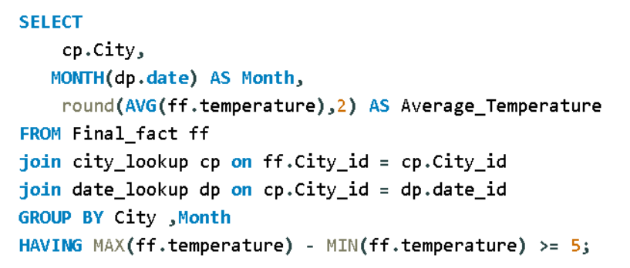
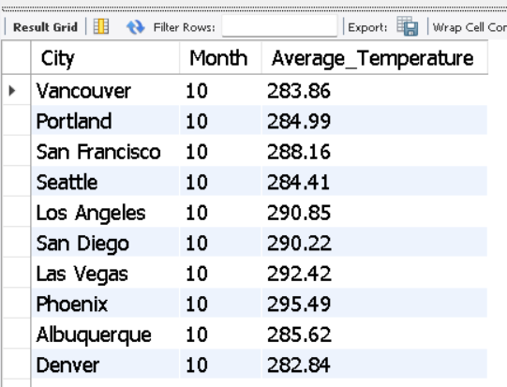
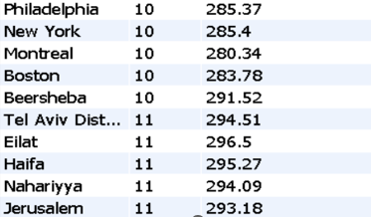
7. Are there specific months when cities experience significant temperature fluctuations? What might explain these variations?

8
8. Identify periods of extreme weather events, such as storms or heatwaves, by analyzing the time-based data. What patterns emerge?

 |  |  |  |  | Wind_speed | (All)

 | Date | Temperature | Wind_speed | Weather_description | Sum of Temperature | weather Desciption
 | 2013-09-28 | 287.15 | 8 | thunderstorm with heavy rain | Row Labels | proximity thunderstorm | proximity thunderstorm with rain | ragged thunderstorm | thunderstorm | thunderstorm with heavy rain | thunderstorm with light rain | thunderstorm with rain
 | 2014-06-16 | 283.57 | 4 | thunderstorm | 2012 | 2596.52 |  |  | 872.1 | 575.1 |  | 287.73
 | 2014-06-27 | 288.29 | 2 | thunderstorm with light rain | 2013 | 82913.76 |  |  | 5930.11 | 2042.87 | 2929.3 | 2361.57
 | 2014-10-11 | 285.18 | 2 | thunderstorm with light rain | 2014 | 19591.1 | 293.42 |  | 4740.09 | 585.09 | 2650.49 | 293.62
 | 2015-08-30 | 291.83 | 4 | thunderstorm | 2015 | 20841.23 | 302.5 |  | 20634.36 | 2030.4 | 7328.38 | 3826.82
 | 2015-09-02 | 285.4 | 4 | thunderstorm with light rain | 2016 | 18985.66 | 1143.92 |  | 13361.02 | 2664.78 | 6784.14 | 2336.56
 | 2015-09-02 | 288.24 | 2 | thunderstorm | 2017 | 32785.4 | 2045.38 | 285.71 | 19448.79 | 2917.14 | 7894.83 | 2656.3
 | 2015-09-24 | 290.01 | 1 | thunderstorm
 | proximity thunderstorm | proximity thunderstorm with rain | ragged thunderstorm | thunderstorm | thunderstorm with heavy rain | thunderstorm with light rain | thunderstorm with rain
2012 | 2596.52 |  |  | 872.1 | 575.1 |  | 287.73
2013 | 82913.76 |  |  | 5930.11 | 2042.87 | 2929.3 | 2361.57
2014 | 19591.1 | 293.42 |  | 4740.09 | 585.09 | 2650.49 | 293.62
2015 | 20841.23 | 302.5 |  | 20634.36 | 2030.4 | 7328.38 | 3826.82
2016 | 18985.66 | 1143.92 |  | 13361.02 | 2664.78 | 6784.14 | 2336.56
2017 | 32785.4 | 2045.38 | 285.71 | 19448.79 | 2917.14 | 7894.83 | 2656.3
 | 2016-07-22 | 289.96 | 7 | thunderstorm
 | 2016-08-02 | 287.45 | 7 | thunderstorm with rain
 | 2016-09-03 | 289.22 | 2 | thunderstorm with heavy rain
 | 2017-03-16 | 281.56 | 5 | proximity thunderstorm
 | 2017-04-13 | 285.71 | 7 | ragged thunderstorm
 | 2017-04-14 | 283.47 | 1 | thunderstorm with light rain
 | 2017-04-20 | 286.13 | 4 | thunderstorm with light rain
 | 2017-05-12 | 283.54 | 3 | thunderstorm with heavy rain
 | 2017-05-13 | 283.24 | 5 | thunderstorm with light rain
 | 2017-05-13 | 284.36 | 2 | thunderstorm with rain
 | 2017-06-20 | 291.2 | 6 | thunderstorm with light rain
 | 2017-07-14 | 294.55 | 4 | proximity thunderstorm
 | 2017-07-16 | 294.27 | 2 | thunderstorm
 | 2017-07-17 | 287.9 | 4 | thunderstorm
 | 2017-07-17 | 284.13 | 6 | proximity thunderstorm
 | 2017-07-17 | 284.95 | 4 | proximity thunderstorm
 | 2017-09-08 | 289.34 | 1 | proximity thunderstorm
 | 2017-10-13 | 280.12 | 6 | proximity thunderstorm
 | 2013-09-05 | 290.45 | 1 | thunderstorm
 | 2013-09-25 | 284.4 | 1 | proximity thunderstorm
 | 2014-05-09 | 285.74 | 1 | proximity thunderstorm
 | 2014-07-13 | 292.79 | 0 | proximity thunderstorm
 | 2014-07-13 | 293.61 | 0 | thunderstorm
 | 2014-07-13 | 292.98 | 1 | thunderstorm
 | 2014-08-01 | 294.1 | 2 | proximity thunderstorm
 | 2014-08-01 | 293.42 | 0 | thunderstorm
 | 2014-08-01 | 292.28 | 1 | proximity thunderstorm
 | 2014-08-01 | 291.88 | 4 | thunderstorm
 | 2015-06-28 | 293.69 | 3 | proximity thunderstorm
 | 2015-08-14 | 294.02 | 3 | proximity thunderstorm
 | 2015-09-05 | 291.14 | 6 | proximity thunderstorm
 | 2015-09-05 | 290.7 | 4 | proximity thunderstorm
 | 2015-12-10 | 283.76 | 3 | proximity thunderstorm
 | 2016-03-21 | 285.58 | 2 | proximity thunderstorm
 | 2016-04-21 | 296.14 | 7 | thunderstorm with light rain
 | 2016-04-30 | 286.99 | 2 | proximity thunderstorm
 | 2017-04-15 | 284.33 | 5 | proximity thunderstorm
 | 2017-04-18 | 288.15 | 3 | thunderstorm
 | 2017-05-04 | 299.57 | 3 | proximity thunderstorm
 | 2017-05-05 | 297.13 | 3 | proximity thunderstorm
 | 2017-05-05 | 295.35 | 3 | thunderstorm with light rain
 | 2017-05-05 | 294.17 | 3 | thunderstorm with light rain
 | 2017-05-05 | 289.11 | 3 | thunderstorm
 | 2017-05-14 | 282.16 | 1 | thunderstorm with light rain
 | 2017-06-26 | 290.72 | 2 | thunderstorm
 | 2017-09-18 | 287.41 | 1 | proximity thunderstorm
 | 2017-09-18 | 288.01 | 4 | thunderstorm
 | 2017-09-20 | 289.92 | 7 | proximity thunderstorm
 | 2017-10-11 | 286.29 | 2 | proximity thunderstorm
 | 2017-10-12 | 285.13 | 3 | thunderstorm
 | 2017-10-13 | 285.8 | 4 | proximity thunderstorm
 | 2012-10-07 | 287.63 | 3 | proximity thunderstorm
 | 2012-10-09 | 292.67 | 3 | thunderstorm
 | 2012-10-19 | 289.82 | 0 | thunderstorm with heavy rain
 | 2012-12-11 | 286.05 | 6 | thunderstorm
 | 2012-12-11 | 285.28 | 0 | thunderstorm with heavy rain
 | 2013-03-25 | 283.91 | 5 | thunderstorm with rain
 | 2013-04-27 | 290.09 | 8 | proximity thunderstorm
 | 2013-04-28 | 283.19 | 1 | proximity thunderstorm
 | 2013-06-06 | 290.81 | 2 | thunderstorm with light rain
 | 2013-06-17 | 295.45 | 1 | thunderstorm
 | 2013-06-17 | 297.83 | 2 | proximity thunderstorm
 | 2013-06-18 | 296.36 | 3 | proximity thunderstorm
 | 2013-06-18 | 295.03 | 2 | thunderstorm with light rain
 | 2013-06-22 | 292.19 | 3 | thunderstorm with light rain
 | 2013-07-12 | 293.89 | 2 | proximity thunderstorm
 | 2013-07-12 | 289.15 | 1 | thunderstorm with heavy rain
 | 2013-07-22 | 297.22 | 2 | thunderstorm
 | 2013-07-22 | 297.48 | 2 | proximity thunderstorm
 | 2013-07-24 | 298 | 1 | thunderstorm with light rain
 | 2013-08-02 | 293.86 | 3 | thunderstorm
 | 2013-08-02 | 292.14 | 3 | thunderstorm with light rain
 | 2013-08-04 | 291.91 | 1 | proximity thunderstorm
 | 2013-08-05 | 296.25 | 3 | thunderstorm with rain
 | 2013-08-07 | 293.57 | 3 | proximity thunderstorm
 | 2013-08-08 | 292.96 | 3 | thunderstorm with heavy rain
 | 2013-08-09 | 299.55 | 3 | thunderstorm
 | 2013-08-09 | 292.81 | 3 | thunderstorm with light rain
 | 2013-08-09 | 293.05 | 4 | proximity thunderstorm
 | 2013-08-11 | 293.67 | 1 | thunderstorm with heavy rain
 | 2013-08-11 | 296.73 | 2 | proximity thunderstorm
 | 2013-08-12 | 296.59 | 3 | thunderstorm
 | 2013-08-12 | 297.41 | 1 | proximity thunderstorm
 | 2013-08-13 | 296.95 | 2 | thunderstorm with rain
 | 2013-08-14 | 297.94 | 2 | proximity thunderstorm
 | 2013-08-18 | 295.82 | 2 | thunderstorm with rain
 | 2013-08-20 | 300.75 | 2 | thunderstorm with rain
 | 2013-08-22 | 293.22 | 1 | thunderstorm with light rain
 | 2013-08-22 | 295.84 | 2 | thunderstorm
 | 2013-08-23 | 295.8 | 2 | proximity thunderstorm
 | 2013-08-25 | 293.99 | 1 | thunderstorm
 | 2013-08-27 | 298.01 | 1 | thunderstorm
 | 2013-08-29 | 299.74 | 3 | thunderstorm
 | 2013-08-29 | 300.26 | 3 | thunderstorm with rain
 | 2013-09-02 | 292.52 | 1 | proximity thunderstorm
 | 2013-09-09 | 300.66 | 3 | thunderstorm
 | 2013-10-15 | 298.47 | 0 | thunderstorm with rain
 | 2013-10-16 | 297.33 | 1 | thunderstorm with light rain
 | 2013-11-24 | 287.99 | 1 | thunderstorm with light rain
 | 2013-12-15 | 288.85 | 3 | thunderstorm
 | 2014-05-14 | 293.05 | 1 | thunderstorm with light rain
 | 2014-05-15 | 299.4 | 1 | thunderstorm with heavy rain
 | 2014-06-05 | 285.69 | 1 | thunderstorm with heavy rain
 | 2014-06-05 | 286.75 | 2 | thunderstorm with light rain
 | 2014-06-08 | 301.95 | 1 | thunderstorm with light rain
 | 2014-06-10 | 293.42 | 3 | proximity thunderstorm with rain
 | 2014-07-10 | 293.62 | 4 | thunderstorm with rain
 | 2014-07-10 | 293.02 | 3 | proximity thunderstorm
 | 2014-07-20 | 292.77 | 6 | proximity thunderstorm
 | 2014-07-21 | 290.07 | 3 | proximity thunderstorm
 | 2014-07-21 | 290.68 | 2 | thunderstorm
 | 2014-07-21 | 290.98 | 1 | proximity thunderstorm
 | 2014-07-31 | 299.55 | 3 | thunderstorm
 | 2014-08-07 | 299.04 | 2 | thunderstorm
 | 2014-08-08 | 297.33 | 3 | proximity thunderstorm
 | 2015-06-26 | 303.67 | 7 | thunderstorm with heavy rain
 | 2015-06-26 | 302.5 | 5 | proximity thunderstorm with rain
 | 2015-06-30 | 298.22 | 4 | proximity thunderstorm
 | 2015-07-01 | 303.11 | 7 | proximity thunderstorm
 | 2015-07-11 | 295.92 | 3 | thunderstorm
 | 2015-07-18 | 299.83 | 1 | thunderstorm with rain
 | 2015-07-20 | 298.89 | 2 | thunderstorm
 | 2015-07-20 | 303.1 | 5 | thunderstorm with light rain
 | 2015-07-21 | 298.92 | 10 | proximity thunderstorm
 | 2015-07-26 | 295.75 | 5 | thunderstorm
 | 2015-07-28 | 307.71 | 3 | thunderstorm
 | 2015-07-29 | 293.76 | 3 | proximity thunderstorm
 | 2015-07-29 | 301.98 | 6 | proximity thunderstorm
 | 2015-07-31 | 298.78 | 3 | thunderstorm
 | 2015-08-01 | 298.22 | 8 | thunderstorm
 | 2015-08-04 | 293.76 | 3 | thunderstorm with rain
 | 2015-08-06 | 298.39 | 5 | proximity thunderstorm
 | 2015-08-06 | 299.3 | 7 | proximity thunderstorm
 | 2015-08-09 | 300.82 | 6 | thunderstorm with light rain
 | 2015-08-10 | 293.72 | 6 | thunderstorm with light rain
 | 2015-08-10 | 292.46 | 3 | thunderstorm with light rain
 | 2015-08-10 | 295.56 | 6 | thunderstorm with light rain
 | 2015-08-10 | 297.51 | 4 | thunderstorm with rain
 | 2015-08-10 | 299.36 | 5 | thunderstorm with rain
 | 2015-08-13 | 300.17 | 4 | thunderstorm
 | 2015-08-13 | 300.63 | 7 | thunderstorm
 | 2015-08-13 | 300.36 | 2 | thunderstorm
 | 2015-08-15 | 300.54 | 4 | thunderstorm
 | 2015-08-15 | 299.82 | 9 | thunderstorm
 | 2015-08-15 | 298.15 | 4 | thunderstorm
 | 2015-08-15 | 288.32 | 1 | proximity thunderstorm
 | 2015-08-15 | 288.68 | 13 | proximity thunderstorm
 | 2015-08-17 | 298.71 | 1 | thunderstorm
 | 2015-08-19 | 299.01 | 8 | proximity thunderstorm
 | 2015-08-19 | 298.43 | 6 | thunderstorm with heavy rain
 | 2015-08-20 | 297.84 | 3 | thunderstorm with heavy rain
 | 2015-08-22 | 294.38 | 4 | thunderstorm with rain
 | 2015-08-22 | 296.08 | 5 | thunderstorm with rain
 | 2015-08-23 | 297.55 | 3 | thunderstorm
 | 2015-08-23 | 295.62 | 3 | proximity thunderstorm
 | 2015-08-23 | 289.41 | 2 | thunderstorm with light rain
 | 2015-09-01 | 298.8 | 4 | thunderstorm with rain
 | 2015-09-01 | 299.07 | 2 | thunderstorm
 | 2015-09-05 | 300.19 | 4 | thunderstorm
 | 2015-09-09 | 308.94 | 3 | thunderstorm
 | 2015-09-09 | 309.28 | 8 | thunderstorm
 | 2015-09-11 | 304.24 | 3 | thunderstorm
 | 2015-09-11 | 302.19 | 5 | thunderstorm
 | 2015-09-19 | 298.05 | 4 | thunderstorm
 | 2015-09-19 | 300.66 | 1 | thunderstorm
 | 2015-09-20 | 303.72 | 4 | thunderstorm
 | 2015-09-20 | 304.87 | 2 | thunderstorm
 | 2015-09-22 | 291.39 | 4 | thunderstorm
 | 2015-09-24 | 304.48 | 2 | thunderstorm with light rain
 | 2015-10-01 | 291.56 | 1 | proximity thunderstorm
 | 2015-10-01 | 294.1 | 3 | proximity thunderstorm
 | 2015-10-02 | 296.08 | 3 | proximity thunderstorm
 | 2015-10-04 | 286.46 | 2 | proximity thunderstorm
 | 2015-10-08 | 300.48 | 5 | thunderstorm
 | 2015-10-08 | 302.24 | 3 | thunderstorm
 | 2015-10-11 | 292.79 | 3 | thunderstorm with light rain
 | 2015-10-15 | 299.05 | 4 | thunderstorm
 | 2015-10-15 | 298.79 | 3 | thunderstorm
 | 2015-10-16 | 295.16 | 5 | thunderstorm
 | 2015-10-16 | 293.76 | 6 | thunderstorm
 | 2015-10-31 | 299.1 | 5 | thunderstorm
 | 2015-11-02 | 290.23 | 1 | thunderstorm
 | 2015-11-05 | 292.07 | 4 | thunderstorm with light rain
 | 2015-11-09 | 283.67 | 3 | thunderstorm with light rain
 | 2015-11-16 | 288.45 | 1 | thunderstorm with light rain
 | 2015-12-04 | 279.83 | 5 | thunderstorm with light rain
 | 2015-12-04 | 286.87 | 2 | thunderstorm with light rain
 | 2015-12-07 | 285.72 | 1 | thunderstorm with light rain
 | 2015-12-24 | 283.28 | 4 | proximity thunderstorm
 | 2015-12-24 | 281.16 | 4 | thunderstorm with light rain
 | 2015-12-25 | 278.05 | 4 | thunderstorm
 | 2015-12-25 | 276.29 | 4 | thunderstorm with heavy rain
 | 2015-12-25 | 277.11 | 5 | thunderstorm with heavy rain
 | 2015-12-25 | 279.7 | 1 | thunderstorm with rain
 | 2015-12-25 | 282.62 | 3 | thunderstorm with heavy rain
 | 2015-12-25 | 283.41 | 3 | thunderstorm with light rain
 | 2015-12-25 | 283.9 | 5 | thunderstorm with rain
 | 2015-12-26 | 282.9 | 6 | thunderstorm with rain
 | 2015-12-26 | 277.32 | 2 | proximity thunderstorm
 | 2016-02-03 | 279.13 | 7 | thunderstorm with rain
 | 2016-02-15 | 284.95 | 2 | proximity thunderstorm with rain
 | 2016-02-22 | 282.39 | 1 | proximity thunderstorm
 | 2016-03-01 | 292.27 | 6 | proximity thunderstorm with rain
 | 2016-03-11 | 287.65 | 6 | thunderstorm with light rain
 | 2016-04-01 | 290.05 | 6 | proximity thunderstorm
 | 2016-04-22 | 287.93 | 4 | proximity thunderstorm
 | 2016-04-30 | 298.37 | 3 | proximity thunderstorm
 | 2016-05-05 | 289.05 | 3 | proximity thunderstorm
 | 2016-05-05 | 289.8 | 4 | thunderstorm
 | 2016-05-10 | 284.62 | 1 | proximity thunderstorm
 | 2016-05-13 | 293.53 | 10 | thunderstorm
 | 2016-05-17 | 304.11 | 7 | thunderstorm
 | 2016-05-17 | 304 | 4 | thunderstorm
 | 2016-05-18 | 299.28 | 5 | thunderstorm
 | 2016-05-25 | 293.08 | 10 | thunderstorm
 | 2016-05-26 | 292.19 | 2 | thunderstorm with light rain
 | 2016-05-30 | 295.76 | 2 | thunderstorm
 | 2016-06-02 | 298.42 | 4 | proximity thunderstorm
 | 2016-06-03 | 304.94 | 3 | proximity thunderstorm
 | 2016-06-05 | 300.19 | 2 | thunderstorm with heavy rain
 | 2016-06-25 | 304.58 | 1 | proximity thunderstorm
 | 2016-06-25 | 303.73 | 1 | thunderstorm
 | 2016-06-26 | 302.59 | 1 | thunderstorm with light rain
 | 2016-06-27 | 300.87 | 2 | thunderstorm
 | 2016-06-27 | 298.28 | 2 | thunderstorm
 | 2016-06-27 | 304.24 | 5 | thunderstorm with heavy rain
 | 2016-06-29 | 298.36 | 6 | thunderstorm
 | 2016-07-03 | 298.16 | 5 | proximity thunderstorm
 | 2016-07-04 | 295.53 | 2 | thunderstorm
 | 2016-07-05 | 297.35 | 4 | thunderstorm
 | 2016-07-11 | 300.38 | 4 | thunderstorm with light rain
 | 2016-07-21 | 298.08 | 2 | thunderstorm with rain
 | 2016-07-21 | 298.97 | 1 | thunderstorm with light rain
 | 2016-07-22 | 298.84 | 4 | thunderstorm with rain
 | 2016-07-22 | 300.73 | 2 | thunderstorm
 | 2016-07-23 | 301.86 | 5 | thunderstorm
 | 2016-07-23 | 303.31 | 3 | proximity thunderstorm
 | 2016-07-23 | 304.4 | 1 | proximity thunderstorm
 | 2016-07-24 | 303.26 | 3 | proximity thunderstorm
 | 2016-07-24 | 302.02 | 3 | proximity thunderstorm
 | 2016-07-26 | 300.52 | 4 | thunderstorm
 | 2016-07-26 | 298.84 | 3 | thunderstorm with rain
 | 2016-07-26 | 296.53 | 8 | thunderstorm with light rain
 | 2016-07-26 | 294.18 | 2 | thunderstorm
 | 2016-07-28 | 300.74 | 6 | proximity thunderstorm
 | 2016-07-28 | 302.15 | 7 | thunderstorm
 | 2016-07-31 | 298.51 | 4 | proximity thunderstorm
 | 2016-07-31 | 299.58 | 3 | proximity thunderstorm
 | 2016-07-31 | 299.78 | 4 | thunderstorm
 | 2016-08-01 | 298.18 | 4 | thunderstorm
 | 2016-08-20 | 297.23 | 8 | proximity thunderstorm
 | 2016-08-20 | 297.85 | 8 | thunderstorm
 | 2016-08-20 | 298.51 | 8 | proximity thunderstorm
 | 2016-08-20 | 298.68 | 7 | thunderstorm
 | 2016-08-26 | 296.8 | 6 | thunderstorm
 | 2016-08-27 | 295.58 | 6 | thunderstorm with light rain
 | 2016-08-27 | 295.16 | 4 | thunderstorm
 | 2016-08-30 | 300.85 | 10 | thunderstorm
 | 2016-08-31 | 299.5 | 9 | thunderstorm with light rain
 | 2016-08-31 | 298.34 | 9 | thunderstorm with light rain
 | 2016-09-10 | 293.43 | 9 | thunderstorm
 | 2016-09-10 | 294.97 | 7 | thunderstorm
 | 2016-09-10 | 297.08 | 7 | thunderstorm
 | 2016-09-11 | 295.23 | 9 | thunderstorm with light rain
 | 2016-09-11 | 293.53 | 9 | proximity thunderstorm
 | 2016-09-14 | 285.76 | 1 | thunderstorm with light rain
 | 2016-09-16 | 297.3 | 10 | thunderstorm
 | 2016-11-30 | 285.06 | 1 | proximity thunderstorm with rain
 | 2016-11-30 | 282.75 | 7 | thunderstorm with heavy rain
 | 2016-11-30 | 280.45 | 4 | thunderstorm with light rain
 | 2016-11-30 | 281.64 | 3 | proximity thunderstorm with rain
 | 2016-12-27 | 279.25 | 1 | proximity thunderstorm
 | 2016-12-29 | 283.68 | 4 | thunderstorm
 | 2017-01-23 | 283.63 | 10 | proximity thunderstorm
 | 2017-02-07 | 289 | 5 | proximity thunderstorm
 | 2017-02-25 | 282.36 | 6 | proximity thunderstorm
 | 2017-02-25 | 281.98 | 3 | proximity thunderstorm
 | 2017-02-25 | 281.07 | 3 | thunderstorm with light rain
 | 2017-02-28 | 278.14 | 2 | thunderstorm with heavy rain
 | 2017-02-28 | 279.83 | 3 | thunderstorm with light rain
 | 2017-02-28 | 283.53 | 2 | proximity thunderstorm with rain
 | 2017-03-01 | 286.53 | 1 | proximity thunderstorm
 | 2017-03-07 | 286.38 | 0 | thunderstorm with heavy rain
 | 2017-03-10 | 287.38 | 9 | proximity thunderstorm
 | 2017-03-10 | 286.32 | 7 | proximity thunderstorm with rain
 | 2017-03-10 | 286.07 | 7 | proximity thunderstorm with rain
 | 2017-03-18 | 292.81 | 4 | proximity thunderstorm
 | 2017-03-18 | 290.52 | 7 | proximity thunderstorm
 | 2017-03-18 | 286.78 | 3 | thunderstorm with heavy rain
 | 2017-03-22 | 290.69 | 6 | thunderstorm with light rain
 | 2017-03-22 | 287.17 | 6 | proximity thunderstorm
 | 2017-03-25 | 288.98 | 7 | proximity thunderstorm
 | 2017-03-27 | 290.08 | 1 | thunderstorm with rain
 | 2017-03-28 | 286.65 | 5 | thunderstorm with heavy rain
 | 2017-04-23 | 291.37 | 8 | thunderstorm with heavy rain
 | 2017-04-27 | 286.95 | 9 | thunderstorm with light rain
 | 2017-04-27 | 286.24 | 10 | proximity thunderstorm with rain
 | 2017-04-30 | 297.53 | 5 | thunderstorm
 | 2017-05-03 | 304.02 | 3 | thunderstorm
 | 2017-05-04 | 296.58 | 11 | proximity thunderstorm with rain
 | 2017-05-14 | 292.55 | 3 | proximity thunderstorm
 | 2017-05-15 | 291.82 | 10 | proximity thunderstorm
 | 2017-05-15 | 291.58 | 3 | proximity thunderstorm
...

9
9. Are there any notable differences in temperature trends between northern and southern hemisphere cities over the year? How do they relate to seasons?

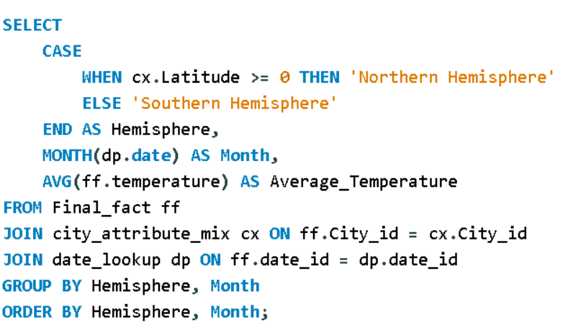
analyzes temperature trends by month, which focuses on the seasonal changes I classify cities into the Northern or Southern Hemisphere based on their latitude. Cities with positive latitudes are in the Northern Hemisphere, and cities with negative latitudes are in the Southern Hemisphere. I calculate the average temperature for each month in the dataset, grouping the data by hemisphere and month

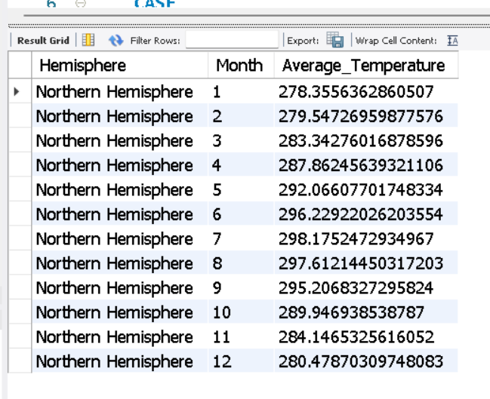
Northern Hemisphere vs. Southern Hemisphere: In geography, the Earth is divided into two hemispheres: the Northern Hemisphere (above the equator) and the Southern Hemisphere (below the equator).
Latitude and Hemispheres: The equator is located at 0 degrees latitude and serves as the dividing line between the two hemispheres. Cities located north of the equator have positive latitudes, and they are part of the Northern Hemisphere. Cities located south of the equator have negative latitudes and are in the Southern Hemisphere.
Classification: By checking WHERE ca.Latitude >= 0, the query classifies cities with latitudes greater than or equal to 0 as part of the Northern Hemisphere.

10
10. What are the consequences of prolonged periods of extreme cold or heat in specific cities? How do residents adapt to such conditions?

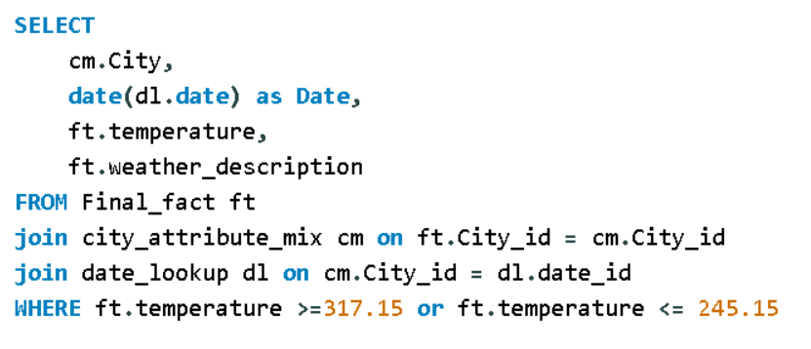
Temperature >= 313.15 checks for temperatures greater than or equal to 313.15 Kelvin, which is equivalent to 40 degrees Celsius. This part of the condition is looking for very hot or extremely high temperatures.
Temperature <= 273.15 checks for temperatures less than or equal to 273.15 Kelvin, which is equivalent to 0 degrees Celsius. This part of the condition is looking for very cold or extremely low temperatures.

 | City | Date | Temperature | Weather_description
 | Vancouver | 2012-10-01 | 245.15 | broken clouds
 | Las Vegas | 2012-10-07 | 317.48 | sky is clear | Sum of Temperature | weather description
 | Las Vegas | 2012-10-07 | 317.35 | proximity thunderstorm | City | broken clouds | few clouds | haze | proximity thunderstorm | scattered clouds | sky is clear
 | Las Vegas | 2012-10-07 | 317.6 | sky is clear | Detroit |  |  |  |  |  | 487.225
 | Las Vegas | 2012-10-07 | 317.6 | sky is clear | Eilat |  | 318.66 | 951.98 |  | 636.18 | 15895.96
 | Las Vegas | 2012-10-07 | 318.12 | sky is clear | Haifa
 |  | 2012-10-07 | 318.64 | sky is clear | Indianapolis |  | 244.90833333 |  |  |  | 244.86633333
 |  | 2012-10-07 | 317.83 | sky is clear | Las Vegas | 317.49 |  |  | 317.35 |  | 11436.52
 |  | 2012-10-07 | 318.41 | sky is clear | Minneapolis |  | 734.46 | 487.01 |  |  | 4146.2959058
 |  | 2012-10-07 | 317.65 | sky is clear | Montreal |  | 244.15 |  |  |  | 1218.1
 |  | 2012-10-07 | 317.15 | sky is clear | Phoenix | 1588.97 | 4470.19 |  |  | 6048.616 | 16236.891
 |  | 2012-10-07 | 318.15 | sky is clear | Tel Aviv District |  |  |  |  |  | 639.64
 |  | 2012-10-07 | 318.15 | sky is clear | Vancouver | 245.15
 |  | 2012-10-07 | 318.15 | sky is clear
 |  | 2012-10-07 | 318.15 | sky is clear
 |  | 2012-10-07 | 317.15 | sky is clear
 | broken clouds | few clouds | haze | proximity thunderstorm | scattered clouds | sky is clear
Detroit |  |  |  |  |  | 487.225
Eilat |  | 318.66 | 951.98 |  | 636.18 | 15895.96
Haifa |  |  |  |  |  | 959.46
Indianapolis |  | 244.90833333 |  |  |  | 244.86633333
Las Vegas | 317.49 |  |  | 317.35 |  | 11436.52
Minneapolis |  | 734.46 | 487.01 |  |  | 4146.2959058
Montreal |  | 244.15 |  |  |  | 1218.1
Phoenix | 1588.97 | 4470.19 |  |  | 6048.616 | 16236.891
Tel Aviv District |  |  |  |  |  | 639.64
Vancouver | 245.15
 |  | 2012-10-07 | 317.15 | sky is clear
 |  | 2012-10-07 | 317.15 | sky is clear
 |  | 2012-10-07 | 317.15 | sky is clear
 |  | 2012-10-07 | 317.59 | sky is clear
 |  | 2012-10-07 | 318.15 | sky is clear
 |  | 2012-10-07 | 317.59 | sky is clear
 |  | 2012-10-07 | 317.55 | sky is clear
 |  | 2012-10-07 | 317.95 | sky is clear
 |  | 2012-10-07 | 317.75 | sky is clear
 |  | 2012-10-07 | 317.65 | sky is clear
 |  | 2012-10-07 | 317.52 | sky is clear
 |  | 2012-10-07 | 317.15 | sky is clear
 |  | 2012-10-07 | 317.31 | sky is clear
 |  | 2012-10-07 | 318.13 | sky is clear
 |  | 2012-10-07 | 318.36 | sky is clear
 |  | 2012-10-07 | 318.12 | sky is clear
 |  | 2012-10-07 | 317.7 | sky is clear
 |  | 2012-10-07 | 317.29 | sky is clear
 |  | 2012-10-07 | 317.29 | sky is clear
 |  | 2012-10-07 | 317.15 | sky is clear
 |  | 2012-10-07 | 317.49 | broken clouds
 |  | 2012-10-07 | 317.28 | sky is clear
 |  | 2012-10-07 | 317.31 | sky is clear
 |  | 2012-10-08 | 317.5 | sky is clear
 |  | 2012-10-08 | 318.34 | sky is clear
 |  | 2012-10-08 | 318.31 | sky is clear
...

12
12. Analyze the impact of temperature on energy consumption patterns in cities. Are there noticeable trends or correlations?

 | Energy comnsumption data is not in dataset

After analyzing the data, I have determined that there is no relevant data to create a bar chart representing the top 10 countries with the highest number of cities in the dataset, it's a valid and important observation.

