Country Summary
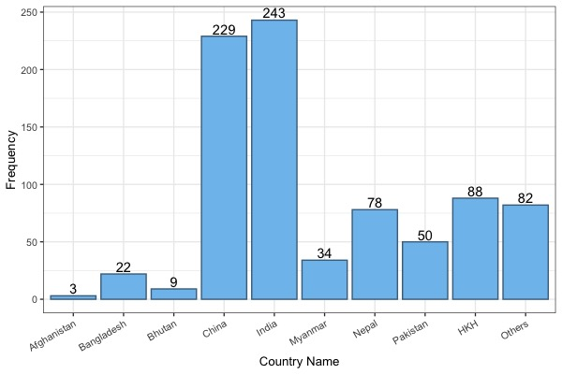
Country | Count | % of Total
Afghanistan | 3 | 0.3
Bangladesh | 22 | 2.4
Bhutan | 9 | 1
China | 229 | 25.3
HKH | 88 | 9.7
India | 242 | 26.7
Myanmar | 34 | 3.8
Nepal | 78 | 8.6
Others | 82 | 9.1
Pakistan | 50 | 5.5
na | 1 | 0.1
Total | 838

Institution - Collaboration
Country count of where where authors are from. Taken from the Affiliation column.

 |  | Country | Count
 | 1 | India | 616
 | 2 | China | 574
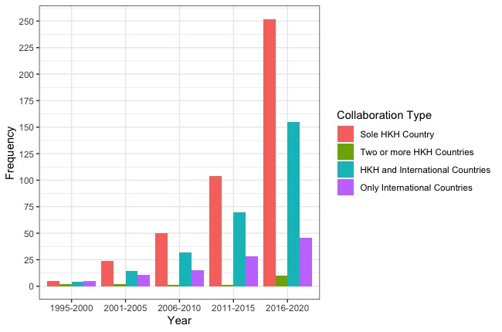
 | 3 | States | 172
 | 4 | Nepal | 127
 | 5 | Kingdom | 95
 | 6 | Pakistan | 93
 | 7 | Australia | 80
 | 8 | Bangladesh | 47
 | 9 | Germany | 40
 | 10 | Italy | 39
 | 11 | Canada | 33
 | 12 | Japan | 31
 | 13 | France | 29
 | 14 | Myanmar | 27
 | 15 | Netherlands | 26
 | 16 | Thailand | 22
 | 17 | Bhutan | 18
 | 18 | Malaysia | 18
 | 19 | Spain | 17
 | 20 | Philippines | 16
 | 21 | Kenya | 13
 | 22 | Switzerland | 13
 | 23 | Singapore | 11
 | 24 | Sweden | 10
 | 25 | Brazil | 9
 | 26 | Korea | 9
 | 27 | Nam | 9
 | 28 | Norway | 9
 | 29 | Denmark | 8
 | 30 | Indonesia | 8
 | 31 | Belgium | 7
 | 32 | Kong | 7
 | 33 | Mexico | 7
 | 34 | Africa | 6
 | 35 | Colombia | 6
 | 36 | Ethiopia | 6
 | 37 | Federation | 5
 | 38 | Taiwan | 5
 | 39 | Finland | 4
 | 40 | Georgia | 4
 | 41 | Ireland | 4
 | 42 | Turkey | 4
 | 43 | Arabia | 3
 | 44 | Lanka | 3
 | 45 | Oman | 3
 | 46 | Peru | 3
 | 47 | Zambia | 3
 | 48 | Zealand | 3
 | 49 | Afghanistan | 2
 | 50 | Argentina | 2
 | 51 | Azerbaijan | 2
 | 52 | Cambodia | 2
 | 53 | Emirates | 2
 | 54 | Kyrgyzstan | 2
 | 55 | Laos | 2
 | 56 | Poland | 2
 | 57 | Qatar | 2
 | 58 | Senegal | 2
 | 59 | Tunisia | 2
 | 60 | (IFPRI) | 1
 | 61 | 650205 | 1
 | 62 | Assam | 1
 | 63 | Austria | 1
 | 64 | Benin | 1
 | 65 | Bolivia | 1
 | 66 | Egypt | 1
 | 67 | Faso | 1
 | 68 | Fiji | 1
 | 69 | Greece | 1
 | 70 | India. | 1
 | 71 | International | 1
 | 72 | Iran | 1
 | 73 | Japan. | 1
 | 74 | Jordan | 1
 | 75 | Mongolia | 1
 | 76 | Morocco | 1
 | 77 | Mozambique | 1
 | 78 | Nicaragua | 1
 | 79 | Nigeria | 1
 | 80 | Portugal | 1
 | 81 | Republic | 1
 | 82 | Romania | 1
 | 83 | Slovenia | 1
 | 84 | Tajikistan | 1

