Sheet
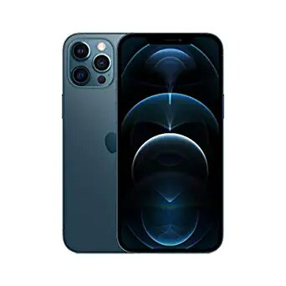
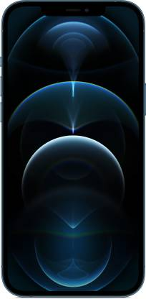
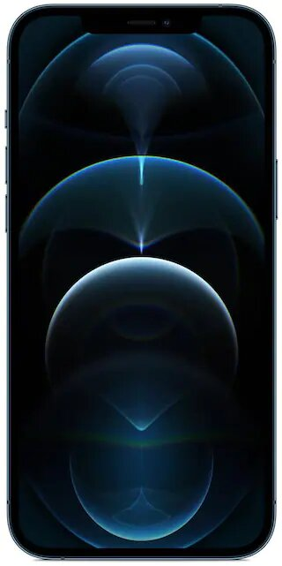
 | Amazon Details | Flipkart Details | Paytmmall Details
Product Name | New Apple iPhone 12 Pro Max (256GB) - Pacific Blue | APPLE iPhone 12 Pro Max (Pacific Blue, 256 GB) | Apple iPhone 12 Pro Max 256 GB Pacific Blue
Product Price | ₹1,29,900.00 | ₹1,29,900 | 1,39,900
Best to Buy From | Amazon Rs. 129900.0 URL: https://www.amazon.in/dp/B08L5T31M6?th=1
specifications of the product | About this item 6.7-inch (17 cm diagonal) Super Retina XDR display Ceramic Shield, tougher than any smartphone glass A14 Bionic chip, the fastest chip ever in a smartphone Pro camera system with 12MP Ultra Wide, Wide and Telephoto cameras; 5x optical zoom range; Night mode, Deep Fusion, Smart HDR 3, Apple ProRAW, 4K Dolby Vision HDR recording LiDAR Scanner for improved AR experiences, Night mode portraits 12MP TrueDepth front camera with Night mode, 4K Dolby Vision HDR recording Industry-leading IP68 water resistance Show More | 256 GB ROM 17.02 cm (6.7 inch) Super Retina XDR Display 12MP + 12MP + 12MP | 12MP Front Camera A14 Bionic Chip with Next Generation Neural Engine Processor Ceramic Shield | Industry-leading IP68 Water Resistance All Screen OLED Display LiDAR Scanner for Improved AR Experiences, Night Mode Portraits

