Photo Attachment
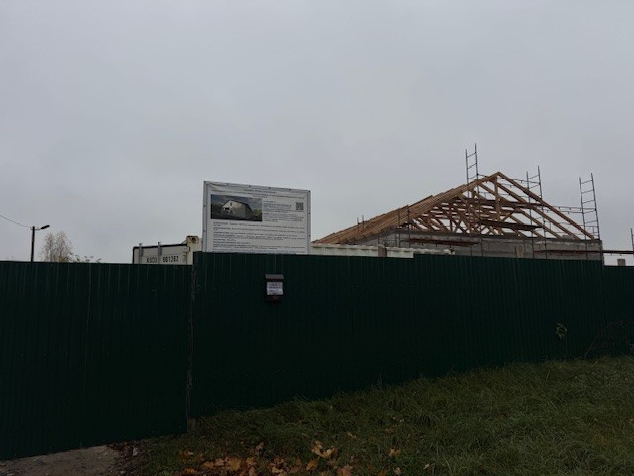

 |  | Installation wooden elements of the roof frame.

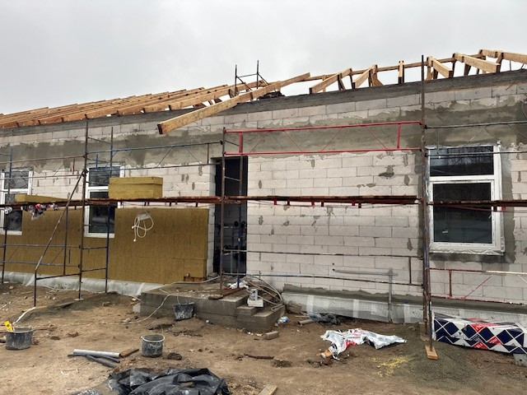

Installation wooden elements of the roof frame.

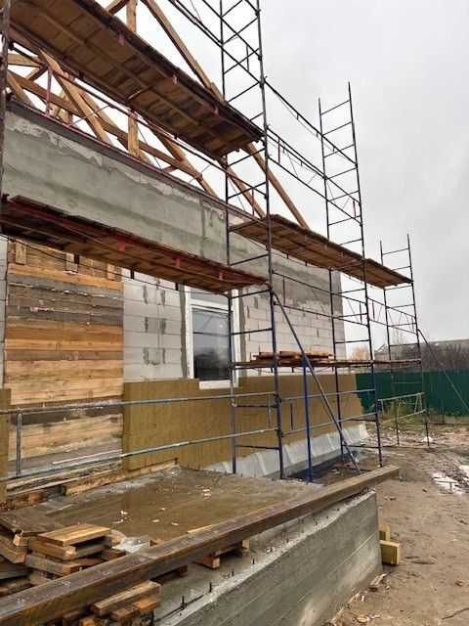

Facade insulation.

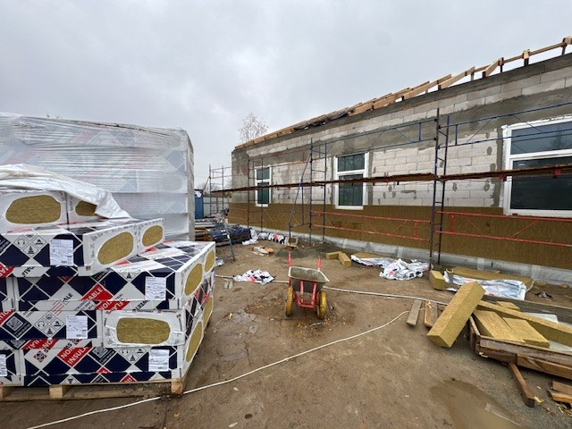

 | Facade insulation.

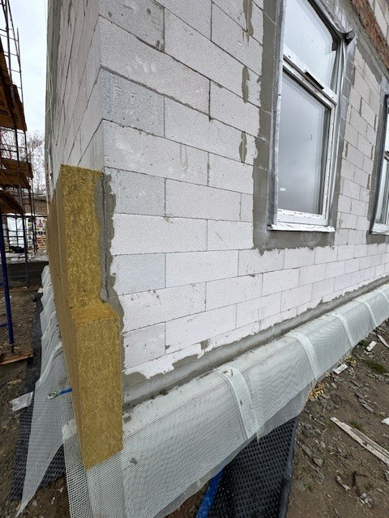

Facade insulation.

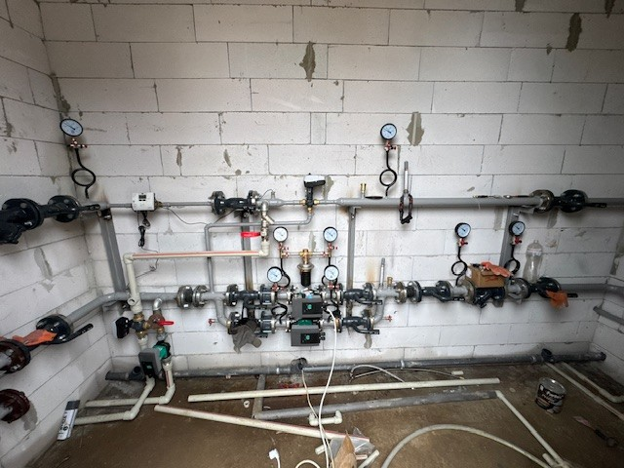

IHP equpment installation.

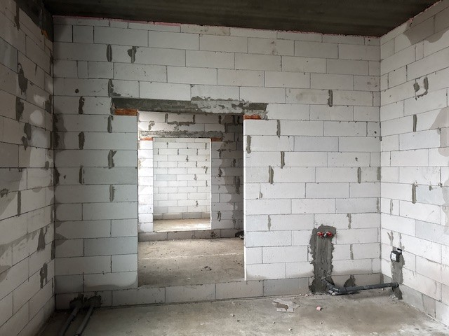

Installation of sewer, cold and hot water pipes.

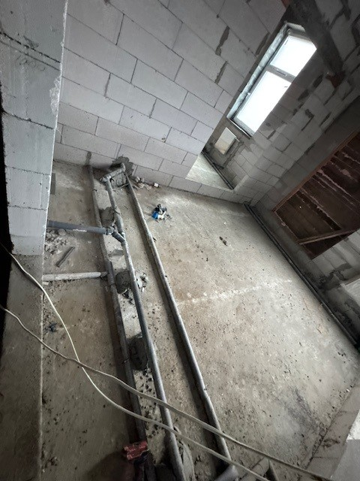

Installation of sewer, cold and hot water pipes.

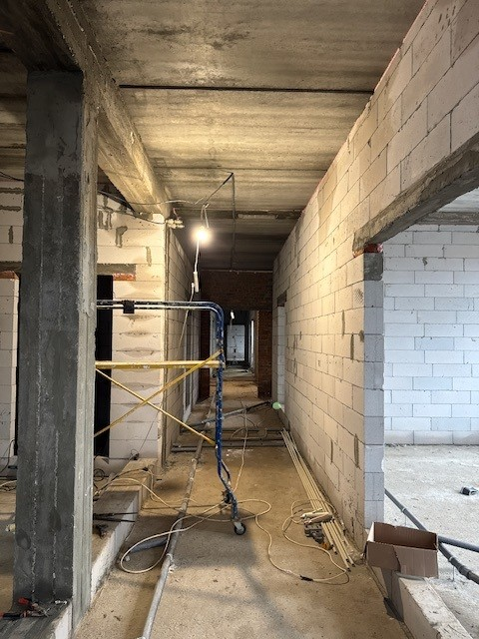

Installation of cold water pipes.

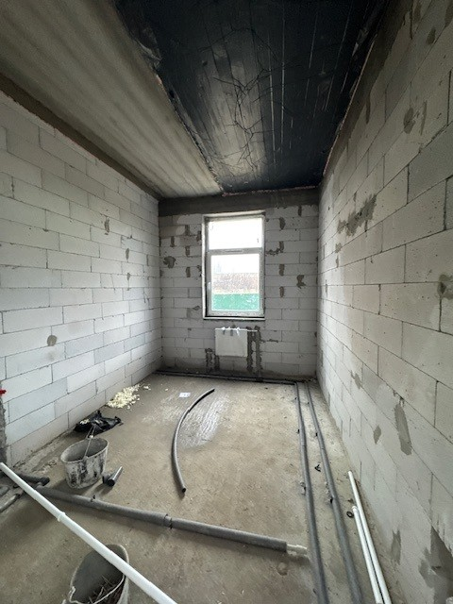

Heating system installation.

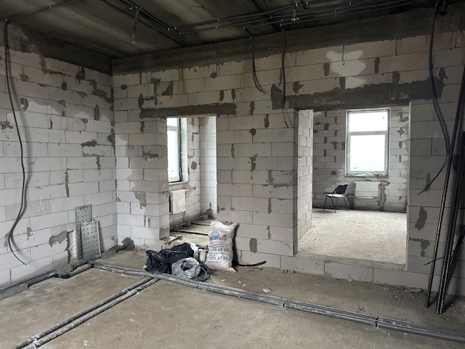

Installation electrical cables in corrugated pipe.

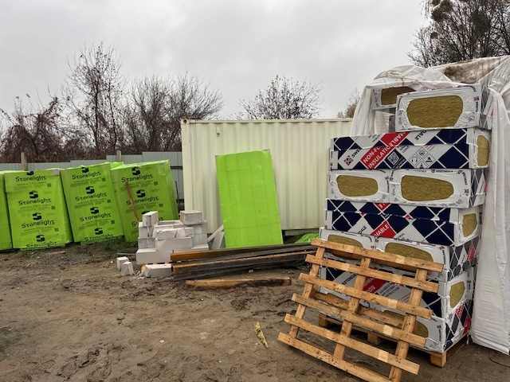

Purchased materials.

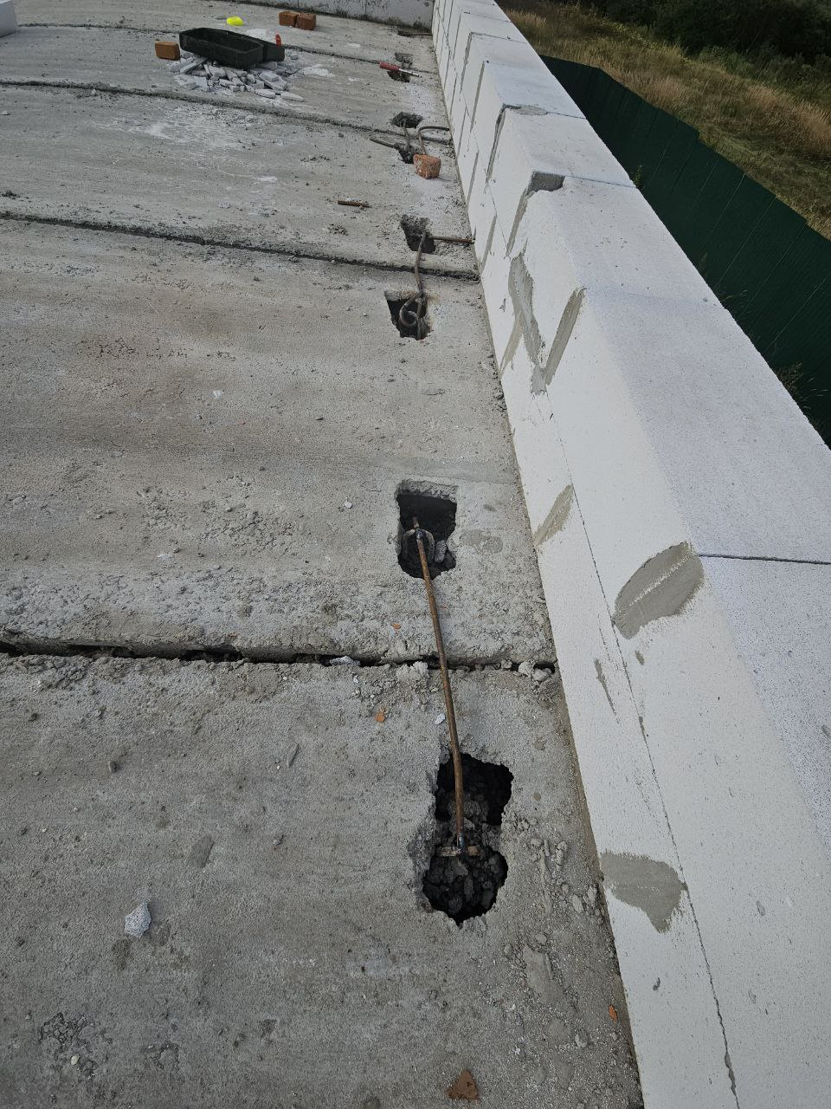

Anchoring floor slabs to each other.

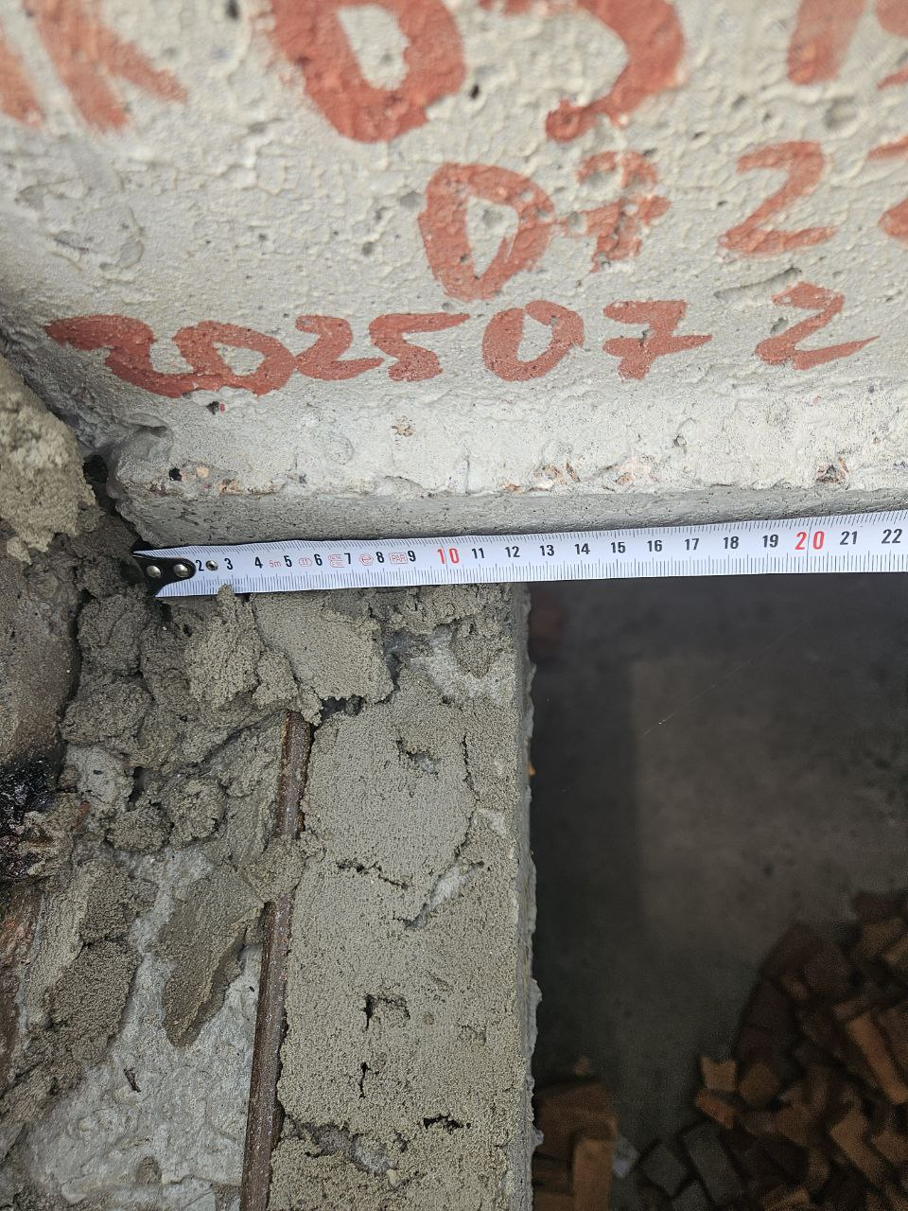

Depth of slab support.

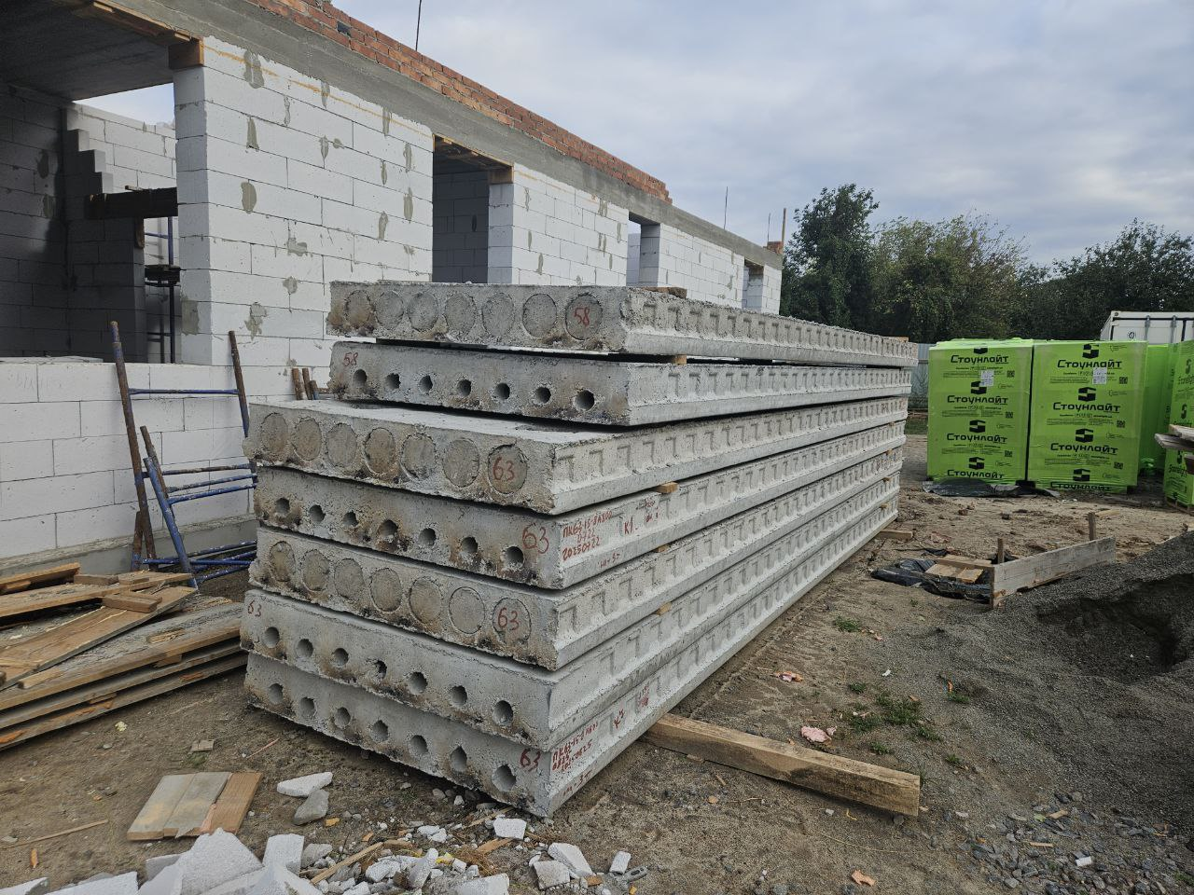

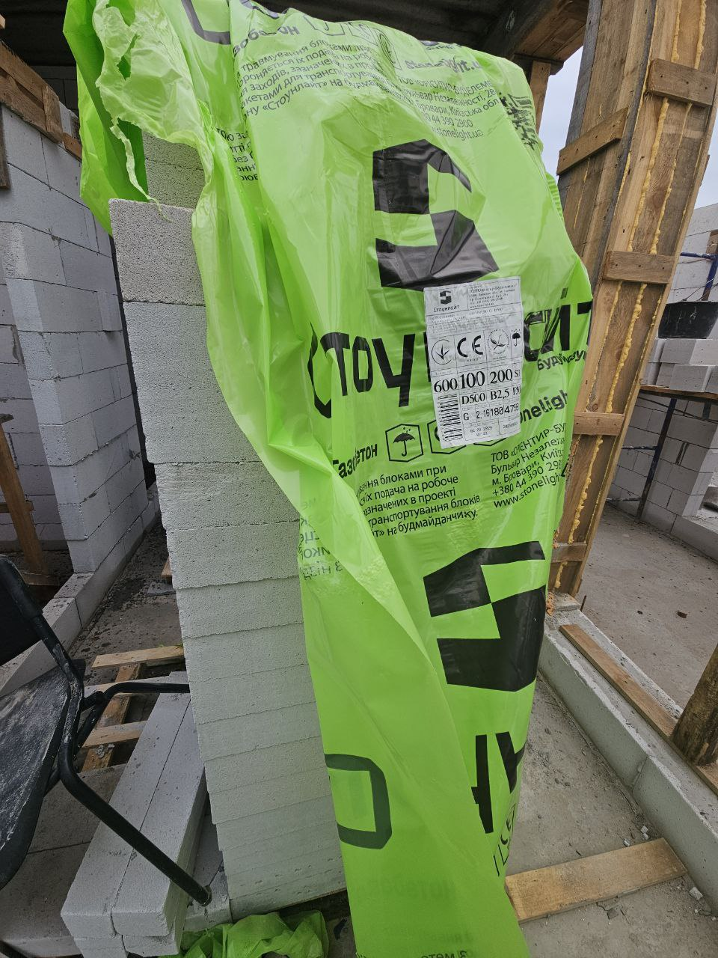

Purchased materials.

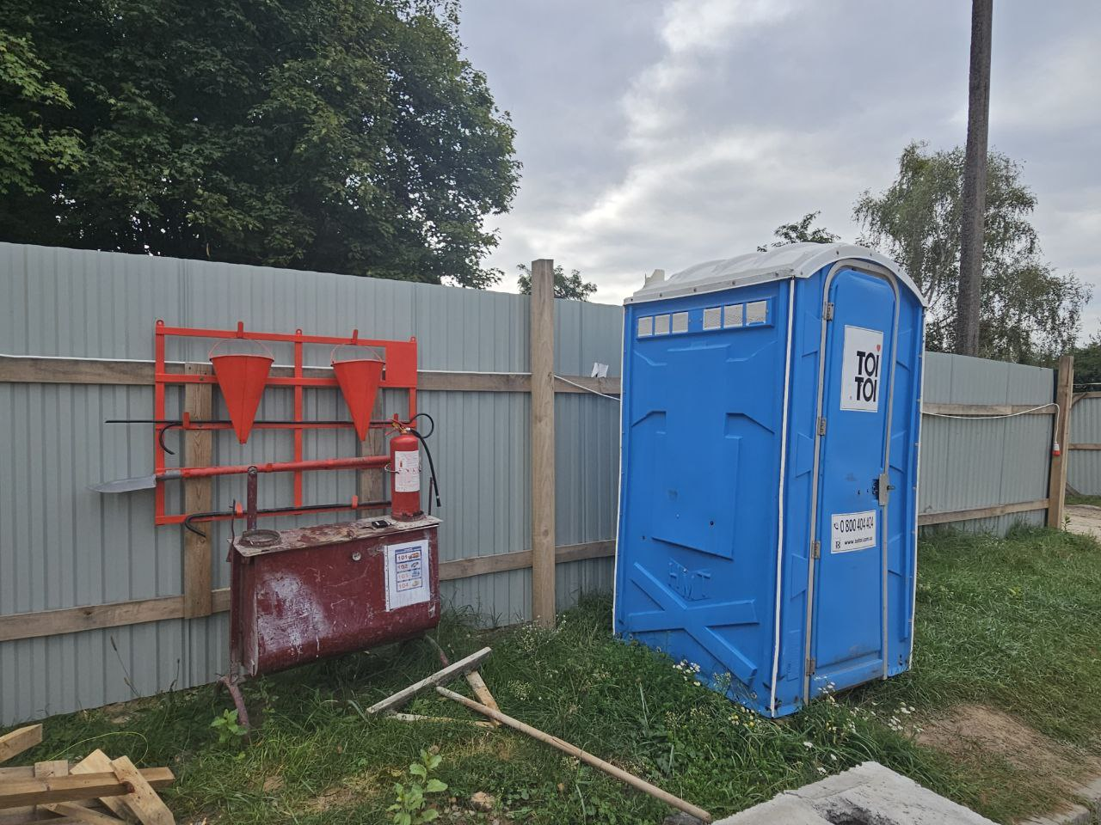

The fire shield is fully equipped. Lavatory on the site.

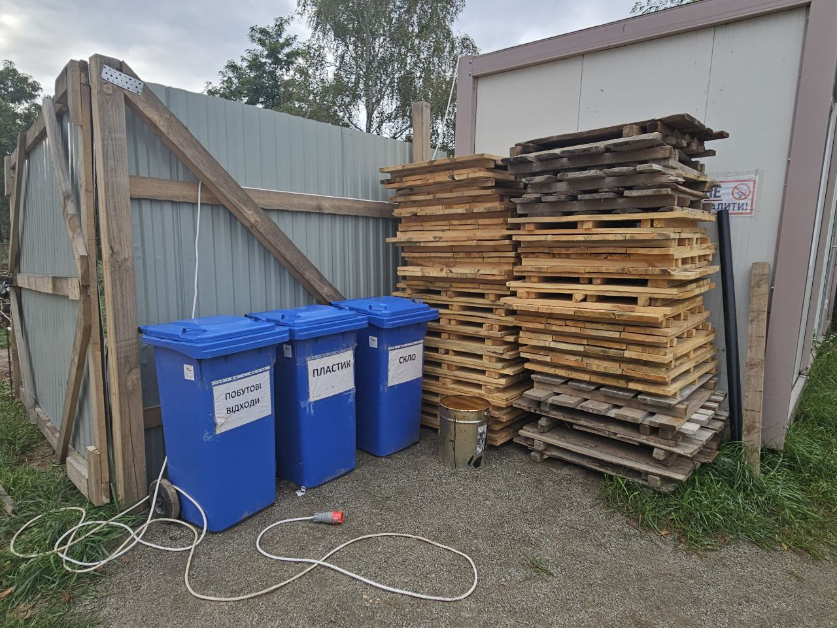

Garbage cans.

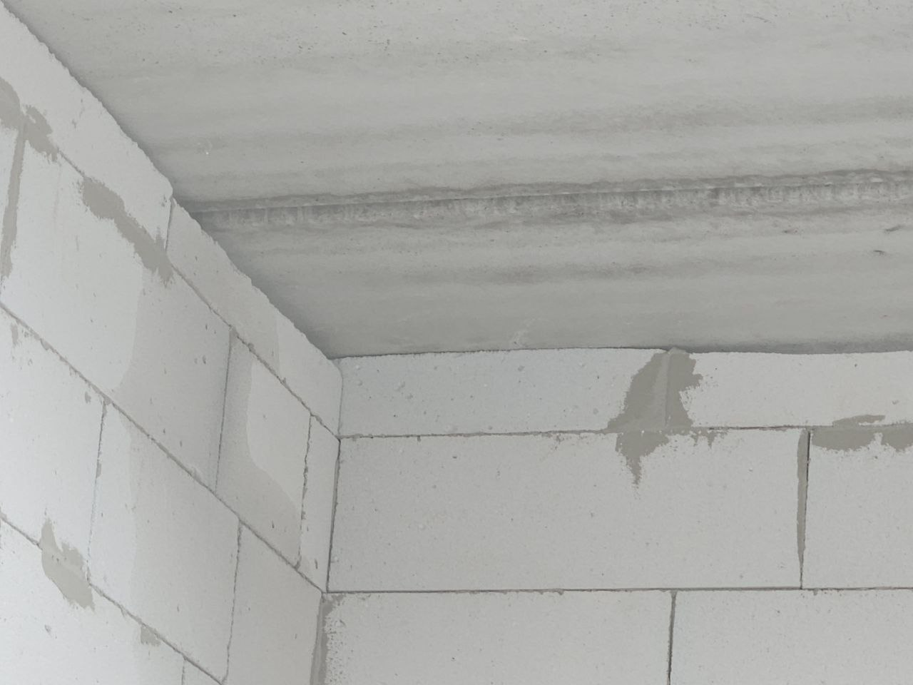

The gap between floor slab and partition have to be at least 2cm.

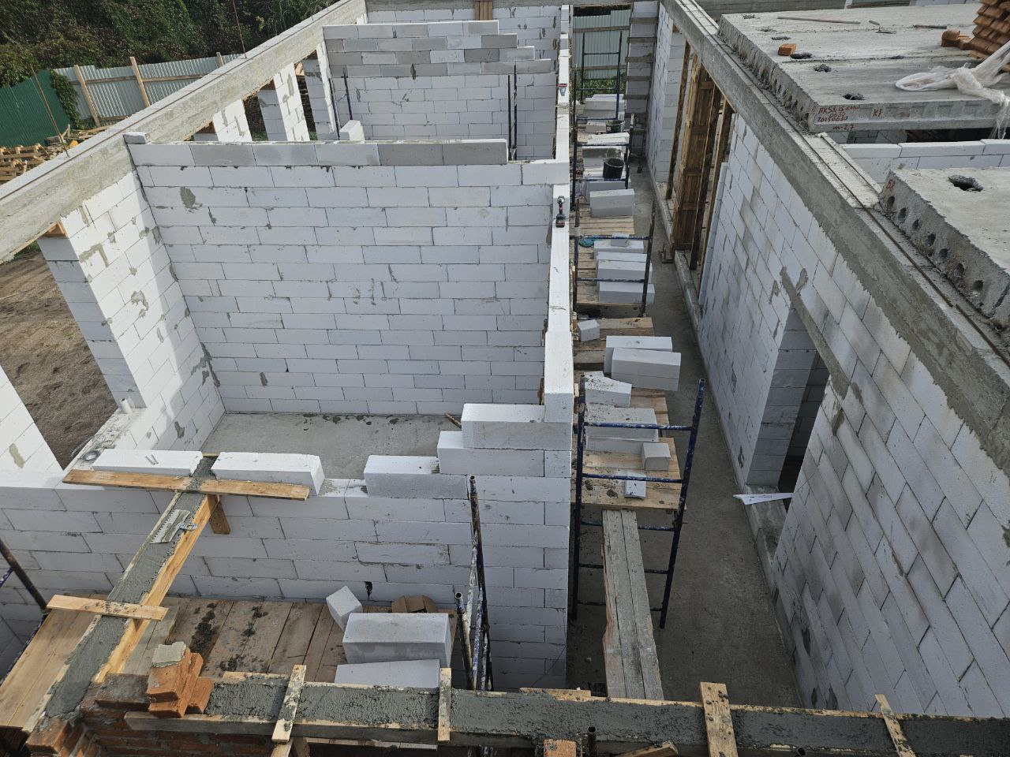

Scaffolding equipment must be made and installed in accordance with DBN.

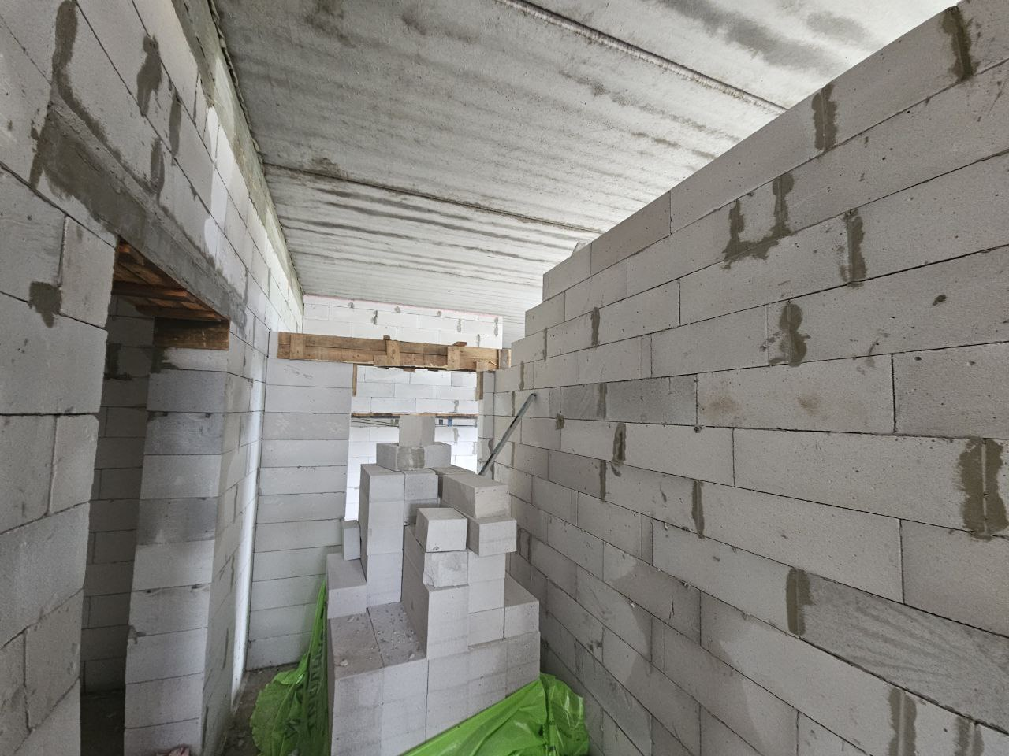

Installation of concrete lintels should be done on top of a row of bricks..

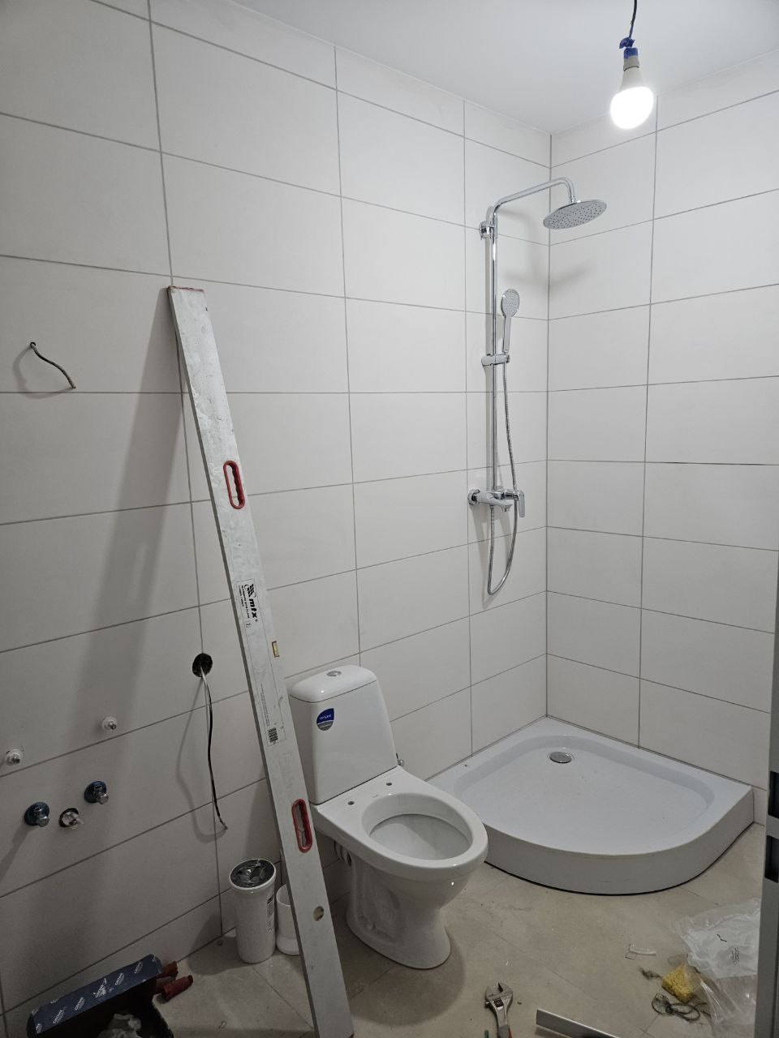

Plumbing equipment installation.

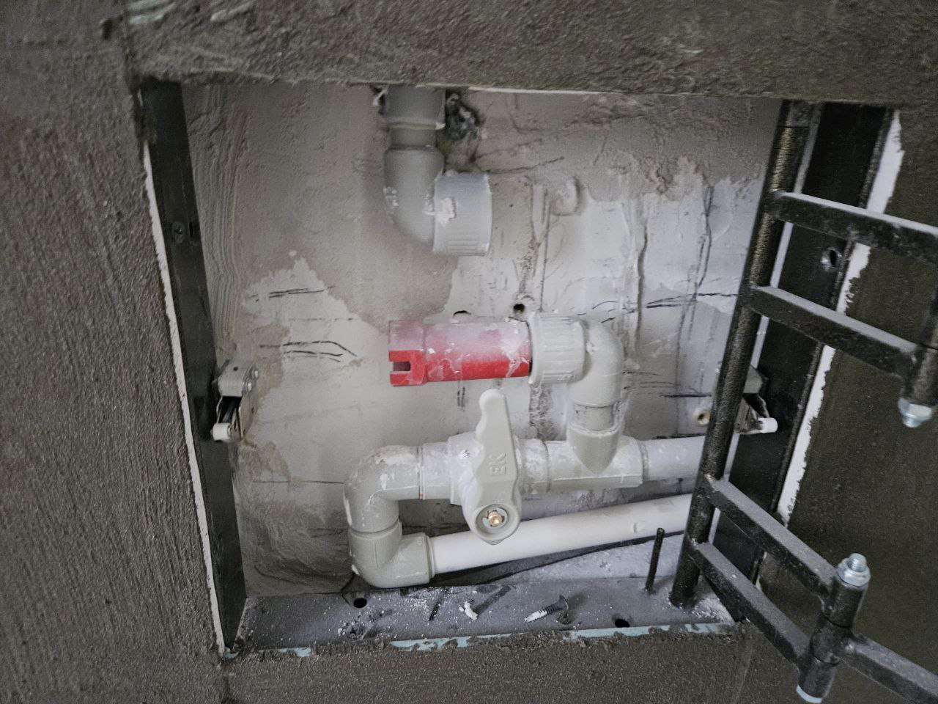

Pipes needs additional fixation.

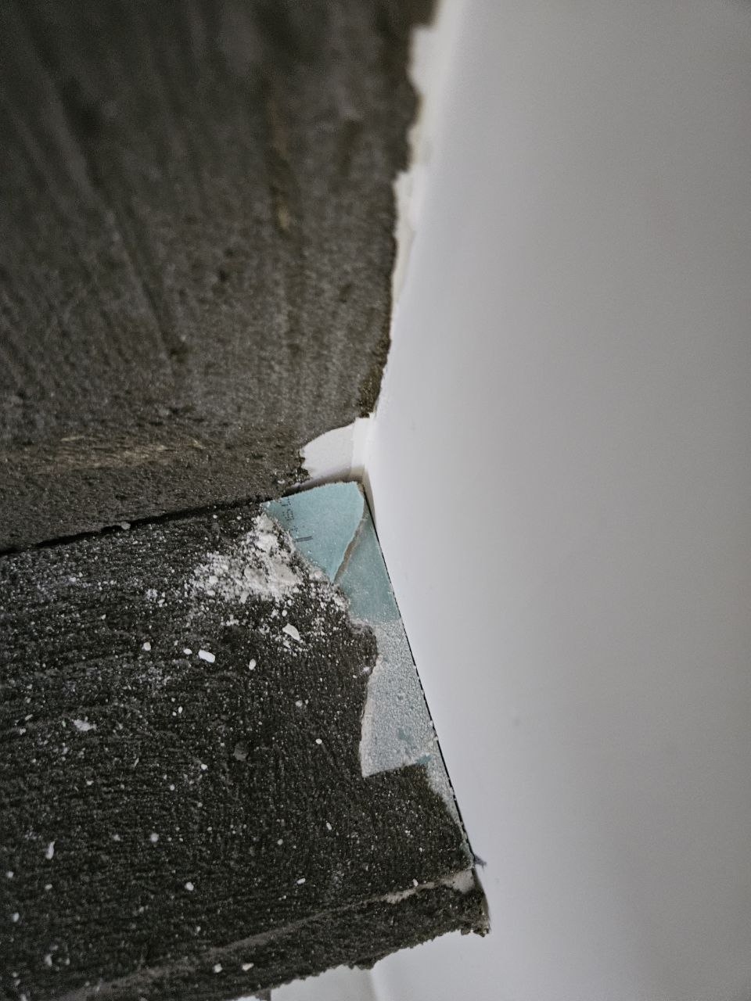

Waterproofing mortar layer have to be repair before tiles installation.

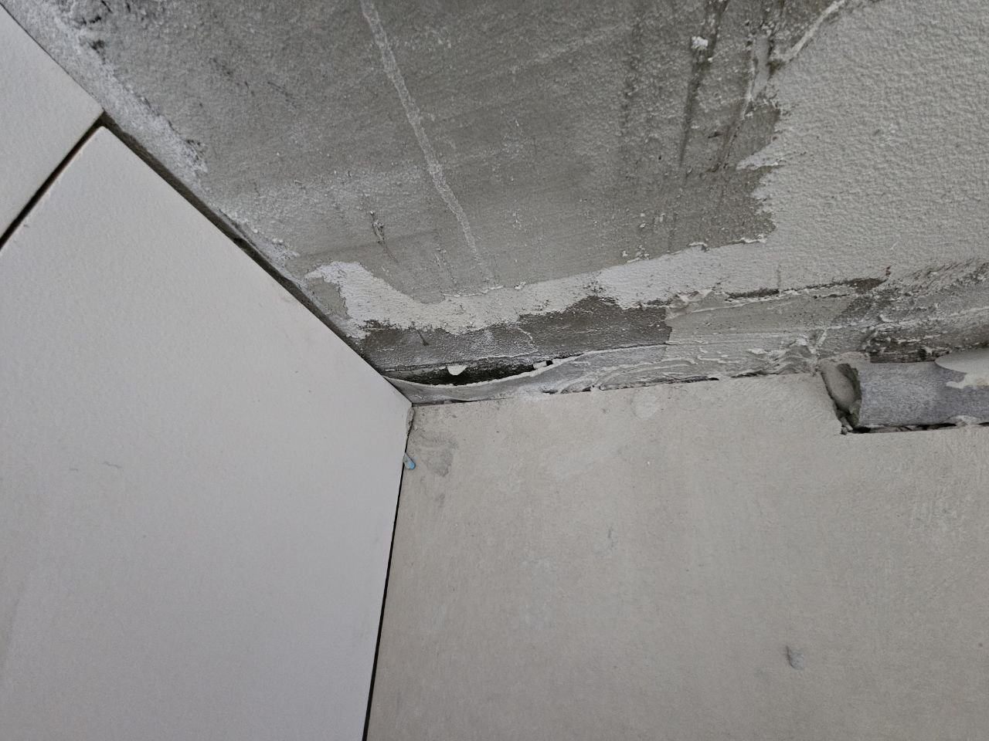

Waterproofing tape have to be repair before tiles installation.

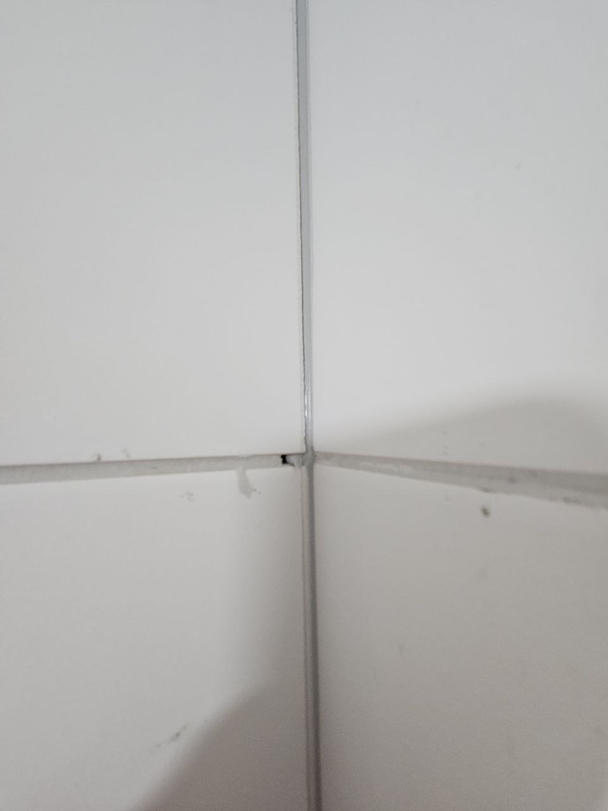

Not filled seams between tiles.

