Tabelle1
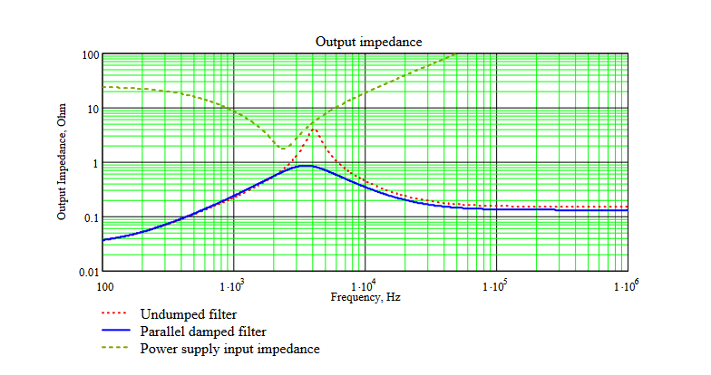
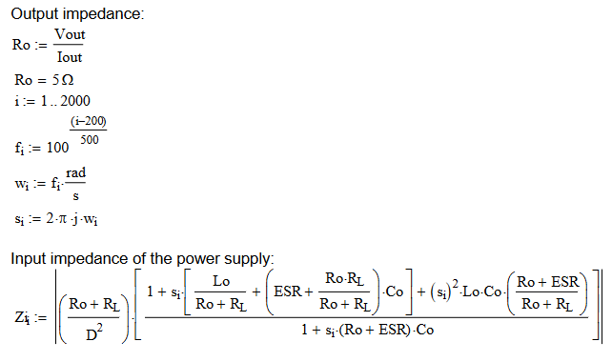
Power supply input impedance |  |  | fi | s_i | Z_i
 |  |  | 0 | 0 | 23.878263191
V_in | 40 | V | 1 | 0.57119866429 | 28445.953641
I_out | 1 | A | 2 | 12.566370614 | 2550600.5426
V_out | 5 | V | 3 | 18.849555922 | 276482.74526
 |  |  | 4 | 25.132741229 | 5410530.9558
Output inductor |  |  |  | 0 | 23.878263191
L_out | 66 | uH |  | 0 | 23.878263191
 |  |  |  | 0 | 23.878263191
DC resistance |  |  |  | 0 | 23.878263191
R_L | 0.0088 | Ohm |  | 9 | 863306.25342
 |  |  |  | 10 | 93938.806751
Output capacitor |  |  |  | 11 | 18134.863075
C_out | 68 | uF |  | 12 | 3941.0371316
ESR_C_out | 0.09 | Ohm |  | 13 | 2651674.4501
 |  |  |  | 14 | 2885210.7353
Duty Cycle | 0.458 | - |  | 15 | 3119283.5521
 |  |  |  | 16 | 3353804.3783
Output Impedance |  |  |  | 17 | 3588703.1501
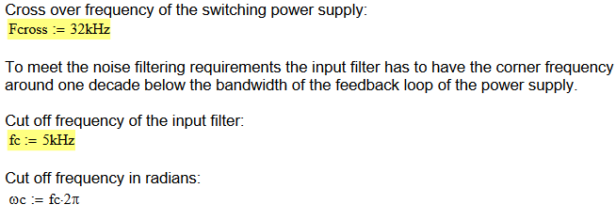
R_out | 5 | Ohm |  | 18
f_i | 100 | Hz |  | 19
w_i | 628 |  |  | 20
s_i | 3945.8403729 |  |  | 21
Z_i |  |  |  | 22
 |  |  |  | 23
 |  |  |  | 24
 |  |  |  | 25
 |  |  |  | 26
 |  |  |  | 27
 |  |  |  | 28
 |  |  |  | 29
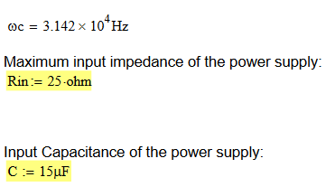
 |  |  |  | 30
 |  |  |  | 31

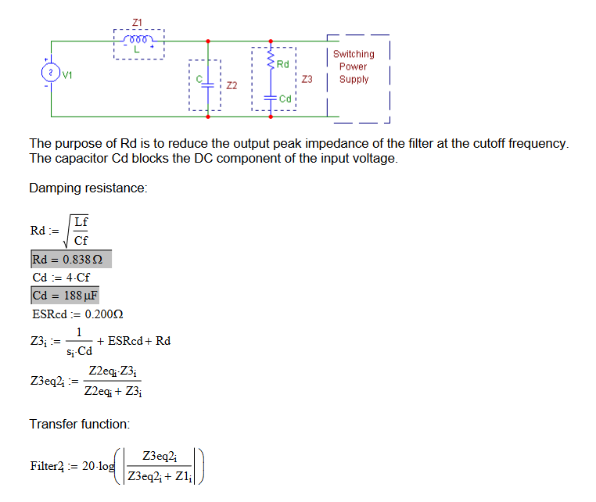
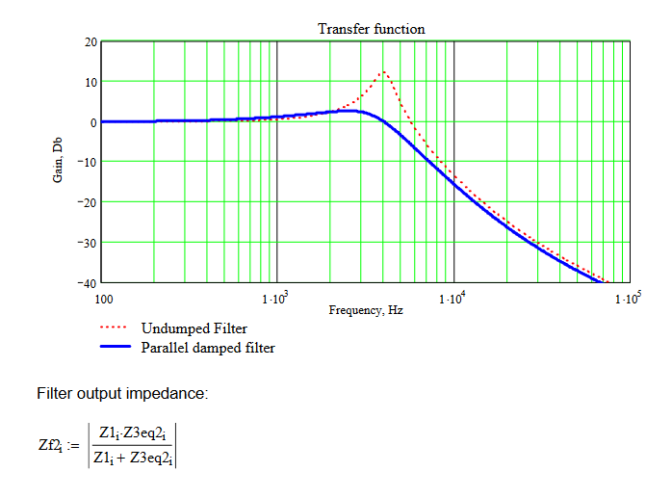
Filter
L_f
C_f
R_d | #DIV/0!
C_d | 0
ESR_Cd
Z_3 | #DIV/0!
Z_2
Z_3-2 | #DIV/0!
F_2 | #DIV/0!
Z_f2
Z_1

