REA
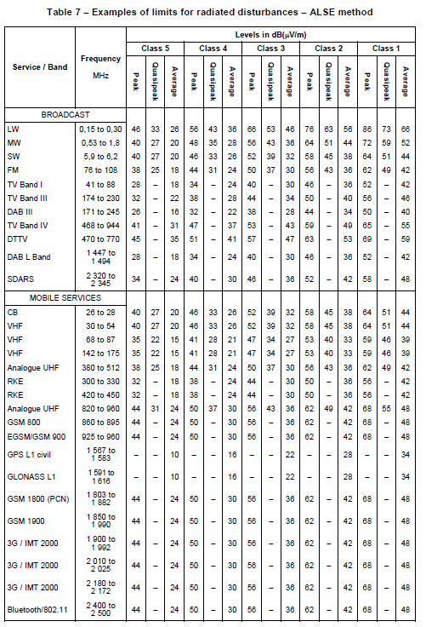
Mode | NH | No housing |  |  | követelmény? | CEV csütörtök
 | HO | Housing |  |  | 30MHz alatt RBW 9kHz |  |  | 13,5 V | 5 Amperes áramkorlát
 | GH | Grounded housing |  |  | felette 120kHz
 |  |  |  |  | illetve Average és peak detector a teljes sávban egy-két sávban pedig QP detektor még érdekes lehet po AM és FM sáv
MAKE PICTURES!!!
Meas. Number | SETUP | DUT | Mode | Polarization | Frequency | Antenna | Status
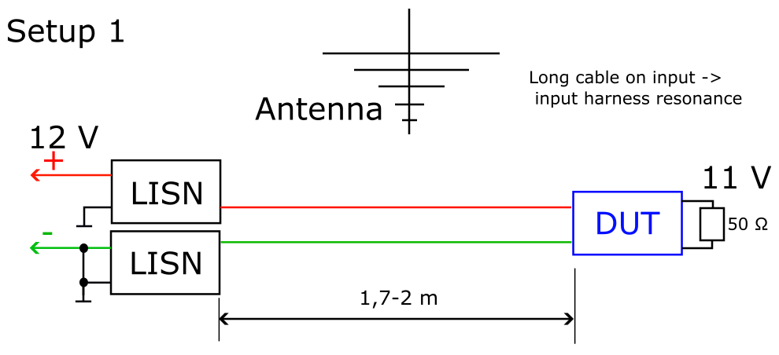
01 | Setup 1 | SEPIC-A | NH | V | 9 kHz-30 MHz | Monopole | Done
02 | Setup 1 | SEPIC-A | NH | H | 30 MHz - 1GHz | Bilog | Done
03 | Setup 1 | SEPIC-A | NH | V | 30 MHz - 1GHz | Bilog | Done
04 | Setup 1 | SEPIC-A | HO | V | 9 kHz-30 MHz | Monopole | Done
05 | Setup 1 | SEPIC-A | HO | H | 30 MHz - 1GHz | Bilog | Done
06 | Setup 1 | SEPIC-A | HO | V | 30 MHz - 1GHz | Bilog | Done
07 | Setup 1 | SEPIC-A | GH | V | 9 kHz-30 MHz | Monopole | Done
08 | Setup 1 | SEPIC-A | GH | H | 30 MHz - 1GHz | Bilog | Done | 102 | Horiz
09 | Setup 1 | SEPIC-A | GH | V | 30 MHz - 1GHz | Bilog | Done | 103 | Vertical
10 | Setup 1 | SEPIC-B | NH | V | 9 kHz-30 MHz | Monopole | Done
11 | Setup 1 | SEPIC-B | NH | H | 30 MHz - 1GHz | Bilog | Done
12 | Setup 1 | SEPIC-B | NH | V | 30 MHz - 1GHz | Bilog | Done
13 | Setup 1 | SEPIC-B | HO | V | 9 kHz-30 MHz | Monopole | Done
14 | Setup 1 | SEPIC-B | HO | H | 30 MHz - 1GHz | Bilog | Done
15 | Setup 1 | SEPIC-B | HO | V | 30 MHz - 1GHz | Bilog | Done
16 | Setup 1 | SEPIC-B | GH | V | 9 kHz-30 MHz | Monopole | Done
17 | Setup 1 | SEPIC-B | GH | H | 30 MHz - 1GHz | Bilog | Done
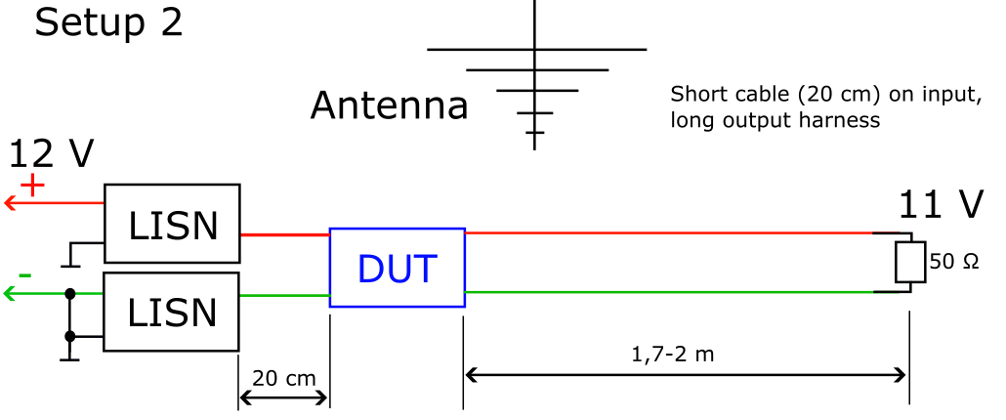
18 | Setup 1 | SEPIC-B | GH | V | 30 MHz - 1GHz | Bilog | Done
19 | Setup 2 | SEPIC-A | NH | V | 9 kHz-30 MHz | Monopole | Done
20 | Setup 2 | SEPIC-A | NH | H | 30 MHz - 1GHz | Bilog | Done
21 | Setup 2 | SEPIC-A | NH | V | 30 MHz - 1GHz | Bilog | Done
22 | Setup 2 | SEPIC-A | HO | V | 9 kHz-30 MHz | Monopole | Done
23 | Setup 2 | SEPIC-A | HO | H | 30 MHz - 1GHz | Bilog | Done
24 | Setup 2 | SEPIC-A | HO | V | 30 MHz - 1GHz | Bilog | Done
25 | Setup 2 | SEPIC-A | GH | V | 9 kHz-30 MHz | Monopole | Done
26 | Setup 2 | SEPIC-A | GH | H | 30 MHz - 1GHz | Bilog | Done | 100 | Ferrit bead | Horiz
27 | Setup 2 | SEPIC-A | GH | V | 30 MHz - 1GHz | Bilog | Done | 101 | Ferrit bead | Vertical
28 | Setup 2 | SEPIC-B | NH | V | 9 kHz-30 MHz | Monopole | Done
29 | Setup 2 | SEPIC-B | NH | H | 30 MHz - 1GHz | Bilog | Done
30 | Setup 2 | SEPIC-B | NH | V | 30 MHz - 1GHz | Bilog | Done
31 | Setup 2 | SEPIC-B | HO | V | 9 kHz-30 MHz | Monopole | Done
32 | Setup 2 | SEPIC-B | HO | H | 30 MHz - 1GHz | Bilog | Done
33 | Setup 2 | SEPIC-B | HO | V | 30 MHz - 1GHz | Bilog | Done
34 | Setup 2 | SEPIC-B | GH | V | 9 kHz-30 MHz | Monopole | Done
35 | Setup 2 | SEPIC-B | GH | H | 30 MHz - 1GHz | Bilog | Done
36 | Setup 2 | SEPIC-B | GH | V | 30 MHz - 1GHz | Bilog | Done

CEV
Mode | NH | No housing |  |  | FFT vel mérjük
 | HO | Housing
 | GH | Grounded housing
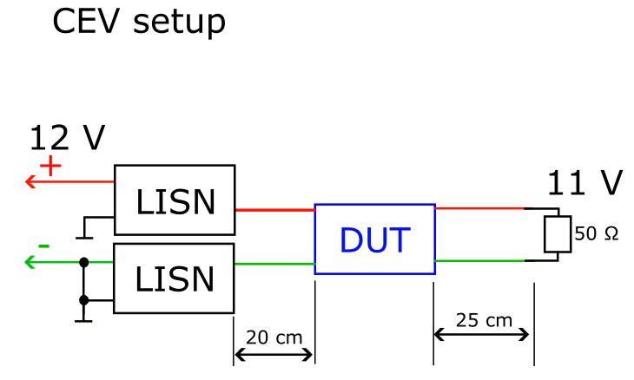
MAKE PICTURES!!!
Meas. Number | SETUP | DUT | Mode | LISN Mode | Frequency | Status
01 | Setup 2 | SEPIC-A | NH | Plus | 100kHz-108MHz | Done
02 | Setup 2 | SEPIC-A | NH | Minus | 100kHz-108MHz | Done
03 | Setup 2 | SEPIC-A | NH | COM | 100kHz-108MHz | Done
04 | Setup 2 | SEPIC-A | NH | DIFF | 100kHz-108MHz | Done
05 | Setup 2 | SEPIC-A | HO | Plus | 100kHz-108MHz | Done | COM és Diff korrekció nélkül mérve
06 | Setup 2 | SEPIC-A | HO | Minus | 100kHz-108MHz | Done | Cispr 25 ed. 4- class 3
07 | Setup 2 | SEPIC-A | HO | COM | 100kHz-108MHz | Done | setup 25 cm
08 | Setup 2 | SEPIC-A | HO | DIFF | 100kHz-108MHz | Done
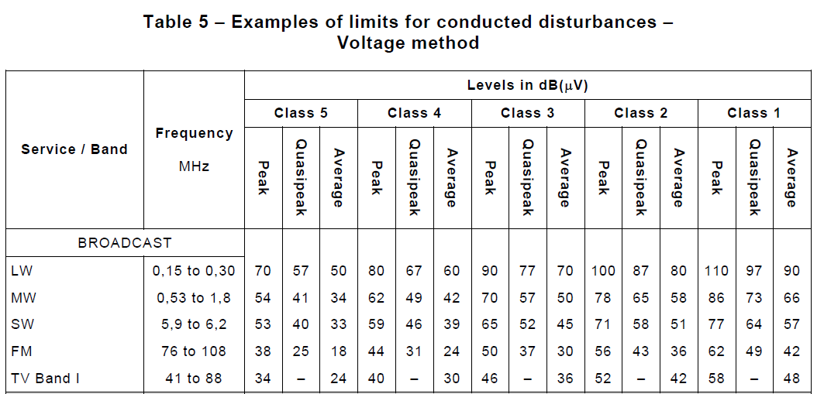
09 | Setup 2 | SEPIC-A | GH | Plus | 100kHz-108MHz | Done
10 | Setup 2 | SEPIC-A | GH | Minus | 100kHz-108MHz | Done
11 | Setup 2 | SEPIC-A | GH | COM | 100kHz-108MHz | Done
12 | Setup 2 | SEPIC-A | GH | DIFF | 100kHz-108MHz | Done
13 | Setup 2 | SEPIC-B | NH | Plus | 100kHz-108MHz | Done
14 | Setup 2 | SEPIC-B | NH | Minus | 100kHz-108MHz | Done
15 | Setup 2 | SEPIC-B | NH | COM | 100kHz-108MHz | Done
16 | Setup 2 | SEPIC-B | NH | DIFF | 100kHz-108MHz | Done
17 | Setup 2 | SEPIC-B | HO | Plus | 100kHz-108MHz | Done
18 | Setup 2 | SEPIC-B | HO | Minus | 100kHz-108MHz | Done
19 | Setup 2 | SEPIC-B | HO | COM | 100kHz-108MHz | Done
20 | Setup 2 | SEPIC-B | HO | DIFF | 100kHz-108MHz | Done
21 | Setup 2 | SEPIC-B | GH | Plus | 100kHz-108MHz | Done
22 | Setup 2 | SEPIC-B | GH | Minus | 100kHz-108MHz | Done
23 | Setup 2 | SEPIC-B | GH | COM | 100kHz-108MHz | Done
24 | Setup 2 | SEPIC-B | GH | DIFF | 100kHz-108MHz | Done

BCI
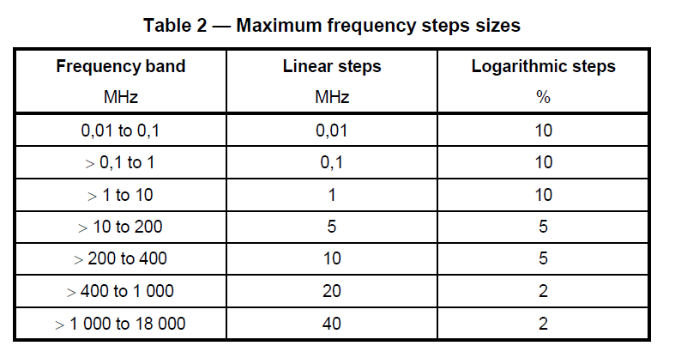
Open loop | GH | HO | Target | 100 mA |  |  | DC coupling Ac coupling RMS
közös módus |  |  |  |  |  |  | Mekkor a fesz beesés %
5cm re monitor tekercs |  |  |  |  |  |  | setup 4
tekercs pozik | 15 | 75
Modul | CW | AM
PCB | 2

Level | iso11452-4 | level 4
freq | 100kHz-400Mhz |  |  |  |  |  | 10-200 közt 1 MHz
step size | 11452-1 | szerint |  |  |  |  | 200-400 közt 5 MHz
Dwell time min 2s

Meas. Number | SETUP | DUT | Mode | Modulation | Pozition | LEVEL | Frequency | Status | Achieved (Not Died)
01 | Setup 1 | SEPIC-A | GH | CW | 15 cm | 4,2,1 | 100kHz-400MHz | Done | lv. 2
02 | Setup 1 | SEPIC-A | GH | AM | 15 cm | 4.1 | 100kHz-400MHz | Done | lv. 4
03 | Setup 1 | SEPIC-A | GH | CW | 75 cm | 4,2,1 | 100kHz-400MHz | Done | lv. 1
04 | Setup 1 | SEPIC-A | GH | AM | 75 cm | 4.1 | 100kHz-400MHz | Done | lv. 4
05 | Setup 1 | SEPIC-A | HO | CW | 15 cm | 4.1 | 100kHz-400MHz | Done | lv. 4
06 | Setup 1 | SEPIC-A | HO | AM | 15 cm | 4.1 | 100kHz-400MHz | Done | lv.4
07 | Setup 1 | SEPIC-A | HO | CW | 75 cm | 4,2,1 | 100kHz-400MHz | Done | lv. 1
08 | Setup 1 | SEPIC-A | HO | AM | 75 cm | 4,2,1 | 100kHz-400MHz | Done | lv. 1
09 | Setup 1 | SEPIC-B | GH | CW | 15 cm | 4.1 | 100kHz-400MHz | Done | lv. 4
10 | Setup 1 | SEPIC-B | GH | AM | 15 cm | 4.1 | 100kHz-400MHz | Done | lv. 4
11 | Setup 1 | SEPIC-B | GH | CW | 75 cm | 4.1 | 100kHz-400MHz | Done | lv. 4
12 | Setup 1 | SEPIC-B | GH | AM | 75 cm | 4.1 | 100kHz-400MHz | Done | lv.4
13 | Setup 1 | SEPIC-B | HO | CW | 15 cm | 4.1 | 100kHz-400MHz | Done | lv. 4 | differential is | plusz
14 | Setup 1 | SEPIC-B | HO | AM | 15 cm | 4.1 | 100kHz-400MHz | Done | lv. 4
15 | Setup 1 | SEPIC-B | HO | CW | 75 cm | 4.1 | 100kHz-400MHz | Done | lv. 4 | differential is | plusz, mínusz
16 | Setup 1 | SEPIC-B | HO | AM | 75 cm | 4.1 | 100kHz-400MHz | Done | lv. 4

