Coupling calculation
Common-Impedance Coupling

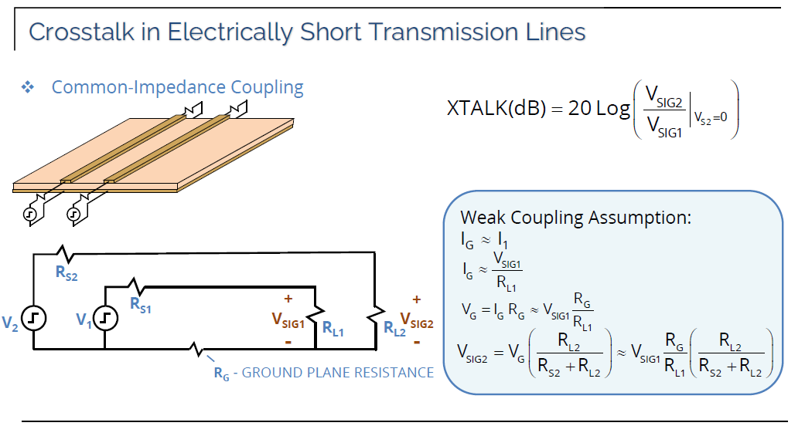
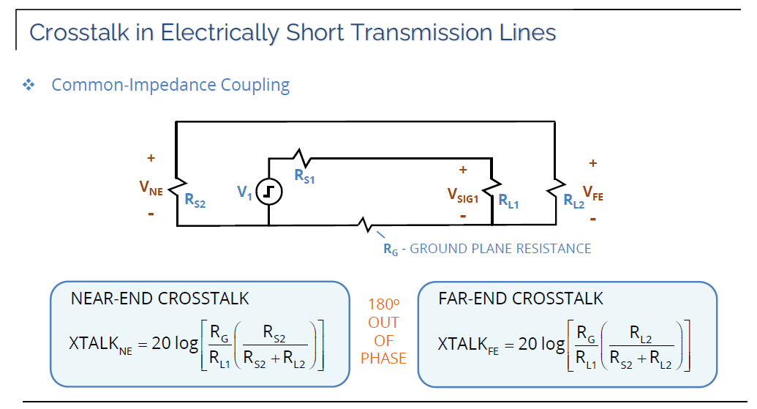
l | 0.204 | [m] | Plane length
ro | 57000000 | [S/m] | Plane material
W | 0.056 | [m] | Plane Width
s | 0.0000174 | [m] | Plane Hight
A | 9.744E-07 | [m^2]
R_G | 0.0036729755423 | [Ohm] | Ground Plane Resistance
R_L1 | 50 | [Ohm]
R_L2 | 50 | [Ohm]
R_S2 | 50 | [Ohm]

Weak Coupling Assumption
I_1 | 1 | [A]
I_G | 1 | [A]
V_G | 0.00088151413015 | [V]
V_SIG1 | 12 | [V]
V_SIG2 | 0.00044075706508 | [V]
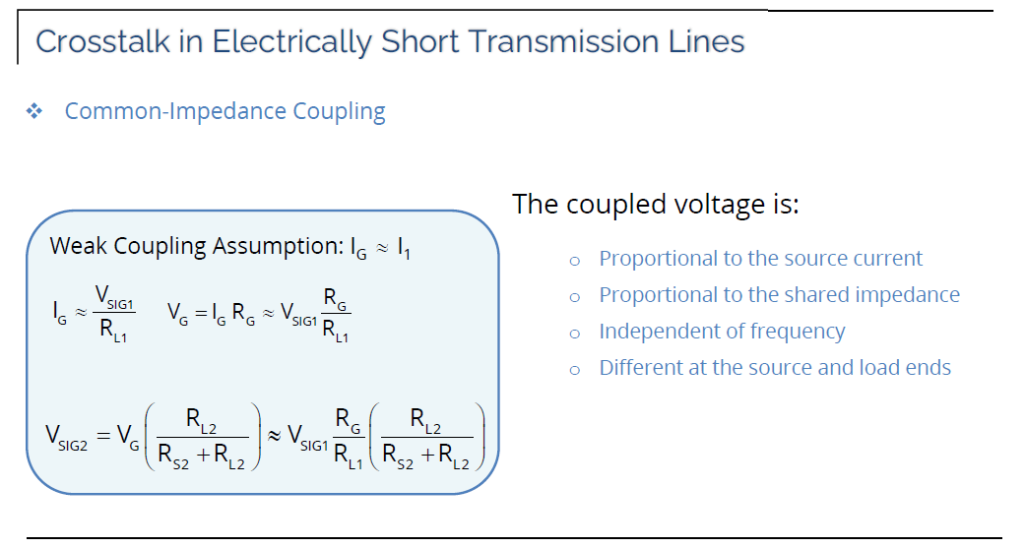
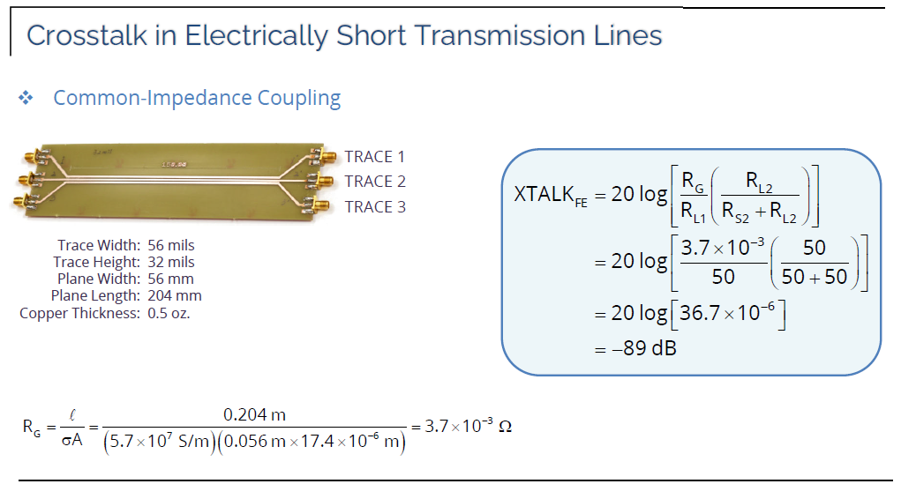
XTALK | -89 | [dB]

Near-end Crosstalk
XTALK_NE | -89 | [dB]

Far-end Crosstalk
XTALK_FE | -89 | [dB]

Electric-Field Coupling

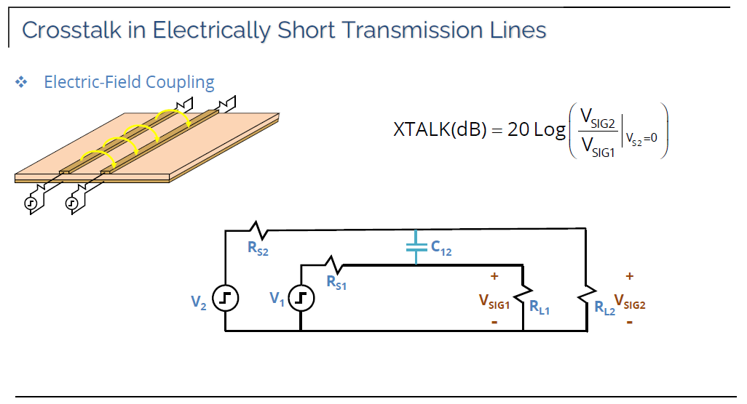
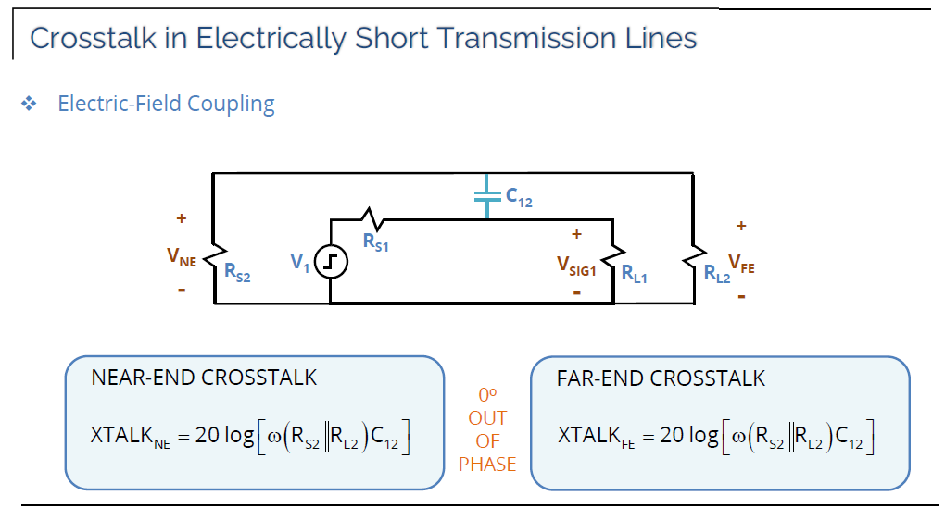
f | 10000000 | [Hz]
w | 62831853.072 | [rad/s]
C_12 | 2.84E-12 | [F]
R_L2 | 50 | [Ohm]
R_S2 | 50 | [Ohm]
R_S2||R_L2 | 25 | [Ohm]

Weak Coupling Assumption
I_1 | 1 | [A]
I_C12 | 0.1 | [A]
V_SIG1 | 12 | [V]
V_SIG2 | 0.053532738817 | [V]
XTALK | -47 | [dB]
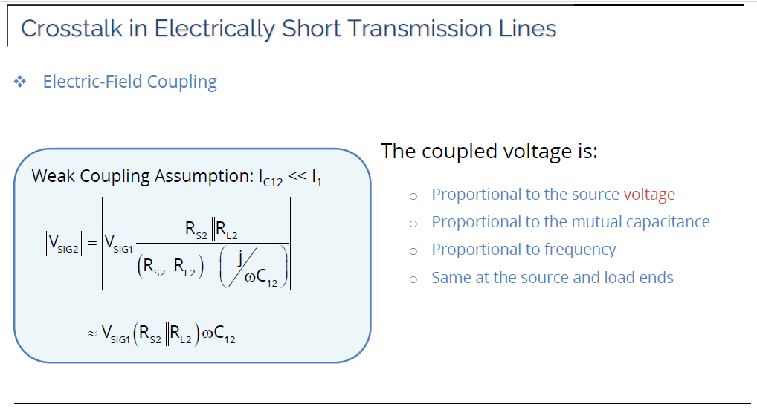
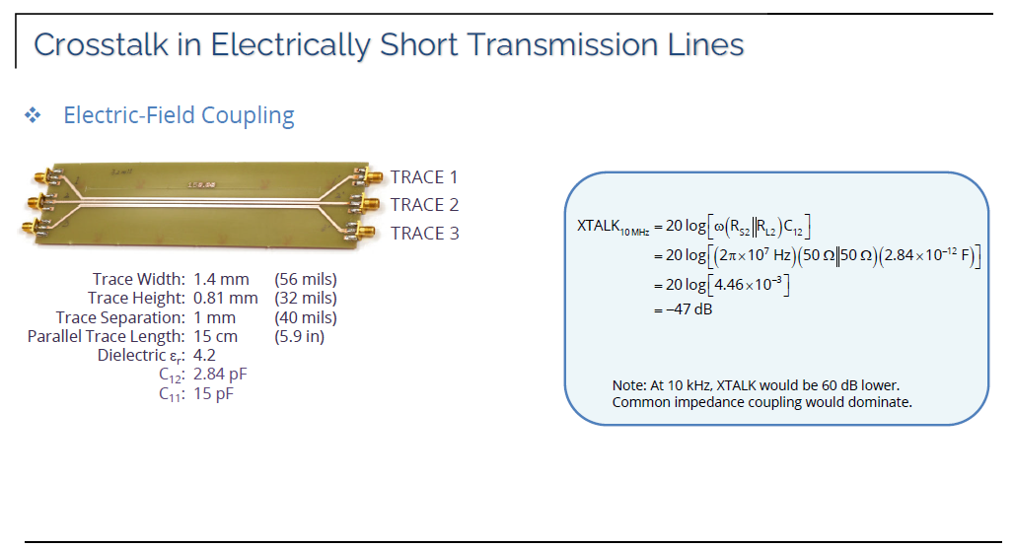
Near-end and Far-end Crosstalk
XTALK_NE | -47 | [dB]

Note: at 10kHz XTALK would be 60 dB lower, common impedance coupling would dominate

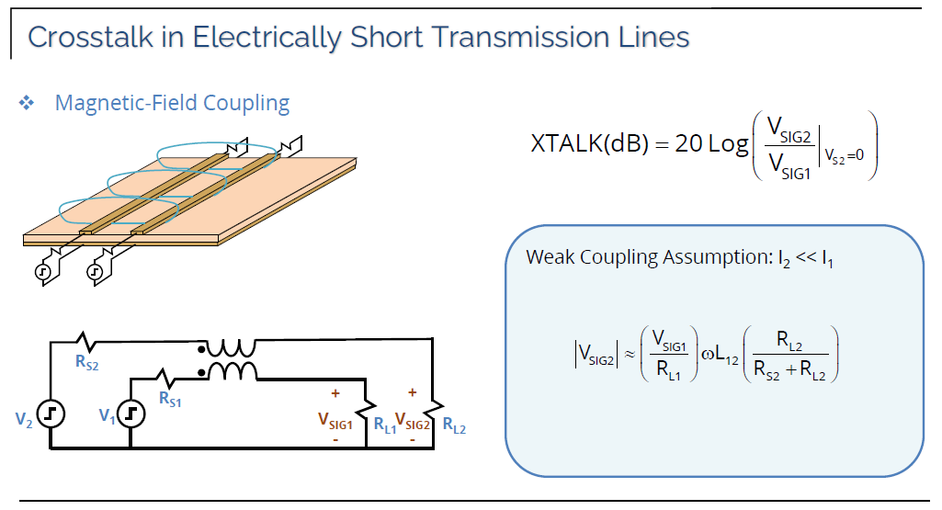
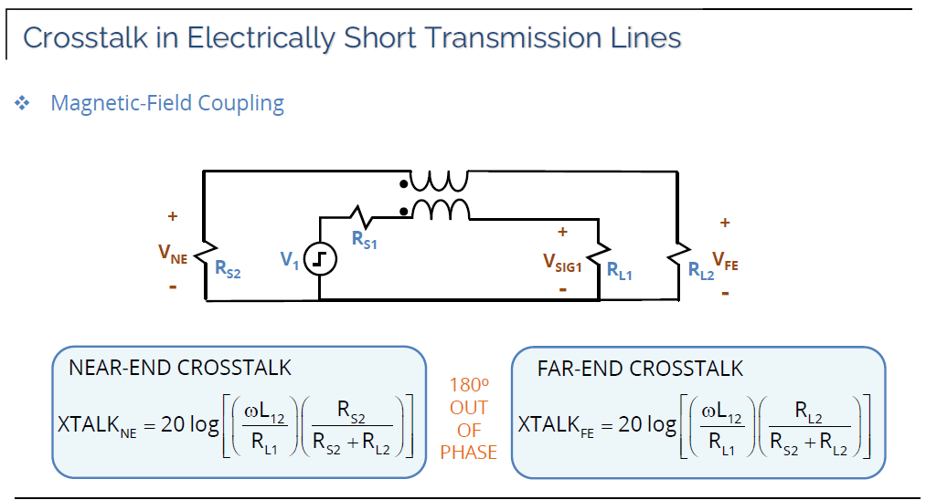
Magnetic-Field Coupling

f | 1000000 | [Hz]
I_1 | 1 | [A]
I_2 | 0.1 | [A]
L_12 | 0.000000164 | [H]
w | 6283185.3072 | [rad/s]
R_L1 | 50 | [Ohm]
R_L2 | 50 | [Ohm]
R_S2 | 50 | [Ohm]

Weak Coupling Assumption
V_SIG1 | 12 | [V]
V_SIG2 | 0.12365308685 | [V]
XTALK | -39.7 | [dB]
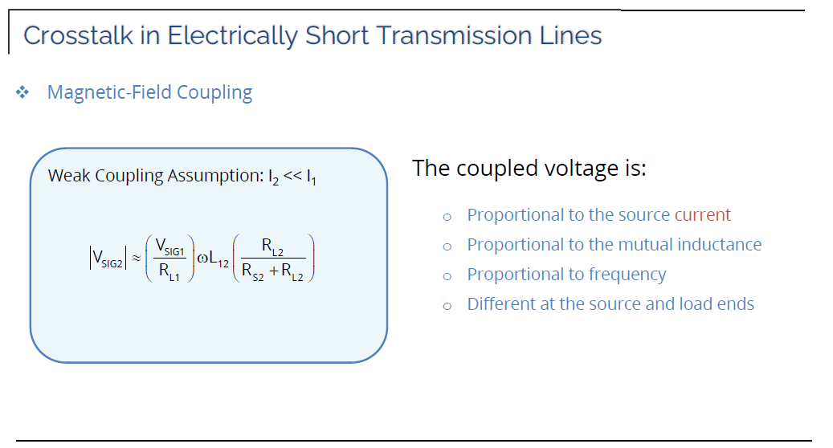
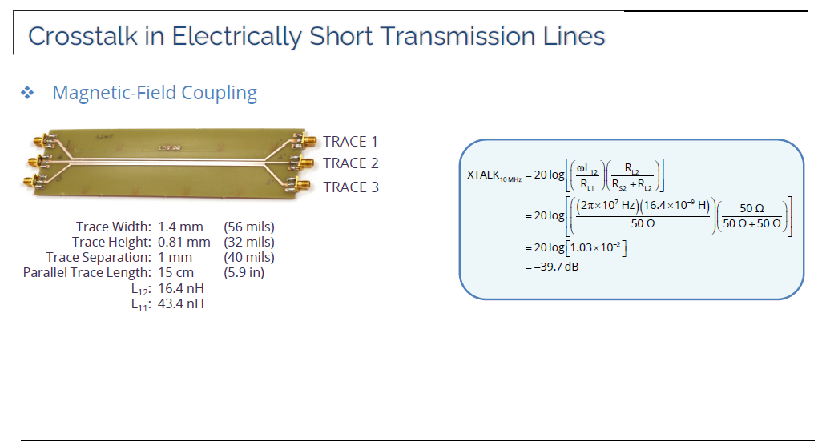
Near-end Crosstalk
XTALK_NE | -39.7 | [dB]

Far-end Crosstalk
XTALK_FE | -39.7 | [dB]

