Aktualis disszipacio
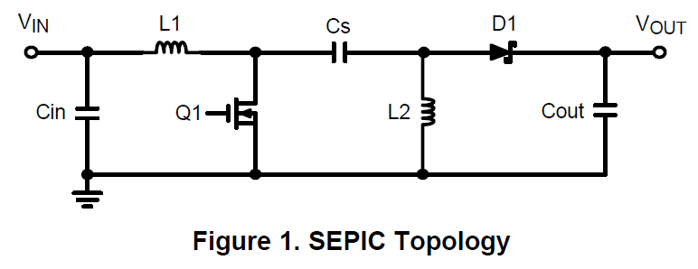
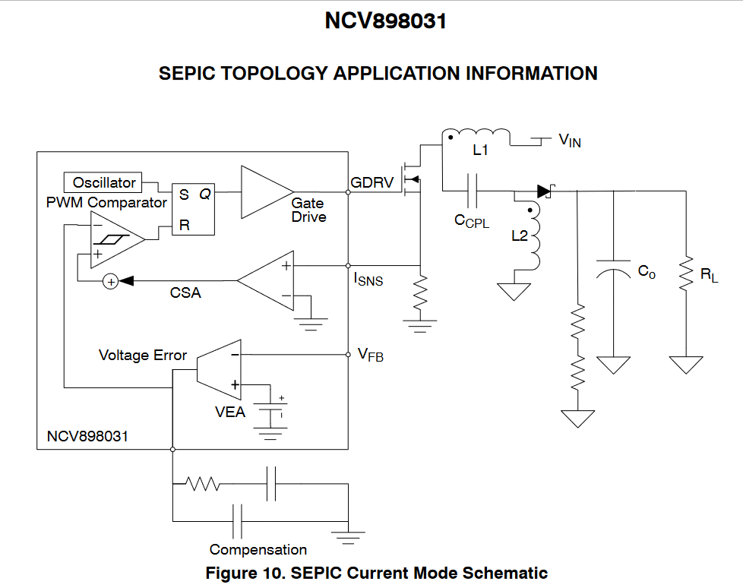
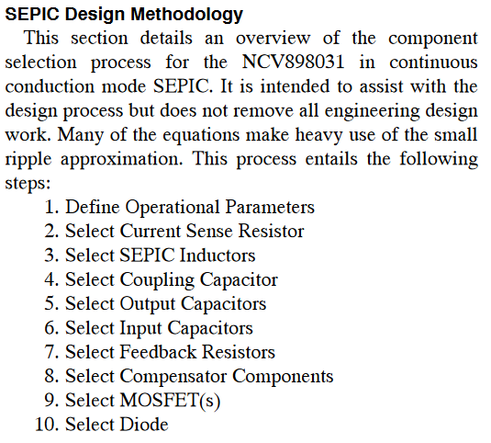

Original
https://www.onsemi.com/products/power-management/dc-dc-power-conversion/controllers/NCV898031#overview
1. Define operational parameters
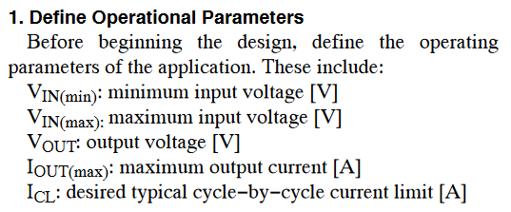
V_IN(min) | 13.5 | V
V_IN(max) | 32 | V |  |  |  |  |  |  | Data Sheet
V_OUT | 11 | V |  |  |  |  |  |  | https://www.onsemi.com/pdf/datasheet/ncv898031-d.pdf
I_OUT(max) | 1 | A
I_CL | 8 | A

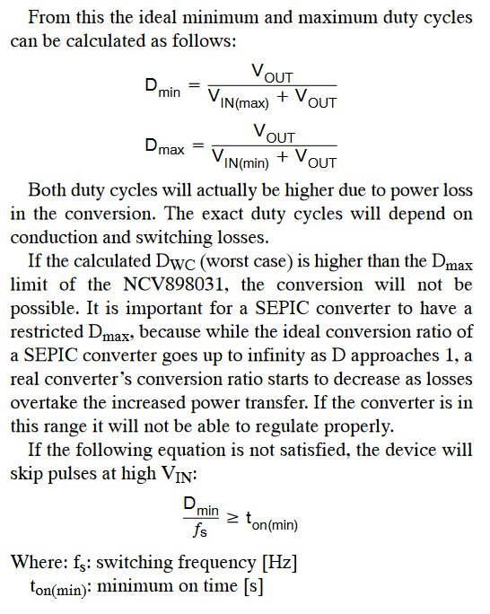
Duty Cycle
D_min | 0.25581395349 | -
D_max | 0.44897959184 | - | < | 0.85 | OK

Operating time
t_on(min) | 1.2790697674E-07 | s | > | 3.00E-08 | OK
fs | 2000000 | Hz

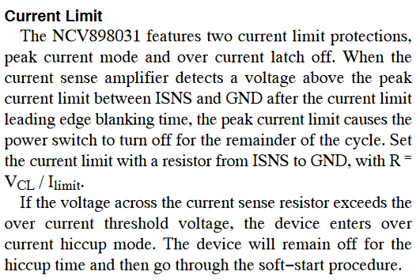
Current Limit
V_CL | 0.4 | V
R | 1100 | Ohm
I_limit | 0.00036363636364 | A |  |  |  |  | Datasheet
 |  |  |  |  |  |  | http://industrial.panasonic.com/cdbs/www-data/pdf/RDA0000/AOA0000C301.pdf

VDRV
C_DRV | 1 | uF
V_VDRV | 25 | V

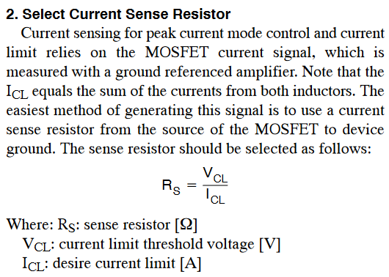
2. Select current sense resistors
V_cl | 0.4 | V |  |  |  |  |  |  | Data Sheet
I_cl | 8 | A |  |  |  |  |  |  | https://fr.farnell.com/en-FR/multicomp-pro/mclrp12dtwrr050/res-detec-corriente-0r05-0-5-3w/dp/2828168
R_s | 0.05 | Ohm

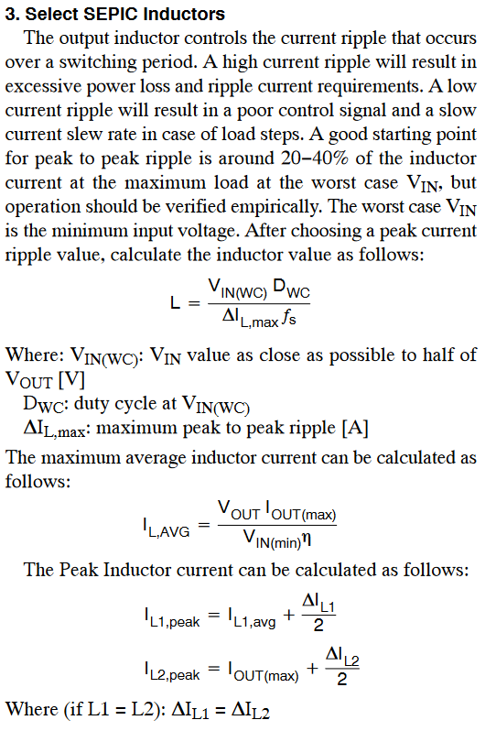
3. Select SEPIC Inductors
V_IN(WC) | 13.5 | V |  |  |  |  |  |  | Data Sheet | 150MS6K
D_WC | 0.44897959184 | - |  |  |  |  |  |  | https://www.cyntec.com/upfile/products/download/(A8)%20VCSC108T%20MS6K%20Series_standard.pdf
P2P current ripple | 20 | %
dI_L(max) | 0.18106995885 | A
fs | 2000000 | Hz
L | 1.6737244898E-05 | H | minimum value

V_OUT | 11 | V
I_OUT(max) | 1 | A
V_IN(min) | 13.5 | V
Assumed Efficiency | 90 | %
I_L(AVG) | 0.90534979424 | A | minimum value
DI_L(max)' | 0.21647230321
I_L1(avg) | 0.90534979424 | A
dI_L1 | 0.21647230321 | A
dI_L2 | 0.21647230321 | A
I_L1,peak | 1.0135859458 | A
I_L2,peak | 1.1082361516 | A
P2P Current ripple |  | A | 0 | % | maximum value

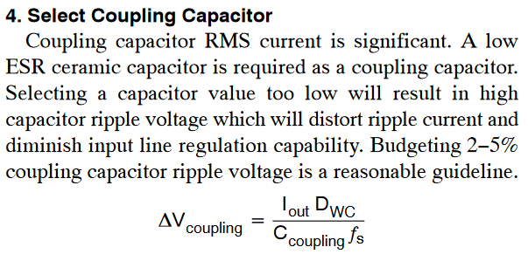
4. Select Coupling Capacitor
dV_coupling | 0.10204081633 | V | > | 2-5% |  |  |  |  |  |  | 2 db -> disszipáció miatt
I_OUT | 1 | A
D_WC | 0.44897959184 | -
fs | 2000000 | Hz
C_coupling | 0.0000022 | C
L_1 | 0.000014 | H
L_2 | 0.000014 | H
f_resonance | 20278.217438 | Hz
R_damping | 3.5675303401 | Ohm
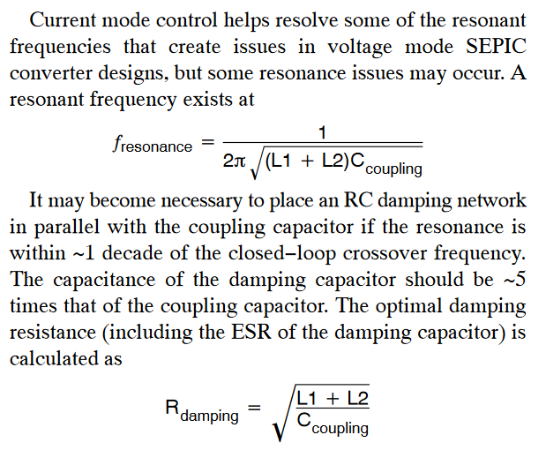

 |  |  |  |  |  |  |  |  | Data Sheet
 |  |  |  |  |  |  |  |  | https://fr.farnell.com/en-FR/kemet/c1206x222kcrac3316/capacitor-2200pf-x7r-500v-1206/dp/4242429RL
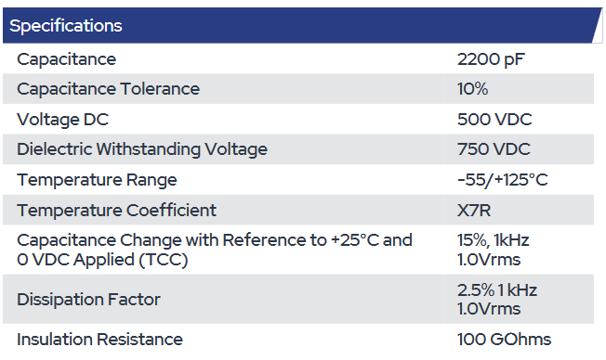

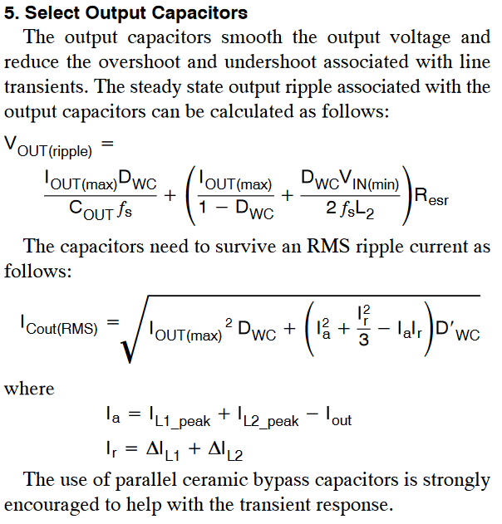
5. Select Output capacitors
I_OUT(max) | 1 | A
D_WC | 0.44897959184 | - |  |  |  |  |  | Data Sheet
C_OUT | 0.00029 | F |  |  |  |  |  | https://www.farnell.com/datasheets/2813662.pdf
fs | 2000000 | Hz
L2 | 0.000014 | H
R_esr | 0.02 | Ohm
V_IN(min) | 13.5 | V

V_OUT(ripple) | 0.039235122073 | V
I_Cout(RMS) | 0.51968286593 | A | < | 0.85 | A

I_a | 1.1218220974 | A
I_r | 0.3302 | A
I_L1(peak) | 1.0135859458 | A
I_L2(peak) | 1.1082361516 | A
I_OUT | 1 | A
dI_L1 | 0.1651 | A
dI_L2 | 0.1651 | A

6. Select Input capacitors
dI_L1 | 0.1651 | A
I_Cin(RMS) | 0.047660264722 | A |  |  |  |  |  | Data Sheet
 |  |  |  |  |  |  |  | https://www.farnell.com/datasheets/3816851.pdf

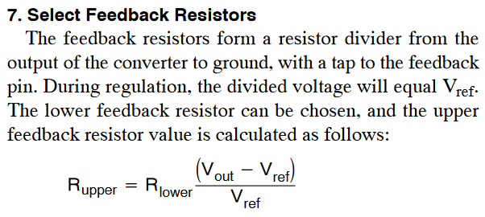
7.Select feedback Resistors
V_out | 11 | V
V_ref | 1.2 | V |  |  |  |  |  | R_lower Datasheet
R_lower | 5620 | Ohm |  |  |  |  |  | https://4donline.ihs.com/images/VipMasterIC/IC/PANA/PANA-S-A0007945459/PANA-S-A0007945459-1.pdf?hkey=6D3A4C79FDBF58556ACFDE234799DDF0
R_upper | 45896.666667 | Ohm | 9.6260428213E-05 |  |  |  |  | R_upper Datasheet
Sum | 51516.666667 | Ohm | OK |  |  |  |  | https://www.farnell.com/datasheets/2863884.pdf

8. Select compensator components
I_L1(peak) | 1.0135859458 | A
I_L2(peak) | 1.1082361516 | A
I_Q(peak) | 2.1218220974 | A
V_OUT(max) | 11 | V
V_IN(max) | 13.5 | V
V_Q(max) | 24.5 | V

D_WC | 0.44897959184 | -
dI_L1 | 0.1651 | A
dI_L2 | 0.1651 | A
I_D(max) | 1.3126748058 | A
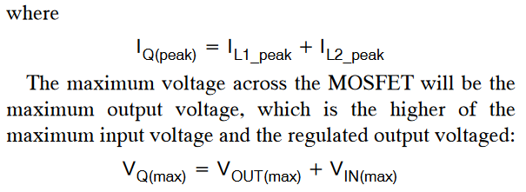

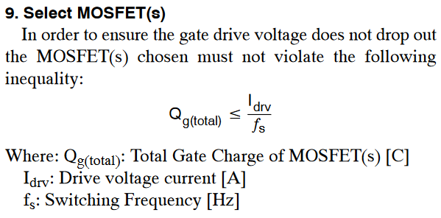
9. Select Mosfet(s)
G_g(total) | 1.20E-08 | C |  |  |  |  |  |  | MOSFET(s) Datasheet
I_drv | 0.12 | A |  |  |  |  |  |  | https://4donline.ihs.com/images/VipMasterIC/IC/NEXP/NEXP-S-A0003060256/NEXP-S-A0003060216-1.pdf?hkey=6D3A4C79FDBF58556ACFDE234799DDF0
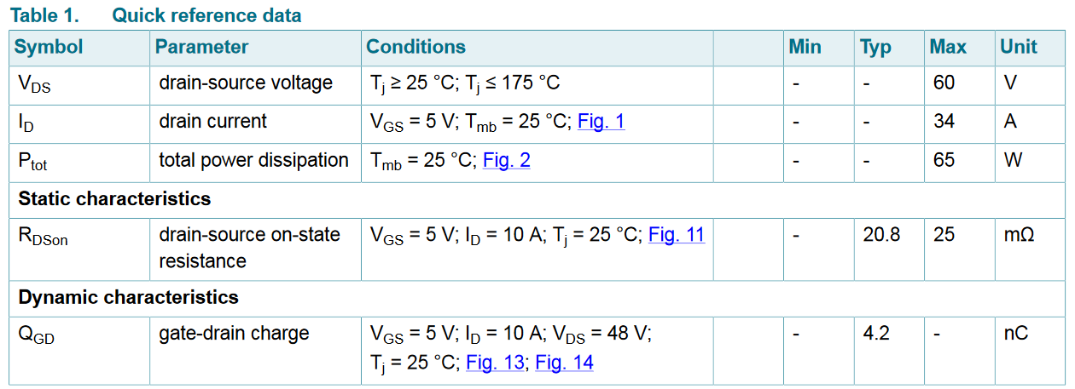
f_s | 2000000 | Hz
G_g | 0.00000006 | C

Status | OK

Switching Losses
Conduction Losses
Power Dissipation

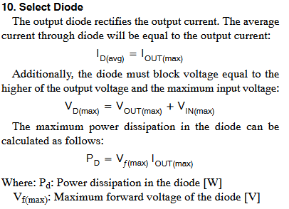
10. Select Diode
I_OUT(max) | 1 | A |  |  |  |  |  |  | Diode Datasheet
I_D(avg) | 1 | A |  |  |  |  |  |  | https://4donline.ihs.com/images/VipMasterIC/IC/NEXP/NEXP-S-A0003105620/NEXP-S-A0003105670-1.pdf?hkey=6D3A4C79FDBF58556ACFDE234799DDF0
V_D(max) | 43 | V
V_OUT(max) | 11 | V
V_IN(max) | 32 | V
V_f(max) | 0.67 | V | from Datasheet
P_D | 0.67 | W
Vin_min | 8 | V

MOSFET disszipacio
Aktualis | 13.5 |  | 6.454873335
R_Dson | 0.0208 |  |  | I_Q1_RMS | 1.8613251328 | A
D_akt | 0.44897959184 |  |  | P_DQ1 | 1.020062666 | w
I_Qpeak | 2.1218220974 |  |  | IG | 0.34285714286 | A
V_in_max | 32
Vout | 11
V_f | 0.67
trise | 0.000000035
tfall | 0.000000035
fsw | 2000000
Q_GD | 4.2

TI
Link
https://www.ti.com/lit/an/slyt309/slyt309.pdf

1. Define operational parameters
V_IN(min) | 8 | V |  | 8
V_IN(max) | 32 | V |  | 32
V_OUT | 11 | V |  | 11
I_OUT(max) | 1 | A |  | 1 |  |  |  | névleges áram 10x esére design, ne menjen telítésbe a vasmag
I_CL | 8 | A |  | 8 |  |  |  | impedanciacsúcs legzajosabb pontban

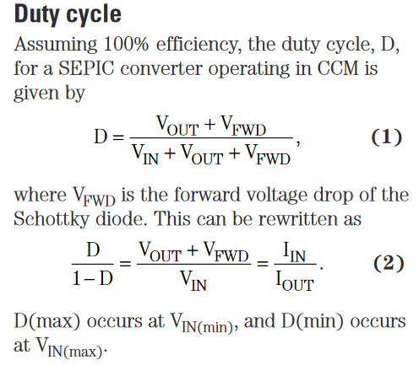
Duty Cycle
eff_WC | 0.9 | - |  | 0-1 |  |  |  |  |  | Diode Datasheet
D_(max) | 0.59 | V | 1
I_IN(max) | 1.4390243902 | A | 2 |  | 1.45
Input current percent | 0.3 | - |  | 0,2-0,4

Diode Select
V_FRD | 0.6 | V
P_D | 0.6 | mW
I_Q1(peak) | 3.0546070461 | A | 12

Select Passive Components
COIL Select
fs_min | 1800000 | Hz
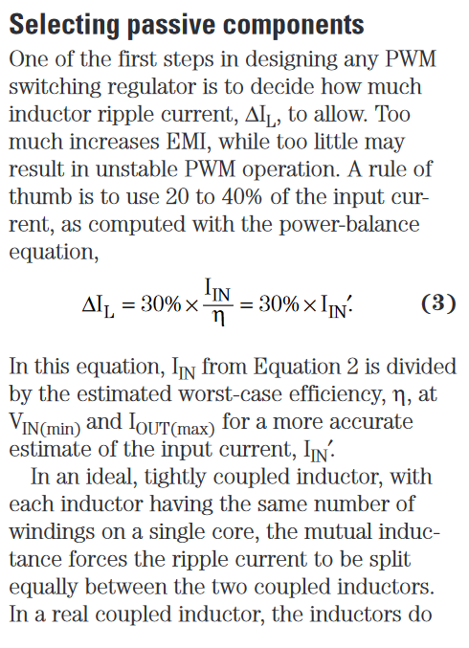
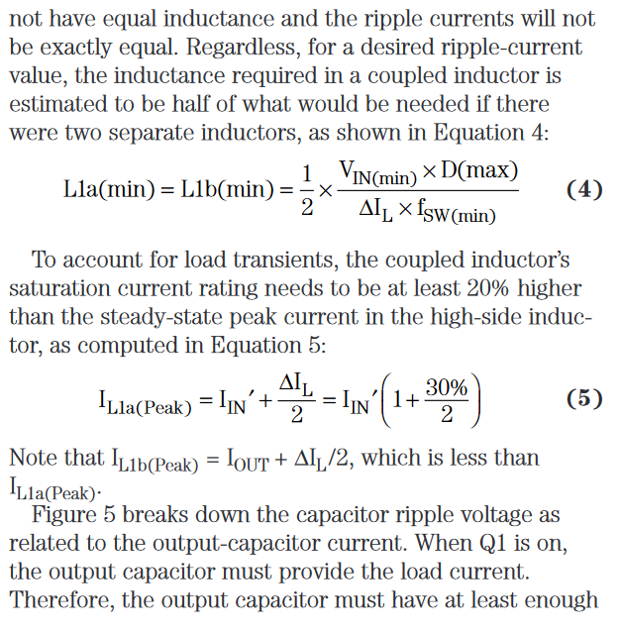
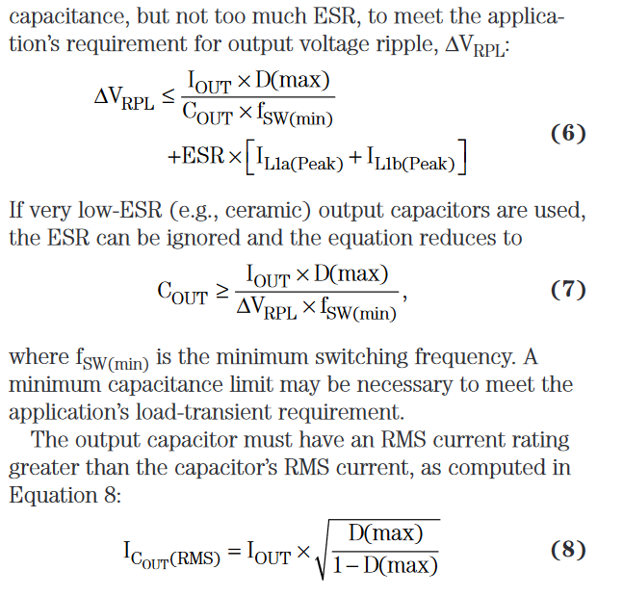
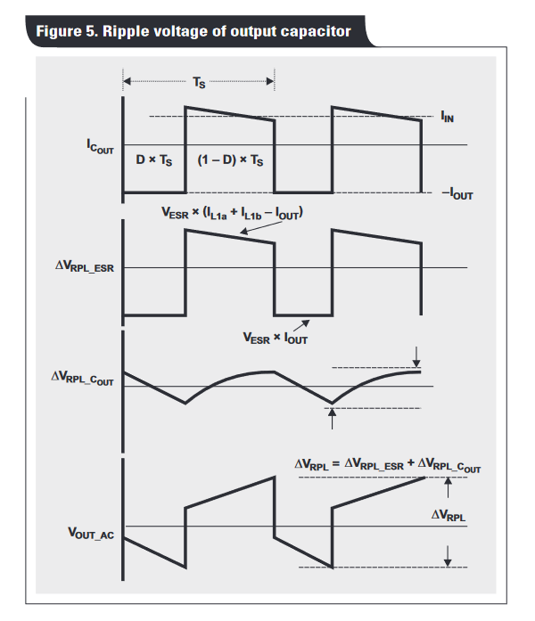
fs_avg | 2000000 | Hz
I_IN' | 1.5989159892 | A
dI_L | 0.43170731707 | A | 3
L_1a(min),L_1b(min) | 2.7333333333E-06 | H | 4
I_L1a(peak) | 1.8387533875 | A | 5
I_L1b(peak) | 1.2158536585 | A

Output Capacitor Select
Valasztott Capacitor
C_OUT | 2.70E-04 | F
ESR | 0.16 | Ohm
dV_RPL | 0.49 | V | 6
I_Cout(RMS) | 1.1995934271 | A | 8

Masik Capacitor
dV_RPL | 0.1 | V
C_OUT | 3.2777777778E-06 | F | 7
I_Cout(RMS) | 1.1995934271 | A | 8

 |  |  |  |  |  | Data Sheet C_OUT
 |  |  |  |  |  | https://fr.farnell.com/en-FR/panasonic/eeefk1v271sp/cap-270-f-35v-smd/dp/2507736

Input Capacitor Select
With selected 22uF Capacitor
fs | 2000000 | Hz
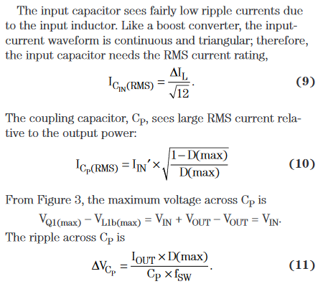
C_p | 0.0000022 | F
I_Cin(RMS) | 0.12462316786 | A | 9
I_Cp(RMS) | 1.3328815856 | A | 10
dV_Cp | 0.13409090909 | V | 11

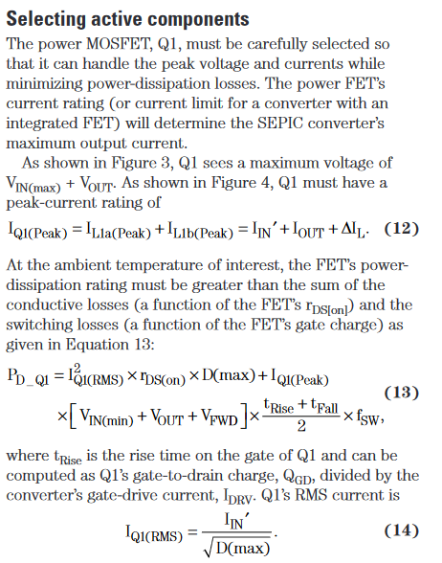
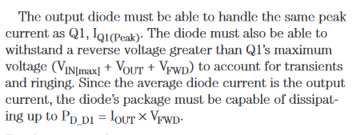
Selecting Active components
Sepic Controller
I_Q1(peak) | 3.0546070461 | A | 12
P_D(Q1) | 1.40025758 | W | 13
I_Q1(RMS) | 2.0816113138 | A | 14
r_DS(on) | 0.0208 | Ohm
t_rise | 1.21E-08 | s
t_fall | 1.04E-08 | s

 |  |  |  |  |  |  |  |  |  | MOSFET Date sheet
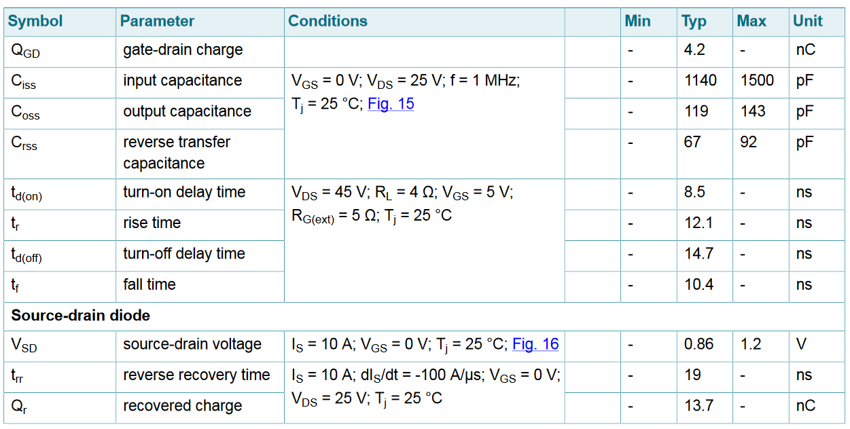

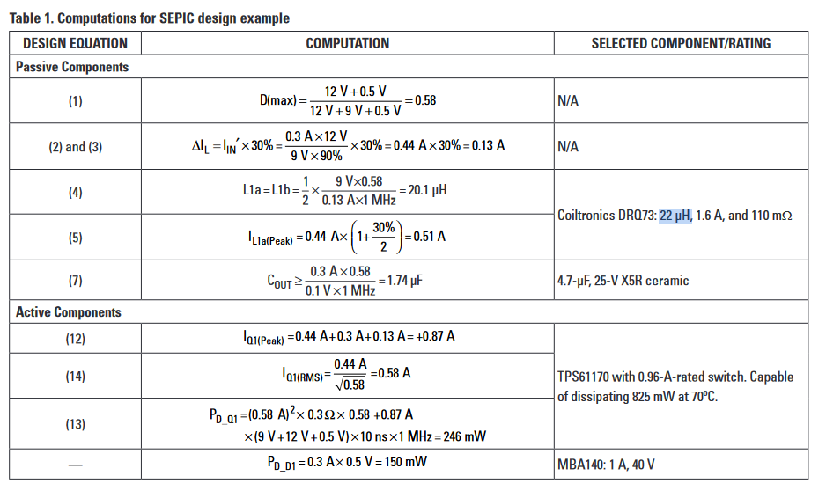
 |  |  |  |  |  |  | D_(max) | 0.59183673469 | -

 |  |  |  |  |  |  | L_1a, L_1b | 2.5745454545E-06 | H
 |  |  |  |  |  |  | I_IN' | 1.5277777778 | A
 |  |  |  |  |  |  | dI_L | 0.45833333333 | A
 |  |  |  |  |  |  | I_L1a(peak) | 1.7569444444 | A
 |  |  |  |  |  |  | C_OUT | 6.4363636364E-07 | F
 |  |  |  |  |  |  | I_Q1(peak) | 2.9861111111 | A
 |  |  |  |  |  |  | I_Q1(RMS | 0.59669917533 | A
 |  |  |  |  |  |  | P_D(Q1) | 1194.0002778 | mW
 |  |  |  |  |  |  | P_D(D1) | 0.6 | mW

