Factsheet
Consumer Discretionary Portfolio Factsheet
Relative-PE Strategy vs S&P 500 Consumer Discretionary | Train: 2022-01-01 → 2024-12-31 | Test: 2025-01-02 → 2026-07-24 | Rebased to $100,000 at test start
About this portfolio: A dollar-neutral relative-PE pairs book in S&P 500 Consumer Discretionary. Pairs are restricted to the same GICS sub-industry, screened for significant PE co-movement, then ranked by mean-reversion score (correlation, ADF, half-life, excursion/revert stats). Up to 10 pairs may trade; sector capital is split equally among open trades and rebalanced on entry/exit. Built for sophisticated allocators seeking low-beta, market-neutral style exposure within consumer discretionary—complementary to long-only sector beta, not a replacement for it.

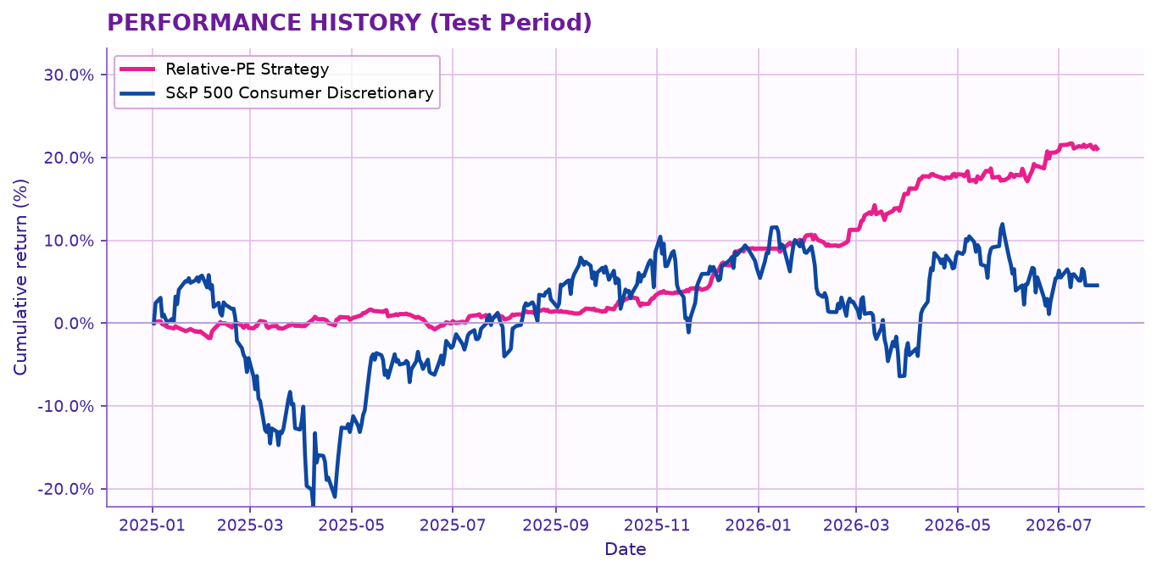

Leverage Scenario Analysis (test-period annualised returns)
0x = unlevered strategy (1× gross return). 1x/2x/3x = 2×/3×/4× gross return. Finance cost: flat 4% p.a. when leverage ≥ 1x (0% at 0x). Transaction costs: flat 1% p.a. on all columns. Pair selection / training window: 2022-01-01 → 2024-12-31.
Metric | 0x | 1x | 2x | 3x
Annualised return (%) | 13.18 | 26.37 | 39.55 | 52.73
Finance cost (%) | 0.00 | 4.00 | 4.00 | 4.00
Transaction costs (%) | 1.00 | 1.00 | 1.00 | 1.00
Net returns (%) | 12.18 | 21.37 | 34.55 | 47.73
Benchmark return (%) | 2.93 | 5.85 | 8.78 | 11.70
Alpha (net − benchmark) (%) | 9.26 | 15.52 | 25.77 | 36.03

Key Portfolio Metrics (test period)
Metric | Strategy | Benchmark | Difference
Sharpe ratio | 2.61 | 0.24 | 2.37
Sortino ratio | 4.49 | 0.35 | 4.13
Volatility (ann.) | 4.79% | 24.52% | -19.73%
Tracking error | 24.38%
Daily VaR (95%) | -0.55% | -3.07% | 2.51%
Beta | 0.02 | 1.00 | -0.98
Max drawdown | -2.35% | -26.40% | 24.06%
R squared | 0.02

Notes: Training / pair-selection window 2022-01-01 → 2024-12-31; performance above is out-of-sample test 2025-01-02 → 2026-07-24. Dynamic equal capital among active trades (max 10). Beta & R² from OLS of daily strategy returns on benchmark. VaR is daily 95% (pyfolio). Full trade list on the Trades sheet.

