Test Log
Test ID | Feature / Component | Test Description / Steps | Expected Result | Actual Result | Status | Tester | Date Tested | Notes / Screenshots
T-FLOOR-01 | Floor Viewer Page | Select Building : Choose Floor 2 | Correct floor plan displays | Floor 1 stays loaded | Pass | Karen A. | 2025-09-23 | Needs event fix - event fixed/passes successfully
T-LEG-02 | Legend Language Toggle | Switch to Spanish | All labels appear in Spanish | Works correctly | Pass | Karen A. | 2025-09-27
T-LEG-01 | Legend Panel (legend.jsx) | Click “Hide Legend” toggle | Legend collapses | Works correctly | Pass | Karen A. | 2025-09-30 | Tested on both languages
T-FIND-01 | Find Component | Search “AEC” | Map centers on A-Building and highlights | Error displayed | Pass | Karen A. | 2025-10-07
T-SIDE-01 | Sidebar | Open building info panel | Displays room list and hours | Works correctly | Pass | Karen A. | 2025-10-20
T-CAMP-01 | Campus Map (ZoomPan.js) | Load map and zoom in/out using mouse scroll | Map zooms smoothly and stays centered | CampusMapView suite failed; pathname null causes OverlayHUD crash. | Pass | Karen A. | 2025-10-21 | Summary: 3 tests failed, 12 passed. CampusMapView tests crash due to pathname being null in Jest. Zoom fixed
T-CAMP-02 | Campus Map (CampusMapView.js) | Pan map by dragging | Map moves in all directions without distortion | Works correctly | Pass | Karen A. | 2025-10-25
T-HDR-01 | Header | Click GGC Logo | Redirects to ggc.edu | Works correctly | Pass | Karen A. | 2025-11-05
T-LNK-01 | Links Panel | Click “Original Map” | Opens ggcmaps.com in new tab | Works correctly | Pass | Karen A. | 2025-11-08
T-FLOOR-01 | Floor Viewer Page | Select Building : Choose Floor 2 | Correct floor plan displays | Floor 2 displays | Pass | Karen A. | 2025-11-11
T-CAMP-01 | Campus Map (ZoomPan.js) | Load map and zoom in/out using mouse scroll | Map zooms smoothly and stays centered | Map zooms in and out smoothly | Pass | Karen A. | 2025-11-11
T-CAMP-01 | Campus Map (CampusMapView.js) | Load campus map → Click an academic building group | Navigates to correct building page with no errors | Runtime error: “TypeError: Cannot read properties of null (reading ‘startsWith’)” in OverlayHUD.js | Pass | Karen A. | 11/16/2025 | Pathname is null during Jest tests; OverlayHUD needs null check or router mock. Fixed/ tested successfully
T-CAMP-02 | Campus Map (CampusMapView.js) | Load campus map → Click student housing area | Shows “housing not available” popup without errors | Same runtime error in OverlayHUD.js | Pass | Karen A. | 11/16/2025 | Same root cause as T-CAMP-01. Fixed/tests successfully
T-CAMP-03 | Campus Map (CampusMapView.js) | Load campus map → Click a building shape (not a group) | Navigates to the selected building page | Same error in OverlayHUD.js | Pass | Karen A. | 11/16/2025 | All CampusMapView tests blocked by OverlayHUD pathname bug. Fixed/tests successfully.
T-Side-02 | Sidebar | Manual test - runtime error | Go to building E | Runtime error | Pass | Karen A. | 2025-11-16 | 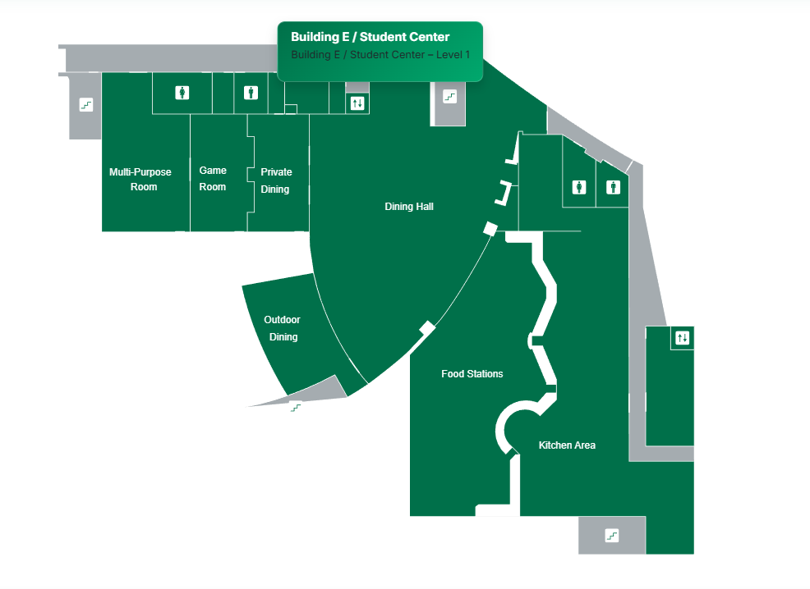 Error fixed / Building E is navigated successfully.
T-Link-02 | Links Panel | Click Virtual Tour, GGC Website, and GGC Original Map | Each should navigate to the linked site | Each link navigates successfully to the correct linked site | Pass | Karen A. | 2025-11-16

PassFail Trends
Pass/Fail Trends Over Time
Pass/Fail Trends Over Time
Date | Time | Passed | Failed | Blocked | Other
2025-11-16 | 16:28:00 | 3 | 0 | 0 | 0
2025-11-16 | 8:50:00 | 0 | 3 | 0 | 0
2025-11-11 | 13:22:00 | 0 | 1 | 0 | 0
2025-11-08 | 15:45:00 | 1 | 0 | 0 | 0
2025-11-05 | 12:22:00 | 1 | 0 | 0 | 0
2025-10-25 | 9:46:00 | 0 | 1 | 0 | 0
2025-10-21 | 8:31:00 | 1 | 0 | 0 | 0
2025-10-20 | 11:10:00 | 0 | 1 | 0 | 0
2025-10-07 | 10:22:00 | 1 | 0 | 0 | 0
2025-09-30 | 14:12:00 | 1 | 0 | 0 | 0
2025-09-27 | 14:38:00 | 1 | 0 | 0 | 0
2025-09-23 | 15:56:00 | 2 | 0 | 0 | 0

