DAshboard
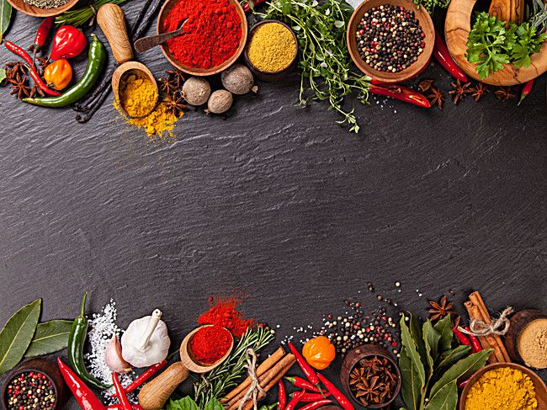
Restaurant Report | Analysis

Average Rating
Average Cost of Restaurant
Most popular restaurants
Heigest cost of the Restaurant
Most liked Cuisine
Tamasha
8000
Masque
4.0882
1102.798
Mexican, American, Italian

Costwise Restaurants
 | Total
1000-2000 | 2272
2000-3000 | 736
3000-4000 | 145
4000-5000 | 29
5000-6000 | 12
500-1000 | 2505
6000-7000 | 1
Above 8000 | 1
Below 500 | 892
Ratewise count of restaurants
 | Total
1 | 118
1.3 | 4
1.4 | 3
1.5 | 3
1.6 | 4
1.7 | 7
1.8 | 4
1.9 | 5
2 | 18
2.1 | 12
2.2 | 8
2.3 | 13
2.4 | 7
2.5 | 22
2.6 | 13
2.7 | 20
2.8 | 30
2.9 | 26
3 | 123
3.1 | 44
3.2 | 39
3.3 | 77
3.4 | 82
3.5 | 133
3.6 | 144
3.7 | 179
3.8 | 245
3.9 | 334
4 | 555
4.1 | 575
4.2 | 699
4.3 | 811
4.4 | 681
4.5 | 576
4.6 | 281
4.7 | 131
4.8 | 72
4.9 | 19
5 | 476
Citywise no . of Restaurants
 | Total
Agra | 75
Ahmedabad | 414
Bangalore | 1019
Chandigarh | 264
Chennai | 388
Delhi | 734
Ghaziabad | 50
Goa | 60
Gurgaon | 184
Hyderabad | 589
Indore | 204
Jaipur | 268
Kochi | 2
Kolkata | 712
Lucknow | 80
Ludhiana | 62
Mumbai | 727
Nagpur | 66
Noida | 146
Pune | 351
Surat | 64
Udaipur | 43
Vadodara | 91

Citywise Restaurant Rate Ratings
 | Total
Agra | 4.2386666667
Ahmedabad | 4.2028985507
Bangalore | 4.0299313052
Chandigarh | 4.1375
Chennai | 4.025257732
Delhi | 4.1765667575
Ghaziabad | 4.086
Goa | 4.1533333333
Gurgaon | 4.3086956522
Hyderabad | 4.0409168081
Indore | 3.7906862745
Jaipur | 4.0929104478
Kochi | 3.4
Kolkata | 3.9905898876
Lucknow | 4.01625
Ludhiana | 3.9129032258
Mumbai | 4.1803301238
Nagpur | 4.1363636364
Noida | 4.1938356164
Pune | 4.0786324786
Surat | 3.9640625
Udaipur | 4.0720930233
Vadodara | 4.1318681319
Top 5 most liked Cuisines
 | Total
Multi-Cuisine, North Indian, Italian, Chinese, Continental | 19672
North Indian | 14167
North Indian, Chinese | 20650
North Indian, Chinese, Continental | 14062
North Indian, Mughlai | 21186

KPI
Average Rating
Total Votes
Average Cost of Restaurant

4.0881996056 |  | 787337 |  |  | 1102.7982709

Most popular restaurants
Most liked Cuisine
 |  |  | Heigest cost of the Restaurant | .
votes | Name of restaurant |  | Price | Restaurant name |  | Mexican, American, Italian | 7101
5016 | Tamasha |  | 8000 | Masque

Pivot charts
Citywise Restaurant Rate Ratings
Top 5 most liked Cuisines
Ratewise count of restaurants
Cost wise Restaurants
Citywise no . of Restaurants
Row Labels | Average of Rating
Agra | 4.2386666667 | Row Labels | Count of Name | Row Labels | Sum of Votes | Row Labels | Count of Name | Row Labels | Count of Name
Ahmedabad | 4.2028985507 | 1000-2000 | 2272 | Multi-Cuisine, North Indian, Italian, Chinese, Continental | 19672 | Agra | 75 | 1 | 118
Bangalore | 4.0299313052 | 2000-3000 | 736 | North Indian | 14167 | Ahmedabad | 414 | 1.3 | 4
Chandigarh | 4.1375 | 3000-4000 | 145 | North Indian, Chinese | 20650 | Bangalore | 1019 | 1.4 | 3
Chennai | 4.025257732 | 4000-5000 | 29 | North Indian, Chinese, Continental | 14062 | Chandigarh | 264 | 1.5 | 3
Delhi | 4.1765667575 | 5000-6000 | 12 | North Indian, Mughlai | 21186 | Chennai | 388 | 1.6 | 4
Ghaziabad | 4.086 | 500-1000 | 2505 | Grand Total | 89737 | Delhi | 734 | 1.7 | 7
Goa | 4.1533333333 | 6000-7000 | 1 |  |  | Ghaziabad | 50 | 1.8 | 4
Gurgaon | 4.3086956522 | Above 8000 | 1 |  |  | Goa | 60 | 1.9 | 5
Hyderabad | 4.0409168081 | Below 500 | 892 |  |  | Gurgaon | 184 | 2 | 18
Indore | 3.7906862745 | Grand Total | 6593 |  |  | Hyderabad | 589 | 2.1 | 12
Jaipur | 4.0929104478 |  |  |  |  | Indore | 204 | 2.2 | 8
Kochi | 3.4 |  |  |  |  | Jaipur | 268 | 2.3 | 13
Kolkata | 3.9905898876 |  |  |  |  | Kochi | 2 | 2.4 | 7
Lucknow | 4.01625 |  |  |  |  | Kolkata | 712 | 2.5 | 22
Ludhiana | 3.9129032258 |  |  |  |  | Lucknow | 80 | 2.6 | 13
Mumbai | 4.1803301238 |  |  |  |  | Ludhiana | 62 | 2.7 | 20
Nagpur | 4.1363636364 |  |  |  |  | Mumbai | 727 | 2.8 | 30
Noida | 4.1938356164 |  |  |  |  | Nagpur | 66 | 2.9 | 26
Pune | 4.0786324786 |  |  |  |  | Noida | 146 | 3 | 123
Surat | 3.9640625 |  |  |  |  | Pune | 351 | 3.1 | 44
Udaipur | 4.0720930233 |  |  |  |  | Surat | 64 | 3.2 | 39
Vadodara | 4.1318681319 |  |  |  |  | Udaipur | 43 | 3.3 | 77
Grand Total | 4.0881996056 |  |  |  |  | Vadodara | 91 | 3.4 | 82
 |  |  |  |  |  | Grand Total | 6593 | 3.5 | 133
 |  |  |  |  |  |  |  | 3.6 | 144
 |  |  |  |  |  |  |  | 3.7 | 179
 |  |  |  |  |  |  |  | 3.8 | 245
 |  |  |  |  |  |  |  | 3.9 | 334
 |  |  |  |  |  |  |  | 4 | 555
 |  |  |  |  |  |  |  | 4.1 | 575
 |  |  |  |  |  |  |  | 4.2 | 699
 |  |  |  |  |  |  |  | 4.3 | 811
 |  |  |  |  |  |  |  | 4.4 | 681
 |  |  |  |  |  |  |  | 4.5 | 576
 |  |  |  |  |  |  |  | 4.6 | 281
 |  |  |  |  |  |  |  | 4.7 | 131
 |  |  |  |  |  |  |  | 4.8 | 72
 |  |  |  |  |  |  |  | 4.9 | 19
 |  |  |  |  |  |  |  | 5 | 476
 |  |  |  |  |  |  |  | Grand Total | 6593

