Intro
In-Class Activity

Date: | 2023-07-31
Team 3: | De Vargas Pereira, Karina
 | Feng, Xiaoli
 | Hsu, Sophie

Click here to see the answers
Database Case Study
Company - Office Machines Inc.

Step 1. Determine the purpose of your database
Step 2: Determine the Entities (tables) you need
Step 3: Determine the attributes (fields) in each entity
Step 4: Create the Data Dictionary

Step 5
Step 5: Determine the Relationships
Create the Entity-Relationship Diagram (ERD).
Look at each entity and decide how the data in one entity is related to the data in other entities: one-to-one, one-to-many, or many-to-many.
Add attributes to entities or create new entities to clarify the relationships, as necessary.

ERD for Office Machines Inc.
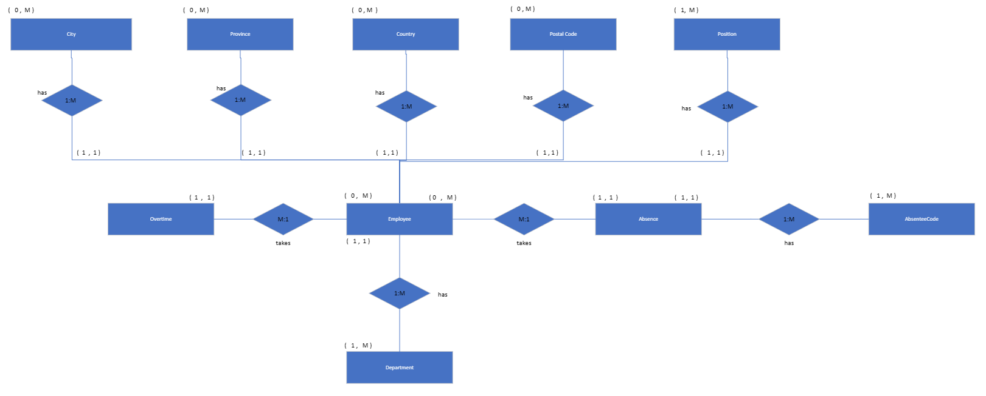

Description:
 | > One employee works for only one dep, but the dep can have 0 our manry empl

