Intro
In-Class Activity

Date: | 2023-07-31
Team 3: | De Vargas Pereira, Karina
 | Feng, Xiaoli
 | Hsu, Sophie

Click here to see the answers
Database Case Study
Company - Office Machines Inc.

Step 1. Determine the purpose of your database
Step 2: Determine the Entities (tables) you need
Step 3: Determine the attributes (fields) in each entity
Step 4: Create the Data Dictionary

Step 5
Step 5: Determine the Relationships
Create the Entity-Relationship Diagram (ERD).
Look at each entity and decide how the data in one entity is related to the data in other entities: one-to-one, one-to-many, or many-to-many.
Add attributes to entities or create new entities to clarify the relationships, as necessary.

ERD for Office Machines Inc.
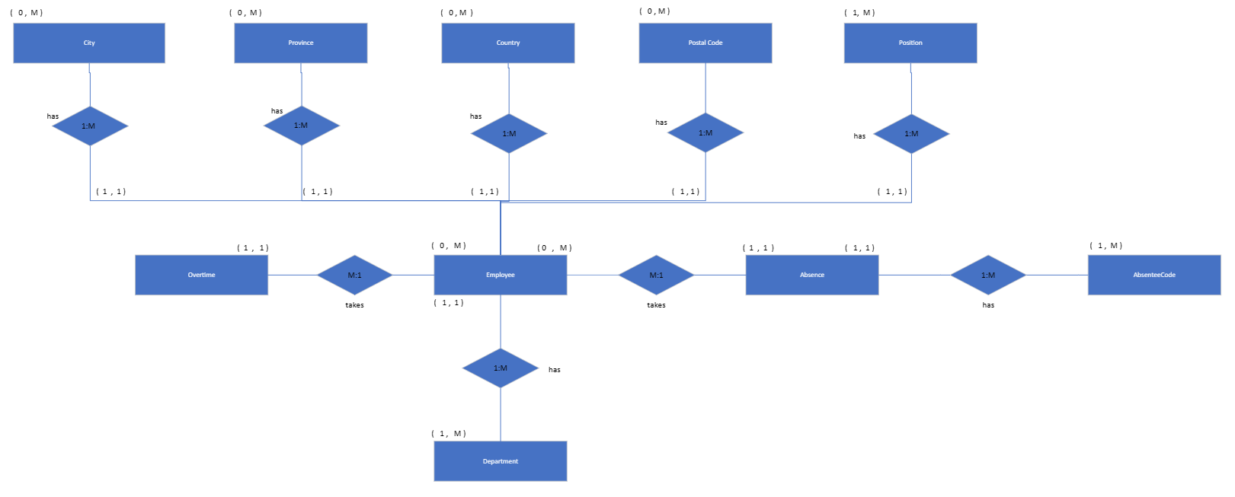

Cardinality description:
 | > One employee works for only one dep, but the dep must have at least 1 to many employees (1:M relationship) *depending on B.R. for having a department with no employee or at least 1.
 | > An employee can chose to take 0 overtime to many overtime. And an overtime must be taken by at least to at most 1 employee (1:1 relationship) *considering absense as an unique code
 | > An employee can chose to take 0 absense to many absenses. And an absense must be taken by at least to at most 1 employee (1:1 relatioship) *considering absense as an unique code
 | > An absent can have at lease 1 and at most 1 absentee code. And an absentee code can have 1 to many absent (1: M relationship).
 | > An employee must have minimum 1 City and maximum 1 City. A City can have minimum 0 employee and maximum many employees. (1:M relationship)
 | > An employee must have minimum 1 Province and maximum 1 Province . A Province can have minimum 0 employee and maximum many employees. (1:M relationship)
 | > An employee must have minimum 1 Country and maximum 1 Country . A Country can have minimum 0 employee and maximum many employees. (1:M relationship)
 | > An employee must have minimum 1 Postal Code and maximum 1 Postal Code. A Postal Code can have minimum 0 employee and maximum many employees. (1:M relationship)
 | > An employee can have at least 1 and at most 1 position. And one position can have 1 to many employees (1: M relationship).

Relationship Design
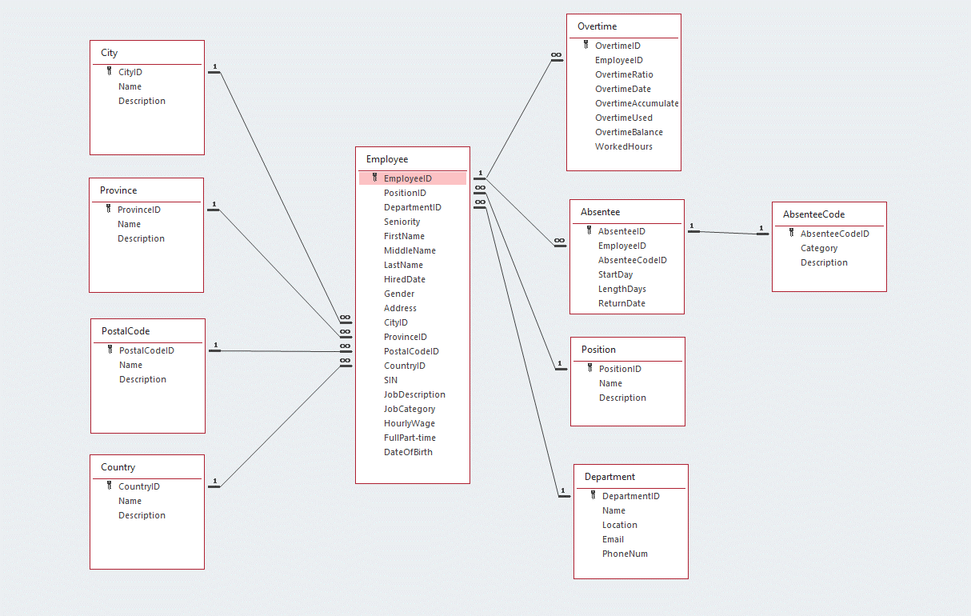
Relationship Design for Office Machines Inc.

