Sheet1
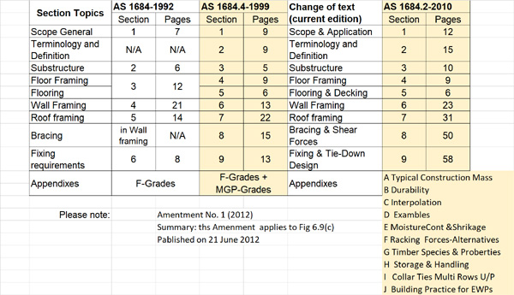
 | 9 | 12
 | 9 | 15
 | 5 | 10
 | 9 | 9
 | 6 | 6
 | 13 | 23
 | 22 | 31
 | 15 | 50
 | 14 | 58
 | 102 | 214

Please note the 2010 Edition is quite different and as you can see the number of pages is has been more than doubled

