Ex. 2
Week | Demand | Price ($)
6 | 3000 | 1.49 |  | yt = a +b·x t + et
7 | 3100 | 1.49
2 | 2000 | 1.99
1 | 1500 | 2.49
8 | 1800 | 2.49
11 | 1600 | 2.49
12 | 800 | 3.19
9 | 700 | 3.29
3 | 500 | 3.49
4 | 600 | 3.59
5 | 550 | 3.59
Demand
1.49 | 3000
1.49 | 3100
1.99 | 2000
2.49 | 1500
2.49 | 1800
2.49 | 1600
3.19 | 800
3.29 | 700
3.49 | 500
3.59 | 600
3.59 | 550
3.59 | 200
10 | 200 | 3.59

a)

b) Calculate the regression function using least squares estimation.
Demand | Price ($) | x-x_bar | (x-x_bar)^2 | y-y_bar | (x-x_bar)*(y-y_bar) | p_t | (p_t-y_bar)^2 | (y_t-y_bar)^2
3000 | 1.49 | -1.275 | 1.625625 | 1637.5 | -2087.8125 | 2886.80 | 2323491.78 | 2681406.25
3100 | 1.49 | -1.275 | 1.625625 | 1737.5 | -2215.3125 | 2886.80 | 2323491.7777 | 3018906.25
2000 | 1.99 | -0.775 | 0.600625 | 637.5 | -494.0625 | 2289.04 | 858468.12701 | 406406.25
1500 | 2.49 | -0.275 | 0.075625 | 137.5 | -37.8125 | 1691.27 | 108090.15959 | 18906.25
1800 | 2.49 | -0.275 | 0.075625 | 437.5 | -120.3125 | 1691.27 | 108090.15959 | 191406.25
1600 | 2.49 | -0.275 | 0.075625 | 237.5 | -65.3125 | 1691.27 | 108090.15959 | 56406.25
800 | 3.19 | 0.425 | 0.180625 | -562.5 | -239.0625 | 854.40 | 258165.75308 | 316406.25
700 | 3.29 | 0.525 | 0.275625 | -662.5 | -347.8125 | 734.85 | 393948.4329 | 438906.25
500 | 3.49 | 0.725 | 0.525625 | -862.5 | -625.3125 | 495.74 | 751271.27452 | 743906.25
600 | 3.59 | 0.825 | 0.680625 | -762.5 | -629.0625 | 376.19 | 972811.43633 | 581406.25
550 | 3.59 | 0.825 | 0.680625 | -812.5 | -670.3125 | 376.19 | 972811.43633 | 660156.25
200 | 3.59 | 0.825 | 0.680625 | -1162.5 | -959.0625 | 376.19 | 972811.43633 | 1351406.25
sum |  |  | 7.1025 |  | -8491.25 |  | 10151541.931 | 10465625
mean price | 2.765
mean demand | 1362.5

b_hat | -1195.529743
a_hat | 4668.1397395

Therefore,
$$=4668,14−1195,53{\text{∙}x}_{t+1}$$

c) How well does the function fit past observations?

R^2 | 0.96998907668 |  | good

d) Which demand can be predicted for the following week when price is 1.49?
y(1.49)= | 2886.8004224

Ex. 3
Problem?
Some periods with demand, the other without demand (Intermittent Demand)
Appropriate Method?
Croston Method
Day | 12 | 18 | 35 | 47 | 61
Demand | 7 | 8 | 5 | 3 | 5

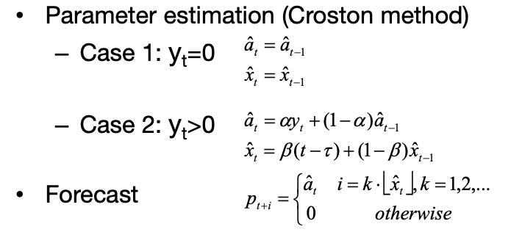
smoothing factor | 0.2
Initial guess: | a demand of 5 units every 14 days.
 |  |  |  | p_t+i | timing
Day | Demand | a_hat | x_hat | Quantity | Day
0 | 0 | 5 | 14 | 5 | 14
12 | 7 | 5.4 | 13.6 | 6 | 25
18 | 8 | 5.92 | 12.08 | 6 | 30
35 | 5 | 5.736 | 13.064 | 6 | 48
47 | 3 | 5.1888 | 12.8512 | 6 | 59
61 | 5 | 5.15104 | 13.08096 | 6 | 74

Ex. 4
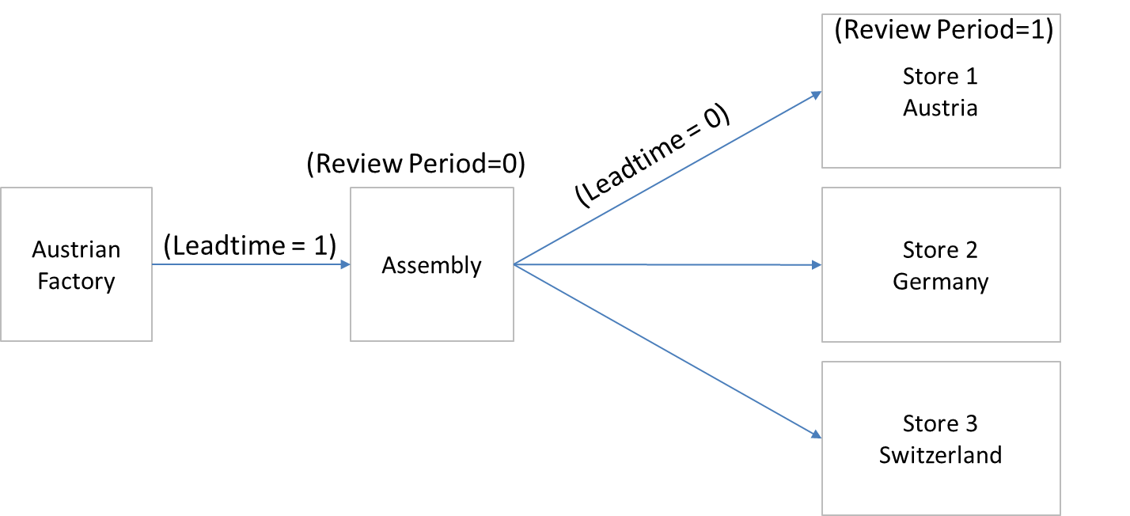
a) Depict the supply chain described in the exercise graphically.

Austrian factory
Assembly
Stores

b) | in-stock prob (alpha) | 0.8
 | Normally distributed demand
 | z | 0.84162123357

Retail stores
Week Number | t-1 | 40 | 41 | 42 | 43
Demand |  | 55 | 48 | 57 | 58 | 4.509 | R | 1
mu | 50.0 | 50.5 | 50.3 | 50.9 | 51.6 |  | L | 0
sigma | 15 | 15 | 15 | 15 | 15 |  | alpha | 0.1
S | 63 | 64 | 63 | 64 | 65
order |  | 56 | 47 | 58 | 59 | 5.477

c)
Assembly
Demand |  | 56 | 47 | 58 | 59
mu | 50 | 51.8 | 50.36 | 52.652 | 54.5564 |  | R | 0
sigma | 15 | 15 | 15 | 15 | 15 |  | L | 1
S | 63 | 65 | 63 | 66 | 68 |  | alpha | 0.3
order |  | 58 | 45 | 61 | 61 | 7.632

Results
 |  |  |  | Sheet 2 (Forecasting)

Exercise 1)
 | p_t |  |  | d) MAD |  |  | e) SIG
Year | a) | b) | c) | a) | b) | c) | a) | b) | c)
2007 |  | 1300 | 1320 |  | 10 | 12.00 |  | -1.00 | -1.00
2008 |  | 1280 | 1313.6 |  | 27 | 32.16 |  | -1.00 | -1.00
2009 | 1150 | 1244 | 1284.208 | 15 | 48.70 | 57.36 | -1.00 | -1.00 | -1.00
2010 | 1050 | 1195.2 | 1235.01024 | 22.5 | 67.35 | 79.13 | -1.00 | -1.00 | -1.00
2011 | 980 | 1148.16 | 1182.1518272 | 33.25 | 90.43 | 104.43 | -1.00 | -1.00 | -1.00

Exercise 2)

$$\hat{a}=$$
$$\hat{b}=$$
b)
 | 4668.1397395
 | -1195.529743

$$R^{2}=$$
c)
 | 0.96998907668

d)
y(1.49)= | 2886.8004224

Exercise 3)

Day | Demand | Quantity | Day
0 | 0 | 5 | 14
12 | 7 | 6 | 25
18 | 8 | 6 | 30
35 | 5 | 6 | 48
47 | 3 | 6 | 59
61 | 5 | 6 | 74

Exrecise 4)

b) | Week Number | 40 | 41 | 42 | 43
 | Demand | 55 | 48 | 57 | 58
 | S | 64 | 63 | 64 | 65
 | Order | 56 | 47 | 58 | 59
c) | S | 65 | 63 | 66 | 68
 | Order | 58 | 45 | 61 | 61

Ex.2 Extra
Week | Demand | Price ($) | Week | 1 | 2 | 3 | 4 | 5 | 6 | 7 | 8 | 9 | 10 | 11 | 12
6 | 3000 | 1.49 | Demand | 1500 | 2000 | 500 | 600 | 550 | 3000 | 3100 | 1800 | 700 | 200 | 1600 | 800
7 | 3100 | 1.49 | Price ($) | 2.49 | 1.99 | 3.49 | 3.59 | 3.59 | 1.49 | 1.49 | 2.49 | 3.29 | 3.59 | 2.49 | 3.19
Demand
2 | 2000 | 1.99
1 | 1500 | 2.49
8 | 1800 | 2.49
11 | 1600 | 2.49
12 | 800 | 3.19
9 | 700 | 3.29
3 | 500 | 3.49
4 | 600 | 3.59
5 | 550 | 3.59
10 | 200 | 3.59

Price ($) | Demand
1.49 | 3000
1.49 | 3100 |  | SUMMARY OUTPUT
1.99 | 2000
2.49 | 1500 |  | Regression Statistics
2.49 | 1800 |  | Multiple R | 0.98488023469
2.49 | 1600 |  | R Square | 0.96998907668
3.19 | 800 |  | Adjusted R Square | 0.96698798435
3.29 | 700 |  | Standard Error | 177.22388929
3.49 | 500 |  | Observations | 12
3.59 | 600
3.59 | 550 |  | ANOVA
3.59 | 200 |  |  | df | SS | MS | F | Significance F
 |  |  | Regression | 1 | 10151541.931 | 10151541.931 | 323.21200732 | 6.067365224E-09
 |  |  | Residual | 10 | 314083.06934 | 31408.306934
 |  |  | Total | 11 | 10465625

 |  |  |  | Coefficients | Standard Error | t Stat | P-value | Lower 95% | Upper 95% | Lower 95,0% | Upper 95,0%
 |  |  | Intercept | 4668.1397395 | 190.85511829 | 24.459075457 | 2.9764559278E-10 | 4242.8880354 | 5093.3914437 | 4242.8880354 | 5093.3914437
 |  |  | X Variable 1 | -1195.529743 | 66.499233887 | -17.978097989 | 6.067365224E-09 | -1343.6992697 | -1047.3602164 | -1343.6992697 | -1047.3602164

