Ex. 1
 |  |  |  | •Cost per stockout occasion
mu | 1000
sigma | 200

L | 0.25 | year
Fixed ordering cost | 300
h | 2
shortage penalty p | 500 | per occassion

a)
Successive Approach |  |  |  |  |  | Successive Approach
EOQ | 547.723
z | 1.095 | if | 1.820914051 | >= | 1
safety stock | 109.484
s | 359.484
COST | 1439.288 |  | F01_z | 0.86320688829

b)
Simultaneous Approach
 | iteration1 | iteration2 | iteration3 | iteration4 | iteration5 | Simultaneous Approach
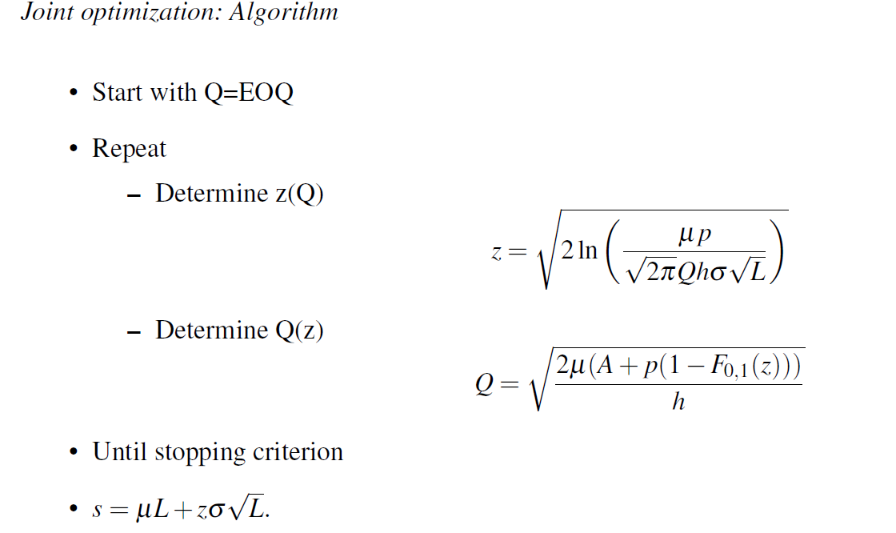
Start with EOQ | 547.72 | 606.96 | 616.23 | 617.74 | 618.00
z(Q) | 1.09 | 1.00 | 0.98 | 0.98 | 0.98
Q(z) | 606.96 | 616.23 | 617.74 | 618.00 | 618.04
C(s,Q) | 1439.29 | 1431.92 | 1431.76 | 1431.75 | 1431.753

Ex. 2
 | •Cost per unit short

 | Day | 1 | 2 | 3 | 4 | 5 | 6 | 7 | 8 | 9 | 10 | 11 | 12 | 13 | 14 | 15 | Mean | Std dev
 | demand | 83 | 101 | 105 | 145 | 179 | 65 | 79 | 121 | 81 | 103 | 75 | 89 | 61 | 123 | 85 | 99.667 | 31.710

replenishment quantity Q | 300
weekly demand D | 700
fixed order cost | 20
holding cost | 2.5 | €/week
shortage penalty p | 3 | per unit short
a) Reorder point s with one-day lead time
Lead time L | 1 | day
forecast (or expected) demand over a lead time | 99.666666667
std deviation of forecast errors over a lead time | 31.710
F(z) | 0.64285714286 | if | 0.35714285714 | <1
z | 0.3661063568
s | 111.27589756

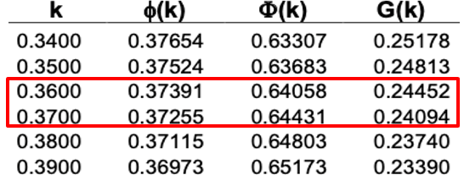
b) total costs per week with s
AD/Q | 46.666666667
(Q/2+z*sigma*sqt(L))*h | 404.02307724
penalty | 53.482012013
G(z) | 0.2409
C(z) | 504.17175592

weekly sigma * sqt(L) (week)

c)
alpha SL | 0.95
z | 1.645
SS | 52.158
s | 151.825

G(z) | 0.021
beta | 0.998
 |  | beta=1-G(z)*sigma/Q

Ex. 3
 |  |  | d | 5000
 |  |  | P | 30
 |  |  | h | 9
 |  |  | A | 75
 |  |  | p | 2
 |  |  | reorderpoints
 |  |  | s
 | Leadtime Demand | P(D=d) | 100 | 150 | 200 | 250 | 300 | 350
 | 100 | 0.11 | 0.0 | 5.5 | 11.0 | 16.5 | 22.0 | 27.5
 | 150 | 0.25 | -12.5 | 0.0 | 12.5 | 25.0 | 37.5 | 50.0
 | 200 | 0.27 | -27.0 | -13.5 | 0.0 | 13.5 | 27.0 | 40.5
 | 250 | 0.25 | -37.5 | -25.0 | -12.5 | 0.0 | 12.5 | 25.0
 | 300 | 0.11 | -22.0 | -16.5 | -11.0 | -5.5 | 0.0 | 5.5
 | Expected underage |  | 99 | 55 | 23.5 | 5.5 | 0 | 0
 | Expected overage |  | 0.0 | 5.5 | 23.5 | 55 | 99 | 148.5
a) | Expected underage cost/cycle |  | 198 | 110 | 47 | 11 | 0 | 0 | Taking the derivative with respect to Q, gives the below formulation
 | Expected overage cost/year |  | 0 | 49.5 | 211.5 | 495 | 891 | 1336.5
b) | EOQ |  | 550.75705473 | 453.38235029 | 368.17870057 | 309.12061652 | 288.67513459 | 288.67513459

c) | Total Yearly Cost |  | 4956.8134926 | 4129.9411526 | 3525.1083052 | 3277.0855486 | 3489.0762114 | 3934.5762114

Safety stock
(expected overage)
Number of units short
(expected underage)

Ex. 4
mean | 250
std dev | 30
L | 3
R | 1
adjusted service level | 0.98
a)
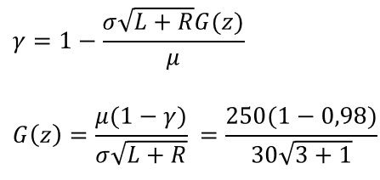
 | alpha SL |  | gamma SL
S | 1123.22 |  | G(z) | 0.083333333333 | table lookup:
 |  |  | z | 1.0036 | 1
 |  |  | G(z) | 0.0833
 |  |  | Target | 0.0000
 |  |  |  | Excel: What-if-Analysis --> Goal-seek

 |  |  | S | 1060.21

b) | alpha SL achieved with this gamma SL:
 | z | 1.0036
 | alpha SL | 0.842

c)
alpha-SL | 0.9
z | 1.2815515655
sigma^2_L | 1.44
mu_L | 3

sigma | 305.94
SS | 392.08
S | 1392.08

Ex. 5
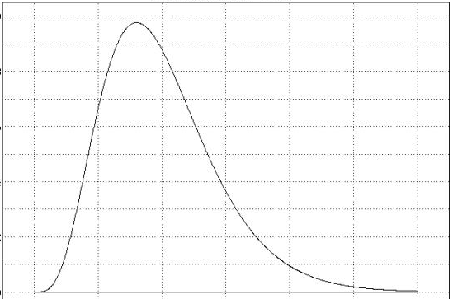
 |  |  | Demand~Gamma: D(L+R)~Gamma((L+R)α,β)

L | 1
R | 1
alpha(SL) | 0.95

mu | 1500 | 3000
sigma | 750 | 1060.6601718

alpha | 8
beta | 375

S* | 4930.543

