Sheet1
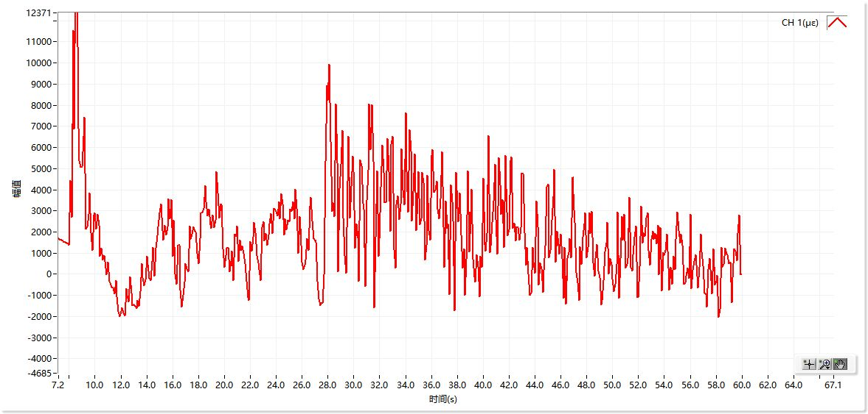
曲线图数据
时间 | CH 1(με)
7.2s | 1685
7.3s | 1631
7.4s | 1608
7.5s | 1565
7.6s | 1528
7.7s | 1496
7.8s | 1465
7.9s | 1440
8.0s | 1387
8.1s | 4438
8.2s | 2691
8.3s | 11528
8.4s | 6867
8.5s | 14952
8.6s | 14584
8.7s | 6915
8.8s | 5387
8.9s | 5051
9.0s | 5093
9.1s | 6507
9.2s | 7441
9.3s | 2122
9.4s | 2246
9.5s | 2851
9.6s | 3843
9.7s | 1958
9.8s | 1123
9.9s | 2788
10.0s | 2915
10.1s | 2134
10.2s | 2841
10.3s | 2314
10.4s | 835
10.5s | 1229
10.6s | 678
10.7s | 872
10.8s | 610
10.9s | -15
11.0s | 581
11.1s | -347
11.2s | -522
11.3s | -622
11.4s | -664
11.5s | -910
11.6s | -313
11.7s | -1079
11.8s | -1764
11.9s | -1989
12.0s | -1751
12.1s | -1571
12.2s | -1819
12.3s | -1954
12.4s | -669
12.5s | -998
12.6s | -1299
12.7s | -128
12.8s | -878
12.9s | -1490
13.0s | -1449
13.1s | -1509
13.2s | -1632
13.3s | -1234
13.4s | -1526
13.5s | -805
13.6s | 509
13.7s | -148
13.8s | -542
13.9s | -274
14.0s | 840
14.1s | 452
14.2s | -190
14.3s | -309
14.4s | 597
14.5s | 1260
14.6s | -94
14.7s | 1233
14.8s | 1839
14.9s | 2225
15.0s | 2914
15.1s | 3307
15.2s | 2083
15.3s | 1621
15.4s | 2329
15.5s | 1853
15.6s | 2225
15.7s | 3577
15.8s | 2639
15.9s | 3532
16.0s | 859
16.1s | 2558
16.2s | 31
16.3s | -471
16.4s | 1375
16.5s | 1381
16.6s | -764
16.7s | -1537
16.8s | -1002
16.9s | -372
17.0s | 508
17.1s | 251
17.2s | 113
17.3s | 2270
17.4s | 1665
17.5s | 1878
17.6s | 2226
17.7s | 2020
17.8s | 1985
17.9s | 976
18.0s | 497
18.1s | 1681
18.2s | 2906
18.3s | 2908
18.4s | 3122
18.5s | 4187
18.6s | 3438
18.7s | 2775
18.8s | 3080
18.9s | 2351
19.0s | 2176
19.1s | 2791
19.2s | 2214
19.3s | 2562
19.4s | 4840
19.5s | 3842
19.6s | 2667
19.7s | 3325
19.8s | 3275
19.9s | 1191
20.0s | 334
20.1s | 881
20.2s | 1227
20.3s | 1277
20.4s | 133
20.5s | 609
20.6s | 1098
20.7s | -304
20.8s | 1907
20.9s | 1780
21.0s | 2269
21.1s | 593
21.2s | 1631
21.3s | 1141
21.4s | 1339
21.5s | 986
21.6s | 491
21.7s | -333
21.8s | -1110
21.9s | -1241
22.0s | 1531
22.1s | 1077
22.2s | 1770
22.3s | 2465
22.4s | 1956
22.5s | 871
22.6s | 543
22.7s | 234
22.8s | -312
22.9s | 2198
23.0s | 2474
23.1s | 1575
23.2s | 1929
23.3s | 1383
23.4s | 1848
23.5s | 2365
23.6s | 2864
23.7s | 1936
23.8s | 3117
23.9s | 3068
24.0s | 2959
24.1s | 2772
24.2s | 3422
24.3s | 2609
24.4s | 3820
24.5s | 3315
24.6s | 1858
24.7s | 2635
24.8s | 2116
24.9s | 2544
25.0s | 2482
25.1s | 3092
25.2s | 2965
25.3s | 3417
25.4s | 2609
25.5s | 4028
25.6s | 3128
25.7s | 1002
25.8s | 2724
25.9s | 2175
26.0s | 586
26.1s | 224
26.2s | 443
26.3s | 660
26.4s | 1701
26.5s | 1125
26.6s | 3234
26.7s | 3651
26.8s | 2537
26.9s | 1683
27.0s | 1564
27.1s | 1501
27.2s | -349
27.3s | -1166
27.4s | -1483
27.5s | -1340
27.6s | -1375
27.7s | -13
27.8s | 5342
27.9s | 8915
28.0s | 8229
28.1s | 9919
28.2s | 6280
28.3s | 2966
28.4s | 3405
28.5s | 2731
28.6s | 8038
28.7s | 5266
28.8s | 134
28.9s | 4059
29.0s | 5206
29.1s | 6817
29.2s | 2671
29.3s | 902
29.4s | 34
29.5s | 4401
29.6s | 6522
29.7s | 2665
29.8s | 4151
29.9s | 5567
30.0s | 4864
30.1s | 1237
30.2s | 2398
30.3s | 1707
30.4s | -317
30.5s | 5407
30.6s | 5126
30.7s | 3369
30.8s | 3093
30.9s | -572
31.0s | 3508
31.1s | 4928
31.2s | 8061
31.3s | 5899
31.4s | 8032
31.5s | 5351
31.6s | -1590
31.7s | 1739
31.8s | 4898
31.9s | 854
32.0s | 1687
32.1s | 4138
32.2s | 6110
32.3s | 4835
32.4s | 3400
32.5s | 3382
32.6s | 6402
32.7s | 4841
32.8s | 2020
32.9s | 6146
33.0s | 6507
33.1s | 1176
33.2s | 307
33.3s | 3280
33.4s | 3697
33.5s | 2579
33.6s | 3321
33.7s | 5922
33.8s | 3980
33.9s | 3289
34.0s | 7627
34.1s | 4861
34.2s | 2943
34.3s | 6820
34.4s | 5841
34.5s | 2522
34.6s | 3906
34.7s | 5694
34.8s | 2084
34.9s | 2844
35.0s | 4848
35.1s | 2332
35.2s | 2630
35.3s | 4807
35.4s | 4332
35.5s | 689
35.6s | 1389
35.7s | 4693
35.8s | 2076
35.9s | 1622
36.0s | 5603
36.1s | 5908
36.2s | 3872
36.3s | 3971
36.4s | 4391
36.5s | 3069
36.6s | 2638
36.7s | 3556
36.8s | 5805
36.9s | 4155
37.0s | 333
37.1s | 3460
37.2s | 2183
37.3s | 2368
37.4s | -961
37.5s | 4212
37.6s | 3438
37.7s | 2508
37.8s | -1712
37.9s | 4818
38.0s | 3125
38.1s | 2475
38.2s | 3839
38.3s | 1842
38.4s | 301
38.5s | 1212
38.6s | -980
38.7s | 694
38.8s | 4905
38.9s | 1068
39.0s | 1899
39.1s | 4002
39.2s | 707
39.3s | -130
39.4s | -384
39.5s | 918
39.6s | 372
39.7s | -1055
39.8s | 857
39.9s | 336
40.0s | 4555
40.1s | 1421
40.2s | 1108
40.3s | 1926
40.4s | 6546
40.5s | 1018
40.6s | 1320
40.7s | 2459
40.8s | 3445
40.9s | 5215
41.0s | 2574
41.1s | 969
41.2s | 5513
41.3s | 4227
41.4s | 2845
41.5s | 3520
41.6s | 1258
41.7s | 5629
41.8s | 4058
41.9s | 1810
42.0s | 2093
42.1s | 5374
42.2s | 5546
42.3s | 2182
42.4s | 2430
42.5s | 1580
42.6s | 2257
42.7s | 2209
42.8s | 1612
42.9s | 2214
43.0s | 4769
43.1s | 4736
43.2s | 1975
43.3s | 436
43.4s | 1253
43.5s | 30
43.6s | -1001
43.7s | -876
43.8s | 1268
43.9s | 556
44.0s | 50
44.1s | 3472
44.2s | 2246
44.3s | -525
44.4s | 552
44.5s | 243
44.6s | -854
44.7s | 203
44.8s | 1331
44.9s | 4127
45.0s | 4254
45.1s | 764
45.2s | 1134
45.3s | 2549
45.4s | 3679
45.5s | 4946
45.6s | 560
45.7s | 2020
45.8s | 1382
45.9s | 959
46.0s | 1887
46.1s | 760
46.2s | -1134
46.3s | 1269
46.4s | -1404
46.5s | 747
46.6s | 1023
46.7s | 1686
46.8s | 770
46.9s | 4562
47.0s | 3027
47.1s | 2462
47.2s | 75
47.3s | -400
47.4s | -1240
47.5s | 1313
47.6s | 468
47.7s | 1750
47.8s | 2393
47.9s | 2899
48.0s | 770
48.1s | 1255
48.2s | 2911
48.3s | 1932
48.4s | 2972
48.5s | 526
48.6s | -87
48.7s | 745
48.8s | 1403
48.9s | 171
49.0s | -167
49.1s | -1459
49.2s | -1246
49.3s | -315
49.4s | 1058
49.5s | 1460
49.6s | 2463
49.7s | 17
49.8s | 747
49.9s | 480
50.0s | -222
50.1s | -837
50.2s | -463
50.3s | 457
50.4s | 2924
50.5s | -1133
50.6s | 758
50.7s | 2745
50.8s | 1613
50.9s | 2828
51.0s | 305
51.1s | 456
51.2s | 755
51.3s | 3644
51.4s | 316
51.5s | 170
51.6s | 912
51.7s | 1762
51.8s | 2283
51.9s | -1083
52.0s | -1087
52.1s | 356
52.2s | 3211
52.3s | 1475
52.4s | 1965
52.5s | 1777
52.6s | 2662
52.7s | 2920
52.8s | 1120
52.9s | 424
53.0s | 1660
53.1s | 2048
53.2s | 1652
53.3s | 1918
53.4s | 1449
53.5s | 2328
53.6s | -24
53.7s | 2215
53.8s | -769
53.9s | 1032
54.0s | 877
54.1s | 1136
54.2s | 1889
54.3s | 305
54.4s | -764
54.5s | 340
54.6s | -481
54.7s | 845
54.8s | 212
54.9s | 1655
55.0s | 2934
55.1s | 2071
55.2s | 1491
55.3s | 1886
55.4s | 1389
55.5s | -468
55.6s | -408
55.7s | -86
55.8s | 280
55.9s | -195
56.0s | 2820
56.1s | -678
56.2s | 173
56.3s | 620
56.4s | 917
56.5s | 435
56.6s | -641
56.7s | 322
56.8s | 1910
56.9s | 1076
57.0s | 394
57.1s | -907
57.2s | -961
57.3s | -1565
57.4s | 228
57.5s | 752
57.6s | -298
57.7s | -938
57.8s | 1186
57.9s | -510
58.0s | -338
58.1s | -64
58.2s | -2044
58.3s | -1668
58.4s | 1275
58.5s | 312
58.6s | 484
58.7s | 1239
58.8s | 950
58.9s | 926
59.0s | 495
59.1s | 588
59.2s | -1359
59.3s | -175
59.4s | 1186
59.5s | 1102
59.6s | 628
59.7s | 1945
59.8s | 2790
59.9s | -29

