Sheet1
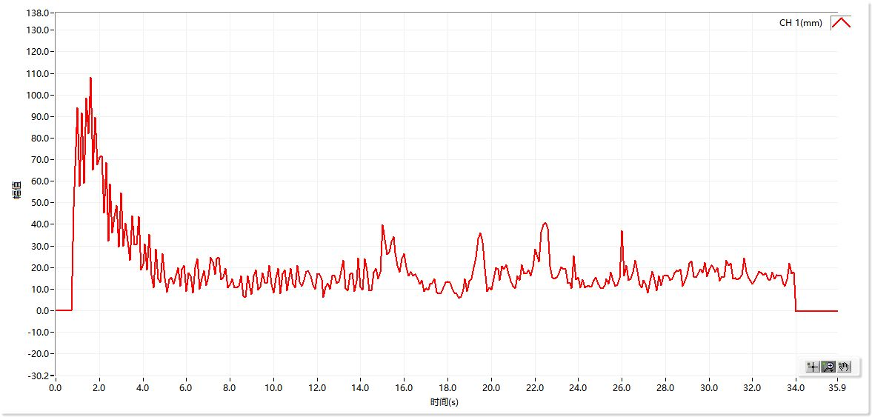
曲线图数据
时间 | CH 1(mm)
0.0s | 0
0.1s | 0
0.2s | 0
0.3s | 0
0.4s | 0
0.5s | 0
0.6s | 0
0.7s | 0
0.8s | 48.1
0.9s | 67.1
1.0s | 94
1.1s | 57.8
1.2s | 91.7
1.3s | 59.2
1.4s | 98.4
1.5s | 81.9
1.6s | 108
1.7s | 65.3
1.8s | 89.6
1.9s | 67.7
2.0s | 71
2.1s | 71.6
2.2s | 45.2
2.3s | 68.7
2.4s | 32.3
2.5s | 58.7
2.6s | 35.9
2.7s | 43.5
2.8s | 48.8
2.9s | 29.4
3.0s | 54.6
3.1s | 29.8
3.2s | 40.6
3.3s | 32.2
3.4s | 23.2
3.5s | 43.8
3.6s | 30.7
3.7s | 30.5
3.8s | 43.5
3.9s | 18.8
4.0s | 21.7
4.1s | 31
4.2s | 18.9
4.3s | 35.4
4.4s | 16.6
4.5s | 10.5
4.6s | 28.4
4.7s | 14.6
4.8s | 13
4.9s | 26.6
5.0s | 15
5.1s | 8.5
5.2s | 14.3
5.3s | 15.3
5.4s | 12.2
5.5s | 16.2
5.6s | 19.8
5.7s | 11.3
5.8s | 19.4
5.9s | 20.8
6.0s | 9
6.1s | 17.4
6.2s | 16.2
6.3s | 8.4
6.4s | 19.8
6.5s | 24.1
6.6s | 9.9
6.7s | 14.6
6.8s | 18.6
6.9s | 11.7
7.0s | 16.2
7.1s | 24.7
7.2s | 22.7
7.3s | 16.8
7.4s | 24
7.5s | 24.7
7.6s | 14.3
7.7s | 15.6
7.8s | 19.7
7.9s | 10.8
8.0s | 12.1
8.1s | 14.6
8.2s | 10.5
8.3s | 10.8
8.4s | 11.3
8.5s | 16
8.6s | 6.9
8.7s | 6.1
8.8s | 16.3
8.9s | 10.8
9.0s | 7.5
9.1s | 16.2
9.2s | 18.9
9.3s | 9.5
9.4s | 11.1
9.5s | 17.5
9.6s | 13.1
9.7s | 12.7
9.8s | 21.1
9.9s | 12.4
10.0s | 8.1
10.1s | 15.1
10.2s | 19.7
10.3s | 7.9
10.4s | 17.2
10.5s | 18.9
10.6s | 9.3
10.7s | 13.6
10.8s | 19.7
10.9s | 12.2
11.0s | 10.7
11.1s | 20.9
11.2s | 13.3
11.3s | 11.3
11.4s | 14.2
11.5s | 18.3
11.6s | 18.3
11.7s | 16.2
11.8s | 12.1
11.9s | 9.9
12.0s | 17.2
12.1s | 16.8
12.2s | 14.5
12.3s | 6.1
12.4s | 11
12.5s | 12.8
12.6s | 9.8
12.7s | 16
12.8s | 16.5
12.9s | 12.8
13.0s | 13.4
13.1s | 18.2
13.2s | 23.5
13.3s | 10.4
13.4s | 9.3
13.5s | 16.9
13.6s | 17.4
13.7s | 9
13.8s | 13.6
13.9s | 24.4
14.0s | 11
14.1s | 9.5
14.2s | 24
14.3s | 18.6
14.4s | 9.3
14.5s | 9.3
14.6s | 17.7
14.7s | 19.7
14.8s | 14.6
14.9s | 18
15.0s | 39.7
15.1s | 33
15.2s | 26.2
15.3s | 27.2
15.4s | 31.9
15.5s | 34.2
15.6s | 26.7
15.7s | 20.9
15.8s | 17.7
15.9s | 24
16.0s | 26.6
16.1s | 20.1
16.2s | 16
16.3s | 17.9
16.4s | 16
16.5s | 16.8
16.6s | 15.1
16.7s | 12.2
16.8s | 14.2
16.9s | 8.9
17.0s | 10.2
17.1s | 9.6
17.2s | 12.5
17.3s | 12.8
17.4s | 14.8
17.5s | 8.7
17.6s | 7.8
17.7s | 8.4
17.8s | 10.7
17.9s | 13
18.0s | 13.4
18.1s | 13
18.2s | 10.2
18.3s | 8.4
18.4s | 7.8
18.5s | 5.8
18.6s | 6.6
18.7s | 9.8
18.8s | 14.8
18.9s | 8.9
19.0s | 13.9
19.1s | 14.8
19.2s | 19.8
19.3s | 24.6
19.4s | 33.3
19.5s | 35.9
19.6s | 31.7
19.7s | 19.7
19.8s | 8.9
19.9s | 10.7
20.0s | 9.5
20.1s | 14.8
20.2s | 20
20.3s | 19.1
20.4s | 14.2
20.5s | 20.6
20.6s | 19.4
20.7s | 21.2
20.8s | 17.1
20.9s | 13.9
21.0s | 11.4
21.1s | 10.4
21.2s | 16.2
21.3s | 14
21.4s | 21.4
21.5s | 17.1
21.6s | 17.1
21.7s | 18.8
21.8s | 16.3
21.9s | 20.3
22.0s | 28.5
22.1s | 26.1
22.2s | 22.7
22.3s | 36.3
22.4s | 39.7
22.5s | 40.7
22.6s | 38.1
22.7s | 20.6
22.8s | 15.4
22.9s | 14.6
23.0s | 15.6
23.1s | 17.1
23.2s | 20.1
23.3s | 19.4
23.4s | 19.1
23.5s | 12.7
23.6s | 13.1
23.7s | 10.4
23.8s | 25.3
23.9s | 14.5
24.0s | 15.6
24.1s | 10.5
24.2s | 14.3
24.3s | 10.5
24.4s | 11.4
24.5s | 11.3
24.6s | 11.1
24.7s | 14.2
24.8s | 15.4
24.9s | 12.4
25.0s | 10.7
25.1s | 10.4
25.2s | 11.7
25.3s | 14.6
25.4s | 12.2
25.5s | 17.7
25.6s | 14.2
25.7s | 11.4
25.8s | 12.1
25.9s | 15.1
26.0s | 37.1
26.1s | 16
26.2s | 21.1
26.3s | 14
26.4s | 14.8
26.5s | 17.9
26.6s | 23.5
26.7s | 18.2
26.8s | 11.9
26.9s | 10.8
27.0s | 14.2
27.1s | 12.2
27.2s | 8.4
27.3s | 13.7
27.4s | 18.3
27.5s | 14.5
27.6s | 9.3
27.7s | 16.3
27.8s | 11.7
27.9s | 16.3
28.0s | 16
28.1s | 16.5
28.2s | 14
28.3s | 14.6
28.4s | 17.4
28.5s | 18.6
28.6s | 18.2
28.7s | 19.2
28.8s | 11.4
28.9s | 13.9
29.0s | 16.5
29.1s | 22.1
29.2s | 23
29.3s | 15.7
29.4s | 15.6
29.5s | 17.1
29.6s | 19.4
29.7s | 17.4
29.8s | 22.3
29.9s | 15.7
30.0s | 19.4
30.1s | 21.1
30.2s | 20.3
30.3s | 18
30.4s | 19.8
30.5s | 13.9
30.6s | 15.7
30.7s | 15.3
30.8s | 23.5
30.9s | 21.1
31.0s | 22
31.1s | 14.6
31.2s | 15
31.3s | 14.5
31.4s | 15.1
31.5s | 16.5
31.6s | 24.3
31.7s | 18.3
31.8s | 15
31.9s | 14
32.0s | 12.5
32.1s | 13.7
32.2s | 15.7
32.3s | 18.3
32.4s | 17.4
32.5s | 16.5
32.6s | 17.4
32.7s | 14.8
32.8s | 14
32.9s | 17.7
33.0s | 14.6
33.1s | 16.6
33.2s | 16
33.3s | 16.3
33.4s | 12.4
33.5s | 11.4
33.6s | 14.5
33.7s | 22.1
33.8s | 17.1
33.9s | 17.7
34.0s | -0.2
34.1s | -0.2
34.2s | -0.2
34.3s | -0.2
34.4s | -0.2
34.5s | -0.2
34.6s | -0.2
34.7s | -0.2
34.8s | -0.2
34.9s | -0.2
35.0s | -0.2
35.1s | -0.2
35.2s | -0.2
35.3s | -0.2
35.4s | -0.2
35.5s | -0.2
35.6s | -0.2
35.7s | -0.2
35.8s | -0.2
35.9s | -0.2

