Sheet1
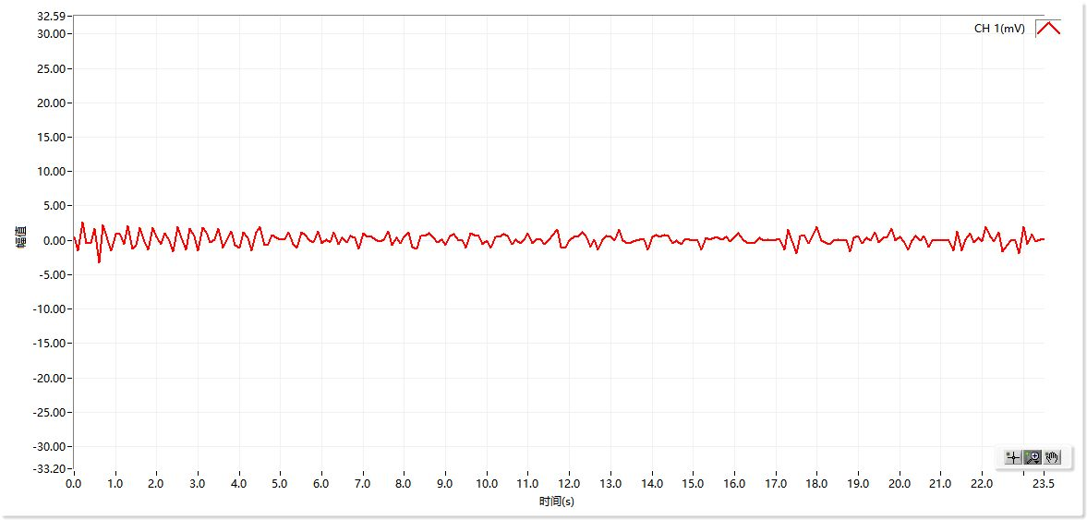
曲线图数据
时间 | CH 1(mV)
0.0s | 0.46
0.1s | -1.53
0.2s | 2.59
0.3s | -0.46
0.4s | -0.46
0.5s | 1.68
0.6s | -3.2
0.7s | 2.29
0.8s | 0.15
0.9s | -1.53
1.0s | 0.92
1.1s | 1.07
1.2s | -0.61
1.3s | 2.14
1.4s | -1.22
1.5s | -0.76
1.6s | 1.83
1.7s | -0.15
1.8s | -1.37
1.9s | 1.83
2.0s | 0.46
2.1s | -0.61
2.2s | 1.07
2.3s | 0
2.4s | -1.68
2.5s | 1.98
2.6s | 0.31
2.7s | -1.37
2.8s | 1.68
2.9s | 0.61
3.0s | -1.53
3.1s | 1.83
3.2s | 1.22
3.3s | -0.31
3.4s | 0.15
3.5s | 1.68
3.6s | -1.07
3.7s | 0
3.8s | 1.37
3.9s | -0.76
4.0s | -1.07
4.1s | 1.22
4.2s | 0.31
4.3s | -1.53
4.4s | 1.22
4.5s | 1.98
4.6s | -0.76
4.7s | -0.61
4.8s | 0.76
4.9s | 0.31
5.0s | 0.15
5.1s | 0.15
5.2s | 1.22
5.3s | -0.61
5.4s | -1.07
5.5s | 1.22
5.6s | 0.76
5.7s | 0
5.8s | -0.31
5.9s | 1.37
6.0s | -0.46
6.1s | 0.15
6.2s | -0.31
6.3s | 1.22
6.4s | -0.61
6.5s | 0.31
6.6s | -0.31
6.7s | 0.61
6.8s | 0.31
6.9s | -1.22
7.0s | 1.07
7.1s | 0.46
7.2s | 0.46
7.3s | 0.15
7.4s | -0.15
7.5s | 0.15
7.6s | 1.37
7.7s | -0.76
7.8s | 0.31
7.9s | -0.46
8.0s | 0.46
8.1s | 1.22
8.2s | -0.92
8.3s | -1.22
8.4s | 0.61
8.5s | 0.61
8.6s | 1.07
8.7s | 0.31
8.8s | -0.31
8.9s | 0.15
9.0s | -0.76
9.1s | 0.61
9.2s | 0.92
9.3s | 0
9.4s | 0.15
9.5s | -1.07
9.6s | 1.07
9.7s | 0.76
9.8s | 0.61
9.9s | -0.61
10.0s | 0
10.1s | -1.07
10.2s | 0.46
10.3s | 0.46
10.4s | 0.92
10.5s | 0.61
10.6s | -0.61
10.7s | 0.15
10.8s | -0.46
10.9s | 0.15
11.0s | 1.07
11.1s | -0.46
11.2s | 0.15
11.3s | 0.15
11.4s | -0.61
11.5s | 0.15
11.6s | 0.76
11.7s | 1.53
11.8s | -0.92
11.9s | -1.07
12.0s | 0
12.1s | 0.46
12.2s | 0.46
12.3s | 1.22
12.4s | 0.61
12.5s | -0.92
12.6s | 0.15
12.7s | -1.37
12.8s | 0.15
12.9s | 0.61
13.0s | 0.46
13.1s | 0
13.2s | 1.53
13.3s | 0
13.4s | -0.46
13.5s | -0.31
13.6s | 0
13.7s | 0.15
13.8s | 0.15
13.9s | -1.37
14.0s | 0.46
14.1s | 0.76
14.2s | 0.46
14.3s | 0.76
14.4s | 0.61
14.5s | -0.46
14.6s | 0
14.7s | -0.61
14.8s | 0.15
14.9s | 0.15
15.0s | 0
15.1s | 0
15.2s | -1.37
15.3s | 0.31
15.4s | 0.15
15.5s | 0.31
15.6s | 0.31
15.7s | 0.15
15.8s | 0.46
15.9s | -0.15
16.0s | 0.46
16.1s | 1.07
16.2s | 0.15
16.3s | -0.31
16.4s | -0.46
16.5s | -0.31
16.6s | 0.31
16.7s | 0
16.8s | 0.15
16.9s | 0
17.0s | 0.15
17.1s | 0.15
17.2s | -1.37
17.3s | 1.53
17.4s | 0
17.5s | -1.98
17.6s | 0.61
17.7s | 0.61
17.8s | -0.46
17.9s | 0.76
18.0s | 1.98
18.1s | 0
18.2s | -0.31
18.3s | -0.61
18.4s | 0
18.5s | 0.15
18.6s | 0
18.7s | 0.15
18.8s | -1.68
18.9s | 0.31
19.0s | 0.61
19.1s | -0.46
19.2s | 0.31
19.3s | 0
19.4s | 1.22
19.5s | -0.31
19.6s | 0.31
19.7s | 0.31
19.8s | 1.68
19.9s | 0
20.0s | 0.46
20.1s | -0.15
20.2s | -1.37
20.3s | 0
20.4s | 0.61
20.5s | 0
20.6s | 0.61
20.7s | -0.92
20.8s | 0
20.9s | 0
21.0s | 0
21.1s | 0
21.2s | 0
21.3s | -1.53
21.4s | 1.37
21.5s | -1.53
21.6s | 0.15
21.7s | 1.07
21.8s | -0.31
21.9s | 0.31
22.0s | -0.15
22.1s | 1.98
22.2s | 0.46
22.3s | -0.15
22.4s | 1.22
22.5s | -1.68
22.6s | -0.76
22.7s | 0
22.8s | 0
22.9s | -1.98
23.0s | 1.98
23.1s | -0.61
23.2s | 0.92
23.3s | -0.15
23.4s | 0.15
23.5s | 0.15

