Instructions
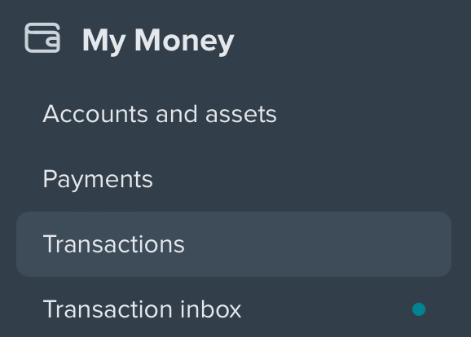
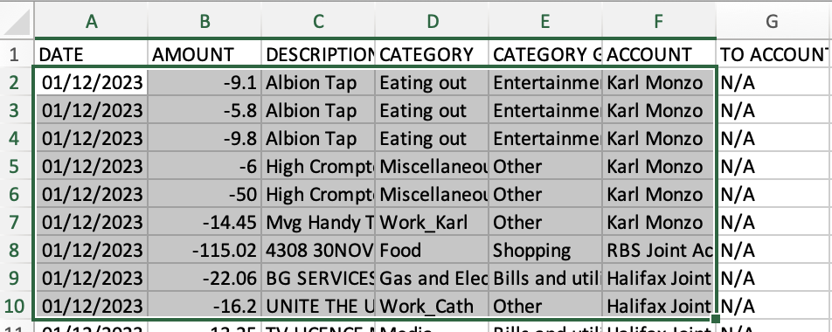
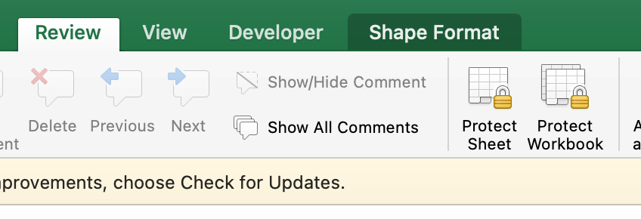
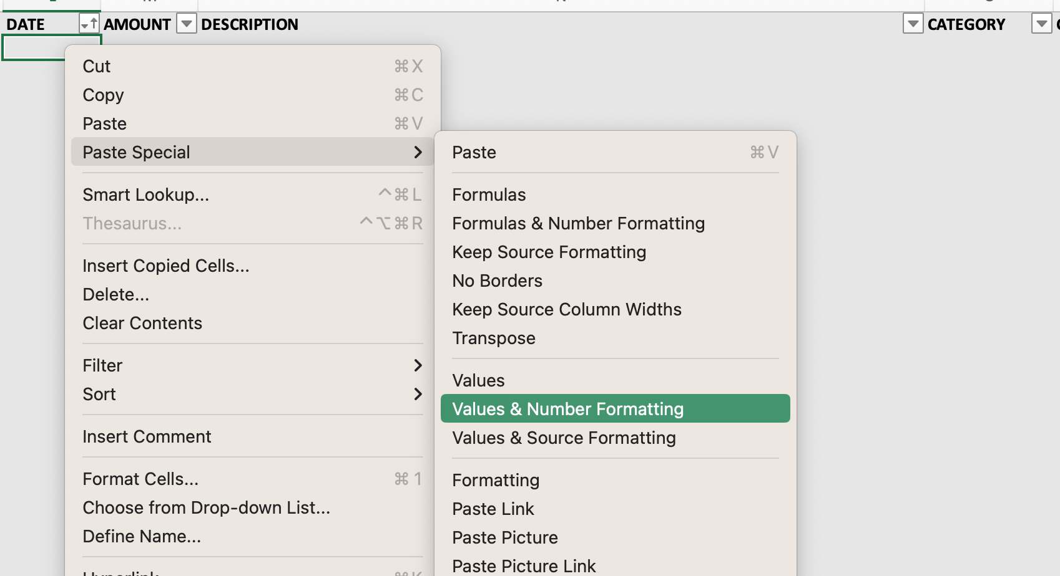
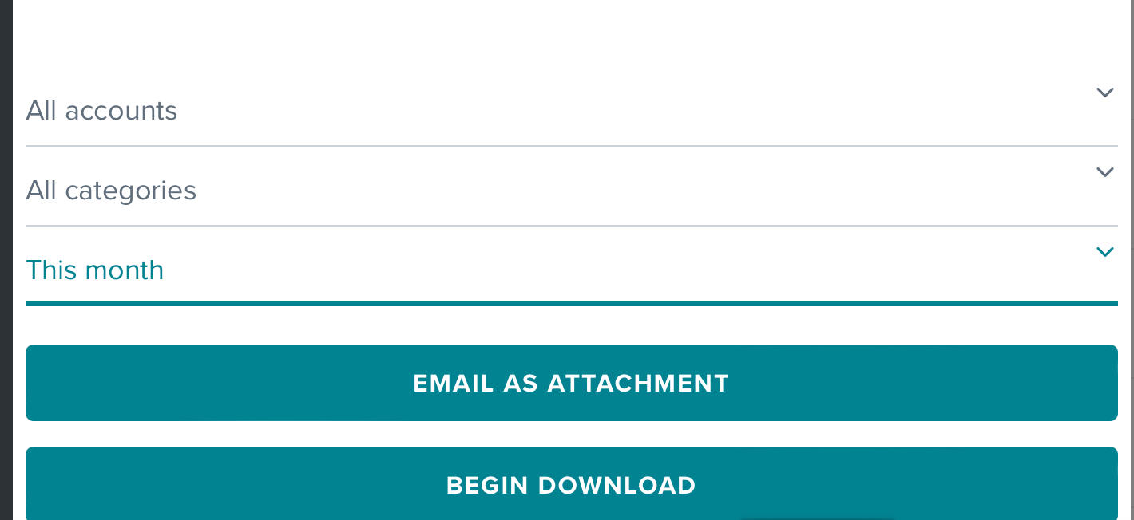
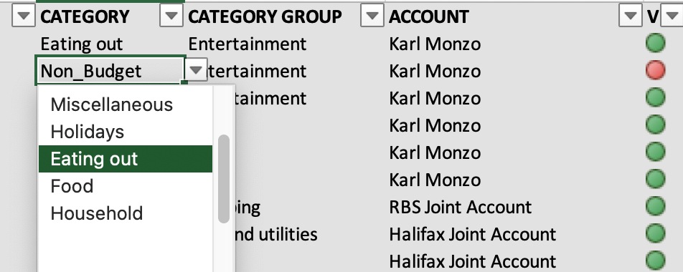
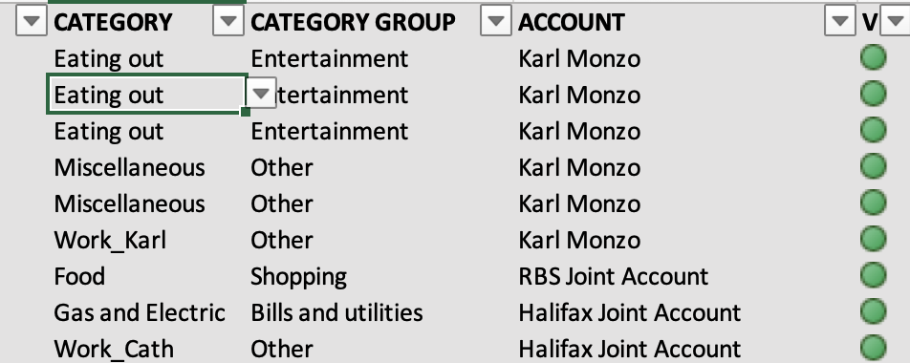
Login to MoneyHub at https://client.moneyhub.co.uk
Download the transactions for the month of interest
->Select Transactions from the side menu
Then click the download icon (the cloud symbol)
and make sure All accounts and All categories are selected as well as the correct month
The download should now be ready for import into the appropriate month's tab
Open the downloaded .csv file in Excel
Copy the data from cell A2 through to the bottom of the transactions column F as shown below
Right clickcell A2 of the appropriate month and select Paste Special, then Values & Number Formatting
Note the formatting should be as below:
Note the green dots in column G that will appear - these confirm that all imported transactions were allocated to a budget as defined in the Budgets sheet.
Look for any red dots - here we see one, also cells A48 and D48 report any error
Correct the category in column D to one that is allowed via the drop down menu on the cell
Budgets
The Budget tab is locked except for cells that can be changed
It is not password protected
All cells were unlocked (format cells, protection), then the sheet protected

Spending Graphs2024
Petrol_Car_2
 |  |  |  |  |  |  |  |  |  |  |  |  | Months completed | 0 | Data to the left in columns made narrow
Miscellaneous
Eating out
Council_Tax

 | Jan | Feb | Mar | Apr | May | Jun | Jul | Aug | Sep | Oct | Nov | Dec
Miscellaneous | £0.00 | £0.00 | £0.00 | £0.00 | £0.00 | £0.00 | £0.00 | £0.00 | £0.00 | £0.00 | £0.00 | £0.00
Budget | £100.00 | £100.00 | £100.00 | £100.00 | £100.00 | £100.00 | £100.00 | £100.00 | £100.00 | £100.00 | £100.00 | £100.00
Average | #DIV/0! | #DIV/0! | #DIV/0! | #DIV/0! | #DIV/0! | #DIV/0! | #DIV/0! | #DIV/0! | #DIV/0! | #DIV/0! | #DIV/0! | #DIV/0!

 | Jan | Feb | Mar | Apr | May | Jun | Jul | Aug | Sep | Oct | Nov | Dec
Holidays | £0.00 | £0.00 | £0.00 | £0.00 | £0.00 | £0.00 | £0.00 | £0.00 | £0.00 | £0.00 | £0.00 | £0.00
Budget | £100.00 | £100.00 | £100.00 | £100.00 | £100.00 | £100.00 | £100.00 | £100.00 | £100.00 | £100.00 | £100.00 | £100.00
Average | #DIV/0! | #DIV/0! | #DIV/0! | #DIV/0! | #DIV/0! | #DIV/0! | #DIV/0! | #DIV/0! | #DIV/0! | #DIV/0! | #DIV/0! | #DIV/0!

 | Jan | Feb | Mar | Apr | May | Jun | Jul | Aug | Sep | Oct | Nov | Dec
Eating out | £0.00 | £0.00 | £0.00 | £0.00 | £0.00 | £0.00 | £0.00 | £0.00 | £0.00 | £0.00 | £0.00 | £0.00
Budget | £100.00 | £100.00 | £100.00 | £100.00 | £100.00 | £100.00 | £100.00 | £100.00 | £100.00 | £100.00 | £100.00 | £100.00
Average | #DIV/0! | #DIV/0! | #DIV/0! | #DIV/0! | #DIV/0! | #DIV/0! | #DIV/0! | #DIV/0! | #DIV/0! | #DIV/0! | #DIV/0! | #DIV/0!

Home_Insurance
Car_2_Costs
 | Jan | Feb | Mar | Apr | May | Jun | Jul | Aug | Sep | Oct | Nov | Dec
Food | £0.00 | £0.00 | £0.00 | £0.00 | £0.00 | £0.00 | £0.00 | £0.00 | £0.00 | £0.00 | £0.00 | £0.00
Budget | £100.00 | £100.00 | £100.00 | £100.00 | £100.00 | £100.00 | £100.00 | £100.00 | £100.00 | £100.00 | £100.00 | £100.00
Average | #DIV/0! | #DIV/0! | #DIV/0! | #DIV/0! | #DIV/0! | #DIV/0! | #DIV/0! | #DIV/0! | #DIV/0! | #DIV/0! | #DIV/0! | #DIV/0!

Holidays
Food
 | Jan | Feb | Mar | Apr | May | Jun | Jul | Aug | Sep | Oct | Nov | Dec
Household | £0.00 | £0.00 | £0.00 | £0.00 | £0.00 | £0.00 | £0.00 | £0.00 | £0.00 | £0.00 | £0.00 | £0.00
Budget | £100.00 | £100.00 | £100.00 | £100.00 | £100.00 | £100.00 | £100.00 | £100.00 | £100.00 | £100.00 | £100.00 | £100.00
Average | #DIV/0! | #DIV/0! | #DIV/0! | #DIV/0! | #DIV/0! | #DIV/0! | #DIV/0! | #DIV/0! | #DIV/0! | #DIV/0! | #DIV/0! | #DIV/0!

 | Jan | Feb | Mar | Apr | May | Jun | Jul | Aug | Sep | Oct | Nov | Dec
Council_Tax | £0.00 | £0.00 | £0.00 | £0.00 | £0.00 | £0.00 | £0.00 | £0.00 | £0.00 | £0.00 | £0.00 | £0.00
Budget | £100.00 | £100.00 | £100.00 | £100.00 | £100.00 | £100.00 | £100.00 | £100.00 | £100.00 | £100.00 | £100.00 | £100.00
Average | #DIV/0! | #DIV/0! | #DIV/0! | #DIV/0! | #DIV/0! | #DIV/0! | #DIV/0! | #DIV/0! | #DIV/0! | #DIV/0! | #DIV/0! | #DIV/0!

 | Jan | Feb | Mar | Apr | May | Jun | Jul | Aug | Sep | Oct | Nov | Dec
Water | £0.00 | £0.00 | £0.00 | £0.00 | £0.00 | £0.00 | £0.00 | £0.00 | £0.00 | £0.00 | £0.00 | £0.00
Budget | £100.00 | £100.00 | £100.00 | £100.00 | £100.00 | £100.00 | £100.00 | £100.00 | £100.00 | £100.00 | £100.00 | £100.00
Average | #DIV/0! | #DIV/0! | #DIV/0! | #DIV/0! | #DIV/0! | #DIV/0! | #DIV/0! | #DIV/0! | #DIV/0! | #DIV/0! | #DIV/0! | #DIV/0!
Water
 | Jan | Feb | Mar | Apr | May | Jun | Jul | Aug | Sep | Oct | Nov | Dec
Home_Insurance | £0.00 | £0.00 | £0.00 | £0.00 | £0.00 | £0.00 | £0.00 | £0.00 | £0.00 | £0.00 | £0.00 | £0.00
Budget | £100.00 | £100.00 | £100.00 | £100.00 | £100.00 | £100.00 | £100.00 | £100.00 | £100.00 | £100.00 | £100.00 | £100.00
Average | #DIV/0! | #DIV/0! | #DIV/0! | #DIV/0! | #DIV/0! | #DIV/0! | #DIV/0! | #DIV/0! | #DIV/0! | #DIV/0! | #DIV/0! | #DIV/0!

Petrol_Car_1
 | Jan | Feb | Mar | Apr | May | Jun | Jul | Aug | Sep | Oct | Nov | Dec
Phone_1 | £0.00 | £0.00 | £0.00 | £0.00 | £0.00 | £0.00 | £0.00 | £0.00 | £0.00 | £0.00 | £0.00 | £0.00
Budget | £100.00 | £100.00 | £100.00 | £100.00 | £100.00 | £100.00 | £100.00 | £100.00 | £100.00 | £100.00 | £100.00 | £100.00
Average | #DIV/0! | #DIV/0! | #DIV/0! | #DIV/0! | #DIV/0! | #DIV/0! | #DIV/0! | #DIV/0! | #DIV/0! | #DIV/0! | #DIV/0! | #DIV/0!

 | Jan | Feb | Mar | Apr | May | Jun | Jul | Aug | Sep | Oct | Nov | Dec
Broadband | £0.00 | £0.00 | £0.00 | £0.00 | £0.00 | £0.00 | £0.00 | £0.00 | £0.00 | £0.00 | £0.00 | £0.00
Budget | £100.00 | £100.00 | £100.00 | £100.00 | £100.00 | £100.00 | £100.00 | £100.00 | £100.00 | £100.00 | £100.00 | £100.00
Average | #DIV/0! | #DIV/0! | #DIV/0! | #DIV/0! | #DIV/0! | #DIV/0! | #DIV/0! | #DIV/0! | #DIV/0! | #DIV/0! | #DIV/0! | #DIV/0!
Household
Clothes
 | Jan | Feb | Mar | Apr | May | Jun | Jul | Aug | Sep | Oct | Nov | Dec
Car_1_Costs | £0.00 | £0.00 | £0.00 | £0.00 | £0.00 | £0.00 | £0.00 | £0.00 | £0.00 | £0.00 | £0.00 | £0.00
Budget | £187.50 | £187.50 | £187.50 | £187.50 | £187.50 | £187.50 | £187.50 | £187.50 | £187.50 | £187.50 | £187.50 | £187.50
Average | #DIV/0! | #DIV/0! | #DIV/0! | #DIV/0! | #DIV/0! | #DIV/0! | #DIV/0! | #DIV/0! | #DIV/0! | #DIV/0! | #DIV/0! | #DIV/0!
Phone_1
 | Jan | Feb | Mar | Apr | May | Jun | Jul | Aug | Sep | Oct | Nov | Dec
Petrol_Car_1 | £0.00 | £0.00 | £0.00 | £0.00 | £0.00 | £0.00 | £0.00 | £0.00 | £0.00 | £0.00 | £0.00 | £0.00
Budget | £100.00 | £100.00 | £100.00 | £100.00 | £100.00 | £100.00 | £100.00 | £100.00 | £100.00 | £100.00 | £100.00 | £100.00
Average | #DIV/0! | #DIV/0! | #DIV/0! | #DIV/0! | #DIV/0! | #DIV/0! | #DIV/0! | #DIV/0! | #DIV/0! | #DIV/0! | #DIV/0! | #DIV/0!

 | Jan | Feb | Mar | Apr | May | Jun | Jul | Aug | Sep | Oct | Nov | Dec
Car_2_Costs | £0.00 | £0.00 | £0.00 | £0.00 | £0.00 | £0.00 | £0.00 | £0.00 | £0.00 | £0.00 | £0.00 | £0.00
Budget | £116.67 | £116.67 | £116.67 | £116.67 | £116.67 | £116.67 | £116.67 | £116.67 | £116.67 | £116.67 | £116.67 | £116.67
Average | #DIV/0! | #DIV/0! | #DIV/0! | #DIV/0! | #DIV/0! | #DIV/0! | #DIV/0! | #DIV/0! | #DIV/0! | #DIV/0! | #DIV/0! | #DIV/0!

 | Jan | Feb | Mar | Apr | May | Jun | Jul | Aug | Sep | Oct | Nov | Dec
Petrol_Car_2 | £0.00 | £0.00 | £0.00 | £0.00 | £0.00 | £0.00 | £0.00 | £0.00 | £0.00 | £0.00 | £0.00 | £0.00
Budget | £100.00 | £100.00 | £100.00 | £100.00 | £100.00 | £100.00 | £100.00 | £100.00 | £100.00 | £100.00 | £100.00 | £100.00
Car_1_Costs
Average | #DIV/0! | #DIV/0! | #DIV/0! | #DIV/0! | #DIV/0! | #DIV/0! | #DIV/0! | #DIV/0! | #DIV/0! | #DIV/0! | #DIV/0! | #DIV/0!

Running_Shoes
Broadband
 | Jan | Feb | Mar | Apr | May | Jun | Jul | Aug | Sep | Oct | Nov | Dec
Clothes | £0.00 | £0.00 | £0.00 | £0.00 | £0.00 | £0.00 | £0.00 | £0.00 | £0.00 | £0.00 | £0.00 | £0.00
Budget | £100.00 | £100.00 | £100.00 | £100.00 | £100.00 | £100.00 | £100.00 | £100.00 | £100.00 | £100.00 | £100.00 | £100.00
Average | #DIV/0! | #DIV/0! | #DIV/0! | #DIV/0! | #DIV/0! | #DIV/0! | #DIV/0! | #DIV/0! | #DIV/0! | #DIV/0! | #DIV/0! | #DIV/0!

 | Jan | Feb | Mar | Apr | May | Jun | Jul | Aug | Sep | Oct | Nov | Dec
Running_Shoes | £0.00 | £0.00 | £0.00 | £0.00 | £0.00 | £0.00 | £0.00 | £0.00 | £0.00 | £0.00 | £0.00 | £0.00
Budget | £100.00 | £100.00 | £100.00 | £100.00 | £100.00 | £100.00 | £100.00 | £100.00 | £100.00 | £100.00 | £100.00 | £100.00
Average | #DIV/0! | #DIV/0! | #DIV/0! | #DIV/0! | #DIV/0! | #DIV/0! | #DIV/0! | #DIV/0! | #DIV/0! | #DIV/0! | #DIV/0! | #DIV/0!

