Category Statistics
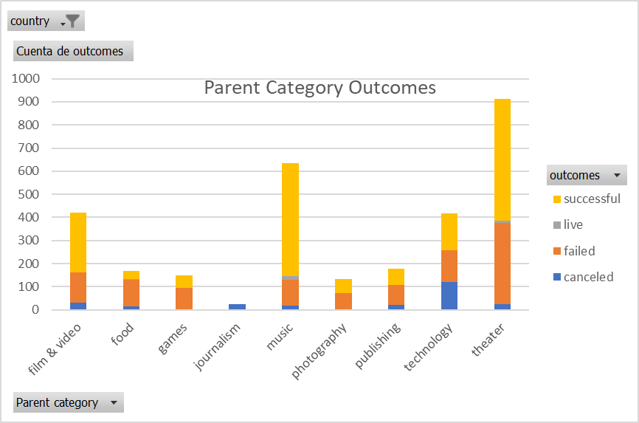
country | US

Parent Category Outcomes
Cuenta de outcomes | Etiquetas de columna
Etiquetas de fila | canceled | failed | live | successful | Total general
theater | 26 | 349 | 12 | 525 | 912
Total general | 26 | 349 | 12 | 525 | 912

Subcategory Statistics
country | GB
Parent category | theater

Cuenta de outcomes | Etiquetas de columna
Etiquetas de fila | failed | live | successful | Total general
plays | 70 | 6 | 238 | 314
Total general | 70 | 6 | 238 | 314

Outcomes Based on Launch Date
Parent category | theater
Años | (Todas)

 | canceled | failed | live | successful
ene | 7 | 33 | 2 | 56
feb | 3 | 39 | 8 | 71
mar | 3 | 33 | 14 | 56
abr | 2 | 40 |  | 71
may | 3 | 52 |  | 111
jun | 4 | 49 |  | 100
jul | 1 | 50 |  | 87
ago | 4 | 47 |  | 72
sep | 4 | 34 |  | 59
oct |  | 50 |  | 65
nov | 3 | 31 |  | 54
dic | 3 | 35 |  | 37
Cuenta de outcomes | Etiquetas de columna
Etiquetas de fila | canceled | failed | live | successful | Total general
ene | 7 | 33 | 2 | 56 | 98
feb | 3 | 39 | 8 | 71 | 121
mar | 3 | 33 | 14 | 56 | 106
abr | 2 | 40 |  | 71 | 113
may | 3 | 52 |  | 111 | 166
jun | 4 | 49 |  | 100 | 153
jul | 1 | 50 |  | 87 | 138
ago | 4 | 47 |  | 72 | 123
sep | 4 | 34 |  | 59 | 97
oct |  | 50 |  | 65 | 115
nov | 3 | 31 |  | 54 | 88
dic | 3 | 35 |  | 37 | 75
Total general | 37 | 493 | 24 | 839 | 1393

Descriptive Statistics
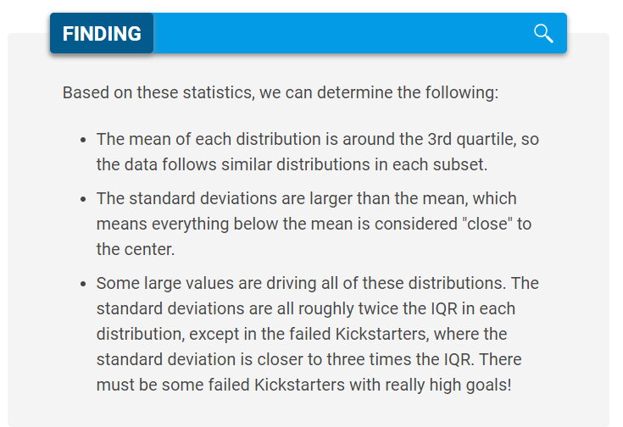
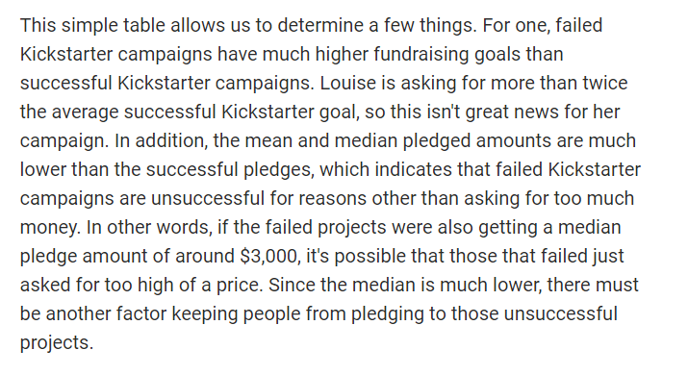
 | Successful | Failed
Mean Goal | $5,049 | $10,554
Median Goal | $3,000 | $5,000
Standard Deviation of Goal | $7,749 | $21,968
Upper Quartile of Goal | $5,000 | $10,000
Lower Quartile of Goal | $1,500 | $2,000
IQR of Goal | $3,500 | $8,000

Mean Pledged | $5,602 | $559
Median Pledged | $3,168 | $103
Standard Deviation of Pledged | $8,335 | $1,331
Upper Quartile of Pledged | $5,699 | $501
Lower Quartile of Pledged | $1,717 | $9
IQR of Pledged | $3,982 | $492

