Theater Outcomes by Launch Date
Theater Outcomes Based on Launch Date
 | successful | failed | canceled
ene | 56 | 33 | 7
feb | 71 | 39 | 3
mar | 56 | 33 | 3
abr | 71 | 40 | 2
may | 111 | 52 | 3
jun | 100 | 49 | 4
jul | 87 | 50 | 1
ago | 72 | 47 | 4
sep | 59 | 34 | 4
oct | 65 | 50
nov | 54 | 31 | 3
dic | 37 | 35 | 3
Parent category | theater
Years | (Todas)

Cuenta de outcomes | Etiquetas de columna
Etiquetas de fila | successful | failed | canceled | Total general
ene | 56 | 33 | 7 | 96
feb | 71 | 39 | 3 | 113
mar | 56 | 33 | 3 | 92
abr | 71 | 40 | 2 | 113
may | 111 | 52 | 3 | 166
jun | 100 | 49 | 4 | 153
jul | 87 | 50 | 1 | 138
ago | 72 | 47 | 4 | 123
sep | 59 | 34 | 4 | 97
oct | 65 | 50 |  | 115
nov | 54 | 31 | 3 | 88
dic | 37 | 35 | 3 | 75
Total general | 839 | 493 | 37 | 1369

Outcomes Based on Goals
Outcomes Based on Goal
Goal | Number Successful | Number Failed | Number Canceled | Total Projects | Percentage Successful | Percentage Failed | Percentage Canceled
Less Than 1000 | 141 | 45 | 0 | 186 | 76% | 24% | 0%
1000 to 4999 | 388 | 146 | 0 | 534 | 73% | 27% | 0%
5000 to 9999 | 93 | 76 | 0 | 169 | 55% | 45% | 0%
10000 to 14999 | 39 | 33 | 0 | 72 | 54% | 46% | 0%
15000 to 19999 | 12 | 12 | 0 | 24 | 50% | 50% | 0%
20000 to 24999 | 9 | 11 | 0 | 20 | 45% | 55% | 0%
25000 to 29999 | 1 | 4 | 0 | 5 | 20% | 80% | 0%
30000 to 34999 | 3 | 8 | 0 | 11 | 27% | 73% | 0%
35000 to 39999 | 4 | 2 | 0 | 6 | 67% | 33% | 0%
40000 to 44999 | 2 | 1 | 0 | 3 | 67% | 33% | 0%
45000 to 49999 | 0 | 1 | 0 | 1 | 0% | 100% | 0%
50000 or More | 2 | 14 | 0 | 16 | 13% | 88% | 0%

Category Statistics
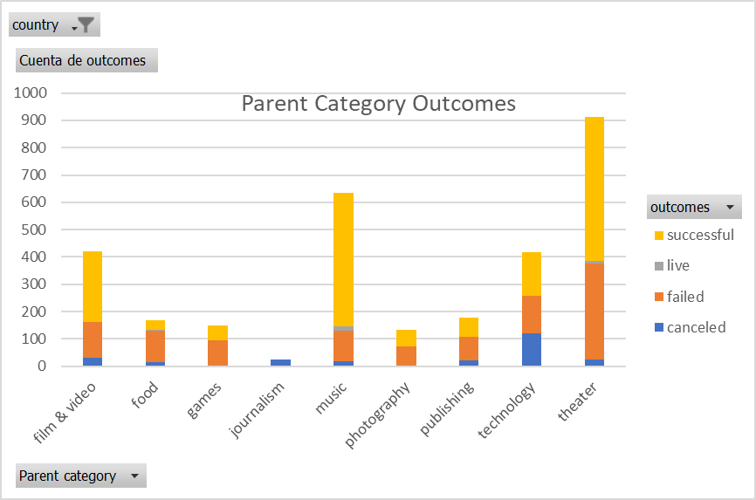
country | US

Parent Category Outcomes
Cuenta de outcomes | Etiquetas de columna
Etiquetas de fila | canceled | failed | live | successful | Total general
theater | 26 | 349 | 12 | 525 | 912
Total general | 26 | 349 | 12 | 525 | 912

Subcategory Statistics
country | GB
Parent category | theater

Cuenta de outcomes | Etiquetas de columna
Etiquetas de fila | failed | live | successful | Total general
plays | 70 | 6 | 238 | 314
Total general | 70 | 6 | 238 | 314

Outcomes Based on Launch Date
Parent category | theater
Años | (Todas)

 | canceled | failed | live | successful
ene | 7 | 33 | 2 | 56
feb | 3 | 39 | 8 | 71
mar | 3 | 33 | 14 | 56
abr | 2 | 40 |  | 71
may | 3 | 52 |  | 111
jun | 4 | 49 |  | 100
jul | 1 | 50 |  | 87
ago | 4 | 47 |  | 72
sep | 4 | 34 |  | 59
oct |  | 50 |  | 65
nov | 3 | 31 |  | 54
dic | 3 | 35 |  | 37
Cuenta de outcomes | Etiquetas de columna
Etiquetas de fila | canceled | failed | live | successful | Total general
ene | 7 | 33 | 2 | 56 | 98
feb | 3 | 39 | 8 | 71 | 121
mar | 3 | 33 | 14 | 56 | 106
abr | 2 | 40 |  | 71 | 113
may | 3 | 52 |  | 111 | 166
jun | 4 | 49 |  | 100 | 153
jul | 1 | 50 |  | 87 | 138
ago | 4 | 47 |  | 72 | 123
sep | 4 | 34 |  | 59 | 97
oct |  | 50 |  | 65 | 115
nov | 3 | 31 |  | 54 | 88
dic | 3 | 35 |  | 37 | 75
Total general | 37 | 493 | 24 | 839 | 1393

