Sheet1
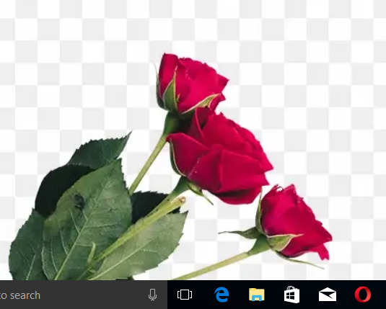
HAPPY ROSE-DAY MY ROSE

