timing
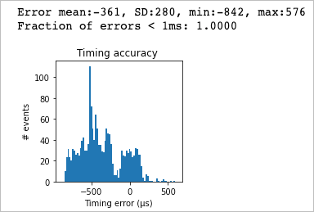
 | MCU | Test | Sample | frequency (MHz) | Micropython Version | mean | std | min | max | fraction < 1ms | Notes | port | Input pin | output pin
No Load | pyboard | 5 | 1 | 168 | 1.13 | -210 | 281 | -684 | 290 | 1.0000
 | dseries | 6 | 1 | 144 | 1.13 | -273 | 283 | -774 | 246 | 1.0000
 | dseries | 6 | 2 | 216 | 1.13 | -342 | 285 | -848 | 164 | 1.0000

High Load | pyboard | 7 | 1 | 168 | 1.13 | -27 | 351 | -528 | 4694 | 0.9923
 | dseries | 8 | 1 | 144 | 1.13 | -234 | 337 | -782 | 1408 | 0.9982
 | dseries | 8 | 2 | 216 | 1.13 | -361 | 280 | -842 | 576 | 1.0000

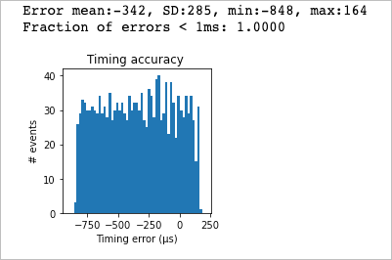
 |  |  |  |  |  |  |  |  |  |  | Recording conditions
 |  |  |  |  |  |  |  |  |  |  | Input = 51hz square wave
 |  |  |  |  |  |  |  |  |  |  | Sample rate = 500 KHz (2µs period)
 |  |  |  |  |  |  |  |  |  |  | Samples = 16777216 (33.55 seconds of data)

