Physiology
 | Raw data [first replicate] |  |  |  |  |  |  |  |  |  |  |  |  |  |  | Raw data [second replicate]
 | Time (h) |  |  |  |  |  |  |  |  |  |  |  |  |  |  | Time (h)
Quantity | -3.35 | -2.30 | -1.30 | -0.30 | 0.20 | 0.70 | 1.03 | 1.37 | 1.70 | 2.03 | 2.37 | 2.70 | 3.03 | 3.37 | 3.92 | -3.35 | -2.30 | -1.30 | -0.30 | 0.20 | 0.70 | 1.03 | 1.37 | 1.70 | 2.03 | 2.37 | 2.70 | 3.03 | 3.37 | 3.92
Optical Density | 0.021 | 0.038 | 0.068 | 0.131 | 0.182 | 0.217 | 0.215 | 0.240 | 0.260 | 0.287 | 0.320 | 0.345 | 0.368 | 0.413 | 0.491 | 0.02 | 0.04 | 0.07 | 0.12 | 0.18 | 0.21 | 0.22 | 0.24 | 0.26 | 0.28 | 0.31 | 0.34 | 0.36 | 0.40 | 0.48
Glucose (mmol gCDW-1) | 2.48 | 2.16 | 1.67 | 0.87 | 0.15 | 0.00 | 0.00 | 0.00 | 0.00 | 0.00 | 0.00 | 0.00 | 0.00 | 0.00 | 0.00 | 2.54 | 2.32 | 1.82 | 0.93 | 0.16 | 0.00 | 0.00 | 0.00 | 0.00 | 0.00 | 0.00 | 0.00 | 0.00 | 0.00 | 0.00
Succinate (mmol gCDW-1) | 42.09 | 40.92 | 40.26 | 40.39 | 41.46 | 41.05 | 40.68 | 39.41 | 45.48 | 37.63 | 38.56 | 35.41 | 34.47 | 32.91 | 27.34 | 43.22 | 43.67 | 42.79 | 41.44 | 37.83 | 38.01 | 38.93 | 39.12 | 35.44 | 35.67 | 37.07 | 34.97 | 33.18 | 32.49 | 30.43
Acetate (mmol gCDW-1) | 0.55 | 0.73 | 1.24 | 2.37 | 3.21 | 3.74 | 3.78 | 3.94 | 4.85 | 4.19 | 4.59 | 4.51 | 4.69 | 5.54 | 5.65 | 0.68 | 0.84 | 1.40 | 2.39 | 2.95 | 3.50 | 3.81 | 4.02 | 3.79 | 3.79 | 4.23 | 4.35 | 4.62 | 5.02 | 6.15
Fumarate (mmol gCDW-1) | 0.04 | 0.07 | 0.11 | 0.20 | 0.28 | 0.35 | 0.39 | 0.42 | 0.54 | 0.50 | 0.58 | 0.62 | 0.70 | 0.79 | 0.88 | 0.04 | 0.07 | 0.12 | 0.20 | 0.25 | 0.32 | 0.37 | 0.42 | 0.42 | 0.47 | 0.55 | 0.60 | 0.66 | 0.75 | 0.96

 | Rate of accumulation and depletion [fitting of the two replicates]
 | Time (h)
Quantity | -3.35 | -2.30 | -1.30 | -0.30 | 0.20 | 0.70 | 1.03 | 1.37 | 1.70 | 2.03 | 2.37 | 2.70 | 3.03 | 3.37 | 3.92
Growth rate (h-1) | 0.63 | 0.63 | 0.63 | 0.63 | 0.63 | 0.09 | 0.19 | 0.26 | 0.27 | 0.30 | 0.26 | 0.22 | 0.27 | 0.32 | 0.30
Glucose rate (mmol gCDW-1 h-1) | -9.41 | -9.36 | -9.31 | -9.25 | -9.23 | 0.00 | 0.00 | 0.00 | 0.00 | 0.00 | 0.00 | 0.00 | 0.00 | 0.00 | 0.00
Succinate rate (mmol gCDW-1 h-1) | -4.75 | -4.75 | -4.75 | -4.75 | -4.75 | -6.46 | -8.32 | -9.66 | -10.64 | -11.30 | -11.75 | -12.24 | -12.60 | -12.52 | -12.11
Acetate rate (mmol gCDW-1 h-1) | 5.29 | 8.34 | 11.67 | 10.17 | 6.97 | 3.86 | 2.90 | 2.37 | 0.53 | 0.54 | 1.41 | 1.79 | 3.21 | 3.45 | 2.54
Fumarate rate (mmol gCDW-1 h-1) | 1.40 | 0.88 | 0.85 | 0.88 | 0.77 | 0.67 | 0.61 | 0.54 | 0.42 | 0.47 | 0.54 | 0.56 | 0.65 | 0.66 | 0.56

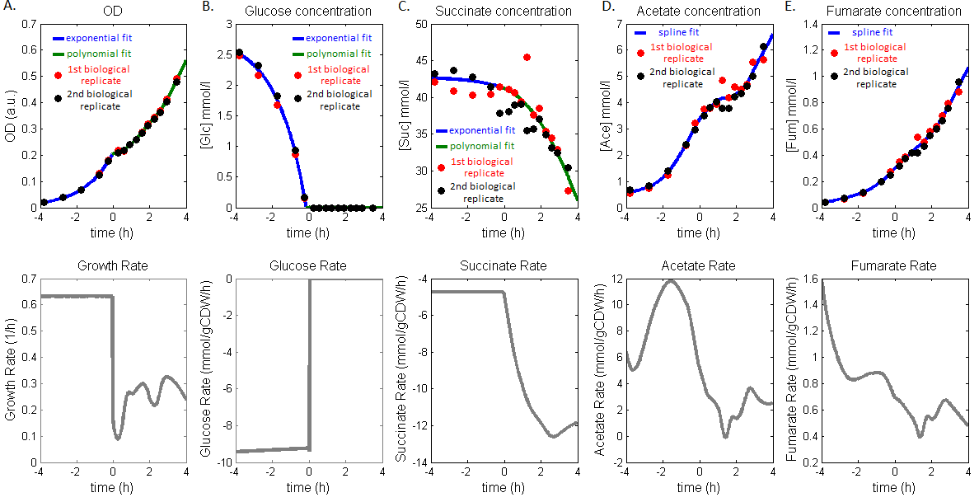

 | A. | Optical density measured during the shift. The phase of growth on glucose is fit with an exponential function (blue) and the phase of adaptation by a second degree polynomial (green). The resulting time-course growth rate is shown below.
 | B. | External glucose concentration measured during the shift. The phase of growth on glucose is fit with an exponential function (blue) and the phase of adaptation by a second degree polynomial (green). The resulting time-course glucose uptake rate is shown below.
 | C. | External succinate concentration measured during the shift. The phase of growth on glucose is fit with an exponential function (blue) and the phase of adaptation by a second degree polynomial (green). The resulting time-course succinate uptake rate is shown below.
 | D. | External acetate concentration measured during the shift. The acetate concentration is fit with splines. The resulting time-course acetate secretion rate is shown below.
 | E. | External fumarate concentration measured during the shift. The external fumarate concentration is fit with splines. The resulting time-course fumarate secretion rate is shown below.

Clustering of GFP reporters
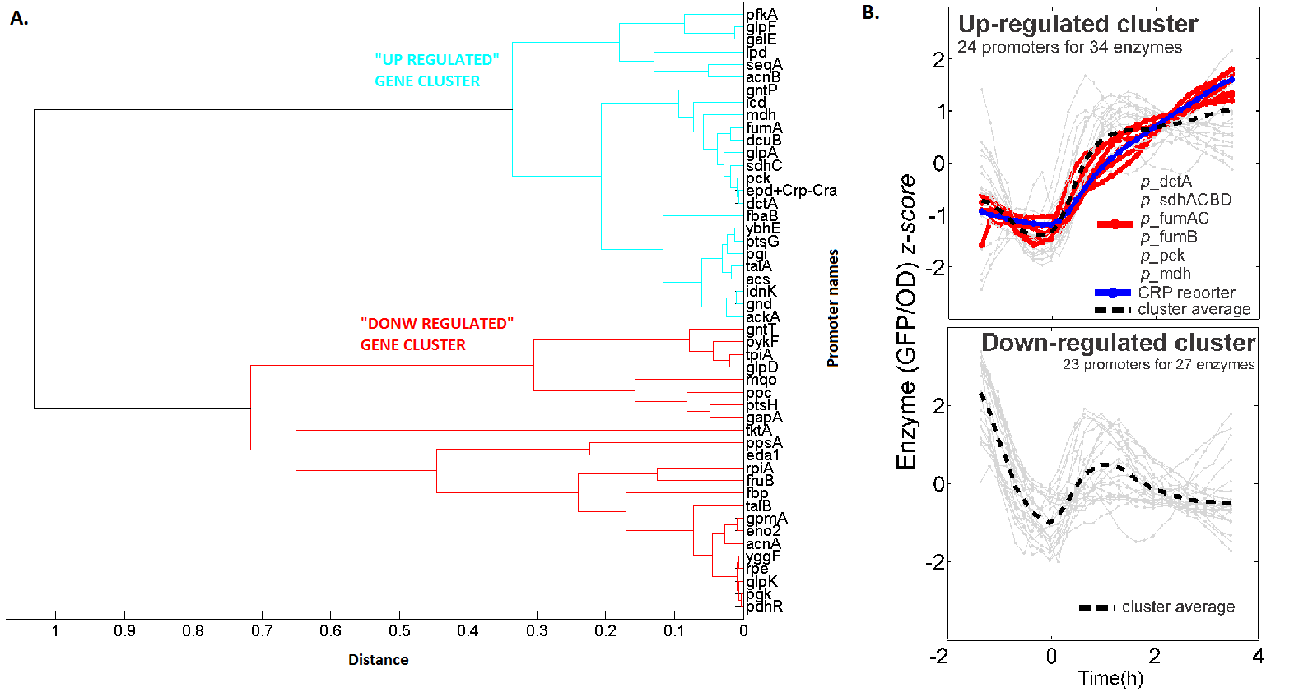

A. | Dendrogram of hierarchical clustering of promoter reporters during the diauxic shift. A upregulated and a downregulated cluster were identified.
B. | Up- and down-regulated clusters of gene expression profiles shown as a function of time. The up-regulated cluster is as in Fig.7D.

