Sheet1
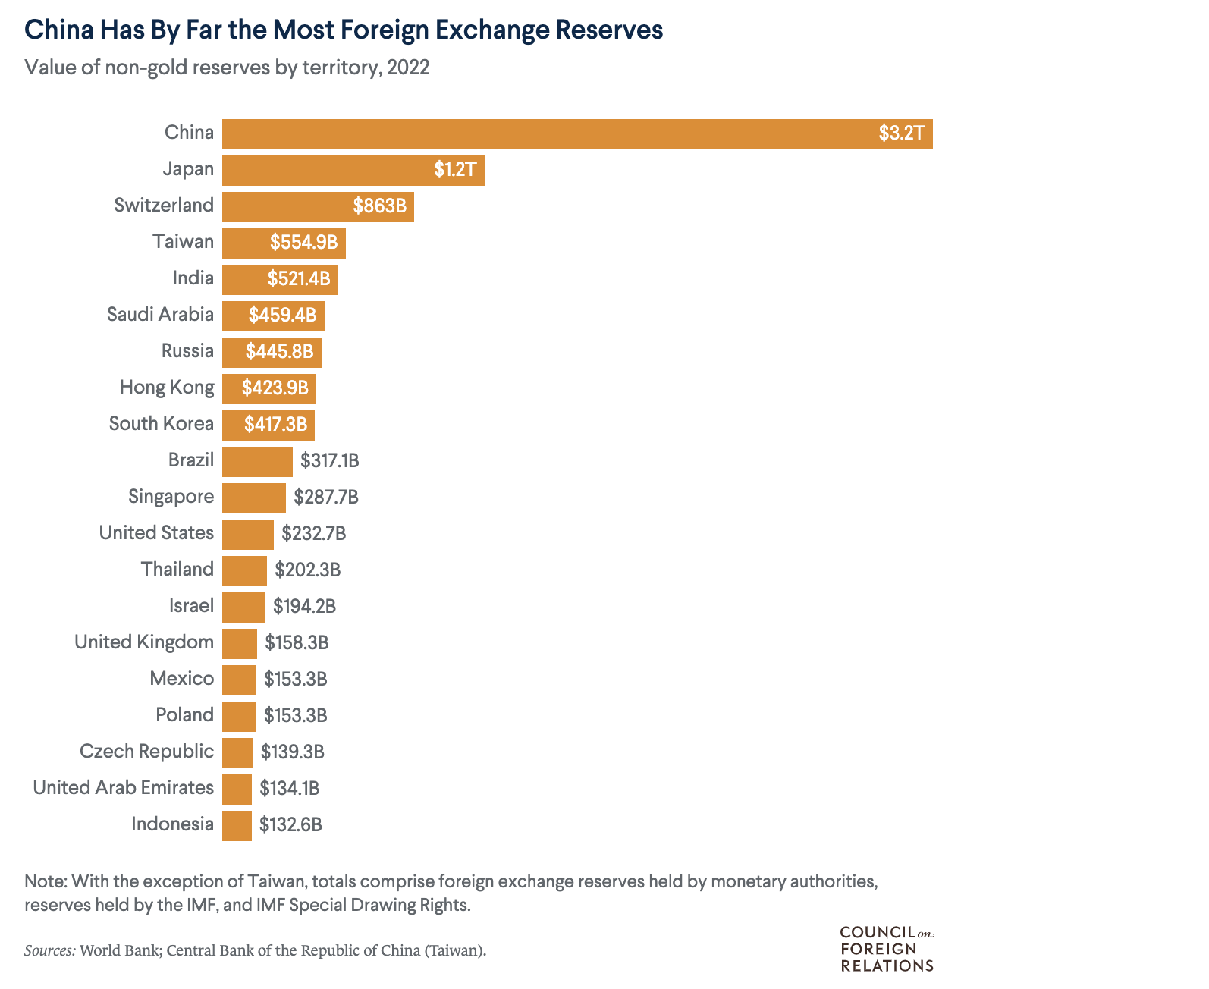
Country/Region | Foreign Exchange Reserves
Indonesia | $133B
United Arab Emirates | $134B
Czech Republic | $139B
Mexico | $153B
Poland | $153B
United Kingdom | $158B
Israel | $194B
Thailand | $202B
United States | $233B
Singapore | $288B
Brazil | $317B
South Korea | $417B
Hong Kong | $424B
Russia | $446B
Saudi Arabia | $459B
India | $521B
Switzerland | $863B
Japan | $1200B
China | $3755B

