Age range by elseifladder
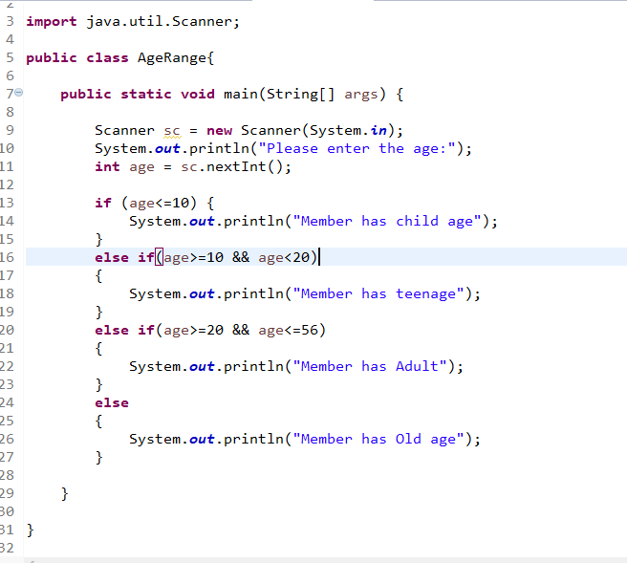

Sheet3
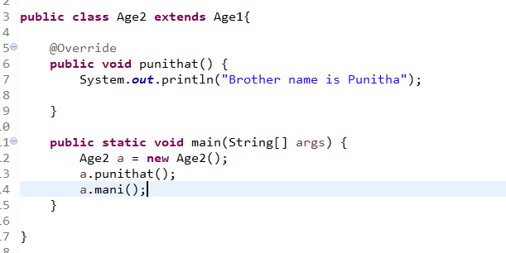
1st Class :(Interface) | 2nd class: (Abstract) because I didn't provide the solution for 2nd method

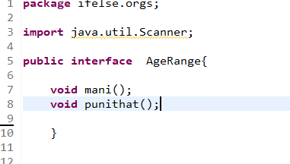
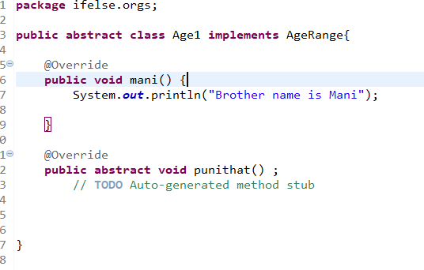

Class 3:

