Exception Hierarchy
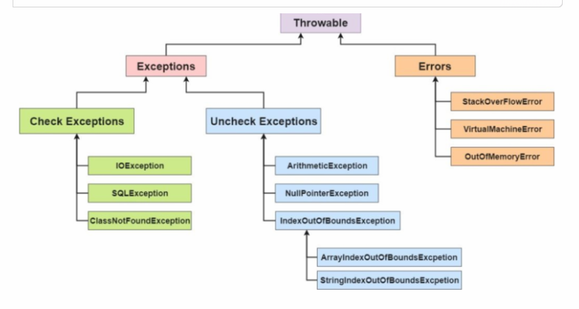

* Object is the super most class for all Java class

Control flow
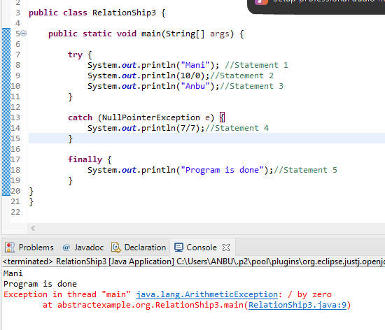
Scenario 1: There is no exception raised at try block

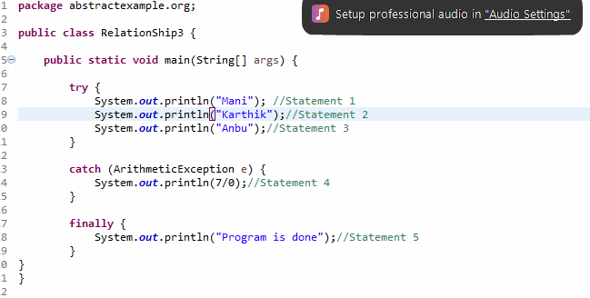

Scanario 2: Exception is raised at statement 2 and there is corresponding catch block:

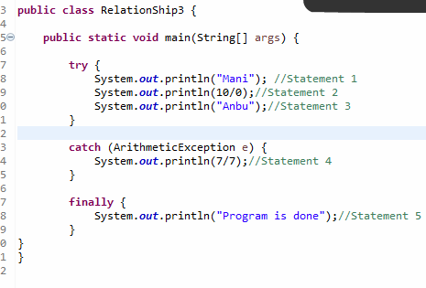

Scenario 3: Exception is raised at statement 2 and there is no corresponding catch block:

